Histograms
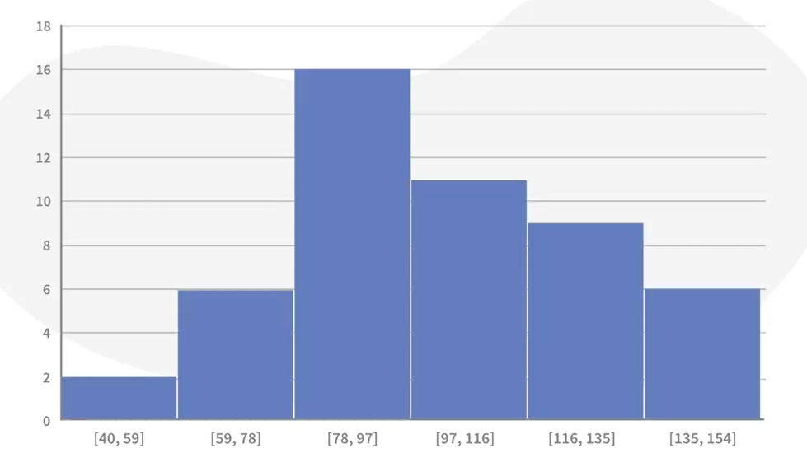

Business Example | Customer Wait Times in bank
 | Wait Time(Seconds)
1 | 43
2 | 35
3 | 37
4 | 36
5 | 45
6 | 43
7 | 40
8 | 50
9 | 47
10 | 31

