网口面板图
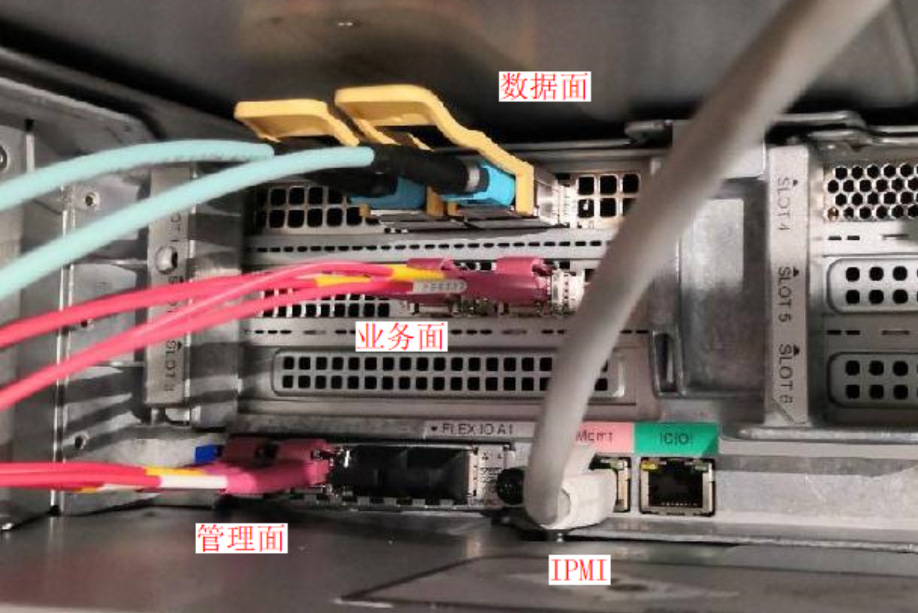
nic_profile_name | 网口_设备名称 | 网口_物理位置(槽位地址、网络平面)
nic_profile_1 | enp61s0f0 | slot2_port1
nic_profile_1 | enp61s0f1 | slot2_port2
nic_profile_1 | enp67s0f0np0 | slot5_port1
nic_profile_1 | enp67s0f1np1 | slot5_port2
nic_profile_1 | enp195s0f0np0 | slot1_port1
nic_profile_1 | enp195s0f1np1 | slot1_port2
nic_profile_2 | enp61s0f0 | 管理面#1
nic_profile_2 | enp61s0f1 | 管理面#2
nic_profile_2 | enp67s0f0np0 | 业务面#1
nic_profile_2 | enp67s0f1np1 | 业务面#2
nic_profile_2 | enp195s0f0np0 | 数据面#1
nic_profile_2 | enp195s0f1np1 | 数据面#2

