Boxplot Example
First Quartile: | 77 | Tennis Serve Speeds (mph)
Median: | 84.5 | 40
Second Quartile: | 84.5 | 68
Third Quartile: | 90 | 69
Interquartile Range: | 13 | 69
 |  | 69
Q1 - (1.5*IQR) Boundary: | 57.5 | 70
Q3 + (1.5*IQR) Boundary: | 109.5 | 70
 |  | 71
 |  | 71
 |  | 71
 |  | 71
 |  | 72
 |  | 72
 |  | 72
 |  | 72
 |  | 73
 |  | 73
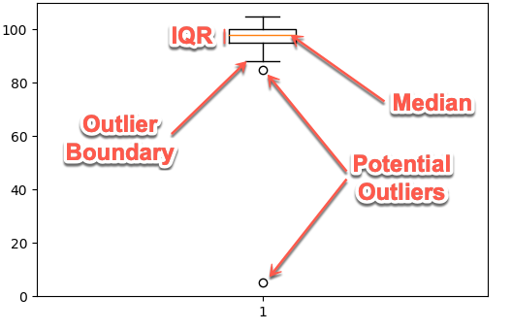
 |  | 73
 |  | 73
 |  | 73
 |  | 74
 |  | 74
 |  | 74
 |  | 75
 |  | 75
 |  | 75
 |  | 75
 |  | 76
 |  | 76
 |  | 76
 |  | 76
 |  | 76
 |  | 77
 |  | 77
 |  | 77
 |  | 77
 |  | 77
 |  | 77
 |  | 78
 |  | 78
 |  | 79
 |  | 79
 |  | 79
 |  | 79
 |  | 79
 |  | 80
 |  | 80
 |  | 80
 |  | 80
 |  | 80
 |  | 80
 |  | 80
 |  | 80
 |  | 80
 |  | 81
 |  | 81
 |  | 82
 |  | 82
 |  | 82
 |  | 82
 |  | 82
 |  | 82
 |  | 83
 |  | 83
 |  | 83
 |  | 83
 |  | 84
 |  | 84
 |  | 84
 |  | 85
 |  | 85
 |  | 85
 |  | 85
 |  | 85
 |  | 85
 |  | 86
 |  | 86
 |  | 86
 |  | 86
 |  | 86
 |  | 87
 |  | 87
 |  | 87
 |  | 87
 |  | 87
 |  | 87
 |  | 87
 |  | 88
 |  | 88
 |  | 88
 |  | 88
 |  | 88
 |  | 88
 |  | 88
 |  | 89
 |  | 89
 |  | 89
 |  | 89
 |  | 89
 |  | 89
 |  | 89
 |  | 89
 |  | 90
 |  | 90
 |  | 90
 |  | 90
 |  | 91
 |  | 91
 |  | 91
 |  | 91
 |  | 91
 |  | 91
 |  | 92
 |  | 92
 |  | 92
 |  | 92
 |  | 92
 |  | 92
 |  | 93
 |  | 93
 |  | 93
 |  | 93
 |  | 94
 |  | 94
 |  | 94
 |  | 94
 |  | 95
 |  | 95
 |  | 95
 |  | 95
 |  | 95
 |  | 96
 |  | 96
 |  | 96
 |  | 96
 |  | 96
 |  | 97
 |  | 97

