Decap_Selection
 |  |  |  |  |  |  |  |  | PDN Design Tool 10.0SP1
 |  |  |  |  |  |  |  |  |  | Cyclone® IV

 | Zvrm | Zc1 | Zc2 | Zc3 | Zc4 | Zc5 | Zc6 | Zc7 | Zc8 | Zc9 | Zc10 | Zc11
1.000E+03 | 1.002E-03 | 1.000E+50 | 1.000E+50 | 1.000E+50 | 1.000E+50 | 3.617E+03 | 1.000E+50 | 3.979E+02 | 1.000E+50 | 1.000E+50 | 7.958E+01 | 1.000E+50
1.020E+03 | 1.002E-03 | 1.000E+50 | 1.000E+50 | 1.000E+50 | 1.000E+50 | 3.546E+03 | 1.000E+50 | 3.901E+02 | 1.000E+50 | 1.000E+50 | 7.802E+01 | 1.000E+50
1.040E+03 | 1.002E-03 | 1.000E+50 | 1.000E+50 | 1.000E+50 | 1.000E+50 | 3.477E+03 | 1.000E+50 | 3.824E+02 | 1.000E+50 | 1.000E+50 | 7.649E+01 | 1.000E+50
1.061E+03 | 1.002E-03 | 1.000E+50 | 1.000E+50 | 1.000E+50 | 1.000E+50 | 3.409E+03 | 1.000E+50 | 3.749E+02 | 1.000E+50 | 1.000E+50 | 7.499E+01 | 1.000E+50
1.082E+03 | 1.002E-03 | 1.000E+50 | 1.000E+50 | 1.000E+50 | 1.000E+50 | 3.342E+03 | 1.000E+50 | 3.676E+02 | 1.000E+50 | 1.000E+50 | 7.352E+01 | 1.000E+50
1.104E+03 | 1.002E-03 | 1.000E+50 | 1.000E+50 | 1.000E+50 | 1.000E+50 | 3.276E+03 | 1.000E+50 | 3.604E+02 | 1.000E+50 | 1.000E+50 | 7.208E+01 | 1.000E+50
1.126E+03 | 1.003E-03 | 1.000E+50 | 1.000E+50 | 1.000E+50 | 1.000E+50 | 3.212E+03 | 1.000E+50 | 3.533E+02 | 1.000E+50 | 1.000E+50 | 7.066E+01 | 1.000E+50
1.149E+03 | 1.003E-03 | 1.000E+50 | 1.000E+50 | 1.000E+50 | 1.000E+50 | 3.149E+03 | 1.000E+50 | 3.464E+02 | 1.000E+50 | 1.000E+50 | 6.928E+01 | 1.000E+50
1.172E+03 | 1.003E-03 | 1.000E+50 | 1.000E+50 | 1.000E+50 | 1.000E+50 | 3.087E+03 | 1.000E+50 | 3.396E+02 | 1.000E+50 | 1.000E+50 | 6.792E+01 | 1.000E+50
1.195E+03 | 1.003E-03 | 1.000E+50 | 1.000E+50 | 1.000E+50 | 1.000E+50 | 3.027E+03 | 1.000E+50 | 3.329E+02 | 1.000E+50 | 1.000E+50 | 6.659E+01 | 1.000E+50
1.219E+03 | 1.003E-03 | 1.000E+50 | 1.000E+50 | 1.000E+50 | 1.000E+50 | 2.967E+03 | 1.000E+50 | 3.264E+02 | 1.000E+50 | 1.000E+50 | 6.528E+01 | 1.000E+50
1.243E+03 | 1.003E-03 | 1.000E+50 | 1.000E+50 | 1.000E+50 | 1.000E+50 | 2.909E+03 | 1.000E+50 | 3.200E+02 | 1.000E+50 | 1.000E+50 | 6.400E+01 | 1.000E+50
1.268E+03 | 1.003E-03 | 1.000E+50 | 1.000E+50 | 1.000E+50 | 1.000E+50 | 2.852E+03 | 1.000E+50 | 3.137E+02 | 1.000E+50 | 1.000E+50 | 6.275E+01 | 1.000E+50
1.294E+03 | 1.003E-03 | 1.000E+50 | 1.000E+50 | 1.000E+50 | 1.000E+50 | 2.796E+03 | 1.000E+50 | 3.076E+02 | 1.000E+50 | 1.000E+50 | 6.152E+01 | 1.000E+50
1.319E+03 | 1.003E-03 | 1.000E+50 | 1.000E+50 | 1.000E+50 | 1.000E+50 | 2.741E+03 | 1.000E+50 | 3.016E+02 | 1.000E+50 | 1.000E+50 | 6.031E+01 | 1.000E+50
1.346E+03 | 1.004E-03 | 1.000E+50 | 1.000E+50 | 1.000E+50 | 1.000E+50 | 2.688E+03 | 1.000E+50 | 2.956E+02 | 1.000E+50 | 1.000E+50 | 5.913E+01 | 1.000E+50
1.373E+03 | 1.004E-03 | 1.000E+50 | 1.000E+50 | 1.000E+50 | 1.000E+50 | 2.635E+03 | 1.000E+50 | 2.898E+02 | 1.000E+50 | 1.000E+50 | 5.797E+01 | 1.000E+50
1.400E+03 | 1.004E-03 | 1.000E+50 | 1.000E+50 | 1.000E+50 | 1.000E+50 | 2.583E+03 | 1.000E+50 | 2.842E+02 | 1.000E+50 | 1.000E+50 | 5.683E+01 | 1.000E+50
1.428E+03 | 1.004E-03 | 1.000E+50 | 1.000E+50 | 1.000E+50 | 1.000E+50 | 2.533E+03 | 1.000E+50 | 2.786E+02 | 1.000E+50 | 1.000E+50 | 5.572E+01 | 1.000E+50
1.457E+03 | 1.004E-03 | 1.000E+50 | 1.000E+50 | 1.000E+50 | 1.000E+50 | 2.483E+03 | 1.000E+50 | 2.731E+02 | 1.000E+50 | 1.000E+50 | 5.463E+01 | 1.000E+50
1.486E+03 | 1.004E-03 | 1.000E+50 | 1.000E+50 | 1.000E+50 | 1.000E+50 | 2.434E+03 | 1.000E+50 | 2.678E+02 | 1.000E+50 | 1.000E+50 | 5.355E+01 | 1.000E+50
1.516E+03 | 1.005E-03 | 1.000E+50 | 1.000E+50 | 1.000E+50 | 1.000E+50 | 2.387E+03 | 1.000E+50 | 2.625E+02 | 1.000E+50 | 1.000E+50 | 5.250E+01 | 1.000E+50
1.546E+03 | 1.005E-03 | 1.000E+50 | 1.000E+50 | 1.000E+50 | 1.000E+50 | 2.340E+03 | 1.000E+50 | 2.574E+02 | 1.000E+50 | 1.000E+50 | 5.148E+01 | 1.000E+50
1.577E+03 | 1.005E-03 | 1.000E+50 | 1.000E+50 | 1.000E+50 | 1.000E+50 | 2.294E+03 | 1.000E+50 | 2.523E+02 | 1.000E+50 | 1.000E+50 | 5.047E+01 | 1.000E+50
1.608E+03 | 1.005E-03 | 1.000E+50 | 1.000E+50 | 1.000E+50 | 1.000E+50 | 2.249E+03 | 1.000E+50 | 2.474E+02 | 1.000E+50 | 1.000E+50 | 4.948E+01 | 1.000E+50
1.641E+03 | 1.005E-03 | 1.000E+50 | 1.000E+50 | 1.000E+50 | 1.000E+50 | 2.205E+03 | 1.000E+50 | 2.425E+02 | 1.000E+50 | 1.000E+50 | 4.851E+01 | 1.000E+50
1.673E+03 | 1.006E-03 | 1.000E+50 | 1.000E+50 | 1.000E+50 | 1.000E+50 | 2.162E+03 | 1.000E+50 | 2.378E+02 | 1.000E+50 | 1.000E+50 | 4.756E+01 | 1.000E+50
1.707E+03 | 1.006E-03 | 1.000E+50 | 1.000E+50 | 1.000E+50 | 1.000E+50 | 2.119E+03 | 1.000E+50 | 2.331E+02 | 1.000E+50 | 1.000E+50 | 4.662E+01 | 1.000E+50
1.741E+03 | 1.006E-03 | 1.000E+50 | 1.000E+50 | 1.000E+50 | 1.000E+50 | 2.078E+03 | 1.000E+50 | 2.285E+02 | 1.000E+50 | 1.000E+50 | 4.571E+01 | 1.000E+50
1.776E+03 | 1.006E-03 | 1.000E+50 | 1.000E+50 | 1.000E+50 | 1.000E+50 | 2.037E+03 | 1.000E+50 | 2.241E+02 | 1.000E+50 | 1.000E+50 | 4.481E+01 | 1.000E+50
1.811E+03 | 1.006E-03 | 1.000E+50 | 1.000E+50 | 1.000E+50 | 1.000E+50 | 1.997E+03 | 1.000E+50 | 2.197E+02 | 1.000E+50 | 1.000E+50 | 4.393E+01 | 1.000E+50
1.848E+03 | 1.007E-03 | 1.000E+50 | 1.000E+50 | 1.000E+50 | 1.000E+50 | 1.958E+03 | 1.000E+50 | 2.154E+02 | 1.000E+50 | 1.000E+50 | 4.307E+01 | 1.000E+50
1.885E+03 | 1.007E-03 | 1.000E+50 | 1.000E+50 | 1.000E+50 | 1.000E+50 | 1.919E+03 | 1.000E+50 | 2.111E+02 | 1.000E+50 | 1.000E+50 | 4.223E+01 | 1.000E+50
1.922E+03 | 1.007E-03 | 1.000E+50 | 1.000E+50 | 1.000E+50 | 1.000E+50 | 1.882E+03 | 1.000E+50 | 2.070E+02 | 1.000E+50 | 1.000E+50 | 4.140E+01 | 1.000E+50
1.961E+03 | 1.008E-03 | 1.000E+50 | 1.000E+50 | 1.000E+50 | 1.000E+50 | 1.845E+03 | 1.000E+50 | 2.029E+02 | 1.000E+50 | 1.000E+50 | 4.059E+01 | 1.000E+50
2.000E+03 | 1.008E-03 | 1.000E+50 | 1.000E+50 | 1.000E+50 | 1.000E+50 | 1.809E+03 | 1.000E+50 | 1.990E+02 | 1.000E+50 | 1.000E+50 | 3.979E+01 | 1.000E+50
2.040E+03 | 1.008E-03 | 1.000E+50 | 1.000E+50 | 1.000E+50 | 1.000E+50 | 1.773E+03 | 1.000E+50 | 1.951E+02 | 1.000E+50 | 1.000E+50 | 3.901E+01 | 1.000E+50
2.081E+03 | 1.009E-03 | 1.000E+50 | 1.000E+50 | 1.000E+50 | 1.000E+50 | 1.738E+03 | 1.000E+50 | 1.912E+02 | 1.000E+50 | 1.000E+50 | 3.825E+01 | 1.000E+50
2.122E+03 | 1.009E-03 | 1.000E+50 | 1.000E+50 | 1.000E+50 | 1.000E+50 | 1.704E+03 | 1.000E+50 | 1.875E+02 | 1.000E+50 | 1.000E+50 | 3.750E+01 | 1.000E+50
2.165E+03 | 1.009E-03 | 1.000E+50 | 1.000E+50 | 1.000E+50 | 1.000E+50 | 1.671E+03 | 1.000E+50 | 1.838E+02 | 1.000E+50 | 1.000E+50 | 3.676E+01 | 1.000E+50
2.208E+03 | 1.010E-03 | 1.000E+50 | 1.000E+50 | 1.000E+50 | 1.000E+50 | 1.638E+03 | 1.000E+50 | 1.802E+02 | 1.000E+50 | 1.000E+50 | 3.604E+01 | 1.000E+50
2.252E+03 | 1.010E-03 | 1.000E+50 | 1.000E+50 | 1.000E+50 | 1.000E+50 | 1.606E+03 | 1.000E+50 | 1.767E+02 | 1.000E+50 | 1.000E+50 | 3.533E+01 | 1.000E+50
2.297E+03 | 1.010E-03 | 1.000E+50 | 1.000E+50 | 1.000E+50 | 1.000E+50 | 1.575E+03 | 1.000E+50 | 1.732E+02 | 1.000E+50 | 1.000E+50 | 3.464E+01 | 1.000E+50
2.343E+03 | 1.011E-03 | 1.000E+50 | 1.000E+50 | 1.000E+50 | 1.000E+50 | 1.544E+03 | 1.000E+50 | 1.698E+02 | 1.000E+50 | 1.000E+50 | 3.396E+01 | 1.000E+50
2.390E+03 | 1.011E-03 | 1.000E+50 | 1.000E+50 | 1.000E+50 | 1.000E+50 | 1.513E+03 | 1.000E+50 | 1.665E+02 | 1.000E+50 | 1.000E+50 | 3.330E+01 | 1.000E+50
2.438E+03 | 1.012E-03 | 1.000E+50 | 1.000E+50 | 1.000E+50 | 1.000E+50 | 1.484E+03 | 1.000E+50 | 1.632E+02 | 1.000E+50 | 1.000E+50 | 3.264E+01 | 1.000E+50
2.487E+03 | 1.012E-03 | 1.000E+50 | 1.000E+50 | 1.000E+50 | 1.000E+50 | 1.455E+03 | 1.000E+50 | 1.600E+02 | 1.000E+50 | 1.000E+50 | 3.200E+01 | 1.000E+50
2.536E+03 | 1.013E-03 | 1.000E+50 | 1.000E+50 | 1.000E+50 | 1.000E+50 | 1.426E+03 | 1.000E+50 | 1.569E+02 | 1.000E+50 | 1.000E+50 | 3.138E+01 | 1.000E+50
2.587E+03 | 1.013E-03 | 1.000E+50 | 1.000E+50 | 1.000E+50 | 1.000E+50 | 1.398E+03 | 1.000E+50 | 1.538E+02 | 1.000E+50 | 1.000E+50 | 3.076E+01 | 1.000E+50
2.639E+03 | 1.014E-03 | 1.000E+50 | 1.000E+50 | 1.000E+50 | 1.000E+50 | 1.371E+03 | 1.000E+50 | 1.508E+02 | 1.000E+50 | 1.000E+50 | 3.016E+01 | 1.000E+50
...
Family / Device |  | Cyclone_IV_E
Available Devices |  | EP4CE115F23
Power Supply Rail |  | VCCINT

Summary | Options | R (Ω) | L (nH) | C (μF)
VRM | Linear | 1.0E-03 | 1.0E+01 | N/A
Spreading | Low | 0.0005 | 0.0150 | N/A
BGA Via | Calculate | 0.0000 | 0.0000 | N/A
Plane Cap | Calculate | 0.0026 | N/A | 0.0025

Target Impedance |  | Units | Value | Legend
Supply Voltage (Min) |  | V | 1.2 | N/A
I max |  | A | 1.5 | N/A
Transient Current |  | % | 50 | N/A
Vripple (+/-) |  | % | 3 | N/A
Effective Frequency |  | MHz | 48.75 | Feffective
Ztarget = ∆V / ∆I |  | Ω | 0.0480 | Ztarget

Decoupling Caps
CAP | Value (μF) | Footprint | Layer | Orientation | QTY | Eqv. Cap (μF) | Eqv. ESR (Ω) | Eqv. ESL (nH) | Eqv. Lmnt (nH) | Legend
From Library | 0.001 | 0603 | BOTTOM | VOS |  | ------------ | ------------ | ------------ | ------------ | Zc1
 | 0.022 | 0603 | BOTTOM | VOS |  | ------------ | ------------ | ------------ | ------------ | Zc2
 | 0.0047 | 0201 | BOTTOM | VOS |  | ------------ | ------------ | ------------ | ------------ | Zc3
 | 0.01 | 0402 | BOTTOM | VOS |  | ------------ | ------------ | ------------ | ------------ | Zc4
 | 0.022 | 0402 | BOTTOM | VOS | 2 | 0.0440 | 0.0215 | 0.2000 | 0.4283 | Zc5
 | 0.047 | 0402 | BOTTOM | VOS |  | ------------ | ------------ | ------------ | ------------ | Zc6
 | 0.1 | 0603 | BOTTOM | VOS | 4 | 0.4000 | 0.0090 | 0.1250 | 0.2155 | Zc7
 | 0.22 | 0402 | BOTTOM | VOS |  | ------------ | ------------ | ------------ | ------------ | Zc8
 | 0.47 | 0402 | BOTTOM | VOS |  | ------------ | ------------ | ------------ | ------------ | Zc9
 | 1 | 0603 | BOTTOM | VOS | 2 | 2.0000 | 0.0085 | 0.2500 | 0.4310 | Zc10
 | 2.2 | 0603 | BOTTOM | VOS |  | ------------ | ------------ | ------------ | ------------ | Zc11
 | 4.7 | 0603 | BOTTOM | VOS |  | ------------ | ------------ | ------------ | ------------ | Zc12
User1 |  | Custom | TOP | VOS |  | ------------ | ------------ | ------------ |  | Zc13
User2 |  | Custom | TOP | VOS |  | ------------ | ------------ | ------------ | ------------ | Zc14
User3 |  | Custom | TOP | VOS |  | ------------ | ------------ | ------------ | ------------ | Zc15
User4 |  | Custom | TOP | VOS |  | ------------ | ------------ | ------------ | ------------ | Zc16

Bulk Caps
CAP | Value (μF) | Footprint | Layer | Orientation | QTY | Eqv. Cap (μF) | Eqv. ESR (Ω) | Eqv. ESL (nH) | Eqv. Lmnt (nH) | Legend
From Library | 10 | Bulk | N/A | N/A |  | ------------ | ------------ | ------------ | ------------ | Zc17
 | 22 | Bulk |  |  |  | ------------ | ------------ | ------------ | ------------ | Zc18
 | 47 | Bulk |  |  |  | ------------ | ------------ | ------------ | ------------ | Zc19
 | 100 | Bulk |  |  | 2 | 200.0000 | 0.0300 | 1.1500 | 0.8000 | Zc20
 | 220 | Bulk |  |  |  | ------------ | ------------ | ------------ | ------------ | Zc21
 | 330 | Bulk |  |  |  | ------------ | ------------ | ------------ | ------------ | Zc22
 | 470 | Bulk |  |  |  | ------------ | ------------ | ------------ | ------------ | Zc23
User5 |  | Custom |  |  |  | ------------ | ------------ | ------------ | ------------ | Zc24
User6 |  | Custom |  |  |  | ------------ | ------------ | ------------ | ------------ | Zc25
Total Decoupling & Bulk Capacitors Used |  |  |  |  | 10

BGA_Via
 |  |  |  | PDN Design Tool 10.0SP1
 |  |  |  |  | Cyclone® IV

BGA Via Inductance
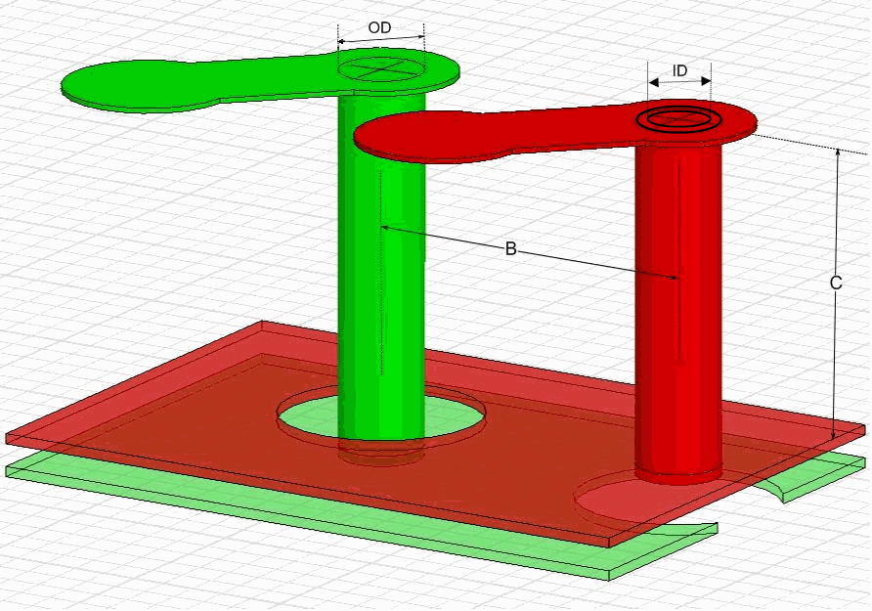

BGA Via Inductance | Symbol | Unit | Value
Via drill outer diameter | OD | mils | 12
Via drill inner diameter | ID | mils | 10
Via pitch | B | mils | 4
Via length | C | mils | 45
Number of BGA PWR/GND via pairs |  |  | 20
Linear inductance | Llin | nH | 0.0000
Via inductance | Lvia | nH | 0.0000
Via resistance | Rvia | mΩ | 0.0000
Effective via inductance | Lvia eff | nH | 0.0000
Effective via resistance | Rvia eff | mΩ | 0.0000

Plane_Cap
 |  |  |  | PDN Design Tool 10.0SP1
 |  |  |  |  | Cyclone® IV

Planar Capacitance


Planar Capacitance | Symbol | Unit | Value
Plane length | Length | mils | 4000
Plane width | Width | mils | 4000
Metal thickness | t | mils | 1.2
Height to 1st GND plane | h1 | mils | 6.000
Height to 2nd GND plane | h2 | mils | 100.000
Dielectric material 1 | Er1 | FR4 | 4.00
Dielectric material 2 | Er2 | FR4 | 4.00
Plane capacitance 1 | C1 | μF | 0.0024
Plane capacitance 2 | C2 | μF | 0.0001
Total planar capacitance | Ctotal | μF | 0.0025
Total sheet resistance | Rtotal | Ω | 0.0026

Cap_Mount
 |  |  |  |  |  |  |  |  |  | PDN Design Tool 10.0SP1
 |  |  |  |  |  |  |  |  |  |  | Cyclone® IV

Cap Mounting Inductance

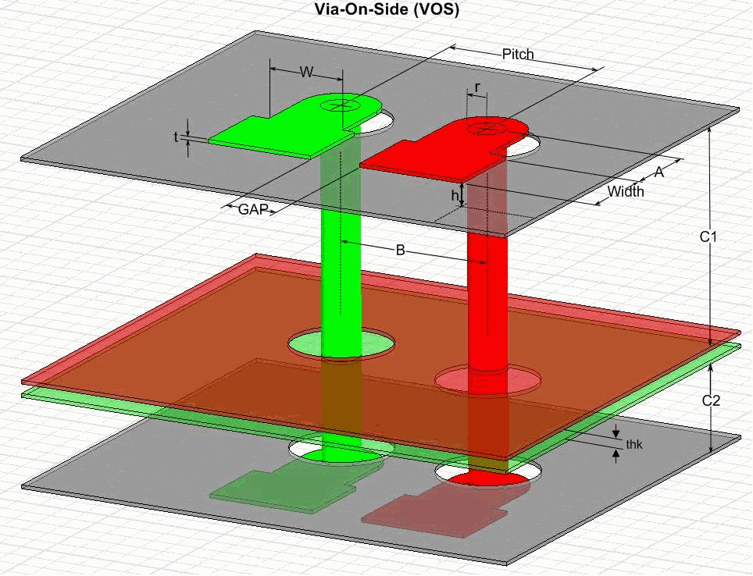
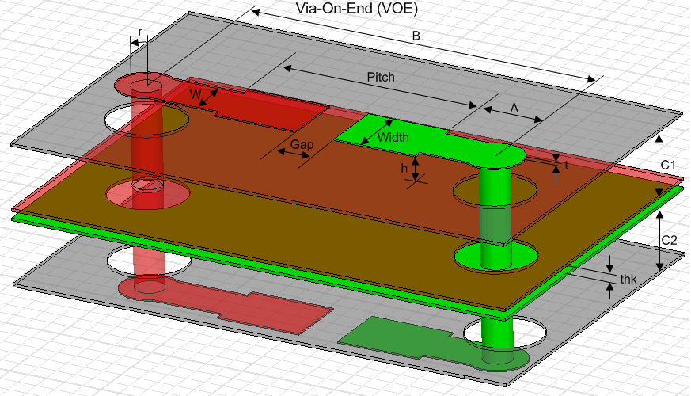

 |  |  | 0201 |  | 0402 |  | 0603 |  | 0805 |  | 1206
CAP Mounting Inductance | Symbol | Unit | VOS | VOE | VOS | VOE | VOS | VOE | VOS | VOE | VOS | VOE
Space between pads | Gap | mils | 11.8 | 11.8 | 19.6 | 19.6 | 31.5 | 31.5 | 47.2 | 47.2 | 78.7 | 78.7
Width of pads | Width | mils | 9.8 | 9.8 | 15.7 | 15.7 | 23.6 | 23.6 | 39.4 | 39.4 | 47.2 | 47.2
Pitch between traces | Pitch | mils | 30 | 31.5 | 36 | 55.1 | 44 | 78.7 | 60 | 98.4 | 67 | 157.5
Metal thickness | t | mils | 0.6 | 0.6 | 0.6 | 0.6 | 0.6 | 0.6 | 0.6 | 0.6 | 0.6 | 0.6
Height above reference plane | h | mils | 3.6 | 3.6 | 3.6 | 3.6 | 3.6 | 3.6 | 3.6 | 3.6 | 3.6 | 3.6
Trace length | A | mils | 20 | 20 | 20 | 20 | 20 | 20 | 20 | 20 | 20 | 20
Trace width | W | mils | 20 | 20 | 20 | 20 | 20 | 20 | 20 | 20 | 20 | 20
Via radius (half of drill size) | r | mils | 5 | 5 | 5 | 5 | 5 | 5 | 5 | 5 | 5 | 5
Via pitch | B | mils | 30 | 71.5 | 36 | 95.1 | 44 | 118.7 | 60 | 138.4 | 67 | 197.5
Top via length | C1 | mils | 60 | 60 | 60 | 60 | 60 | 60 | 60 | 60 | 60 | 60
Bottom via length | C2 | mils | 15 | 15 | 15 | 15 | 15 | 15 | 15 | 15 | 15 | 15
Power plane dielectric thickness | thk | mils | 2.7 | 2.7 | 2.7 | 2.7 | 2.7 | 2.7 | 2.7 | 2.7 | 2.7 | 2.7
Cap mounting inductance - Top | Ltop | nH | 1.69 | 2.23 | 1.76 | 2.46 | 1.86 | 2.60 | 2.01 | 2.62 | 2.10 | 2.96
Cap mounting inductance - Bottom | Lbot | nH | 0.87 | 1.02 | 0.86 | 1.11 | 0.86 | 1.15 | 0.87 | 1.09 | 0.91 | 1.27

X2Y_Mount
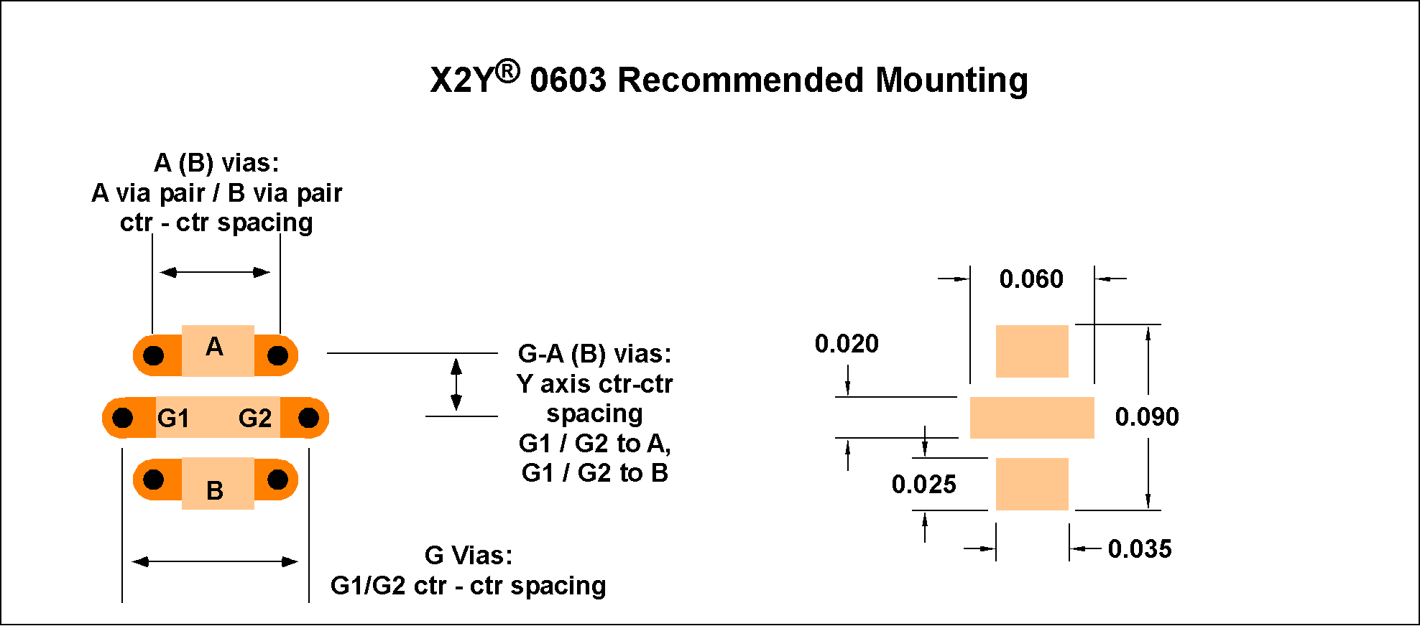
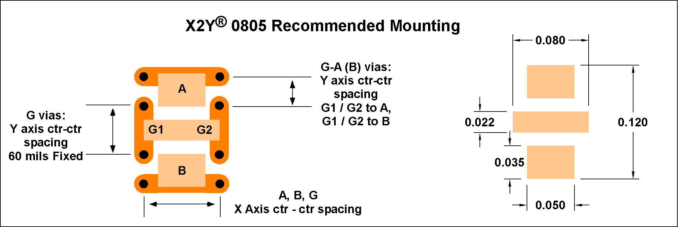
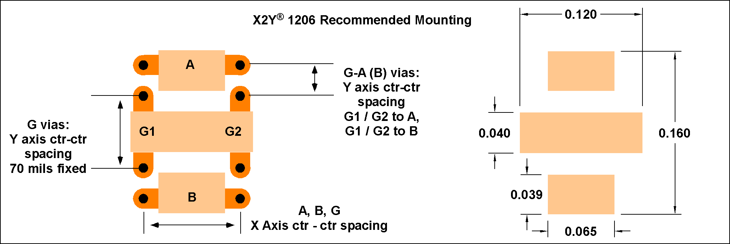
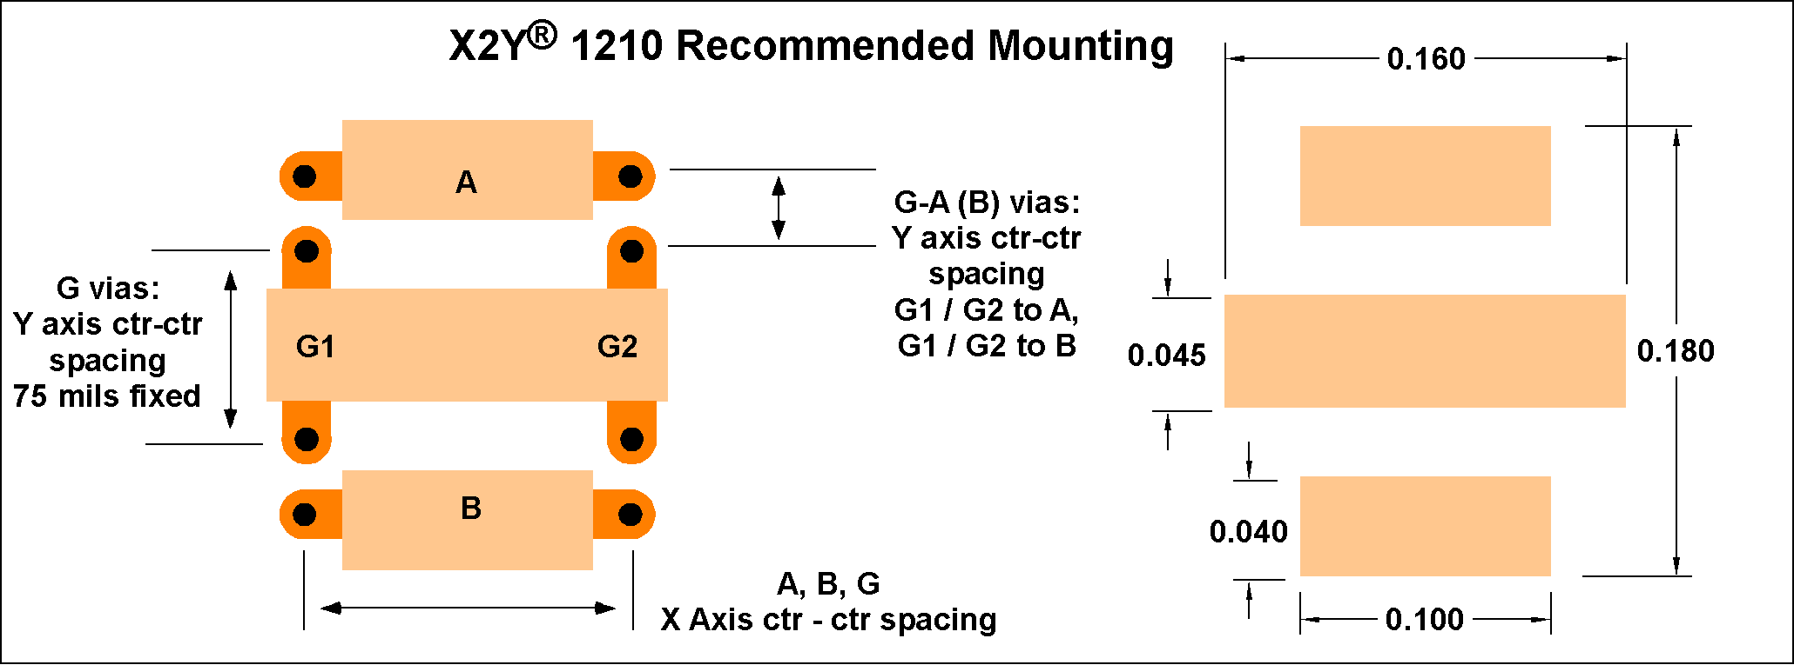
 |  |  |  |  |  | PDN Design Tool 10.0SP1
 |  |  |  |  |  |  | Cyclone® IV

X2Y Cap Mounting Inductance

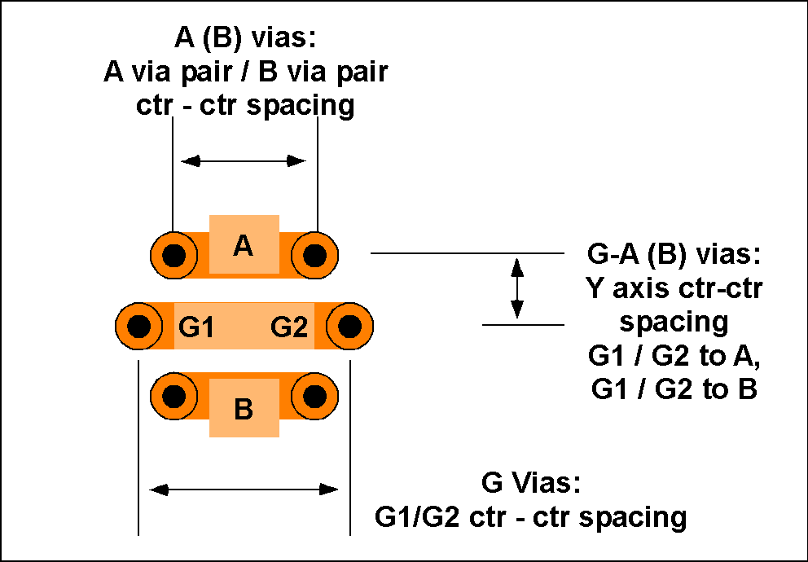
h
C1
C2
B
thk
G1
G2
A

* Refer to figures below for detailed pad layout and dimensions
* Mounting inductance values for 'h' > 13.2mils are extrapolated

X2Y CAP Mounting Inductance | Units | 0603 | 0805 | 1206 | 1210
Metal Thickness (t) | mils | 0.60 | 0.60 | 0.60 | 0.60
Height above reference plane (h) | mils | 3.60 | 3.60 | 3.60 | 3.60
Pad to Via trace width (W) | mils | 20.00 | 20.00 | 20.00 | 20.00
Via radius (half of drill size) - r | mils | 5.00 | 5.00 | 5.00 | 5.00
Center to Center Spacing (G1 - G2) Vias | mils | 90.00 | 80.00 | 120.00 | 160.00
Center to Center Spacing (A - B) Vias | mils | 60.00 | 80.00 | 120.00 | 160.00
Long Axis spacing between G1/G2 and A/B Vias | mils | 26.00 | 30.00 | 30.00 | 30.00

Top Via Length (C1) | mils | 60.0 | 60.0 | 60.0 | 60.0
Bottom via length (C2) | mils | 15.0 | 15.0 | 15.0 | 15.0
Power plane dielectric thickness (thk) | mils | 2.7 | 2.7 | 2.7 | 2.7
X2Y Cap mounting inductance - Top | nH | 0.400 | 0.334 | 0.375 | 0.428
X2Y Cap mounting inductance - Bottom | nH | 0.170 | 0.158 | 0.166 | 0.275

