AIOE by education level
Table 1: Exposure to AI by skill level of occupation, and ranked by AIOE |  |  |  |  |  |  | Figure 1: Exposure to AI by skill level of occupation

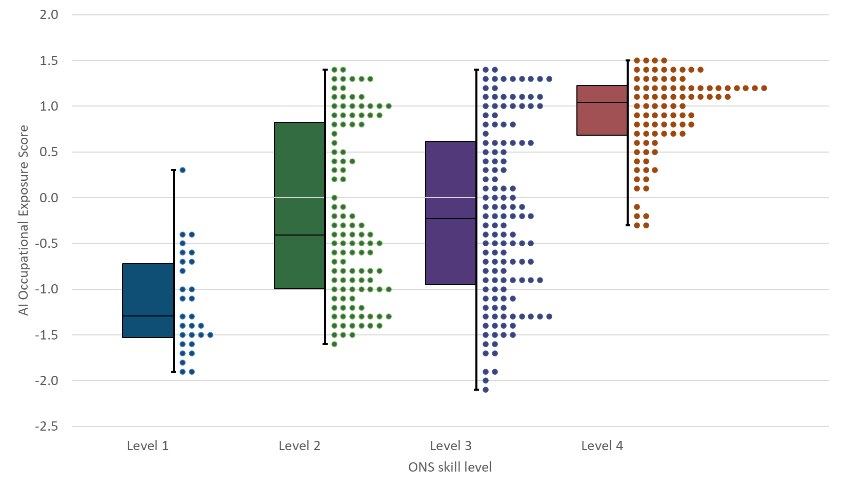
Education level | SOC | Description | All AI | LLM | Ranked AI | Ranked LLM
Level 1 | 9241 | Security guards and related occupations | 0.28 | 0.15 | 168 | 170
Level 1 | 9279 | Other elementary services occupations n.e.c. | -0.43 | -0.20 | 223 | 204
Level 1 | 9275 | Leisure and theme park attendants | -0.43 | -0.40 | 224 | 224
Level 1 | 9244 | School midday and crossing patrol occupations | -0.54 | -0.62 | 238 | 245
Level 1 | 9249 | Elementary security occupations n.e.c. | -0.59 | -0.46 | 242 | 233
Level 1 | 9273 | Waiters and waitresses | -0.65 | -0.26 | 248 | 212
Level 1 | 9260 | Elementary storage occupations | -0.67 | -0.67 | 249 | 251
Level 1 | 9242 | Parking and civil enforcement occupations | -0.72 | -0.90 | 256 | 270
Level 1 | 9219 | Elementary administration occupations n.e.c. | -0.82 | -0.80 | 267 | 261
Level 1 | 9251 | Shelf fillers | -0.98 | -0.61 | 283 | 242
Level 1 | 9272 | Kitchen and catering assistants | -1.01 | -0.77 | 291 | 258
Level 1 | 9112 | Forestry workers | -1.09 | -1.21 | 298 | 302
Level 1 | 9211 | Postal workers, mail sorters, messengers and couriers | -1.10 | -0.94 | 299 | 275
Level 1 | 9235 | Refuse and salvage occupations | -1.25 | -1.30 | 309 | 314
Level 1 | 9259 | Elementary sales occupations n.e.c. | -1.29 | -1.13 | 317 | 296
Level 1 | 9274 | Bar staff | -1.38 | -1.04 | 331 | 281
Level 1 | 9119 | Fishing and other elementary agriculture occupations n.e.c. | -1.38 | -1.35 | 332 | 324
Level 1 | 9239 | Elementary cleaning occupations n.e.c. | -1.41 | -1.47 | 335 | 344
Level 1 | 9111 | Farm workers | -1.47 | -1.43 | 341 | 339
Level 1 | 9232 | Street cleaners | -1.48 | -1.49 | 344 | 347
Level 1 | 9132 | Industrial cleaning process occupations | -1.52 | -1.51 | 345 | 351
Level 1 | 9139 | Elementary process plant occupations n.e.c. | -1.53 | -1.51 | 347 | 350
Level 1 | 9134 | Packers, bottlers, canners and fillers | -1.56 | -1.42 | 351 | 338
Level 1 | 9231 | Window cleaners | -1.65 | -1.29 | 354 | 309
Level 1 | 9234 | Launderers, dry cleaners and pressers | -1.71 | -1.59 | 355 | 355
Level 1 | 9233 | Cleaners and domestics | -1.74 | -1.23 | 358 | 305
Level 1 | 9271 | Hospital porters | -1.82 | -1.24 | 359 | 306
Level 1 | 9236 | Vehicle valeters and cleaners | -1.86 | -1.76 | 360 | 362
Level 1 | 9120 | Elementary construction occupations | -1.91 | -1.73 | 363 | 361
Level 2 | 4121 | Credit controllers | 1.39 | 1.49 | 11 | 7
Level 2 | 4138 | Human resources administrative occupations | 1.35 | 1.49 | 15 | 8
Level 2 | 4122 | Book-keepers, payroll managers and wages clerks | 1.34 | 1.18 | 18 | 52
Level 2 | 4112 | National government administrative occupations | 1.33 | 1.39 | 19 | 18
Level 2 | 7215 | Market research interviewers | 1.29 | 1.45 | 29 | 11
Level 2 | 4113 | Local government administrative occupations | 1.26 | 1.43 | 31 | 12
Level 2 | 7121 | Collector salespersons and credit agents | 1.25 | 1.42 | 33 | 15
Level 2 | 4132 | Pensions and insurance clerks and assistants | 1.23 | 1.20 | 41 | 51
Level 2 | 4211 | Medical secretaries | 1.21 | 1.29 | 48 | 34
Level 2 | 7220 | Customer service managers and supervisors | 1.13 | 1.21 | 61 | 49
Level 2 | 7113 | Telephone salespersons | 1.10 | 1.97 | 66 | 1
Level 2 | 7124 | Market and street traders and assistants | 1.09 | 1.52 | 68 | 5
Level 2 | 4214 | Company secretaries | 1.07 | 1.17 | 73 | 54
Level 2 | 4124 | Finance officers | 1.01 | 0.78 | 84 | 116
Level 2 | 4162 | Office supervisors | 1.01 | 1.11 | 85 | 64
Level 2 | 4161 | Office managers | 1.00 | 1.04 | 88 | 73
Level 2 | 4212 | Legal secretaries | 0.99 | 1.13 | 89 | 60
Level 2 | 7213 | Telephonists | 0.98 | 1.33 | 90 | 23
Level 2 | 4114 | Officers of non-governmental organisations | 0.96 | 0.87 | 93 | 102
Level 2 | 7211 | Call and contact centre occupations | 0.96 | 1.23 | 96 | 47
Level 2 | 4215 | Personal assistants and other secretaries | 0.94 | 1.08 | 97 | 68
Level 2 | 7129 | Sales related occupations n.e.c. | 0.94 | 0.94 | 98 | 90
Level 2 | 4134 | Transport and distribution clerks and assistants | 0.93 | 0.78 | 100 | 114
Level 2 | 4159 | Other administrative occupations n.e.c. | 0.90 | 0.94 | 103 | 91
Level 2 | 7214 | Communication operators | 0.87 | 0.85 | 107 | 103
Level 2 | 4213 | School secretaries | 0.86 | 1.05 | 109 | 71
Level 2 | 4123 | Bank and post office clerks | 0.85 | 0.88 | 112 | 100
Level 2 | 6212 | Travel agents | 0.83 | 0.91 | 114 | 96
Level 2 | 4129 | Financial administrative occupations n.e.c. | 0.82 | 0.74 | 115 | 119
Level 2 | 4131 | Records clerks and assistants | 0.81 | 0.71 | 119 | 123
Level 2 | 7219 | Customer service occupations n.e.c. | 0.73 | 0.85 | 127 | 104
Level 2 | 4216 | Receptionists | 0.64 | 0.77 | 135 | 117
Level 2 | 4217 | Typists and related keyboard occupations | 0.48 | 0.40 | 149 | 160
Level 2 | 8215 | Driving instructors | 0.46 | 0.78 | 152 | 113
Level 2 | 4151 | Sales administrators | 0.42 | 0.42 | 154 | 157
Level 2 | 6125 | Teaching assistants | 0.38 | 0.70 | 158 | 125
Level 2 | 6126 | Educational support assistants | 0.38 | 0.70 | 158 | 125
Level 2 | 6121 | Nursery nurses and assistants | 0.30 | 0.49 | 165 | 145
Level 2 | 6219 | Leisure and travel service occupations n.e.c. | 0.28 | 0.45 | 167 | 153
Level 2 | 8233 | Air transport operatives | 0.24 | 0.11 | 172 | 174
Level 2 | 6211 | Sports and leisure assistants | 0.17 | 0.26 | 174 | 167
Level 2 | 4135 | Library clerks and assistants | 0.03 | 0.14 | 184 | 171
Level 2 | 7115 | Vehicle and parts salespersons and advisers | -0.12 | 0.07 | 191 | 178
Level 2 | 7130 | Sales supervisors | -0.15 | 0.00 | 194 | 185
Level 2 | 7122 | Debt, rent and other cash collectors | -0.19 | -0.23 | 196 | 206
Level 2 | 6146 | Senior care workers | -0.24 | 0.12 | 204 | 172
Level 2 | 6123 | Playworkers | -0.25 | -0.06 | 205 | 191
Level 2 | 8134 | Weighers, graders and sorters | -0.26 | -0.42 | 206 | 227
Level 2 | 6144 | Houseparents and residential wardens | -0.27 | 0.07 | 207 | 177
Level 2 | 7114 | Pharmacy and other dispensing assistants | -0.27 | -0.14 | 208 | 199
Level 2 | 8124 | Energy plant operatives | -0.29 | -0.52 | 209 | 238
Level 2 | 6145 | Care workers and home carers | -0.36 | -0.09 | 216 | 194
Level 2 | 6214 | Air travel assistants | -0.36 | 0.01 | 217 | 183
Level 2 | 7112 | Retail cashiers and check-out operators | -0.37 | -0.23 | 218 | 205
Level 2 | 6147 | Care escorts | -0.40 | 0.00 | 220 | 186
Level 2 | 6232 | Caretakers | -0.41 | -0.11 | 222 | 196
Level 2 | 8133 | Routine inspectors and testers | -0.45 | -0.64 | 226 | 247
Level 2 | 7111 | Sales and retail assistants | -0.46 | -0.14 | 227 | 200
Level 2 | 6222 | Beauticians and related occupations | -0.48 | -0.45 | 230 | 232
Level 2 | 6122 | Childminders and related occupations | -0.49 | -0.25 | 231 | 208
Level 2 | 6131 | Veterinary nurses | -0.49 | -0.42 | 234 | 226
Level 2 | 4133 | Stock control clerks and assistants | -0.52 | -0.43 | 237 | 229
Level 2 | 8239 | Other drivers and transport operatives n.e.c. | -0.56 | -0.65 | 239 | 249
Level 2 | 8213 | Bus and coach drivers | -0.59 | -1.07 | 241 | 287
Level 2 | 6148 | Undertakers, mortuary and crematorium assistants | -0.60 | -0.43 | 243 | 228
Level 2 | 6143 | Dental nurses | -0.60 | -0.48 | 244 | 234
Level 2 | 6221 | Hairdressers and barbers | -0.61 | -0.36 | 245 | 223
Level 2 | 6240 | Cleaning and housekeeping managers and supervisors | -0.67 | -0.44 | 250 | 230
Level 2 | 8114 | Chemical and related process operatives | -0.70 | -0.90 | 253 | 271
Level 2 | 8231 | Train and tram drivers | -0.79 | -1.12 | 260 | 295
Level 2 | 8214 | Taxi and cab drivers and chauffeurs | -0.79 | -1.12 | 261 | 293
Level 2 | 6132 | Pest control officers | -0.79 | -0.76 | 263 | 257
Level 2 | 8126 | Water and sewerage plant operatives | -0.79 | -0.94 | 265 | 274
Level 2 | 6141 | Nursing auxiliaries and assistants | -0.80 | -0.60 | 266 | 241
Level 2 | 6215 | Rail travel assistants | -0.82 | -0.67 | 268 | 252
Level 2 | 8221 | Crane drivers | -0.89 | -1.05 | 272 | 283
Level 2 | 6142 | Ambulance staff (excluding paramedics) | -0.91 | -0.93 | 275 | 273
Level 2 | 8132 | Assemblers (vehicles and metal goods) | -0.93 | -1.00 | 277 | 279
Level 2 | 6139 | Animal care services occupations n.e.c. | -0.94 | -0.80 | 278 | 262
Level 2 | 8234 | Rail transport operatives | -0.94 | -1.08 | 279 | 289
Level 2 | 8139 | Assemblers and routine operatives n.e.c. | -0.97 | -1.11 | 282 | 291
Level 2 | 7123 | Roundspersons and van salespersons | -0.98 | -0.90 | 285 | 269
Level 2 | 8127 | Printing machine assistants | -0.99 | -1.07 | 287 | 285
Level 2 | 6231 | Housekeepers and related occupations | -1.00 | -0.63 | 288 | 246
Level 2 | 8111 | Food, drink and tobacco process operatives | -1.00 | -1.10 | 289 | 290
Level 2 | 8131 | Assemblers (electrical and electronic products) | -1.01 | -1.07 | 290 | 286
Level 2 | 8125 | Metal working machine operatives | -1.04 | -1.19 | 292 | 301
Level 2 | 8232 | Marine and waterways transport operatives | -1.06 | -1.28 | 294 | 308
Level 2 | 7125 | Merchandisers and window dressers | -1.08 | -0.76 | 296 | 256
Level 2 | 8123 | Quarry workers and related operatives | -1.09 | -1.23 | 297 | 304
Level 2 | 8116 | Plastics process operatives | -1.16 | -1.29 | 302 | 312
Level 2 | 8118 | Electroplaters | -1.20 | -1.25 | 305 | 307
Level 2 | 8223 | Agricultural machinery drivers | -1.20 | -1.29 | 306 | 311
Level 2 | 8112 | Glass and ceramics process operatives | -1.23 | -1.32 | 307 | 316
Level 2 | 8117 | Metal making and treating process operatives | -1.26 | -1.36 | 310 | 325
Level 2 | 8122 | Coal mine operatives | -1.27 | -1.40 | 312 | 333
Level 2 | 8121 | Paper and wood machine operatives | -1.28 | -1.34 | 315 | 321
Level 2 | 8129 | Plant and machine operatives n.e.c. | -1.29 | -1.36 | 316 | 327
Level 2 | 8212 | Van drivers | -1.31 | -1.40 | 319 | 334
Level 2 | 8143 | Rail construction and maintenance operatives | -1.31 | -1.53 | 321 | 352
Level 2 | 8115 | Rubber process operatives | -1.35 | -1.38 | 325 | 330
Level 2 | 8149 | Construction operatives n.e.c. | -1.36 | -1.35 | 329 | 323
Level 2 | 8229 | Mobile machine drivers and operatives n.e.c. | -1.36 | -1.60 | 330 | 356
Level 2 | 8137 | Sewing machinists | -1.38 | -1.50 | 333 | 349
Level 2 | 8211 | Large goods vehicle drivers | -1.41 | -1.55 | 336 | 354
Level 2 | 8141 | Scaffolders, stagers and riggers | -1.41 | -1.44 | 337 | 341
Level 2 | 8113 | Textile process operatives | -1.43 | -1.47 | 338 | 345
Level 2 | 8119 | Process operatives n.e.c. | -1.46 | -1.47 | 339 | 343
Level 2 | 8135 | Tyre, exhaust and windscreen fitters | -1.52 | -1.45 | 346 | 342
Level 2 | 8142 | Road construction operatives | -1.53 | -1.53 | 348 | 353
Level 2 | 8222 | Fork-lift truck drivers | -1.61 | -1.81 | 352 | 365
Level 3 | 3534 | Finance and investment analysts and advisers | 1.41 | 1.31 | 8 | 26
Level 3 | 3539 | Business and related associate professionals n.e.c. | 1.39 | 1.27 | 10 | 35
Level 3 | 3538 | Financial accounts managers | 1.34 | 1.08 | 17 | 67
Level 3 | 3543 | Marketing associate professionals | 1.31 | 1.34 | 20 | 21
Level 3 | 3532 | Brokers | 1.31 | 1.30 | 21 | 30
Level 3 | 3537 | Financial and accounting technicians | 1.30 | 1.14 | 22 | 59
Level 3 | 3533 | Insurance underwriters | 1.30 | 1.31 | 24 | 27
Level 3 | 3563 | Vocational and industrial trainers and instructors | 1.30 | 1.36 | 27 | 19
Level 3 | 3545 | Sales accounts and business development managers | 1.26 | 1.26 | 32 | 41
Level 3 | 1241 | Health care practice managers | 1.25 | 1.31 | 34 | 28
Level 3 | 3562 | Human resources and industrial relations officers | 1.23 | 1.33 | 40 | 22
Level 3 | 3535 | Taxation experts | 1.22 | 1.08 | 45 | 66
Level 3 | 3544 | Estate agents and auctioneers | 1.14 | 1.17 | 58 | 55
Level 3 | 3234 | Housing officers | 1.14 | 1.26 | 59 | 42
Level 3 | 3131 | IT operations technicians | 1.12 | 0.85 | 63 | 105
Level 3 | 1226 | Travel agency managers and proprietors | 1.12 | 1.27 | 64 | 37
Level 3 | 3412 | Authors, writers and translators | 1.10 | 1.26 | 65 | 39
Level 3 | 3542 | Business sales executives | 1.08 | 1.11 | 72 | 65
Level 3 | 3564 | Careers advisers and vocational guidance specialists | 1.05 | 1.12 | 76 | 61
Level 3 | 3235 | Counsellors | 1.05 | 1.25 | 77 | 44
Level 3 | 3541 | Buyers and procurement officers | 1.04 | 1.01 | 79 | 79
Level 3 | 1254 | Shopkeepers and proprietors – wholesale and retail | 1.04 | 0.96 | 80 | 88
Level 3 | 3239 | Welfare and housing associate professionals n.e.c. | 1.03 | 1.27 | 82 | 36
Level 3 | 3416 | Arts officers, producers and directors | 1.02 | 1.00 | 83 | 83
Level 3 | 3536 | Importers and exporters | 1.01 | 0.97 | 86 | 87
Level 3 | 3520 | Legal associate professionals | 1.00 | 1.01 | 87 | 78
Level 3 | 3531 | Estimators, valuers and assessors | 0.90 | 0.71 | 104 | 124
Level 3 | 3122 | Draughtspersons | 0.86 | 0.50 | 108 | 143
Level 3 | 3567 | Health and safety officers | 0.83 | 0.58 | 113 | 139
Level 3 | 3121 | Architectural and town planning technicians | 0.78 | 0.62 | 123 | 135
Level 3 | 3233 | Child and early years officers | 0.77 | 0.93 | 125 | 93
Level 3 | 3561 | Public services associate professionals | 0.76 | 0.67 | 126 | 128
Level 3 | 1242 | Residential, day and domiciliary care managers and proprietors | 0.72 | 0.88 | 128 | 101
Level 3 | 3511 | Air traffic controllers | 0.63 | 0.30 | 137 | 164
Level 3 | 3422 | Product, clothing and related designers | 0.61 | 0.41 | 138 | 159
Level 3 | 3319 | Protective service associate professionals n.e.c. | 0.60 | 0.48 | 139 | 148
Level 3 | 1251 | Property, housing and estate managers | 0.57 | 0.64 | 142 | 132
Level 3 | 3413 | Actors, entertainers and presenters | 0.56 | 0.80 | 143 | 110
Level 3 | 1259 | Managers and proprietors in other services n.e.c. | 0.56 | 0.48 | 144 | 147
Level 3 | 3219 | Health associate professionals n.e.c. | 0.54 | 0.57 | 146 | 141
Level 3 | 3132 | IT user support technicians | 0.51 | 0.45 | 147 | 154
Level 3 | 3415 | Musicians | 0.49 | 0.65 | 148 | 131
Level 3 | 3114 | Building and civil engineering technicians | 0.40 | 0.02 | 155 | 181
Level 3 | 3421 | Graphic designers | 0.39 | 0.11 | 157 | 173
Level 3 | 3231 | Youth and community workers | 0.37 | 0.47 | 160 | 150
Level 3 | 1225 | Leisure and sports managers | 0.33 | 0.47 | 161 | 151
Level 3 | 1221 | Hotel and accommodation managers and proprietors | 0.33 | 0.39 | 162 | 161
Level 3 | 3546 | Conference and exhibition managers and organisers | 0.30 | 0.44 | 166 | 155
Level 3 | 3119 | Science, engineering and production technicians n.e.c. | 0.22 | -0.01 | 173 | 187
Level 3 | 3116 | Planning, process and production technicians | 0.16 | -0.11 | 175 | 195
Level 3 | 3565 | Inspectors of standards and regulations | 0.13 | -0.04 | 178 | 188
Level 3 | 1211 | Managers and proprietors in agriculture and horticulture | 0.12 | 0.07 | 179 | 179
Level 3 | 3113 | Engineering technicians | 0.07 | -0.19 | 180 | 203
Level 3 | 3112 | Electrical and electronics technicians | 0.07 | -0.25 | 181 | 209
Level 3 | 1213 | Managers and proprietors in forestry, fishing and related services | 0.04 | -0.04 | 182 | 189
Level 3 | 3111 | Laboratory technicians | 0.04 | -0.16 | 183 | 201
Level 3 | 3216 | Dispensing opticians | 0.00 | -0.08 | 185 | 192
Level 3 | 3417 | Photographers, audio-visual and broadcasting equipment operators | -0.03 | -0.26 | 186 | 210
Level 3 | 3512 | Aircraft pilots and flight engineers | -0.05 | -0.44 | 187 | 231
Level 3 | 3411 | Artists | -0.08 | -0.24 | 188 | 207
Level 3 | 1253 | Hairdressing and beauty salon managers and proprietors | -0.09 | 0.10 | 189 | 175
Level 3 | 3217 | Pharmaceutical technicians | -0.10 | -0.13 | 190 | 198
Level 3 | 3442 | Sports coaches, instructors and officials | -0.15 | 0.10 | 193 | 176
Level 3 | 3115 | Quality assurance technicians | -0.17 | -0.35 | 195 | 221
Level 3 | 5421 | Pre-press technicians | -0.20 | -0.51 | 198 | 237
Level 3 | 5250 | Skilled metal, electrical and electronic trades supervisors | -0.20 | -0.19 | 199 | 202
Level 3 | 5244 | TV, video and audio engineers | -0.21 | -0.41 | 201 | 225
Level 3 | 5330 | Construction and building trades supervisors | -0.23 | -0.27 | 202 | 213
Level 3 | 1223 | Restaurant and catering establishment managers and proprietors | -0.23 | -0.04 | 203 | 190
Level 3 | 3213 | Paramedics | -0.30 | -0.29 | 210 | 215
Level 3 | 3218 | Medical and dental technicians | -0.30 | -0.30 | 211 | 217
Level 3 | 5224 | Precision instrument makers and repairers | -0.35 | -0.65 | 214 | 248
Level 3 | 5242 | Telecommunications engineers | -0.36 | -0.49 | 215 | 235
Level 3 | 5434 | Chefs | -0.38 | -0.28 | 219 | 214
Level 3 | 5443 | Florists | -0.40 | -0.35 | 221 | 222
Level 3 | 3550 | Conservation and environmental associate professionals | -0.44 | -0.51 | 225 | 236
Level 3 | 5111 | Farmers | -0.46 | -0.58 | 228 | 239
Level 3 | 5235 | Aircraft maintenance and related trades | -0.47 | -0.61 | 229 | 243
Level 3 | 5436 | Catering and bar managers | -0.49 | -0.31 | 232 | 218
Level 3 | 1224 | Publicans and managers of licensed premises | -0.49 | -0.29 | 233 | 216
Level 3 | 3443 | Fitness instructors | -0.52 | -0.08 | 235 | 193
Level 3 | 5432 | Bakers and flour confectioners | -0.52 | -0.62 | 236 | 244
Level 3 | 3513 | Ship and hovercraft officers | -0.58 | -0.88 | 240 | 267
Level 3 | 5241 | Electricians and electrical fitters | -0.62 | -0.78 | 246 | 259
Level 3 | 1252 | Garage managers and proprietors | -0.64 | -0.74 | 247 | 254
Level 3 | 5435 | Cooks | -0.70 | -0.59 | 251 | 240
Level 3 | 5225 | Air-conditioning and refrigeration engineers | -0.70 | -0.78 | 252 | 260
Level 3 | 5119 | Agricultural and fishing trades n.e.c. | -0.70 | -0.74 | 254 | 255
Level 3 | 5222 | Tool makers, tool fitters and markers-out | -0.72 | -0.93 | 255 | 272
Level 3 | 3312 | Police officers (sergeant and below) | -0.73 | -0.69 | 257 | 253
Level 3 | 5449 | Other skilled trades n.e.c. | -0.73 | -0.97 | 258 | 276
Level 3 | 5411 | Weavers and knitters | -0.75 | -1.21 | 259 | 303
Level 3 | 5423 | Print finishing and binding workers | -0.79 | -0.86 | 262 | 265
Level 3 | 5245 | IT engineers | -0.79 | -0.89 | 264 | 268
Level 3 | 5249 | Electrical and electronic trades n.e.c. | -0.86 | -0.97 | 269 | 278
Level 3 | 5414 | Tailors and dressmakers | -0.87 | -0.97 | 270 | 277
Level 3 | 5419 | Textiles, garments and related trades n.e.c. | -0.89 | -1.07 | 271 | 288
Level 3 | 3314 | Prison service officers (below principal officer) | -0.89 | -0.65 | 273 | 250
Level 3 | 5112 | Horticultural trades | -0.90 | -0.86 | 274 | 264
Level 3 | 3315 | Police community support officers | -0.91 | -0.88 | 276 | 266
Level 3 | 5422 | Printers | -0.94 | -1.06 | 280 | 284
Level 3 | 5221 | Metal machining setters and setter-operators | -0.97 | -1.12 | 281 | 292
Level 3 | 5319 | Construction and building trades n.e.c. | -0.98 | -1.05 | 284 | 282
Level 3 | 3313 | Fire service officers (watch manager and below) | -0.99 | -1.03 | 286 | 280
Level 3 | 5236 | Boat and ship builders and repairers | -1.06 | -1.12 | 293 | 294
Level 3 | 5211 | Smiths and forge workers | -1.07 | -1.17 | 295 | 298
Level 3 | 5231 | Vehicle technicians, mechanics and electricians | -1.10 | -1.14 | 300 | 297
Level 3 | 5314 | Plumbers and heating and ventilating engineers | -1.13 | -1.17 | 301 | 299
Level 3 | 5413 | Footwear and leather working trades | -1.17 | -1.18 | 303 | 300
Level 3 | 5441 | Glass and ceramics makers, decorators and finishers | -1.18 | -1.33 | 304 | 317
Level 3 | 5232 | Vehicle body builders and repairers | -1.25 | -1.34 | 308 | 320
Level 3 | 5442 | Furniture makers and other craft woodworkers | -1.26 | -1.34 | 311 | 318
Level 3 | 5237 | Rail and rolling stock builders and repairers | -1.27 | -1.39 | 313 | 332
Level 3 | 5223 | Metal working production and maintenance fitters | -1.28 | -1.31 | 314 | 315
Level 3 | 5212 | Moulders, core makers and die casters | -1.29 | -1.37 | 318 | 328
Level 3 | 5215 | Welding trades | -1.31 | -1.40 | 320 | 335
Level 3 | 5213 | Sheet metal workers | -1.32 | -1.38 | 322 | 331
Level 3 | 5114 | Groundsmen and greenkeepers | -1.33 | -1.34 | 323 | 319
Level 3 | 5412 | Upholsterers | -1.35 | -1.41 | 324 | 336
Level 3 | 5316 | Glaziers, window fabricators and fitters | -1.36 | -1.29 | 326 | 313
Level 3 | 5216 | Pipe fitters | -1.36 | -1.37 | 327 | 329
Level 3 | 5315 | Carpenters and joiners | -1.36 | -1.35 | 328 | 322
Level 3 | 5433 | Fishmongers and poultry dressers | -1.39 | -1.29 | 334 | 310
Level 3 | 3414 | Dancers and choreographers | -1.46 | -0.81 | 340 | 263
Level 3 | 5431 | Butchers | -1.47 | -1.36 | 342 | 326
Level 3 | 5234 | Vehicle paint technicians | -1.48 | -1.64 | 343 | 358
Level 3 | 5312 | Bricklayers and masons | -1.54 | -1.49 | 349 | 346
Level 3 | 5113 | Gardeners and landscape gardeners | -1.55 | -1.44 | 350 | 340
Level 3 | 5323 | Painters and decorators | -1.64 | -1.41 | 353 | 337
Level 3 | 5214 | Metal plate workers, and riveters | -1.73 | -1.66 | 356 | 359
Level 3 | 5322 | Floorers and wall tilers | -1.74 | -1.60 | 357 | 357
Level 3 | 5311 | Steel erectors | -1.86 | -1.78 | 361 | 363
Level 3 | 5321 | Plasterers | -1.88 | -1.70 | 362 | 360
Level 3 | 5313 | Roofers, roof tilers and slaters | -1.99 | -1.78 | 364 | 364
Level 3 | 3441 | Sports players | -2.06 | -1.50 | 365 | 348
Level 4 | 2423 | Management consultants and business analysts | 1.49 | 1.45 | 1 | 10
Level 4 | 1131 | Financial managers and directors | 1.46 | 1.32 | 2 | 25
Level 4 | 2421 | Chartered and certified accountants | 1.46 | 1.25 | 3 | 46
Level 4 | 2212 | Psychologists | 1.46 | 1.56 | 4 | 3
Level 4 | 1133 | Purchasing managers and directors | 1.44 | 1.33 | 5 | 24
Level 4 | 2425 | Actuaries, economists and statisticians | 1.42 | 1.27 | 6 | 38
Level 4 | 2424 | Business and financial project management professionals | 1.41 | 1.29 | 7 | 33
Level 4 | 2419 | Legal professionals n.e.c. | 1.40 | 1.50 | 9 | 6
Level 4 | 2413 | Solicitors | 1.38 | 1.59 | 12 | 2
Level 4 | 2121 | Civil engineers | 1.36 | 1.02 | 13 | 76
Level 4 | 2318 | Education advisers and school inspectors | 1.35 | 1.40 | 14 | 16
Level 4 | 2429 | Business, research and administrative professionals n.e.c. | 1.35 | 1.22 | 16 | 48
Level 4 | 1135 | Human resource managers and directors | 1.30 | 1.39 | 23 | 17
Level 4 | 1136 | Information technology and telecommunications directors | 1.30 | 1.16 | 25 | 57
Level 4 | 2134 | IT project and programme managers | 1.30 | 1.16 | 25 | 57
Level 4 | 1132 | Marketing and sales directors | 1.29 | 1.25 | 28 | 43
Level 4 | 2472 | Public relations professionals | 1.29 | 1.46 | 30 | 9
Level 4 | 1181 | Health services and public health managers and directors | 1.25 | 1.31 | 34 | 28
Level 4 | 2444 | Clergy | 1.24 | 1.42 | 36 | 13
Level 4 | 2312 | Further education teaching professionals | 1.24 | 1.54 | 37 | 4
Level 4 | 2136 | Programmers and software development professionals | 1.24 | 1.01 | 38 | 80
Level 4 | 2114 | Social and humanities scientists | 1.24 | 1.35 | 39 | 20
Level 4 | 2311 | Higher education teaching professionals | 1.22 | 1.42 | 42 | 14
Level 4 | 1134 | Advertising and public relations directors | 1.22 | 1.12 | 43 | 62
Level 4 | 2473 | Advertising accounts managers and creative directors | 1.22 | 1.12 | 43 | 62
Level 4 | 2432 | Town planning officers | 1.22 | 1.05 | 46 | 72
Level 4 | 2139 | Information technology and telecommunications professionals n.e.c. | 1.21 | 1.00 | 47 | 82
Level 4 | 2462 | Quality assurance and regulatory professionals | 1.20 | 1.16 | 49 | 56
Level 4 | 2126 | Design and development engineers | 1.18 | 0.98 | 50 | 85
Level 4 | 2412 | Barristers and judges | 1.17 | 1.25 | 51 | 45
Level 4 | 2433 | Quantity surveyors | 1.17 | 0.92 | 52 | 94
Level 4 | 2142 | Environment professionals | 1.17 | 1.03 | 53 | 75
Level 4 | 2471 | Journalists, newspaper and periodical editors | 1.16 | 1.30 | 54 | 31
Level 4 | 2319 | Teaching and other educational professionals n.e.c. | 1.14 | 1.29 | 55 | 32
Level 4 | 2317 | Senior professionals of educational establishments | 1.14 | 1.26 | 56 | 40
Level 4 | 1184 | Social services managers and directors | 1.14 | 1.21 | 57 | 50
Level 4 | 2461 | Quality control and planning engineers | 1.13 | 0.90 | 60 | 98
Level 4 | 2135 | IT business analysts, architects and systems designers | 1.13 | 0.88 | 62 | 99
Level 4 | 2426 | Business and related research professionals | 1.09 | 1.01 | 67 | 77
Level 4 | 2129 | Engineering professionals n.e.c. | 1.09 | 0.83 | 69 | 107
Level 4 | 1150 | Financial institution managers and directors | 1.08 | 1.08 | 70 | 69
Level 4 | 2113 | Physical scientists | 1.08 | 0.96 | 71 | 89
Level 4 | 2127 | Production and process engineers | 1.07 | 0.81 | 74 | 109
Level 4 | 1115 | Chief executives and senior officials | 1.06 | 1.06 | 75 | 70
Level 4 | 1162 | Managers and directors in storage and warehousing | 1.05 | 0.97 | 78 | 86
Level 4 | 2133 | IT specialist managers | 1.04 | 0.91 | 81 | 95
Level 4 | 2431 | Architects | 0.98 | 0.66 | 91 | 130
Level 4 | 1139 | Functional managers and directors n.e.c. | 0.96 | 1.01 | 92 | 81
Level 4 | 2150 | Research and development managers | 0.96 | 0.93 | 94 | 92
Level 4 | 2122 | Mechanical engineers | 0.96 | 0.66 | 95 | 129
Level 4 | 2111 | Chemical scientists | 0.93 | 0.80 | 99 | 111
Level 4 | 2449 | Welfare professionals n.e.c. | 0.93 | 1.17 | 101 | 53
Level 4 | 2223 | Speech and language therapists | 0.90 | 1.04 | 102 | 74
Level 4 | 2137 | Web design and development professionals | 0.90 | 0.63 | 105 | 133
Level 4 | 2451 | Librarians | 0.89 | 0.74 | 106 | 121
Level 4 | 2314 | Secondary education teaching professionals | 0.86 | 0.91 | 110 | 97
Level 4 | 2119 | Natural and social science professionals n.e.c. | 0.86 | 0.68 | 111 | 127
Level 4 | 1161 | Managers and directors in transport and distribution | 0.81 | 0.81 | 116 | 108
Level 4 | 2124 | Electronics engineers | 0.81 | 0.57 | 117 | 140
Level 4 | 2123 | Electrical engineers | 0.81 | 0.61 | 118 | 136
Level 4 | 2112 | Biological scientists and biochemists | 0.81 | 0.73 | 120 | 122
Level 4 | 2211 | Medical practitioners | 0.80 | 0.78 | 121 | 115
Level 4 | 2435 | Chartered architectural technologists | 0.80 | 0.31 | 122 | 163
Level 4 | 2442 | Social workers | 0.77 | 0.99 | 124 | 84
Level 4 | 2436 | Construction project managers and related professionals | 0.71 | 0.47 | 129 | 149
Level 4 | 1190 | Managers and directors in retail and wholesale | 0.71 | 0.79 | 130 | 112
Level 4 | 1121 | Production managers and directors in manufacturing | 0.68 | 0.59 | 131 | 137
Level 4 | 2463 | Environmental health professionals | 0.68 | 0.59 | 132 | 138
Level 4 | 1122 | Production managers and directors in construction | 0.66 | 0.46 | 133 | 152
Level 4 | 2315 | Primary and nursery education teaching professionals | 0.66 | 0.84 | 134 | 106
Level 4 | 2219 | Health professionals n.e.c. | 0.63 | 0.74 | 136 | 120
Level 4 | 2218 | Podiatrists | 0.57 | 0.49 | 140 | 146
Level 4 | 2316 | Special needs education teaching professionals | 0.57 | 0.77 | 141 | 118
Level 4 | 2213 | Pharmacists | 0.55 | 0.51 | 145 | 142
Level 4 | 2222 | Occupational therapists | 0.47 | 0.62 | 150 | 134
Level 4 | 2141 | Conservation professionals | 0.47 | 0.42 | 151 | 158
Level 4 | 1123 | Production managers and directors in mining and energy | 0.44 | 0.28 | 153 | 166
Level 4 | 2452 | Archivists and curators | 0.39 | 0.36 | 156 | 162
Level 4 | 2434 | Chartered surveyors | 0.33 | 0.01 | 163 | 184
Level 4 | 2229 | Therapy professionals n.e.c. | 0.31 | 0.43 | 164 | 156
Level 4 | 1173 | Senior officers in fire, ambulance, prison and related services | 0.26 | 0.28 | 169 | 165
Level 4 | 2231 | Nurses | 0.25 | 0.25 | 170 | 168
Level 4 | 2214 | Ophthalmic opticians | 0.24 | 0.02 | 171 | 180
Level 4 | 2443 | Probation officers | 0.15 | 0.50 | 176 | 144
Level 4 | 2232 | Midwives | 0.14 | 0.22 | 177 | 169
Level 4 | 2216 | Veterinarians | -0.14 | -0.12 | 192 | 197
Level 4 | 2217 | Medical radiographers | -0.19 | -0.26 | 197 | 211
Level 4 | 2215 | Dental practitioners | -0.21 | -0.34 | 200 | 220
Level 4 | 2221 | Physiotherapists | -0.31 | 0.01 | 212 | 182
Level 4 | 1172 | Senior police officers | -0.31 | -0.32 | 213 | 219

AIOE by Industry
Table 4: Exposure to AI by industry |  | Figure 2: Exposure to AI by industry

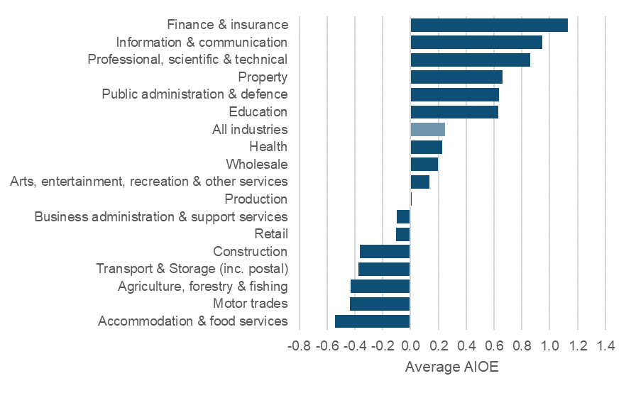
Industry | AI
Accommodation & food services | -0.5
Motor trades | -0.4
Agriculture, forestry & fishing | -0.4
Transport & Storage (inc. postal) | -0.4
Construction | -0.4
Retail | -0.1
Business administration & support services | -0.1
Production | 0.0
Arts, entertainment, recreation & other services | 0.1
Wholesale | 0.2
Health | 0.2
All industries | 0.2
Education | 0.6
Public administration & defence | 0.6
Property | 0.7
Professional, scientific & technical | 0.9
Information & communication | 0.9
Finance & insurance | 1.1

AIOE by training
Table 5: Exposure to AI by training route for early-career employees |  |  |  | Figure 3: Exposure to AI by highest level of attainment for early-career employees
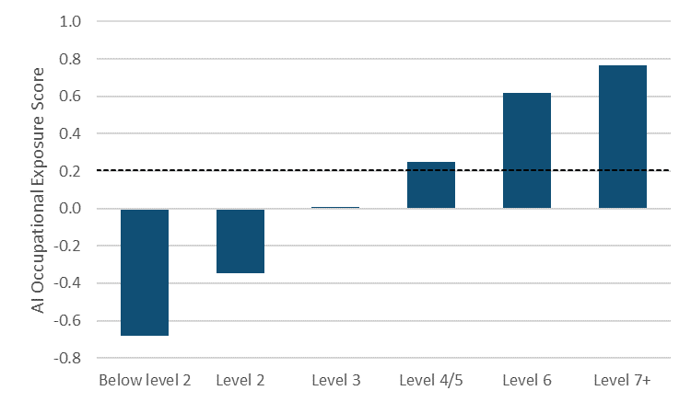
Only results where number of starts was >= 30 were included

Pathway | Level_group | SubjectT2_desc | AI
A/AS levels | Level 3 | Arts, Media and Publishing | -0.05
A/AS levels | Level 3 | Crafts, creative arts and design | 0.14
Student average
A/AS levels | Level 3 | Media and communication | 0.28
A/AS levels | Level 3 | Performing arts | 0.25
A/AS levels | Level 3 | Business management | 0.46
A/AS levels | Level 3 | Law and legal services | 0.52
A/AS levels | Level 3 | Manufacturing technologies | 0.13
A/AS levels | Level 3 | Health and social care | 0.16
A/AS levels | Level 3 | History | 0.19
A/AS levels | Level 3 | Theology and religious studies | 0.31
A/AS levels | Level 3 | ICT for users | 0.54
A/AS levels | Level 3 | ICT practitioners | 0.29
A/AS levels | Level 3 | Languages, Literature and Culture | 0.13
A/AS levels | Level 3 | Languages, literature and culture of the British isles | 0.35
A/AS levels | Level 3 | Other languages, literature and culture | 0.29
A/AS levels | Level 3 | Sport, leisure and recreation | 0.06 | Figure 4: Exposure to AI by training route for early-career employees
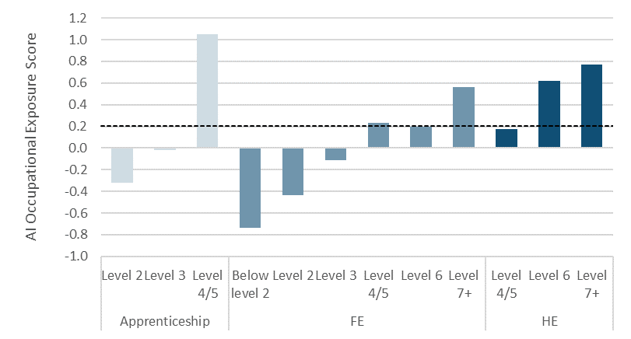
A/AS levels | Level 3 | Travel and tourism | 0.15
A/AS levels | Level 3 | Foundations for learning and life | 0.35
A/AS levels | Level 3 | Mathematics and statistics | 0.43
A/AS levels | Level 3 | Science | 0.21
A/AS levels | Level 3 | Science and Mathematics | -0.07
Student average
A/AS levels | Level 3 | Economics | 0.61
A/AS levels | Level 3 | Geography | 0.23
A/AS levels | Level 3 | Sociology and social policy | 0.24
Apprenticeship | Level 2 | Administration | 0.36
Apprenticeship | Level 2 | Business management | -0.10
Apprenticeship | Level 2 | Marketing and sales | -0.05
Apprenticeship | Level 2 | Building and construction | -0.92
Apprenticeship | Level 2 | Engineering | -0.38
Apprenticeship | Level 2 | Manufacturing technologies | -0.66
Apprenticeship | Level 2 | Transportation operations and maintenance | -0.74
Apprenticeship | Level 2 | Child development and well being | -0.15
Apprenticeship | Level 2 | Health and social care | -0.39
Apprenticeship | Level 2 | Sport, leisure and recreation | -0.28
Apprenticeship | Level 2 | Hospitality and catering | -0.44
Apprenticeship | Level 2 | Retailing and wholesaling | -0.14
Apprenticeship | Level 2 | Service enterprises | -0.17
Apprenticeship | Level 2 | Warehousing and distribution | -0.61
Apprenticeship | Level 3 | Animal care and veterinary science | -0.40
Apprenticeship | Level 3 | Accounting and finance | 1.10
Apprenticeship | Level 3 | Administration | 0.75
Apprenticeship | Level 3 | Business management | 0.30
Apprenticeship | Level 3 | Marketing and sales | 0.53
Apprenticeship | Level 3 | Building and construction | -0.80
Apprenticeship | Level 3 | Engineering | -0.49
Apprenticeship | Level 3 | Manufacturing technologies | -0.53
Apprenticeship | Level 3 | Transportation operations and maintenance | -0.73
Apprenticeship | Level 3 | Child development and well being | 0.20
Apprenticeship | Level 3 | Health and social care | -0.27
Apprenticeship | Level 3 | ICT practitioners | 0.52
Apprenticeship | Level 3 | Sport, leisure and recreation | -0.08
Apprenticeship | Level 3 | Hospitality and catering | -0.14
Apprenticeship | Level 3 | Retailing and wholesaling | 0.02
Apprenticeship | Level 3 | Service enterprises | -0.05
Apprenticeship | Level 4/5 | Accounting and finance | 1.31
FE | Below level 2 | Foundations for learning and life | -0.66
FE | Level 2 | Animal care and veterinary science | -0.28
FE | Level 2 | Crafts, creative arts and design | -0.40
FE | Level 2 | Media and communication | -0.12
FE | Level 2 | Performing arts | -0.34
FE | Level 2 | Administration | 0.06
FE | Level 2 | Business management | -0.14
FE | Level 2 | Building and construction | -0.74
FE | Level 2 | Engineering | -0.46
FE | Level 2 | Manufacturing technologies | -0.78
FE | Level 2 | Transportation operations and maintenance | -0.60
FE | Level 2 | Child development and well being | -0.24
FE | Level 2 | Health and social care | -0.31
FE | Level 2 | Public services | -0.50
FE | Level 2 | ICT for users | -0.59
FE | Level 2 | ICT practitioners | -0.14
FE | Level 2 | Sport, leisure and recreation | -0.44
FE | Level 2 | Travel and tourism | 0.02
FE | Level 2 | Foundations for learning and life | -0.55
FE | Level 2 | Preparation for work | -0.79
FE | Level 2 | Hospitality and catering | -0.52
FE | Level 2 | Service enterprises | -0.24
FE | Level 2 | Warehousing and distribution | -0.46
FE | Level 2 | Science | -0.55
FE | Level 3 | Agriculture | -0.47
FE | Level 3 | Animal care and veterinary science | -0.25
FE | Level 3 | Horticulture and forestry | -0.36
FE | Level 3 | Arts, Media and Publishing | 0.05
FE | Level 3 | Crafts, creative arts and design | -0.06
FE | Level 3 | Media and communication | -0.08
FE | Level 3 | Performing arts | -0.10
FE | Level 3 | Administration | 0.46
FE | Level 3 | Business management | 0.26
FE | Level 3 | Building and construction | -0.57
FE | Level 3 | Direct learning support | 0.20
FE | Level 3 | Engineering | -0.36
FE | Level 3 | Transportation operations and maintenance | -0.65
FE | Level 3 | Child development and well being | 0.15
FE | Level 3 | Health and social care | -0.08
FE | Level 3 | Health, Public Services and Care | 0.06
FE | Level 3 | Public services | -0.23
FE | Level 3 | ICT practitioners | 0.01
FE | Level 3 | Leisure, Travel and Tourism | -0.29
FE | Level 3 | Sport, leisure and recreation | -0.16
FE | Level 3 | Travel and tourism | 0.13
FE | Level 3 | Foundations for learning and life | -0.41
FE | Level 3 | Hospitality and catering | -0.24
FE | Level 3 | Service enterprises | -0.05
FE | Level 3 | Science | -0.10
FE | Level 4/5 | Crafts, creative arts and design | 0.08
FE | Level 4/5 | Accounting and finance | 1.22
FE | Level 4/5 | Building and construction | 0.51
FE | Level 4/5 | Engineering | -0.11
FE | Level 6 | Crafts, creative arts and design | 0.21
GCSEs | Below level 2 | Languages, literature and culture of the British isles | -0.61
GCSEs | Below level 2 | Mathematics and statistics | -0.64
GCSEs | Level 2 | Crafts, creative arts and design | -0.31
GCSEs | Level 2 | Performing arts | -0.11
GCSEs | Level 2 | Business management | -0.18
GCSEs | Level 2 | Manufacturing technologies | -0.33
GCSEs | Level 2 | Languages, literature and culture of the British isles | -0.11
GCSEs | Level 2 | Other languages, literature and culture | -0.09
GCSEs | Level 2 | Sport, leisure and recreation | -0.42
GCSEs | Level 2 | Mathematics and statistics | -0.31
GCSEs | Level 2 | Science | -0.04
HE | Level 4/5 | Crafts, creative arts and design | 0.11
HE | Level 4/5 | Performing arts | 0.17
HE | Level 4/5 | Business management | 0.54
HE | Level 4/5 | Law and legal services | 0.58
HE | Level 4/5 | Education and Training | 0.21
HE | Level 4/5 | Engineering | 0.08
HE | Level 4/5 | Nursing, and subjects and vocations allied to medicine | 0.14
HE | Level 4/5 | ICT practitioners | 0.22
HE | Level 4/5 | Leisure, Travel and Tourism | 0.10
HE | Level 4/5 | Sport, leisure and recreation | 0.11
HE | Level 4/5 | Science | 0.20
HE | Level 4/5 | Sociology and social policy | 0.05
HE | Level 6 | Animal care and veterinary science | -0.03
HE | Level 6 | Crafts, creative arts and design | 0.31
HE | Level 6 | Media and communication | 0.46
HE | Level 6 | Performing arts | 0.37
HE | Level 6 | Publishing and information services | 0.77
HE | Level 6 | Accounting and finance | 1.07
HE | Level 6 | Business management | 0.80
HE | Level 6 | Law and legal services | 0.87
HE | Level 6 | Marketing and sales | 0.76
HE | Level 6 | Architecture | 0.61
HE | Level 6 | Building and construction | 0.63
HE | Level 6 | Education and Training | 0.54
HE | Level 6 | Teaching and lecturing | 0.63
HE | Level 6 | Engineering | 0.51
HE | Level 6 | Engineering and Manufacturing Technologies | 0.17
HE | Level 6 | Manufacturing technologies | 0.70
HE | Level 6 | Health and social care | 0.58
HE | Level 6 | Medicine and dentistry | 0.58
HE | Level 6 | Nursing, and subjects and vocations allied to medicine | 0.30
HE | Level 6 | History | 0.81
HE | Level 6 | Philosophy | 0.85
HE | Level 6 | Theology and religious studies | 0.57
HE | Level 6 | ICT practitioners | 0.84
HE | Level 6 | Languages, literature and culture of the British isles | 0.66
HE | Level 6 | Linguistics | 0.76
HE | Level 6 | Other languages, literature and culture | 0.87
HE | Level 6 | Leisure, Travel and Tourism | 0.46
HE | Level 6 | Sport, leisure and recreation | 0.39
HE | Level 6 | Mathematics and statistics | 1.02
HE | Level 6 | Science | 0.58
HE | Level 6 | Anthropology | 0.75
HE | Level 6 | Economics | 1.14
HE | Level 6 | Geography | 0.77
HE | Level 6 | Politics | 0.90
HE | Level 6 | Sociology and social policy | 0.50
HE | Level 7+ | Crafts, creative arts and design | 0.35
HE | Level 7+ | Publishing and information services | 0.89
HE | Level 7+ | Business management | 0.96
HE | Level 7+ | Law and legal services | 1.04
HE | Level 7+ | Building and construction | 0.85
HE | Level 7+ | Urban, rural and regional planning | 0.96
HE | Level 7+ | Education and Training | 0.80
HE | Level 7+ | Teaching and lecturing | 0.76
HE | Level 7+ | Engineering | 0.66
HE | Level 7+ | Health and social care | 0.67
HE | Level 7+ | Medicine and dentistry | 0.65
HE | Level 7+ | Nursing, and subjects and vocations allied to medicine | 0.50
HE | Level 7+ | History | 0.80
HE | Level 7+ | ICT practitioners | 0.87
HE | Level 7+ | Languages, literature and culture of the British isles | 0.85
HE | Level 7+ | Mathematics and statistics | 1.15
HE | Level 7+ | Science | 0.77
HE | Level 7+ | Economics | 1.26
HE | Level 7+ | Politics | 0.88
HE | Level 7+ | Sociology and social policy | 0.73

AIOE by apprenticeship level
Table 6: Expected exposure to AI by apprenticeship level (using occupational maps) |  |  |  |  |  |  |  |  |  | Figure 5: Expected exposure to AI by apprenticeship level (using occupational maps)

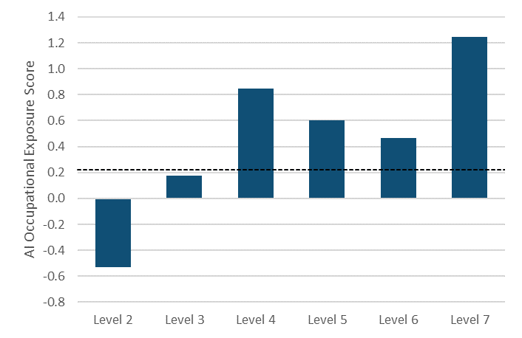
SSA T1 Description | T2 Code | SSA T2 Description | Standard framework name | SOC 2010 | SOC description | Sum of starts | AIOE | Matched starts | AIOE weighted
Health, Public Services and Care | 1.3 | Health and Social Care | Health and Social Care | z | z | 1 | z | z | z
Health, Public Services and Care | 1.5 | Child Development and Well Being | Children's Care Learning and Development | z | z | 9 | z | z | z
Agriculture, Horticulture and Animal Care | 3.3 | Animal Care and Veterinary Science | Equine Industry | z | z | 1 | z | z | z
Engineering and Manufacturing Technologies | 4.1 | Engineering | MES Plumbing | z | z | 32 | z | z | z
Engineering and Manufacturing Technologies | 4.2 | Manufacturing Technologies | Engineering | z | z | 51 | z | z | z
Apprenticeships average
Engineering and Manufacturing Technologies | 4.2 | Manufacturing Technologies | Industrial Applications | z | z | 3 | z | z | z
Engineering and Manufacturing Technologies | 4.2 | Manufacturing Technologies | Print and Printed Packaging | z | z | 2 | z | z | z
Engineering and Manufacturing Technologies | 4.3 | Transportation Operations and Maintenance | Vehicle Maintenance and Repair | z | z | 1 | z | z | z
Construction, Planning and the Built Environment | 5.2 | Building and Construction | Construction Skills | z | z | 6 | z | z | z
Information and Communication Technology | 6.1 | ICT Practitioners | IT and Telecoms Professionals | z | z | 6 | z | z | z
Retail and Commercial Enterprise | 7.2 | Warehousing and Distribution | Driving Goods Vehicles | z | z | 3 | z | z | z
Retail and Commercial Enterprise | 7.3 | Service Enterprises | Barbering | z | z | 1 | z | z | z
Retail and Commercial Enterprise | 7.3 | Service Enterprises | Facilities Management | z | z | 1 | z | z | z
Retail and Commercial Enterprise | 7.3 | Service Enterprises | Hairdressing | z | z | 1 | z | z | z
Business, Administration and Law | 15.2 | Administration | Business Administration | z | z | 7 | z | z | z
Business, Administration and Law | 15.2 | Administration | Customer Service | z | z | 1 | z | z | z
Business, Administration and Law | 15.3 | Business Management | Management | z | z | 7 | z | z | z
Health, Public Services and Care | 1.3 | Health and Social Care | Health and Social Care | z | z | 1 | z | z | z
Health, Public Services and Care | 1.4 | Public Services | Policing | z | z | 17 | z | z | z
Health, Public Services and Care | 1.5 | Child Development and Well Being | Children's Care Learning and Development | z | z | 29 | z | z | z
Agriculture, Horticulture and Animal Care | 3.2 | Horticulture and Forestry | Horticulture | z | z | 1 | z | z | z
Agriculture, Horticulture and Animal Care | 3.3 | Animal Care and Veterinary Science | Animal Care | z | z | 1 | z | z | z
Agriculture, Horticulture and Animal Care | 3.3 | Animal Care and Veterinary Science | Veterinary Nursing | z | z | 3 | z | z | z
Engineering and Manufacturing Technologies | 4.1 | Engineering | Building Services Engineering Technicians | z | z | 1 | z | z | z
Engineering and Manufacturing Technologies | 4.1 | Engineering | Electrotechnical | z | z | 2 | z | z | z
Engineering and Manufacturing Technologies | 4.1 | Engineering | MES Plumbing | z | z | 7 | z | z | z
Engineering and Manufacturing Technologies | 4.2 | Manufacturing Technologies | Engineering | z | z | 178 | z | z | z
Engineering and Manufacturing Technologies | 4.2 | Manufacturing Technologies | Print and Printed Packaging | z | z | 2 | z | z | z
Engineering and Manufacturing Technologies | 4.3 | Transportation Operations and Maintenance | Vehicle Maintenance and Repair | z | z | 1 | z | z | z
Engineering and Manufacturing Technologies | 4.3 | Transportation Operations and Maintenance | Vehicle Parts Operations | z | z | 1 | z | z | z
Construction, Planning and the Built Environment | 5.2 | Building and Construction | Construction Skills | z | z | 3 | z | z | z
Information and Communication Technology | 6.1 | ICT Practitioners | IT and Telecoms Professionals | z | z | 41 | z | z | z
Information and Communication Technology | 6.2 | ICT for Users | IT User | z | z | 5 | z | z | z
Retail and Commercial Enterprise | 7.2 | Warehousing and Distribution | Driving Goods Vehicles | z | z | 1 | z | z | z
Retail and Commercial Enterprise | 7.2 | Warehousing and Distribution | Warehousing and Storage | z | z | 1 | z | z | z
Retail and Commercial Enterprise | 7.3 | Service Enterprises | Facilities Management | z | z | 1 | z | z | z
Retail and Commercial Enterprise | 7.3 | Service Enterprises | Hairdressing | z | z | 1 | z | z | z
Business, Administration and Law | 15.2 | Administration | Business Administration | z | z | 6 | z | z | z
Business, Administration and Law | 15.2 | Administration | Customer Service | z | z | 2 | z | z | z
Business, Administration and Law | 15.3 | Business Management | Management | z | z | 1 | z | z | z
Business, Administration and Law | 15.4 | Marketing and Sales | Social Media and Digital Marketing | z | z | 1 | z | z | z
Health, Public Services and Care | 1.4 | Public Services | Intelligence Operations | z | z | 2 | z | z | z
Engineering and Manufacturing Technologies | 4.2 | Manufacturing Technologies | Engineering Technology | z | z | 5 | z | z | z
Construction, Planning and the Built Environment | 5.2 | Building and Construction | Construction Management | z | z | 2 | z | z | z
Business, Administration and Law | 15.2 | Administration | Business Administration | z | z | 30 | z | z | z
Business, Administration and Law | 15.4 | Marketing and Sales | Social Media and Digital Marketing | z | z | 1 | z | z | z
Health, Public Services and Care | 1.3 | Health and Social Care | Care Leadership and Management | z | z | 30 | z | z | z
Construction, Planning and the Built Environment | 5.2 | Building and Construction | Construction Management | z | z | 2 | z | z | z
Business, Administration and Law | 15.1 | Accounting and Finance | Accountancy or Taxation Professional | 2421 | Chartered and certified accountants | 8590 | 1.46 | 8590 | 12515.48
Business, Administration and Law | 15.1 | Accounting and Finance | Assistant Accountant | 4122 | Book-keepers, payroll managers and wages clerks | 2996 | 1.34 | 2996 | 4022.43
Business, Administration and Law | 15.1 | Accounting and Finance | Professional Accounting or Taxation Technician | 3537 | Financial and accounting technicians | 2265 | 1.30 | 2265 | 2947.89
Business, Administration and Law | 15.1 | Accounting and Finance | Actuarial Technician | 2425 | Actuaries, economists and statisticians | 20 | 1.42 | 20 | 28.38
Health, Public Services and Care | 1.3 | Health and Social Care | Adult Care Worker | 6145 | Care workers and home carers | 5544 | -0.36 | 5544 | -1995.62
Health, Public Services and Care | 1.3 | Health and Social Care | Lead Adult Care Worker | 6145 | Care workers and home carers | 7369 | -0.36 | 7369 | -2652.54
Health, Public Services and Care | 1.1 | Medicine and Dentistry | Lead Practitioner in Adult Care | 6145 | Care workers and home carers | 1319 | -0.36 | 1319 | -474.79
Health, Public Services and Care | 1.3 | Health and Social Care | Leader in Adult Care | 1242 | Residential, day and domiciliary care managers and proprietors | 2887 | 0.72 | 2887 | 2087.51
Engineering and Manufacturing Technologies | 4.1 | Engineering | Aerospace Engineer (Degree) | 2122 | Mechanical engineers | 168 | 0.96 | 168 | 160.54
Engineering and Manufacturing Technologies | 4.1 | Engineering | Aerospace Software Development Engineer (Degree) | 2136 | Programmers and software development professionals | 19 | 1.24 | 19 | 23.59
Engineering and Manufacturing Technologies | 4.1 | Engineering | Aviation Maintenance Mechanic - Military | 5235 | Aircraft maintenance and related trades | 124 | -0.47 | 124 | -57.86
Engineering and Manufacturing Technologies | 4.1 | Engineering | Survival Equipment Fitter | 3311 | NCOs and other ranks | 45 |  | 45
Agriculture, Horticulture and Animal Care | 3.3 | Animal Care and Veterinary Science | Stockperson (Beef, Pigs, Sheep, Dairy) | 5111 | Farmers | 2 | -0.46 | 2 | -0.91
Agriculture, Horticulture and Animal Care | 3.1 | Agriculture | Crop Technician | 5111 | Farmers | 66 | -0.46 | 66 | -30.16
Engineering and Manufacturing Technologies | 4.1 | Engineering | Aircraft Certifying Technician | 3113 | Engineering technicians | 17 | 0.07 | 17 | 1.12
Engineering and Manufacturing Technologies | 4.2 | Manufacturing Technologies | Control Technical Support Engineer | 3113 | Engineering technicians | 65 | 0.07 | 65 | 4.29
Engineering and Manufacturing Technologies | 4.2 | Manufacturing Technologies | Electrical or Electronic Technical Support Engineer (Degree) | 2129 | Engineering professionals n.e.c. | 107 | 1.09 | 107 | 116.32
Engineering and Manufacturing Technologies | 4.2 | Manufacturing Technologies | Manufacturing Engineer (Degree) | 3113 | Engineering technicians | 344 | 0.07 | 344 | 22.69
Engineering and Manufacturing Technologies | 4.2 | Manufacturing Technologies | Product Design and Development Engineer (Degree) | 2126 | Design and development engineers | 315 | 1.18 | 315 | 371.23
Engineering and Manufacturing Technologies | 4.2 | Manufacturing Technologies | Automotive Glazing Technician | 8135 | Tyre, exhaust and windscreen fitters | 22 | -1.52 | 22 | -33.51
Engineering and Manufacturing Technologies | 4.3 | Transportation Operations and Maintenance | Motor Vehicle Service and Maintenance Technician (Light Vehicle) | 5231 | Vehicle technicians, mechanics and electricians | 3290 | -1.10 | 3290 | -3626.00
Engineering and Manufacturing Technologies | 4.3 | Transportation Operations and Maintenance | Aviation Ground Operative | 8233 | Air transport operatives | 103 | 0.24 | 103 | 24.61
Engineering and Manufacturing Technologies | 4.3 | Transportation Operations and Maintenance | Aviation Ground Specialist | 8233 | Air transport operatives | 83 | 0.24 | 83 | 19.83
Construction, Planning and the Built Environment | 5.2 | Building and Construction | Building Services Engineering Site Management (Degree) | 1122 | Production managers and directors in construction | 3 | 0.66 | 3 | 1.99
Construction, Planning and the Built Environment | 5.2 | Building and Construction | Building Services Engineering Senior Technician | 3113 | Engineering technicians | 217 | 0.07 | 217 | 14.31
Engineering and Manufacturing Technologies | 4.1 | Engineering | Civil Engineering Site Management (Degree) | 1122 | Production managers and directors in construction | 57 | 0.66 | 57 | 37.84
Construction, Planning and the Built Environment | 5.2 | Building and Construction | Construction Design and Build Technician | 1122 | Production managers and directors in construction | 161 | 0.66 | 161 | 106.89
Construction, Planning and the Built Environment | 5.2 | Building and Construction | Design and Construction Management (Degree) | 1122 | Production managers and directors in construction | 20 | 0.66 | 20 | 13.28
Construction, Planning and the Built Environment | 5.2 | Building and Construction | Construction Quantity Surveyor (Degree) | 2433 | Quantity surveyors | 183 | 1.17 | 183 | 214.89
Construction, Planning and the Built Environment | 5.2 | Building and Construction | Civil Engineering Senior Technician | 3113 | Engineering technicians | 289 | 0.07 | 289 | 19.06
Construction, Planning and the Built Environment | 5.2 | Building and Construction | Construction Site Management (Degree) | 1122 | Production managers and directors in construction | 79 | 0.66 | 79 | 52.45
Construction, Planning and the Built Environment | 5.2 | Building and Construction | Construction Site Supervisor | 5330 | Construction and building trades supervisors | 503 | -0.23 | 503 | -114.27
Construction, Planning and the Built Environment | 5.2 | Building and Construction | Construction Quantity Surveying Technician | 3114 | Building and civil engineering technicians | 540 | 0.40 | 540 | 215.32
Construction, Planning and the Built Environment | 5.2 | Building and Construction | Highway Electrical Maintenance and Installation Operative | 5241 | Electricians and electrical fitters | 27 | -0.62 | 27 | -16.68
Construction, Planning and the Built Environment | 5.2 | Building and Construction | Highways Electrician or Service Operative | 5241 | Electricians and electrical fitters | 14 | -0.62 | 14 | -8.65
Construction, Planning and the Built Environment | 5.2 | Building and Construction | Highways Maintenance Skilled Operative | 8142 | Road construction operatives | 238 | -1.53 | 238 | -363.59
Business, Administration and Law | 15.3 | Business Management | Bid and Proposal Co-Ordinator | 3542 | Business sales executives | 46 | 1.08 | 46 | 49.50
Agriculture, Horticulture and Animal Care | 3.3 | Animal Care and Veterinary Science | Animal Technologist | 6139 | Animal care services occupations n.e.c. | 3 | -0.94 | 3 | -2.81
Engineering and Manufacturing Technologies | 4.2 | Manufacturing Technologies | Boatbuilder | 5236 | Boat and ship builders and repairers | 91 | -1.06 | 91 | -96.30
Construction, Planning and the Built Environment | 5.2 | Building and Construction | Building Services Engineering Ductwork Installer | 5314 | Plumbers and heating and ventilating engineers | 1 | -1.13 | 1 | -1.13
Construction, Planning and the Built Environment | 5.2 | Building and Construction | Building Services Engineering Service and Maintenance Engineer | 5223 | Metal working production and maintenance fitters | 158 | -1.28 | 158 | -201.46
Construction, Planning and the Built Environment | 5.2 | Building and Construction | Building Services Engineering Craftsperson | 5223 | Metal working production and maintenance fitters | 163 | -1.28 | 163 | -207.84
Engineering and Manufacturing Technologies | 4.3 | Transportation Operations and Maintenance | Building Services Engineering Technician 2022 | 3114 | Building and civil engineering technicians | 104 | 0.40 | 104 | 41.47
Construction, Planning and the Built Environment | 5.2 | Building and Construction | Building Services Engineering Ductwork Craftsperson | 5314 | Plumbers and heating and ventilating engineers | 10 | -1.13 | 10 | -11.35
Construction, Planning and the Built Environment | 5.2 | Building and Construction | Building Services Engineering Installer | 5223 | Metal working production and maintenance fitters | 85 | -1.28 | 85 | -108.38
Engineering and Manufacturing Technologies | 4.3 | Transportation Operations and Maintenance | Bus and Coach Engineering Technician | 5231 | Vehicle technicians, mechanics and electricians | 194 | -1.10 | 194 | -213.81
Engineering and Manufacturing Technologies | 4.3 | Transportation Operations and Maintenance | Heavy Vehicle Service and Maintenance Technician | 5231 | Vehicle technicians, mechanics and electricians | 976 | -1.10 | 976 | -1075.68
Business, Administration and Law | 15.2 | Administration | Business Administrator | 4159 | Other administrative occupations n.e.c. | 10354 | 0.90 | 10354 | 9340.36
Retail and Commercial Enterprise | 7.1 | Retailing and Wholesaling | Customer Service Specialist | 7219 | Customer service occupations n.e.c. | 1451 | 0.73 | 1451 | 1061.04
Business, Administration and Law | 15.2 | Administration | Customer Service Practitioner | 7219 | Customer service occupations n.e.c. | 3588 | 0.73 | 3588 | 2623.71
Business, Administration and Law | 15.2 | Administration | Payroll Administrator | 4122 | Book-keepers, payroll managers and wages clerks | 285 | 1.34 | 285 | 382.64
Retail and Commercial Enterprise | 7.4 | Hospitality and Catering | Advanced Butcher | 5431 | Butchers | 27 | -1.47 | 27 | -39.77
Retail and Commercial Enterprise | 7.4 | Hospitality and Catering | Butcher | 5431 | Butchers | 260 | -1.47 | 260 | -382.98
Health, Public Services and Care | 1.3 | Health and Social Care | Children, Young People and Families Manager | 1242 | Residential, day and domiciliary care managers and proprietors | 971 | 0.72 | 971 | 702.10
Health, Public Services and Care | 1.3 | Health and Social Care | Children, Young People and Families Practitioner | 2449 | Welfare professionals n.e.c. | 3436 | 0.93 | 3436 | 3200.53
Construction, Planning and the Built Environment | 5.2 | Building and Construction | Civil Engineering Technician | 3114 | Building and civil engineering technicians | 406 | 0.40 | 406 | 161.88
Business, Administration and Law | 15.2 | Administration | Community Energy Specialist | 3539 | Business and related associate professionals n.e.c. | 1 | 1.39 | 1 | 1.39
Leisure, Travel and Tourism | 8.1 | Sport, Leisure and Recreation | Community Sport and Health Officer | 3231 | Youth and community workers | 138 | 0.37 | 138 | 50.83
Engineering and Manufacturing Technologies | 4.2 | Manufacturing Technologies | Composites Technician | 3119 | Science, engineering and production technicians n.e.c. | 36 | 0.22 | 36 | 7.90
Construction, Planning and the Built Environment | 5.2 | Building and Construction | Bricklayer | 5312 | Bricklayers and masons | 2489 | -1.54 | 2489 | -3832.49
Construction, Planning and the Built Environment | 5.2 | Building and Construction | Plasterer | 5321 | Plasterers | 394 | -1.88 | 394 | -739.56
Business, Administration and Law | 15.5 | Law and Legal Services | Conveyancing Technician | 3520 | Legal associate professionals | 78 | 1.00 | 78 | 78.31
Business, Administration and Law | 15.5 | Law and Legal Services | Licensed Conveyancer | 3520 | Legal associate professionals | 17 | 1.00 | 17 | 17.07
Retail and Commercial Enterprise | 7.2 | Warehousing and Distribution | Express Delivery Operative | 8212 | Van drivers | 783 | -1.31 | 783 | -1026.04
Arts, Media and Publishing | 9.3 | Media and Communication | Content Creator | 3416 | Arts officers, producers and directors | 586 | 1.02 | 586 | 597.67
Arts, Media and Publishing | 9.2 | Crafts, Creative Arts and Design | Creative Venue Technician | 3417 | Photographers, audio-visual and broadcasting equipment operators | 39 | -0.03 | 39 | -1.23
Engineering and Manufacturing Technologies | 4.1 | Engineering | Systems Engineer (Degree) | 2126 | Design and development engineers | 50 | 1.18 | 50 | 58.93
Health, Public Services and Care | 1.1 | Medicine and Dentistry | Dental Technician (Integrated) | 3218 | Medical and dental technicians | 13 | -0.30 | 13 | -3.90
Health, Public Services and Care | 1.1 | Medicine and Dentistry | Dental Practice Manager | 1241 | Health care practice managers | 82 | 1.25 | 82 | 102.65
Health, Public Services and Care | 1.3 | Health and Social Care | Dental Nurse (Integrated) | 2231 | Nurses | 2857 | 0.25 | 2857 | 711.64
Information and Communication Technology | 6.1 | ICT Practitioners | IT Technical Salesperson | 3542 | Business sales executives | 430 | 1.08 | 430 | 462.72
Information and Communication Technology | 6.2 | ICT for Users | Software Developer | 2136 | Programmers and software development professionals | 808 | 1.24 | 808 | 1003.25
Information and Communication Technology | 6.1 | ICT Practitioners | Business Analyst | 2423 | Management consultants and business analysts | 1266 | 1.49 | 1266 | 1880.15
Information and Communication Technology | 6.1 | ICT Practitioners | Data Analyst | 2135 | IT business analysts, architects and systems designers | 4108 | 1.13 | 4108 | 4646.28
Information and Communication Technology | 6.1 | ICT Practitioners | Digital and Technology Solutions Professional (Integrated Degree) | 2135 | IT business analysts, architects and systems designers | 1817 | 1.13 | 1817 | 2055.09
Information and Communication Technology | 6.1 | ICT Practitioners | Digital Support Technician | 3132 | IT user support technicians | 346 | 0.51 | 346 | 178.16
Information and Communication Technology | 6.1 | ICT Practitioners | Digital Marketer | 3543 | Marketing associate professionals | 1867 | 1.31 | 1867 | 2454.67
Information and Communication Technology | 6.1 | ICT Practitioners | Cyber Security Technologist | 2139 | Information technology and telecommunications professionals n.e.c. | 7 | 1.21 | 7 | 8.47
Information and Communication Technology | 6.1 | ICT Practitioners | Infrastructure Technician | 3131 | IT operations technicians | 18 | 1.12 | 18 | 20.14
Information and Communication Technology | 6.1 | ICT Practitioners | Network Engineer | 2139 | Information technology and telecommunications professionals n.e.c. | 726 | 1.21 | 726 | 878.96
Information and Communication Technology | 6.1 | ICT Practitioners | Software Development Technician | 2136 | Programmers and software development professionals | 275 | 1.24 | 275 | 341.45
Information and Communication Technology | 6.1 | ICT Practitioners | Software Tester | 2139 | Information technology and telecommunications professionals n.e.c. | 153 | 1.21 | 153 | 185.24
Information and Communication Technology | 6.1 | ICT Practitioners | Unified Communications Technician | 3131 | IT operations technicians | 22 | 1.12 | 22 | 24.61
Health, Public Services and Care | 1.5 | Child Development and Well Being | Early Years Educator | 6121 | Nursery nurses and assistants | 11458 | 0.30 | 11458 | 3427.90
Engineering and Manufacturing Technologies | 4.2 | Manufacturing Technologies | Mineral Processing Mobile and Static Plant Operator | 8229 | Mobile machine drivers and operatives n.e.c. | 22 | -1.36 | 22 | -30.00
Education and Training | 13.1 | Teaching and Lecturing | Assessor Coach | 2319 | Teaching and other educational professionals n.e.c. | 235 | 1.14 | 235 | 268.73
Education and Training | 13.1 | Teaching and Lecturing | Learning Mentor | 6125 | Teaching assistants | 289 | 0.38 | 289 | 110.49
Education and Training | 13.1 | Teaching and Lecturing | Learning and Skills Teacher | 3563 | Vocational and industrial trainers and instructors | 559 | 1.30 | 559 | 725.47
Engineering and Manufacturing Technologies | 4.1 | Engineering | Electrical, Electronic Product Service and Installation Engineer | 5241 | Electricians and electrical fitters | 11 | -0.62 | 11 | -6.80
Engineering and Manufacturing Technologies | 4.2 | Manufacturing Technologies | Embedded Electronic Systems Design and Development Engineer (Degree) | 2124 | Electronics engineers | 102 | 0.81 | 102 | 82.76
Engineering and Manufacturing Technologies | 4.1 | Engineering | Installation Electrician and Maintenance Electrician | 5241 | Electricians and electrical fitters | 6838 | -0.62 | 6838 | -4224.43
Construction, Planning and the Built Environment | 5.2 | Building and Construction | Maintenance and Operations Engineering Technician | 3113 | Engineering technicians | 1741 | 0.07 | 1741 | 114.85
Engineering and Manufacturing Technologies | 4.1 | Engineering | Gas Engineering Operative | 5314 | Plumbers and heating and ventilating engineers | 740 | -1.13 | 740 | -839.83
Engineering and Manufacturing Technologies | 4.1 | Engineering | Power Network Craftsperson | 5249 | Electrical and electronic trades n.e.c. | 246 | -0.86 | 246 | -211.94
Engineering and Manufacturing Technologies | 4.1 | Engineering | Electrical Power Protection and Plant Commissioning Engineer | 2123 | Electrical engineers | 11 | 0.81 | 11 | 8.92
Engineering and Manufacturing Technologies | 4.1 | Engineering | Dual Fuel Smart Meter Installer | 5314 | Plumbers and heating and ventilating engineers | 160 | -1.13 | 160 | -181.59
Engineering and Manufacturing Technologies | 4.1 | Engineering | Utilities Engineering Technician | 3113 | Engineering technicians | 32 | 0.07 | 32 | 2.11
Engineering and Manufacturing Technologies | 4.1 | Engineering | Water Process Technician | 8126 | Water and sewerage plant operatives | 89 | -0.79 | 89 | -70.62
Retail and Commercial Enterprise | 7.3 | Service Enterprises | Junior Energy Manager | 2142 | Environment professionals | 54 | 1.17 | 54 | 63.02
Engineering and Manufacturing Technologies | 4.1 | Engineering | Engineering Construction Pipefitter | 5216 | Pipe fitters | 72 | -1.36 | 72 | -97.89
Engineering and Manufacturing Technologies | 4.1 | Engineering | Project Controls Technician | 3116 | Planning, process and production technicians | 62 | 0.16 | 62 | 9.71
Engineering and Manufacturing Technologies | 4.1 | Engineering | Engineering Design and Draughtsperson | 3122 | Draughtspersons | 194 | 0.86 | 194 | 167.63
Agriculture, Horticulture and Animal Care | 3.3 | Animal Care and Veterinary Science | Equine Groom | 6139 | Animal care services occupations n.e.c. | 530 | -0.94 | 530 | -496.53
Agriculture, Horticulture and Animal Care | 3.3 | Animal Care and Veterinary Science | Senior Equine Groom | 6139 | Animal care services occupations n.e.c. | 202 | -0.94 | 202 | -189.24
Arts, Media and Publishing | 9.2 | Crafts, Creative Arts and Design | Event Assistant | 3546 | Conference and exhibition managers and organisers | 66 | 0.30 | 66 | 19.68
Retail and Commercial Enterprise | 7.3 | Service Enterprises | Facilities Management Supervisor | 4162 | Office supervisors | 239 | 1.01 | 239 | 242.00
Construction, Planning and the Built Environment | 5.2 | Building and Construction | Property Maintenance Operative | 8149 | Construction operatives n.e.c. | 758 | -1.36 | 758 | -1031.01
Agriculture, Horticulture and Animal Care | 3.3 | Animal Care and Veterinary Science | Farrier | 5211 | Smiths and forge workers | 41 | -1.07 | 41 | -44.06
Business, Administration and Law | 15.1 | Accounting and Finance | Advanced Credit Controller and Debt Collection Specialist | 4121 | Credit controllers | 41 | 1.39 | 41 | 56.84
Business, Administration and Law | 15.1 | Accounting and Finance | Credit Controller and Collector | 7122 | Debt, rent and other cash collectors | 42 | -0.19 | 42 | -8.03
Business, Administration and Law | 15.1 | Accounting and Finance | Financial Services Administrator | 3538 | Financial accounts managers | 223 | 1.34 | 223 | 299.40
Business, Administration and Law | 15.1 | Accounting and Finance | Financial Services Customer Adviser | 4123 | Bank and post office clerks | 137 | 0.85 | 137 | 116.03
Business, Administration and Law | 15.1 | Accounting and Finance | Investment Operations Administrator | 4124 | Finance officers | 13 | 1.01 | 13 | 13.19
Business, Administration and Law | 15.1 | Accounting and Finance | Investment Operations Specialist | 3534 | Finance and investment analysts and advisers | 222 | 1.41 | 222 | 312.59
Business, Administration and Law | 15.1 | Accounting and Finance | Investment Operations Technician | 3532 | Brokers | 42 | 1.31 | 42 | 55.17
Business, Administration and Law | 15.1 | Accounting and Finance | Mortgage Adviser | 3534 | Finance and investment analysts and advisers | 81 | 1.41 | 81 | 114.05
Business, Administration and Law | 15.1 | Accounting and Finance | Paraplanner | 3534 | Finance and investment analysts and advisers | 27 | 1.41 | 27 | 38.02
Business, Administration and Law | 15.1 | Accounting and Finance | Senior Financial Services Customer Adviser | 3534 | Finance and investment analysts and advisers | 410 | 1.41 | 410 | 577.31
Business, Administration and Law | 15.1 | Accounting and Finance | Workplace Pensions (Administrator or Consultant) | 4132 | Pensions and insurance clerks and assistants | 87 | 1.23 | 87 | 106.97
Health, Public Services and Care | 1.4 | Public Services | Business Fire Safety Advisor | 3567 | Health and safety officers | 3 | 0.83 | 3 | 2.49
Engineering and Manufacturing Technologies | 4.1 | Engineering | Fire Emergency and Security Systems Technician | 5249 | Electrical and electronic trades n.e.c. | 484 | -0.86 | 484 | -416.99
Engineering and Manufacturing Technologies | 4.2 | Manufacturing Technologies | Baker | 5432 | Bakers and flour confectioners | 70 | -0.52 | 70 | -36.37
Engineering and Manufacturing Technologies | 4.1 | Engineering | Improvement Practitioner | 2423 | Management consultants and business analysts | 727 | 1.49 | 727 | 1079.68
Engineering and Manufacturing Technologies | 4.1 | Engineering | Improvement Technician | 2423 | Management consultants and business analysts | 303 | 1.49 | 303 | 449.99
Engineering and Manufacturing Technologies | 4.2 | Manufacturing Technologies | Fishmonger | 5433 | Fishmongers and poultry dressers | 29 | -1.39 | 29 | -40.29
Engineering and Manufacturing Technologies | 4.1 | Engineering | Food and Drink Maintenance Engineer | 5223 | Metal working production and maintenance fitters | 240 | -1.28 | 240 | -306.02
Retail and Commercial Enterprise | 7.4 | Hospitality and Catering | Food and Drink Technical Operator | 8111 | Food, drink and tobacco process operatives | 96 | -1.00 | 96 | -96.27
Science and Mathematics | 2.1 | Science | Food Industry Technical Professional (Integrated Degree) | 2129 | Engineering professionals n.e.c. | 54 | 1.09 | 54 | 58.70
Retail and Commercial Enterprise | 7.4 | Hospitality and Catering | Food Technologist | 2129 | Engineering professionals n.e.c. | 66 | 1.09 | 66 | 71.75
Retail and Commercial Enterprise | 7.4 | Hospitality and Catering | Food and Drink Process Operator | 8111 | Food, drink and tobacco process operatives | 43 | -1.00 | 43 | -43.12
Retail and Commercial Enterprise | 7.2 | Warehousing and Distribution | Supply Chain Practitioner (Fast Moving Consumer Good) (Previously Operator Manager) | 4133 | Stock control clerks and assistants | 216 | -0.52 | 216 | -112.78
Engineering and Manufacturing Technologies | 4.2 | Manufacturing Technologies | Footwear Manufacturer | 5413 | Footwear and leather working trades | 8 | -1.17 | 8 | -9.38
Engineering and Manufacturing Technologies | 4.2 | Manufacturing Technologies | Furniture Manufacturer | 5442 | Furniture makers and other craft woodworkers | 360 | -1.26 | 360 | -453.55
Engineering and Manufacturing Technologies | 4.1 | Engineering | Gas Network Operative | 8114 | Chemical and related process operatives | 59 | -0.70 | 59 | -41.45
Engineering and Manufacturing Technologies | 4.1 | Engineering | Gas Network Craftsperson | 2121 | Civil engineers | 70 | 1.36 | 70 | 95.04
...

ISCO Aug_Auto
 |  |  |  |  | Figure 6: Occupations identified as ‘high augmentation’ or ‘high automation’ by ILO

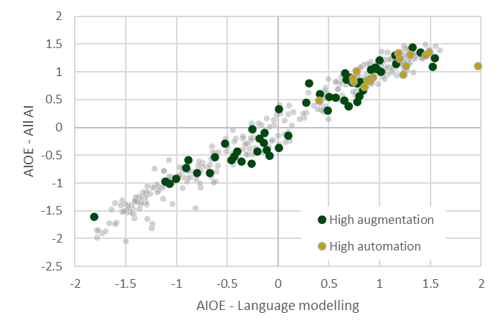
All AI | LLM | Augmentation | Automation | Neither
1.10 | 1.97 | z | 1.10 | z
1.38 | 1.59 | z | z | 1.38
1.46 | 1.56 | z | z | 1.46
1.24 | 1.54 | 1.24 | z | z
1.09 | 1.52 | 1.09 | z | z
1.40 | 1.50 | z | z | 1.40
1.39 | 1.49 | z | z | 1.39
1.35 | 1.49 | z | 1.35 | z
1.29 | 1.46 | z | z | 1.29
1.49 | 1.45 | z | z | 1.49
1.29 | 1.45 | z | 1.29 | z
1.26 | 1.43 | z | z | 1.26
1.24 | 1.42 | z | z | 1.24
1.22 | 1.42 | z | z | 1.22
1.25 | 1.42 | z | z | 1.25
1.35 | 1.40 | 1.35 | z | z
1.30 | 1.39 | z | z | 1.30
1.33 | 1.39 | z | z | 1.33
1.30 | 1.36 | z | z | 1.30
1.24 | 1.35 | z | z | 1.24
1.31 | 1.34 | z | z | 1.31
1.23 | 1.33 | z | z | 1.23
0.98 | 1.33 | z | z | 0.98
1.44 | 1.33 | 1.44 | z | z
1.46 | 1.32 | z | z | 1.46
1.41 | 1.31 | z | z | 1.41
1.30 | 1.31 | z | z | 1.30
1.25 | 1.31 | z | z | 1.25
1.25 | 1.31 | z | z | 1.25
...

Pew Research
 |  |  | Figure 7: High importance occupations highlighted against AIOE scores for AI and large language modelling

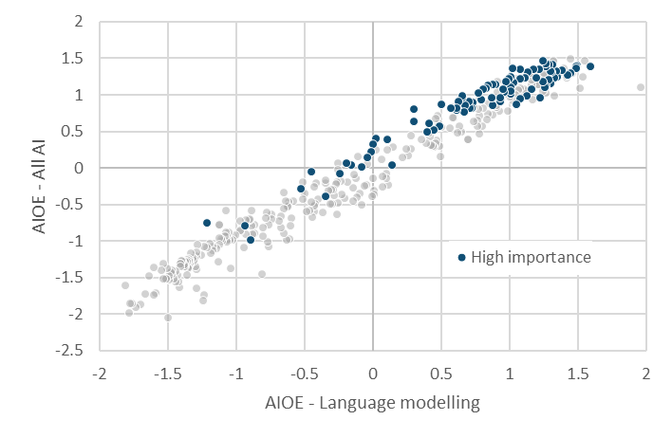

Importance | All AI | LLM
Medium | 1.10 | 1.97
High | 1.38 | 1.59
Medium | 1.46 | 1.56
Medium | 1.24 | 1.54
Medium | 1.09 | 1.52
High | 1.40 | 1.50
High | 1.39 | 1.49
High | 1.35 | 1.49
Medium | 1.29 | 1.46
Medium | 1.49 | 1.45
High | 1.29 | 1.45
High | 1.26 | 1.43
Medium | 1.24 | 1.42
Medium | 1.22 | 1.42
Medium | 1.25 | 1.42
Medium | 1.35 | 1.40
Medium | 1.30 | 1.39
High | 1.33 | 1.39
Medium | 1.30 | 1.36
Medium | 1.24 | 1.35
Medium | 1.31 | 1.34
High | 1.23 | 1.33 | Figure 8: Low importance occupations highlighted against AIOE scores for AI and large language modelling
High | 0.98 | 1.33
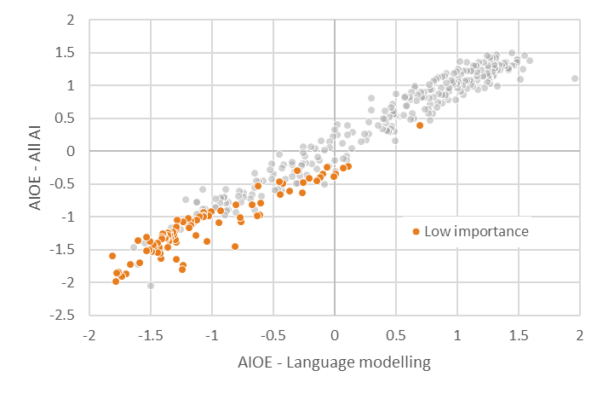
Medium | 1.44 | 1.33
Medium | 1.46 | 1.32
High | 1.41 | 1.31
Medium | 1.30 | 1.31
 | 1.25 | 1.31
 | 1.25 | 1.31
 | 1.31 | 1.30
 | 1.16 | 1.30
 | 1.14 | 1.29
 | 1.41 | 1.29
 | 1.21 | 1.29
 | 1.39 | 1.27
 | 1.03 | 1.27
 | 1.12 | 1.27
 | 1.42 | 1.27
 | 1.10 | 1.26
 | 1.14 | 1.26
 | 1.26 | 1.26
 | 1.14 | 1.26
 | 1.29 | 1.25
 | 1.05 | 1.25
 | 1.17 | 1.25
 | 1.46 | 1.25
 | 0.96 | 1.23
 | 1.35 | 1.22
 | 1.13 | 1.21
 | 1.14 | 1.21
 | 1.23 | 1.20
 | 1.34 | 1.18
 | 0.93 | 1.17
 | 1.07 | 1.17
...

LLM by Industry
Table 9: Exposure to LLM by industry |  | Figure 9: Exposure to LLM by industry

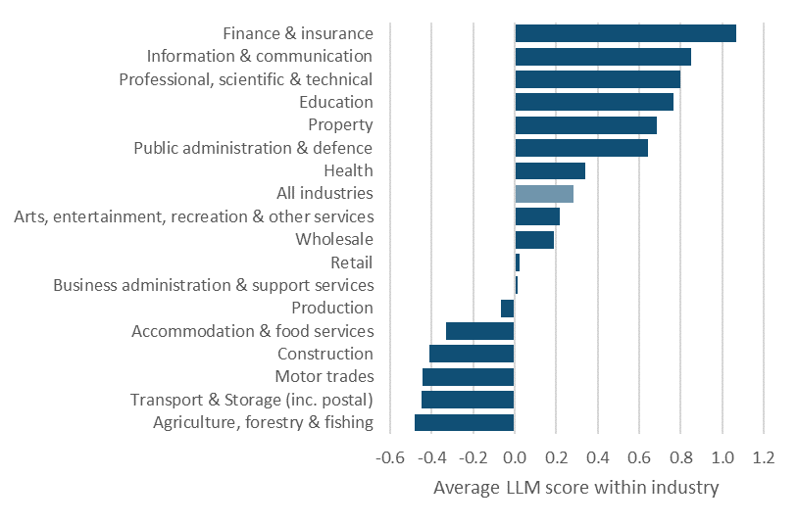
Industry | LLM
Agriculture, forestry & fishing | -0.5
Transport & Storage (inc. postal) | -0.4
Motor trades | -0.4
Construction | -0.4
Accommodation & food services | -0.3
Production | -0.1
Business administration & support services | 0.0
Retail | 0.0
Wholesale | 0.2
Arts, entertainment, recreation & other services | 0.2
All industries | 0.3
Health | 0.3
Public administration & defence | 0.6
Property | 0.7
Education | 0.8
Professional, scientific & technical | 0.8
Information & communication | 0.8
Finance & insurance | 1.1

LLM by attainment
...
Level | LLM | Average
Below level 2 | -0.6 | 0.27
Level 2 | -0.2 | 0.27
Level 3 | 0.1 | 0.27
Level 4/5 | 0.3 | 0.27
Level 6 | 0.7 | 0.27
Level 7+ | 0.8 | 0.27

Figure 10: Exposure to LLM by highest level of attainment for early-career employees
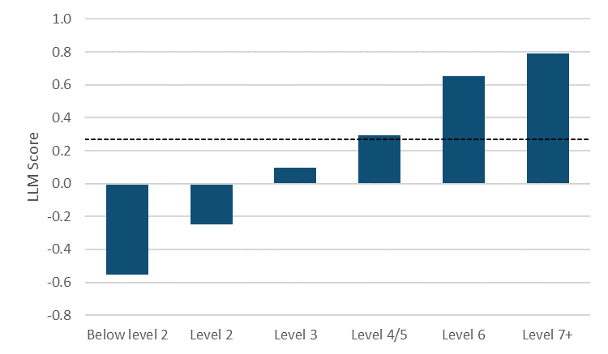

Student average

LLM by training
 |  | Figure 11: Exposure to LLM by training route for early-career employees

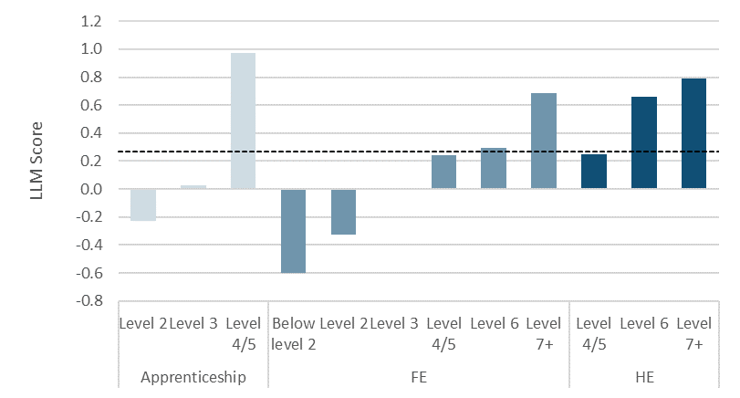
LLM | Average
-0.5 | 0.271
-0.1 | 0.271
0.3 | 0.271
-0.2 | 0.271
Student average
0.0 | 0.271
1.0 | 0.271
-0.6 | 0.271
-0.3 | 0.271
0.0 | 0.271
0.2 | 0.271
0.3 | 0.271
0.7 | 0.271
0.2 | 0.271
0.7 | 0.271
0.8 | 0.271

