Sensor
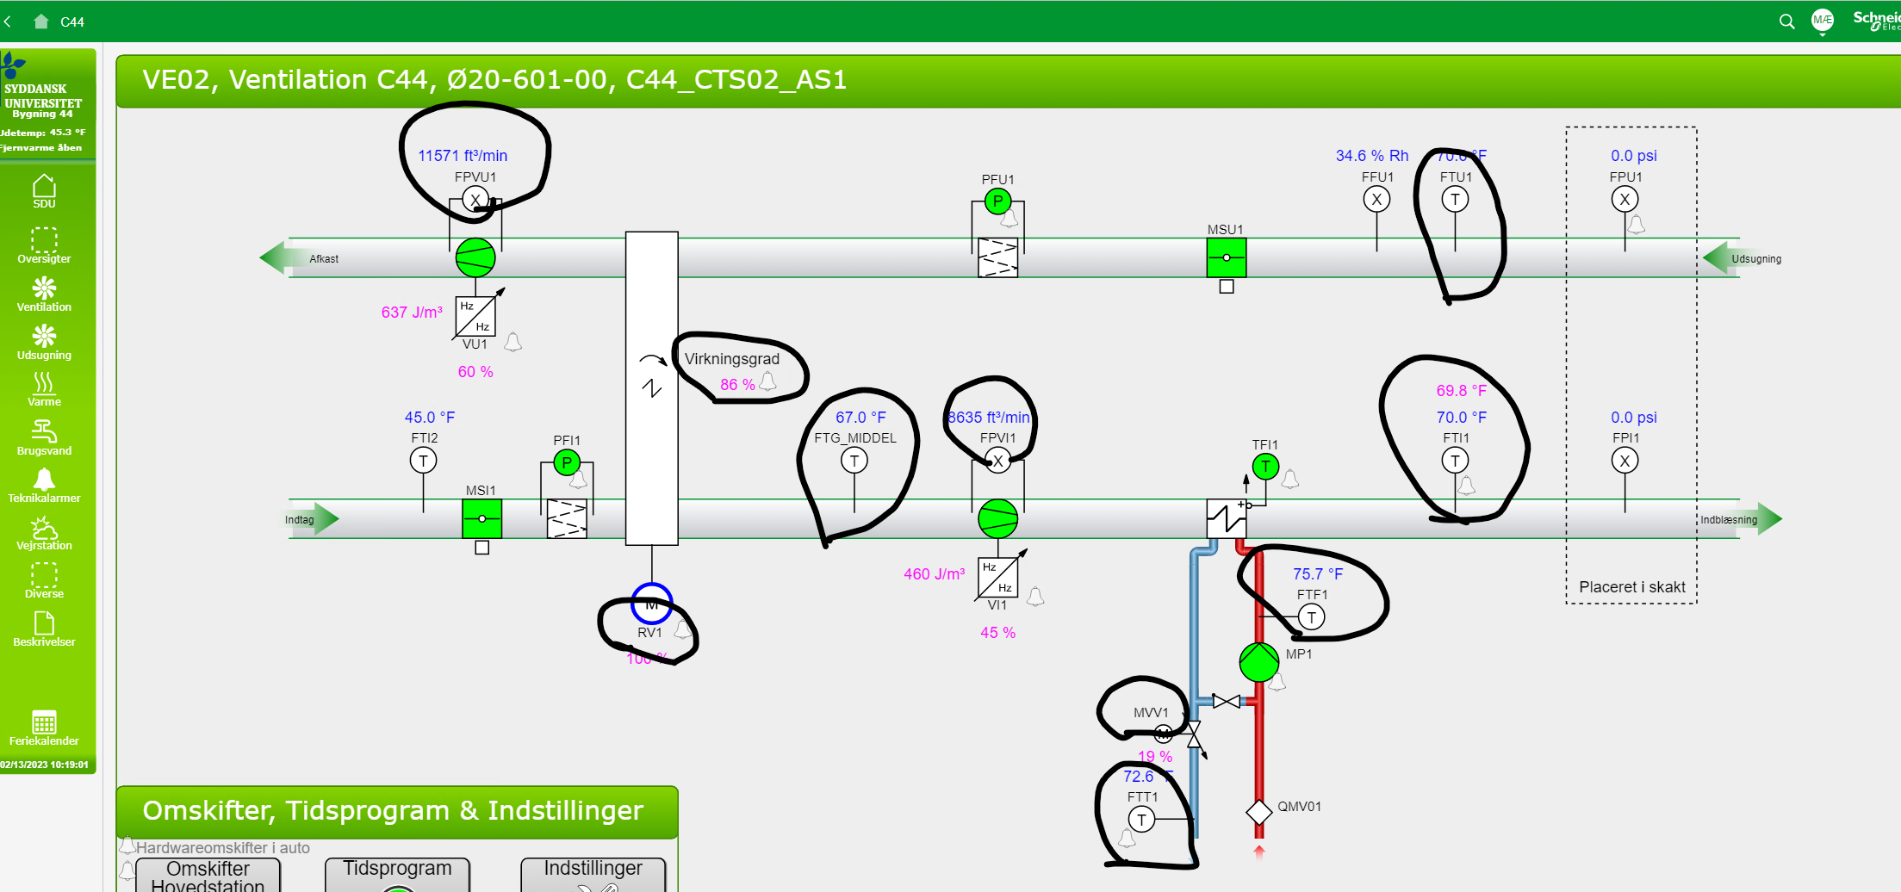
id | measuresProperty | isContainedIn | subSystemOf | connectedTo
Space temperature sensor | Ø20-601b-2 temperature property | Space
Valve position sensor | Ø20-601b-2 radiator valve position property | Space
Damper position sensor | Ø20-601b-2 damper position property | Space
Space CO2 sensor | Ø20-601b-2 CO2 property | Space

