Sensor
id | measuresProperty | isContainedIn | subSystemOf | connectedTo
Indoor temperature sensor | Ø20-601b-2 temperature property | Space
Indoor CO2 sensor | Ø20-601b-2 CO2 property | Space
Valve position sensor | Ø20-601b-2 radiator valve position property | Space
Damper position sensor | Ø20-601b-2 damper position property | Space
Shading position sensor | Ø20-601b-2 shading position property | Space
VE02 Primary Airflow Temperature BHR sensor | VE02 Primary Airflow Temperature BHR property |  | Ventilation1 | Outdoor environment;Air to air heat recovery
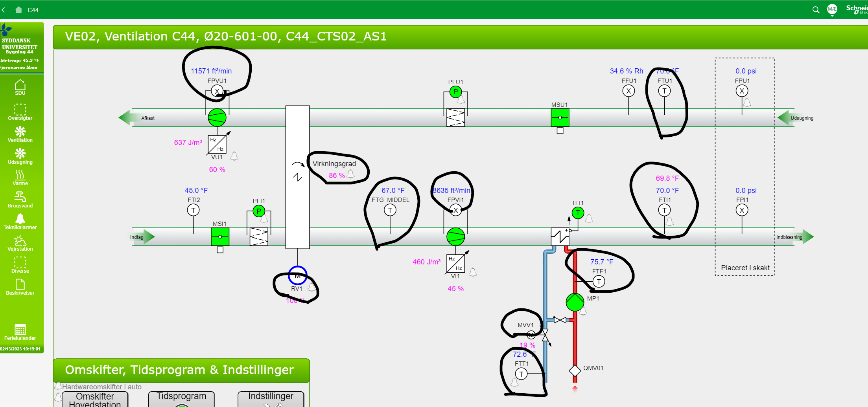
VE02 Primary Airflow Temperature AHR sensor | VE02 Primary Airflow Temperature AHR property |  | Ventilation1 | Air to air heat recovery;Supply fan
VE02 Primary Airflow Temperature AHC sensor | VE02 Primary Airflow Temperature AHC property |  | Ventilation1 | Heating coil;Supply damper
VE02 Secondary Airflow Temperature BHR sensor | VE02 Secondary Airflow Temperature BHR property |  | Ventilation1 | Air to air heat recovery;Exhaust damper

