Sensor
id | measuresProperty | isContainedIn | subSystemOf | connectedTo
Space temperature sensor | Ø20-601b-2 temperature property | Space
Heat recovery temperature sensor | HR primary temperature out property |  | Ventilation1 | Air to air heat recovery;Heating coil
Heating coil temperature sensor | HC temperature out property |  | Ventilation1 | Heating coil;Supply damper
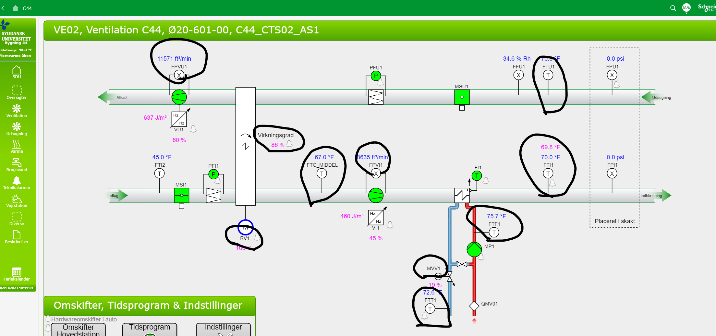
Valve position sensor | Ø20-601b-2 radiator valve position property | Space
Damper position sensor | Ø20-601b-2 damper position property | Space

