Sensor
id | measuresProperty | isContainedIn | subSystemOf | connectedTo
Indoor temperature sensor | Ø20-601b-2 temperature property | Space
HR primary temperature out sensor | HR primary temperature out property |  | Ventilation1 | Air to air heat recovery;Heating coil
HC temperature out sensor | HC temperature out property |  | Ventilation1 | Heating coil;Supply damper
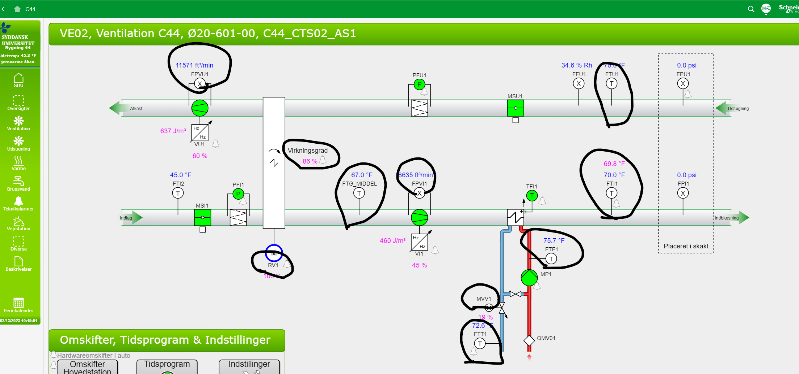
Valve position sensor | Ø20-601b-2 radiator valve position property | Space
Damper position sensor | Ø20-601b-2 damper position property | Space

