Sensor
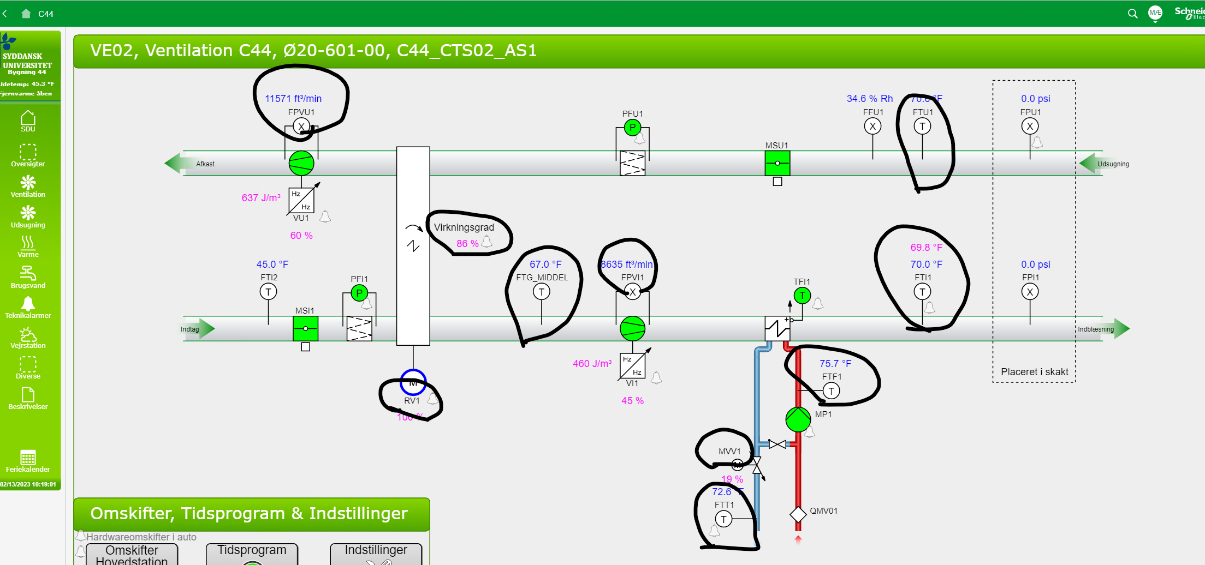
id | measuresProperty | isContainedIn | subSystemOf | connectedTo
CO2 sensor | Ø20-601b-2 CO2 property | Space
CO2 sensor 2 | testspace CO2 property | testspace
CO2 sensor 3 | testspace123 CO2 property | testspace123

