Sensor
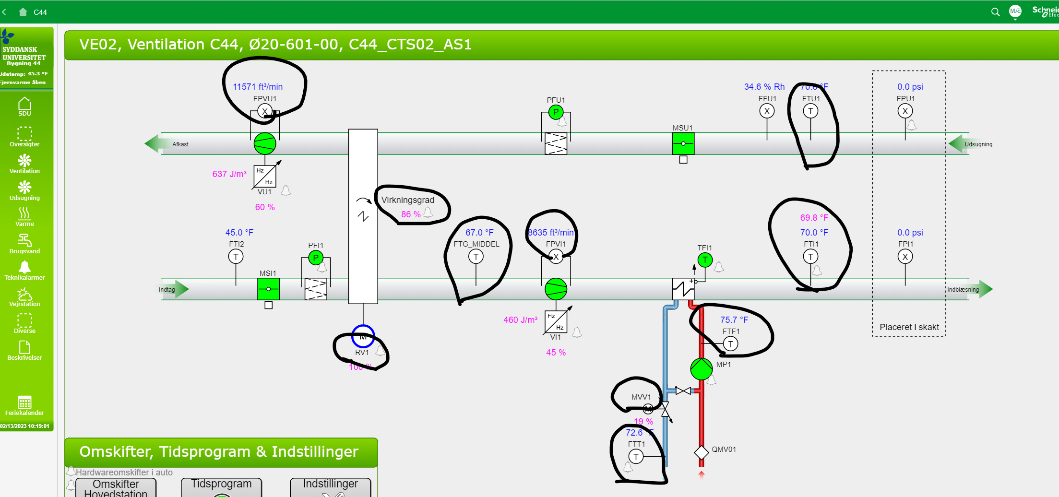
id | measuresProperty | isContainedIn | subSystemOf | connectedTo
OE20-601b-2| temperature sensor | Ø20-601b-2 temperature property | OE20-601b-2
OE20-601b-2| Valve position sensor | Ø20-601b-2 radiator valve position property | OE20-601b-2
OE20-601b-2| Damper position sensor | Ø20-601b-2 damper position property | OE20-601b-2
OE20-601b-2| CO2 sensor | Ø20-601b-2 CO2 property | OE20-601b-2

