TOC
SYNESTHESIA
HIGH LEVEL SYSTEM FUNCTIONAL SPECIFICATION

MP3 Anatomy
MP3 File Structure:
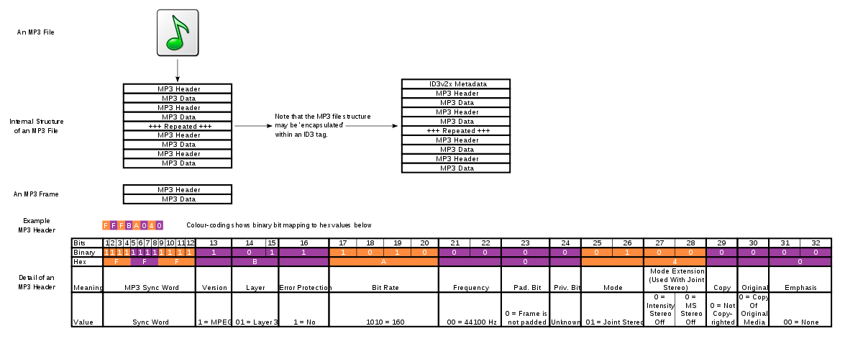

MP3 Frame Structure :
 | Header |  | Checksum |  | Audio Data

Sync
MP3 Frame Header:
 |  | 1 | 1 | 1 | 1 | ID | 1 -> MPEG v. 1
 |  | 1 | 1 | 1 | 1 | Layer | 00 | Reserved
 |  | 1 | 1 | 1 | 1 / IDex |  | 01 | Layer III
 | 32b | ID | Layer |  | Prot. Bit |  | 10 | Layer II
 |  | Bitrate |  |  |  |  | 11 | Layer I
 |  | Frequency |  | Pad Bit | Priv. Bit | Prot. Bit | 1 -> 16b CRC follows header
 |  | Mode |  | Mode Extension
 |  | Copy | Home | Emphasis |  | Bitrate (kbps) | 0 | free
 |  | 16b CRC |  |  |  |  | 1 | 32
 |  |  |  |  |  |  | 2 | 40
 |  |  |  |  |  |  | 3 | 48
 |  |  |  |  |  |  | 4 | 56
 |  |  |  |  |  |  | 5 | 64
 |  |  |  |  |  |  | 6 | 80
 |  |  |  |  |  |  | 7 | 96
 |  |  |  |  |  |  | 8 | 112
 |  |  |  |  |  |  | 9 | 128
 |  |  |  |  |  |  | 10 | 160
 |  |  |  |  |  |  | 11 | 192
 |  |  |  |  |  |  | 12 | 224
 |  |  |  |  |  |  | 13 | 256
Frame Size Calculation: |  |  |  |  |  |  | 14 | 320
MPEG Layer III frames always contain 1152 samples |  |  |  |  |  |  | 15 | bad
Size of each frame = (144 * bitrate) / (samplerate + padding) [in bytes] + Header size (4Bytes) |  |  |  |  |  | Sampling Frequency (kHz) | 00 | 44.1
 |  |  |  |  |  |  | 01 | 48
 |  |  |  |  |  |  | 10 | 32
 |  |  |  |  |  |  | 11 | Reserved
 |  |  |  |  |  | Padding Bit. | 1 -> One extra byte has been added at end of frame to meet sampling rate

 |  |  |  |  |  | Private Bit | NA
 |  |  |  |  |  | Channel Mode | 00 | Stereo
 |  |  |  |  |  |  | 01 | Joint Stereo
 |  |  |  |  |  |  | 10 | Dual
 |  |  |  |  |  |  | 11 | Mono
 |  |  |  |  |  | Channel Mode Extension (Only for Joint Stereo) | 00 | off off
 |  |  |  |  |  |  | 01 | on off
 |  |  |  |  |  |  | 10 | off on
 |  |  |  |  |  |  | 11 | on on
 |  |  |  |  |  | Copy | 1 -> File is copy write protected
 |  |  |  |  |  | Home | 1 -> Origional Media
 |  |  |  |  |  | Emphasis | 00 | None
 |  |  |  |  |  |  | 01 | 50/15
 |  |  |  |  |  |  | 10 | Reserved
 |  |  |  |  |  |  | 11 | CCIT J.17

LeDos
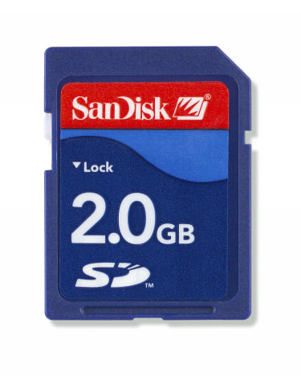
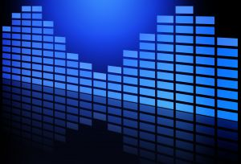
SOFTWARE

HARDWARE

