CanBus-Radio-VAG BOM
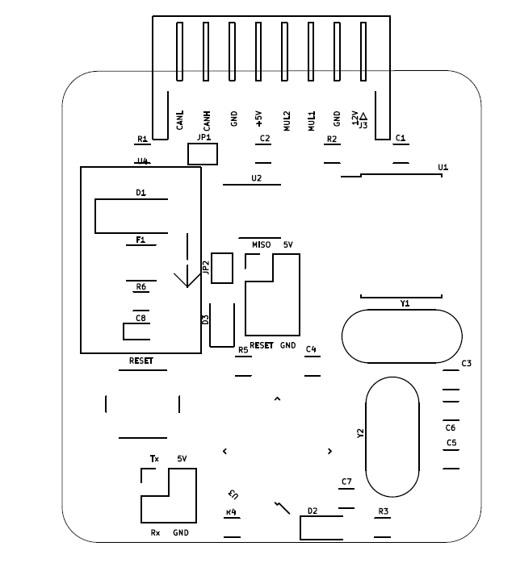
 | Columna2 | Columna3 | Columna1 | Columna4
Comment | Designator | Footprint | LCSC Part Number | Qnty
100n | C1, C2, C7 | Capacitor_SMD:C_1206_3216Metric_Pad1.33x1.80mm_HandSolder | C840121 | 3
27pF | C3, C4, | Capacitor_SMD:C_1206_3216Metric_Pad1.33x1.80mm_HandSolder | C1899 | 2
22pF | C5, C6 | Capacitor_SMD:C_1206_3216Metric_Pad1.33x1.80mm_HandSolder | C565687 | 2
1uF | C8, | Capacitor_Tantalum_SMD:CP_EIA-1608-10_AVX-L_Pad1.25x1.05mm_HandSolder | C307912 | 1
1N4007 | D1, | Diode_SMD:D_SMA_Handsoldering | C2909831 | 1
LED | D2, D3, | LED_SMD:LED_1206_3216Metric_Pad1.42x1.75mm_HandSolder | C375458 | 2
fuse 1A | F1, | Fuse:Fuse_1812_4532Metric_Pad1.30x3.40mm_HandSolder | C151169 | 1
UART | J1, | Connector_PinHeader_2.54mm:PinHeader_2x02_P2.54mm_Vertical | C706892 | 1
ICSP | J2, | Connector_PinHeader_2.54mm:PinHeader_2x03_P2.54mm_Vertical | C706893 | 1
CAR | J3, | Connector_JST:JST_XH_S8B-XH-A-1_1x08_P2.50mm_Horizontal |  | 1
120R | R1, | Resistor_SMD:R_1206_3216Metric_Pad1.30x1.75mm_HandSolder | C114928 | 1
10k | R2, | Resistor_SMD:R_1206_3216Metric_Pad1.30x1.75mm_HandSolder | C3018037 | 1
10K | R3, R6, | Resistor_SMD:R_1206_3216Metric_Pad1.30x1.75mm_HandSolder | C3018037 | 2
5k | R4, | Resistor_SMD:R_1206_3216Metric_Pad1.30x1.75mm_HandSolder | C136458 | 1
1k | R5, | Resistor_SMD:R_1206_3216Metric_Pad1.30x1.75mm_HandSolder | C408770 | 1
SW_Push-Switch | SW1, | Button_Switch_THT:SW_PUSH_6mm_H5mm | C2828578 | 1
MCP2515-xSO | U1, | Package_SO:SOIC-18W_7.5x11.6mm_P1.27mm | C12368 | 1
TJA1050T | U2, | Package_SO:SOIC-8_3.9x4.9mm_P1.27mm | C6952 | 1
ATmega328P-PU | U3, | SmartBMS:TQFP-32_7x7mm_P0.8mm | C14877 | 1
8MHz | Y1, | Crystal:Crystal_HC49-4H_Vertical | C655216 | 1
16MHz | Y2, | Crystal:Crystal_HC49-4H_Vertical | C390745 | 1

