Sheet1
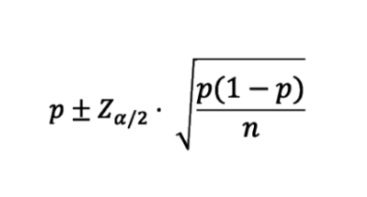
Mean x | 19 |  | 95% confidence interval
n | 200 |  | alpha = 1-0.95 = 0.05
 |  |  | alpha/2 | 0.025
Proportion p = mean/n |  |  | z (0.025) | 1.96
pcap | 0.095
qcap = 1=pcap
qcap | 0.905 |  | 0.095 | 0.040637517149
 |  |  | Lower limit |  | Upper limit
 |  | CI | 0.054362482851 |  | 0.13563751715

 |  | CI | 0.054362483 < p < .1356

