The Patterns
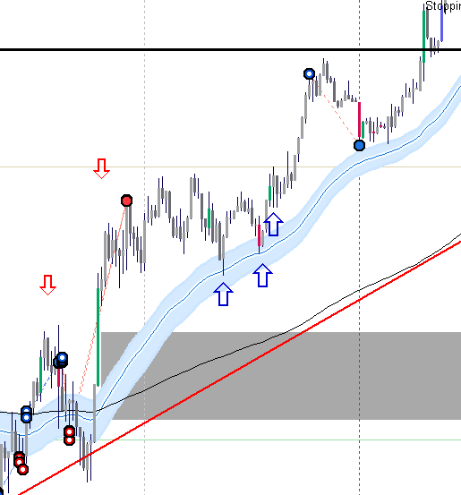
Traders Reality Rules Entry

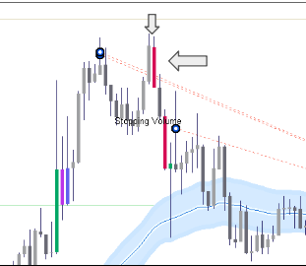
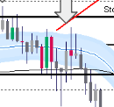
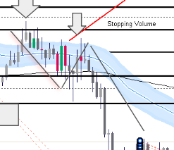
 | Uptrend/Downtrend | Price Above/Below 50 DAy 200 Day | Notable Volume at Key area | Green Bar/Red Bar battle | TVT Set up |  |  | Double Top Retrace
 |  | Follow through Support/Not Support
 |  | Double Top/Double Bottom
 |  | Rejection at 50 day/200 day? Notable Volume
 |  | Crossover 50 day 200 day
 |  | Price retracing back to 50 day/200day
 |  | TVT Trade?
 |  | Stopping Volume Present | Higher Time Frame Confirmation

 | Trendline support - Notable volume - Stopping |  | Stopping Volume Pin Bar |  | Base Breakout |  |  | No Follow through
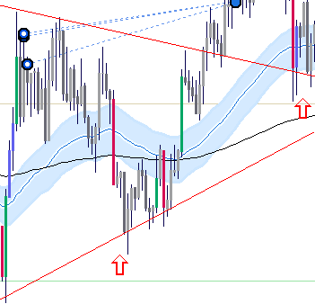
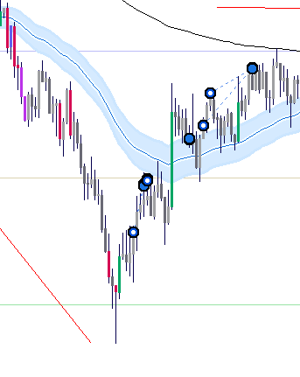
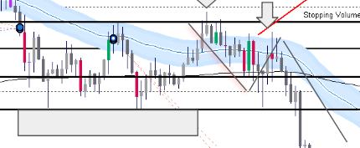
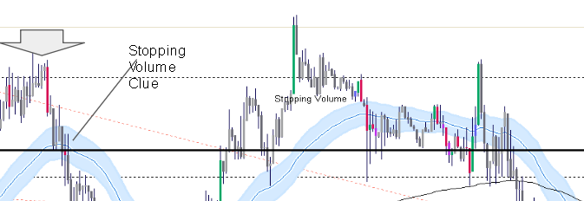

 |  |  |  | Failed Green Bar follow through -Red Engulfing - Base break
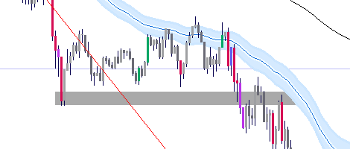

 | Gap Closing
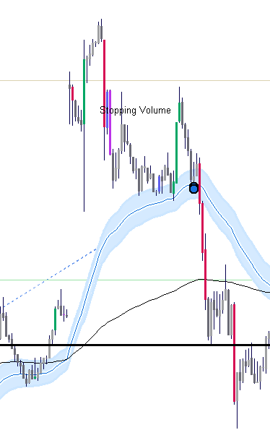

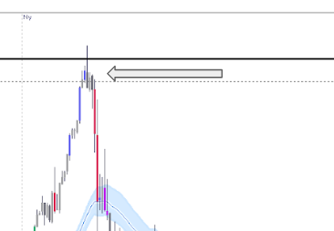
 |  |  | High Activity No follow through -pull back to 50 day

 |  |  |  |  | Red Bar after green, showing conviction- no follow through -Under 50 day
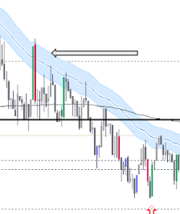

 | Gapping up play
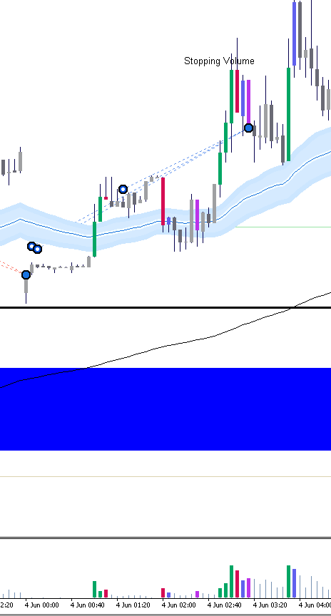
 |  |  | Bae Break out - Red bar and green failed to follow through on 50 day - Purple candle confirmation
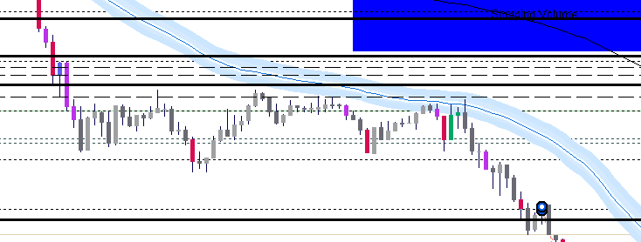

 |  |  | Higher Swing Low - Vol confirmation | Pin bar green followed by increase vol |  |  |  | Test 50 day, rejecting the 50 day, retest lower low on high vol
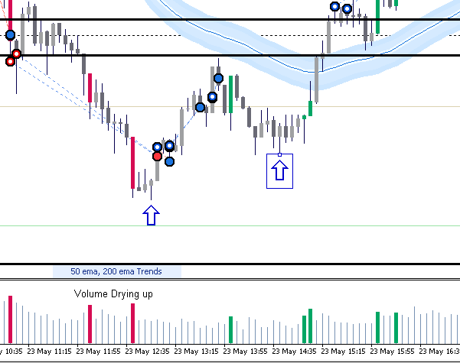
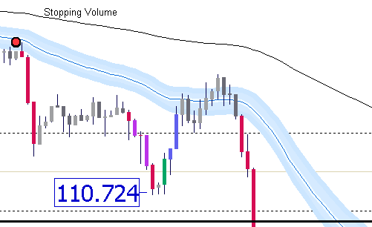

Price breaks 50 day, Drops on heavy vol
Blue candle increase vol - stopping power
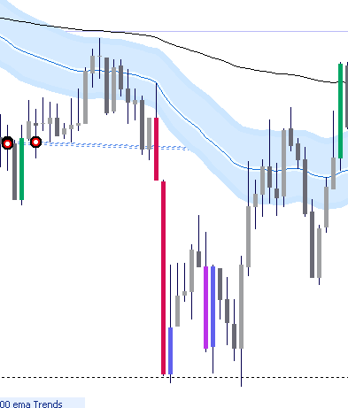

 |  |  |  | Trend rises - Notable volume occurs,
 |  |  |  | No follow through, Pin bar hits making a lower swing high
Price Stops just above 111.000, retraces adn finds support, Then notable vol comes in. Takes out previosu high |  |  |  | Price fades towards the 50 day - tries to bounce back -No success, Another Pin bar, Lower high, then Redbar Green Bar Battlesends price lower
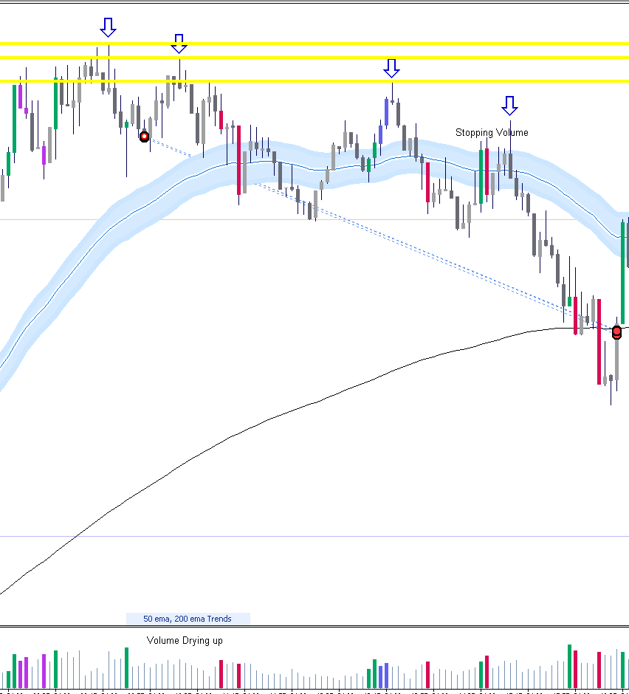
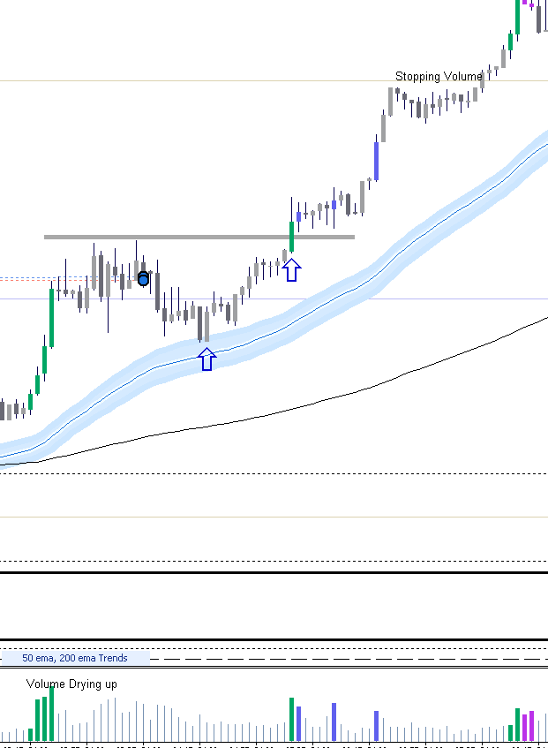

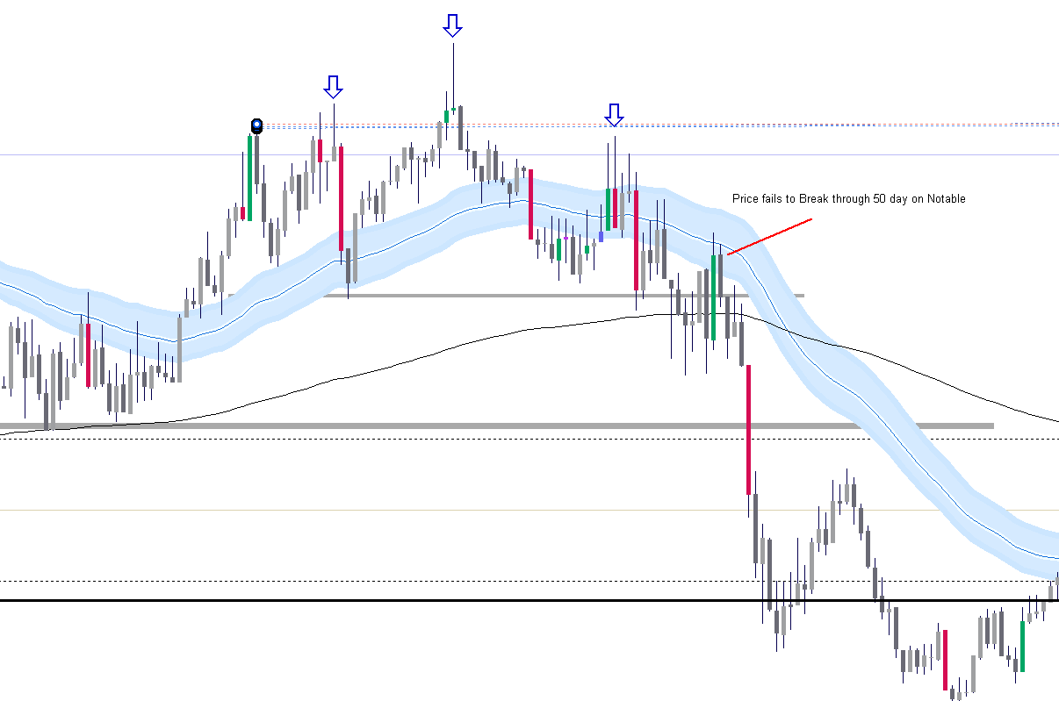
 |  |  |  |  |  |  |  | Price does a triple top, green notable vol comes in on pin bar MM taking out longs and getting shorts filled.
 |  |  |  |  |  |  |  | Red candles coming in on heavy volume.
 |  |  |  |  |  |  |  | Previous neck line being tested.
 |  |  |  |  |  |  |  | Green bar failing to break through 50 day

 |  | After sell off, price ranges and drifts towards 50 day - Notable spinning bottoms building up, preventing price going lower The red Shooting star gave the impression away
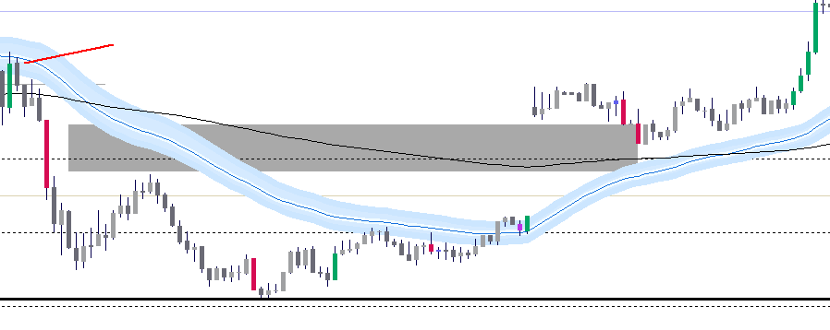

 |  | Stopping Volume coming in Triple bottom showing support continuation pattern
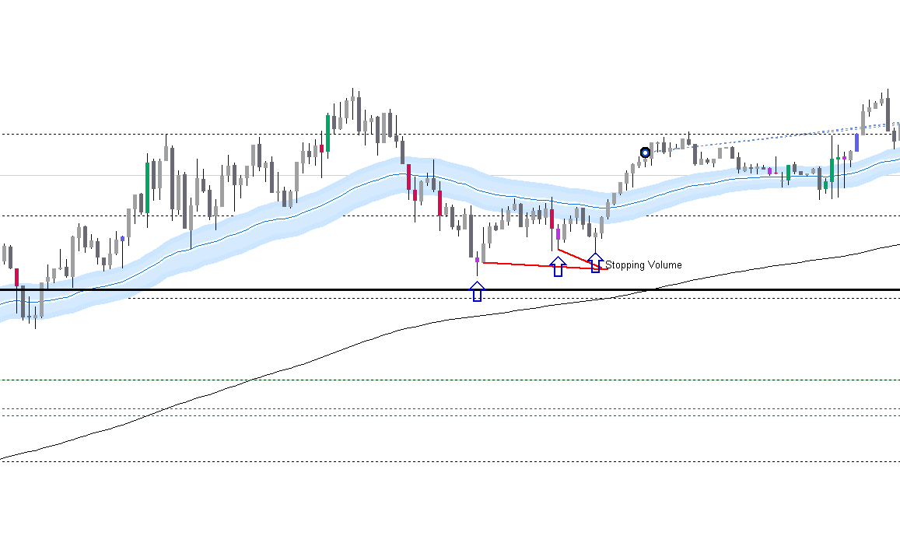
 |  |  |  |  |  |  | Green bar below qtr price, going up, Stopping volume Red bar, no close below 50 day, green bar entry
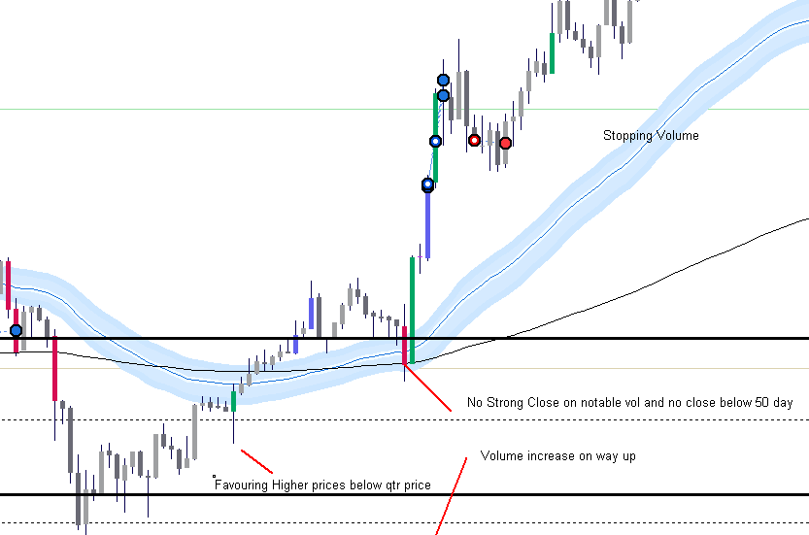

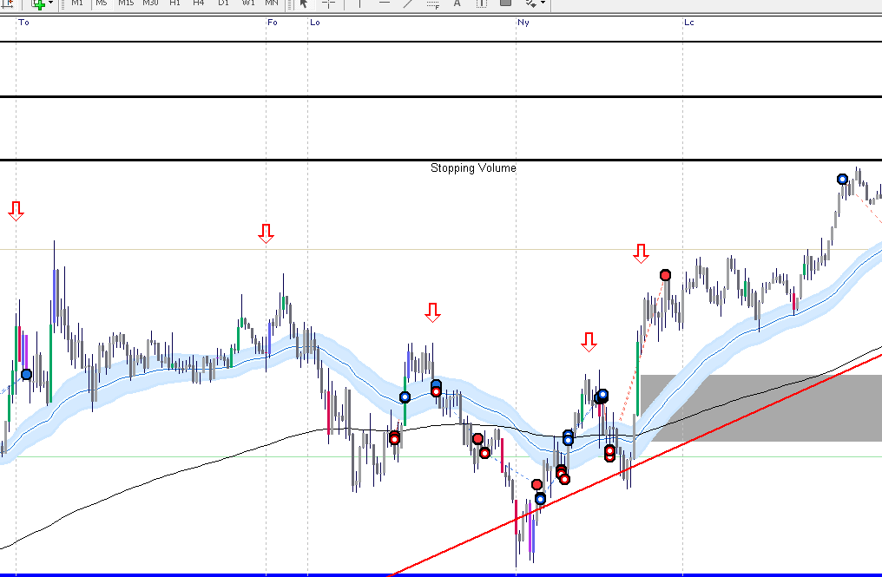
Lower Highs forming- support below the half number coming in taking out previous lower highs
 |  |  |  |  |  | Stopping vol on 50 day -

Market Structure
Market Structure of USDJPY
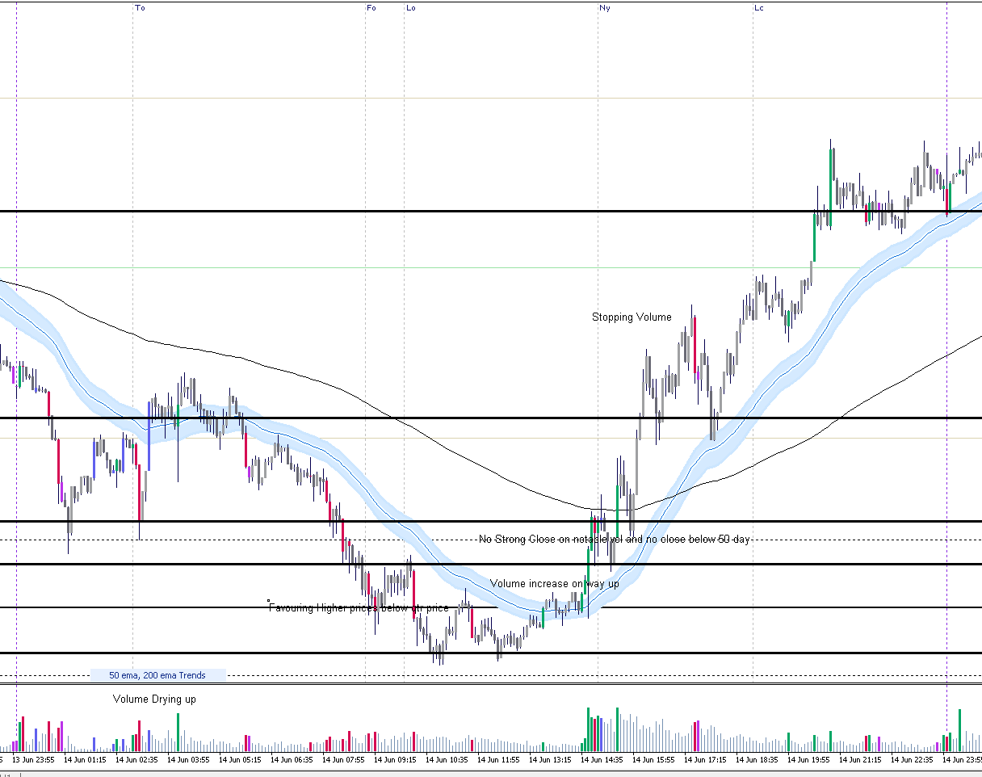
 |  |  | Price opened on the downside during tokyo open. Heavy selling with Red volume coming in.
 |  |  | Then during the london open price follow suit and went down further how
 |  |  | Then a double bottom appeared beow the whole number, a new sing high low was achievedand then green volume came in.
 |  |  | Prior to the opening of the New Work session price rose aggressively, Then NY opens and pulls back to test the 50 day
 |  |  | Then continues to rise, Breaks the 200 day and goes on to make gains, Takes out the previous long orders and get their positions filled and commissions.

 |  |  | Price pulled back to the 50 day and value was found at this area with intention of going higher.

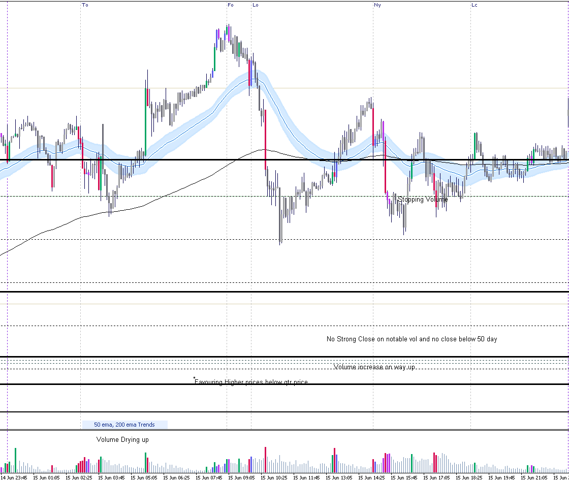

 |  | As you can see, price opened at the TO session, and came down and tested the 200 day, if you can see
 |  | the red candle green candle battle occured, giving me an uderstanding that value was present and wanted to tke price higher
 |  | Price then trailed down to the 200 day and acted as su |  |  | support to the qtr line, rose all the way up and the FO and LO showed good activity.
 |  | Another Red candle Blue candle battled occured however, the blue candle failed to follow through,
 |  | As you can price then breaks through the 50 day on heavy volume, Then a massive red candle came in, taking out the green candle from the Tokyo session
 |  | Market makers clearly favoured lower prices.
 |  | By the time the new york session opened, Price retraced back up recovering most of the lost ground. However, NY sellers came in
 |  | and pushed price down again and got the previous blue candles orders in.
 |  | Also on the way up you can see a small red candle on high volume but didnt close lower giving the idea that stopping volume was present.
 |  | Same happened during the new york, They push price down and found support, then retraced back up on green volume covering the previous ground lost.
 |  | the half level area was showing interest hence why behaviour was occuring like this.

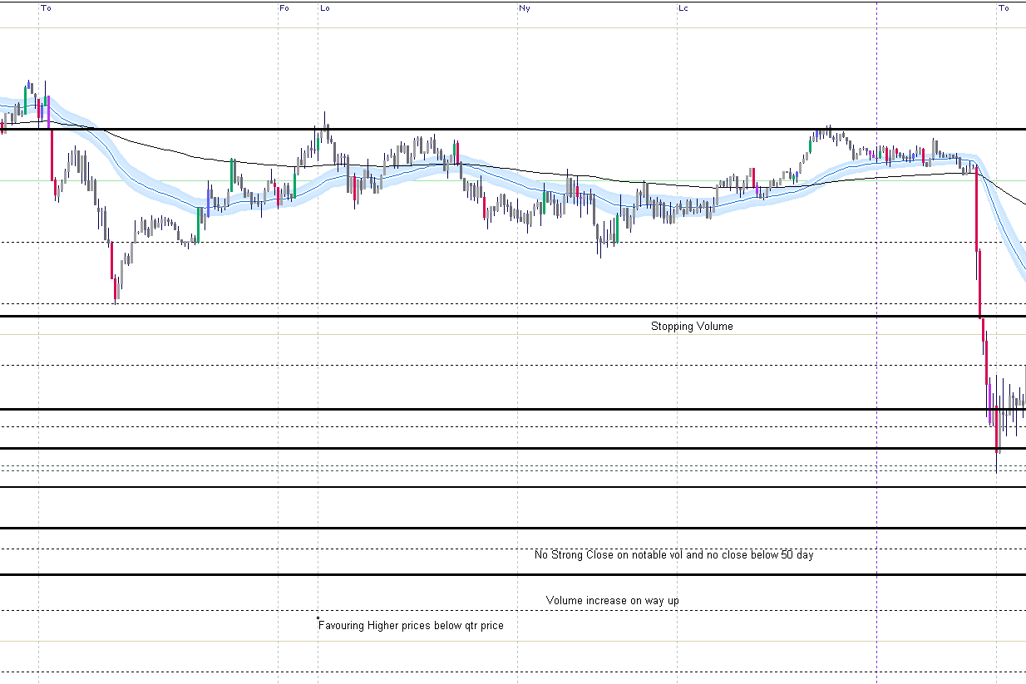

 |  |  |  | Classic range trading by the market makers. As you can see
 |  |  |  | market makers were trailing price above the half way area. Notice that the green activity and red actvity kept price just slightly above the half way mark. giving the impression that they wanted to take price lower. This is a sort of trade you want to stay away from
 |  |  |  | as things can get messy.

 |  |  |  | Interesting behaviour here, At the frankfurt open, price rises on notable volume
 |  |  |  | but didnt follow through as a shooting star occured, This would be the formation of a lower swing high.
 |  |  |  | Then towards the london open price then came down to get the other long orders filled, Blue bar.
 |  |  |  | Then as price trails on the 50 day, a break occured on reasonable volume, then price tested the 200 day and then down to the half way mark implying the
 |  |  |  | market makers want to get thier longs filled and closing shorts in the mean time.
 |  |  |  | a second attempt to the uside was taken and notable volume came in however stalled and dried up as this was
 |  |  |  | an impression that the MM wanted to keep price lower for the time being.
 |  |  |  | Heavy volume came in and retested the previous low and took out the 200 day and further.
 |  |  |  | This is a classic example of bulls bowing down beore they rise.
 |  |  |  | The notable volume that ame in after showed a red bar not closing lower, here was the clue
 |  |  |  | then a blue bar came in and took lead below the half way mark allowing MM to get their final longs in
 |  |  |  | before they send price up.
 |  |  |  | Then price travels back up to make a nother lower high but this time a higher low came in
 |  |  |  | and then strength came in.
 |  |  |  | Bt the time the New York was in play the MM wanted to get price higher.
 |  |  |  | Sent it up towards the close then tested the 50 day on red volume, stopping volume at that.
 |  |  |  | Then continued further up.

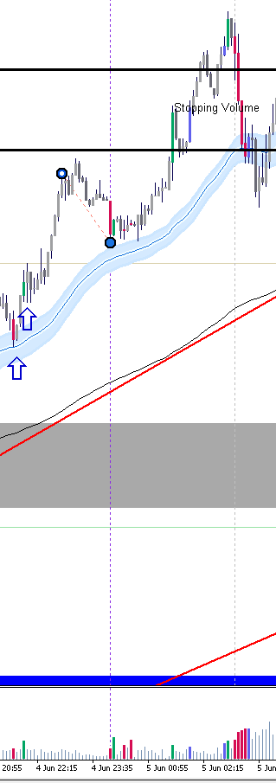

 | Pull back to 50 day, Notable volume comes in and act as support with no follow through

