The Patterns
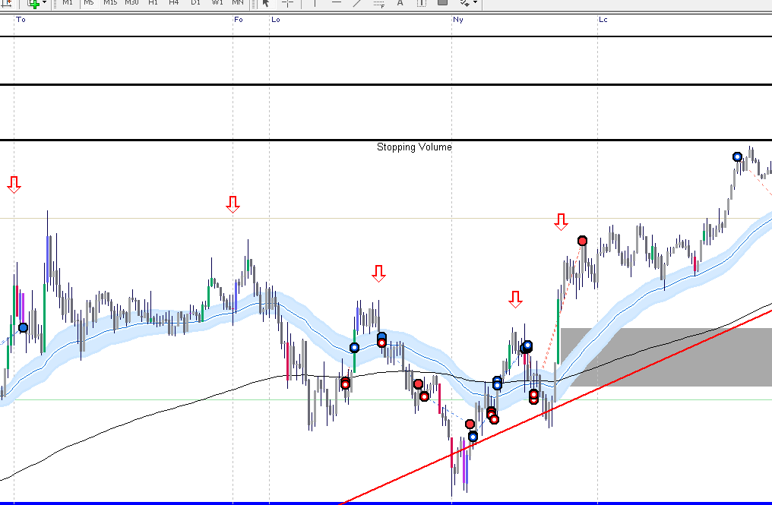
Traders Reality Rules Entry

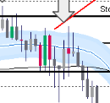
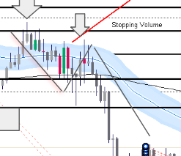
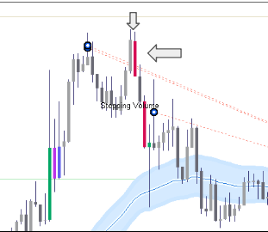
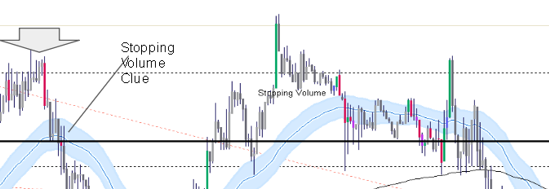
Uptrend/Downtrend | Green Bar/Red Bar battle | TVT Set up | Double Top Retrace | No Follow through
Price Above/Below 50 Day 200 Day
Follow through Support/Not Support
Double Top/Double Bottom
Rejection at 50 day/200 day? Notable Volume
Crossover 50 day 200 day
Price retracing back to 50 day/200day
TVT Trade?
Stopping Volume Present
Notable Volume at Key area
Higher Time Frame Confirmation

Trendline support - Notable volume - Stopping | Stopping Volume Pin Bar | Base Breakout |  | Failed Green Bar follow through -Red Engulfing - Base break
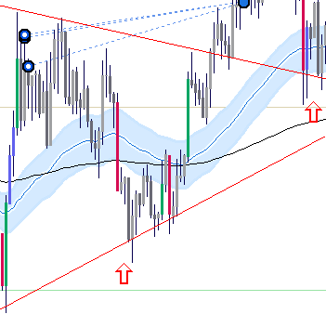
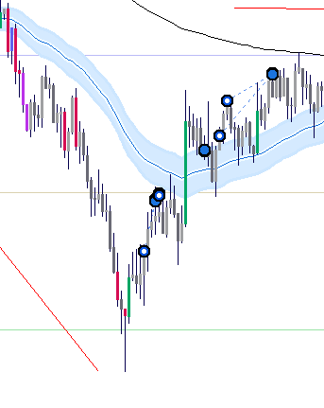
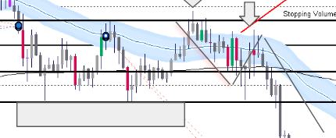
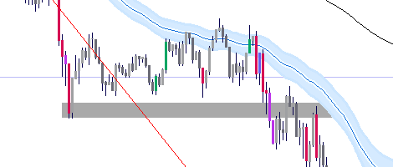

 |  | Gapping up play |  | Red candle after green shows lack of conviction - no follow through -Under 50 day
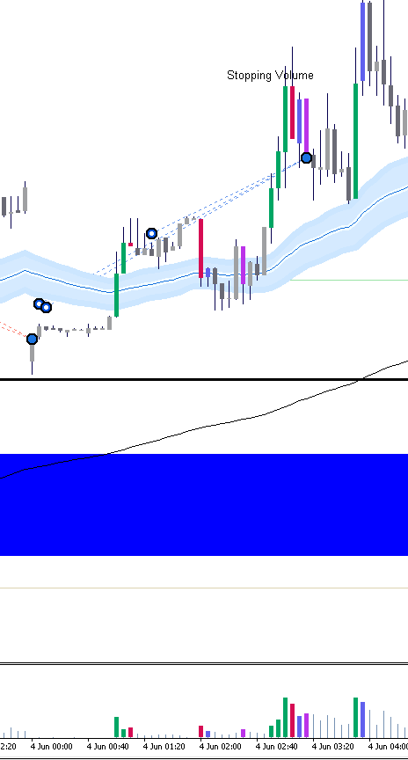
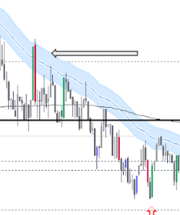

Gap Closing | High Activity No follow through -pull back to 50 day
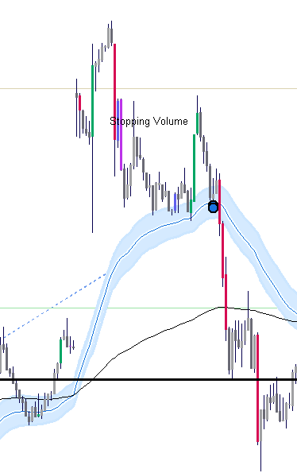
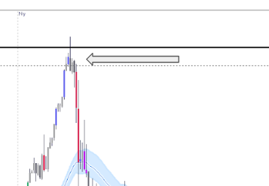

 |  |  |  | Test 50 day, rejecting the 50 day, retest lower low on high vol
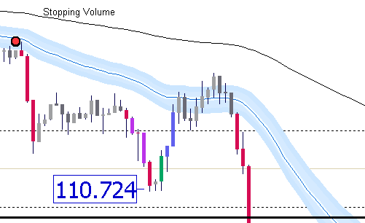

 | Bae Break out - Red bar and green failed to follow through on 50 day - Purple candle confirmation
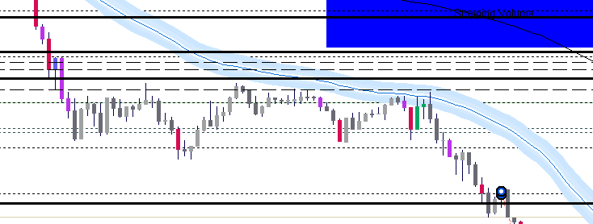
Price breaks 50 day, Drops on heavy vol
Blue candle increase vol - stopping power
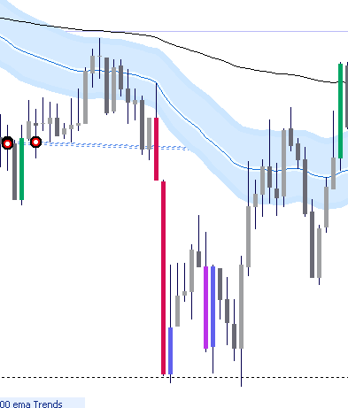

 |  |  |  | After sell off, price ranges and drifts towards 50 day - Notable spinning bottoms building up, preventing price going lower The red Shooting star gave the impression away

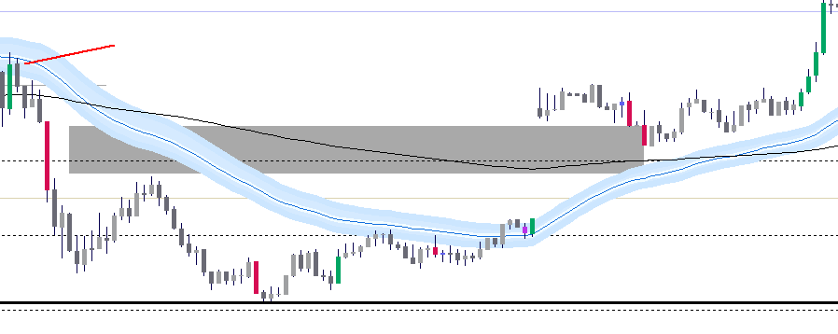

 | Higher Swing Low - Vol confirmation | Pin bar green followed by increase vol
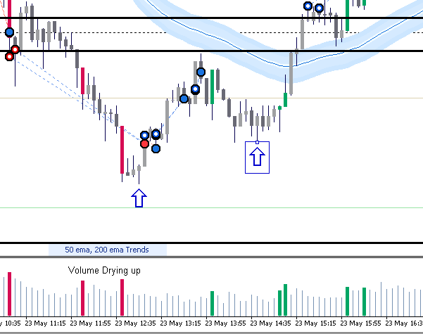

 |  |  |  | Stopping Volume coming in Triple bottom showing support continuation pattern
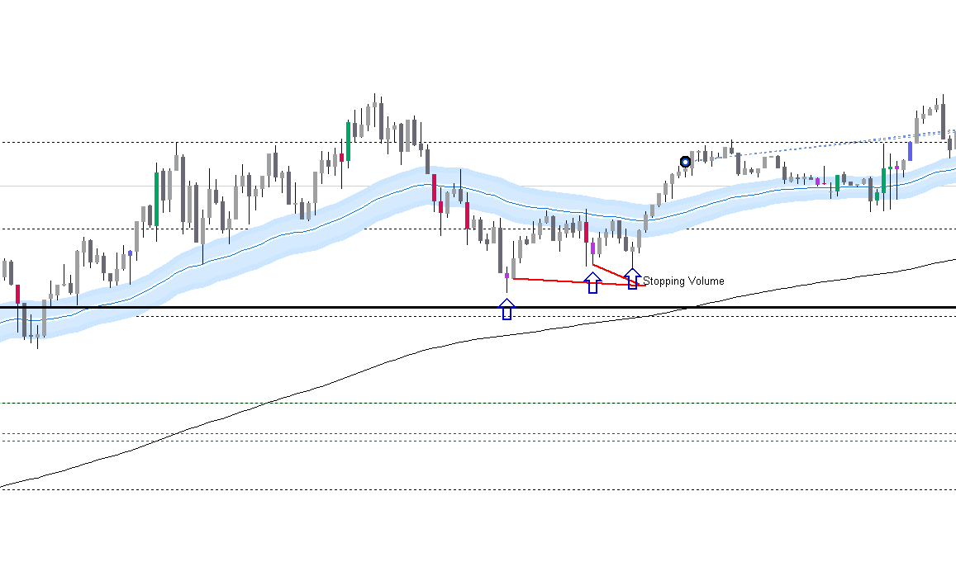

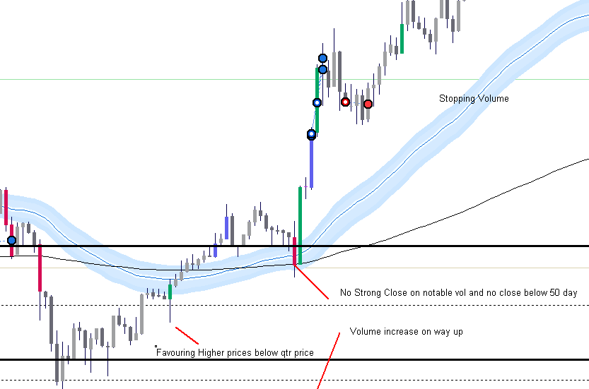
Trend rises - Notable volume occurs, |  |  |  | Green bar below qtr price, going up, Stopping volume Red bar, no close below 50 day, green bar entry
No follow through, Pin bar hits making a lower swing high
Price Stops just above 111.000, retraces and finds support, Then notable vol comes in. Takes out previous high
Price fades towards the 50 day - tries to bounce back -No success, Another Pin bar, Lower high, then Redbar Green Bar Battlesends price lower
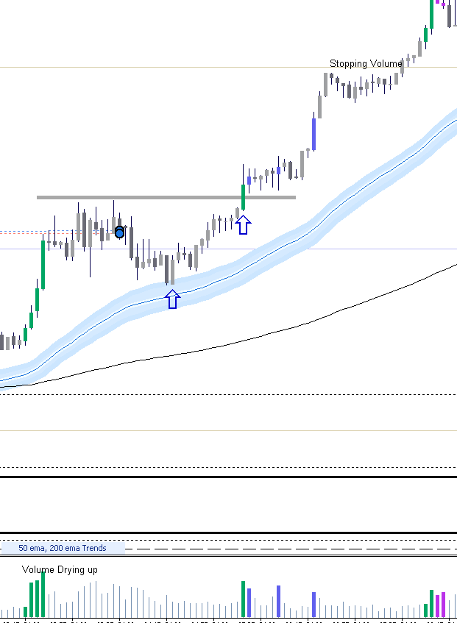
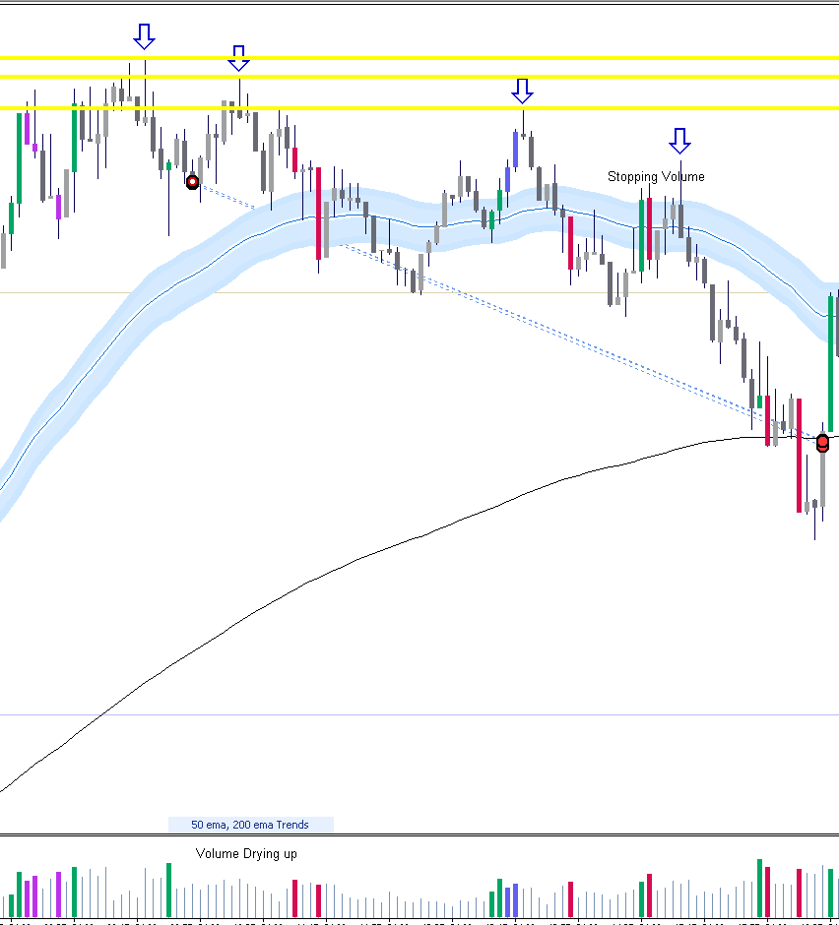

 |  |  |  | Stopping vol on 50 day -
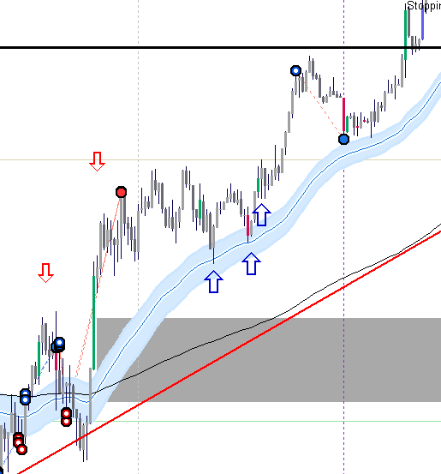

Price does a triple top, green notable vol comes in on pin bar MM taking out longs and getting shorts filled.
Red candles coming in on heavy volume.
Previous neck line being tested.
Green bar failing to break through 50 day
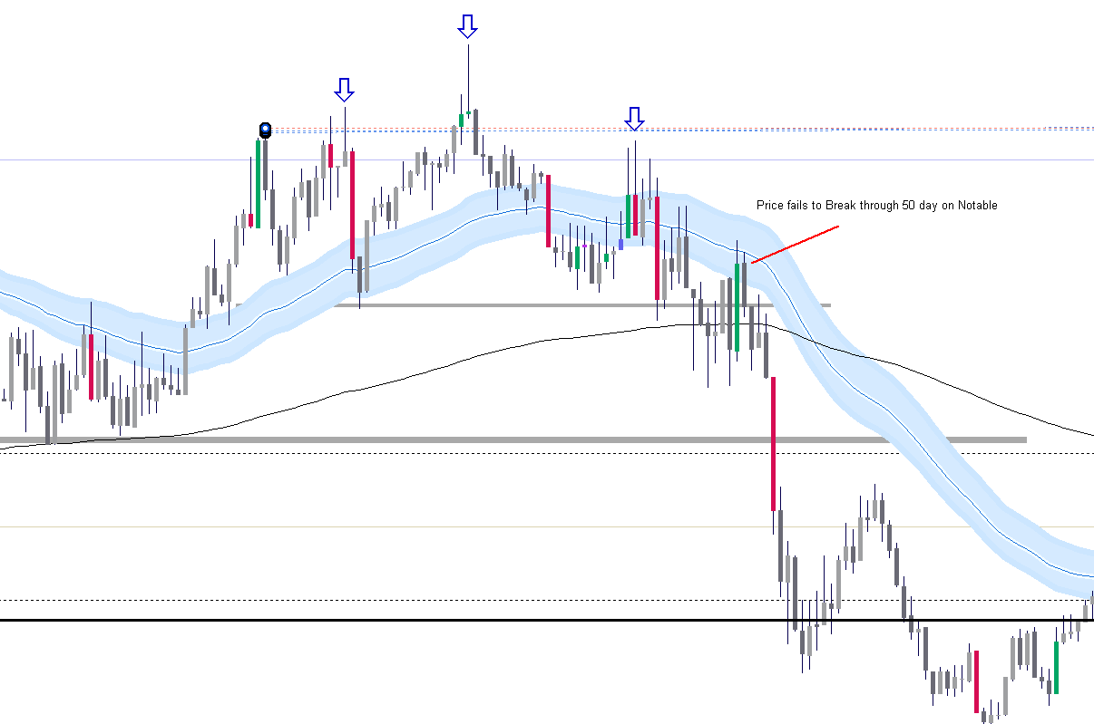

Lower Highs forming- support below the half number coming in taking out previous lower highs

Market Structure
Market Structure of USDJPY

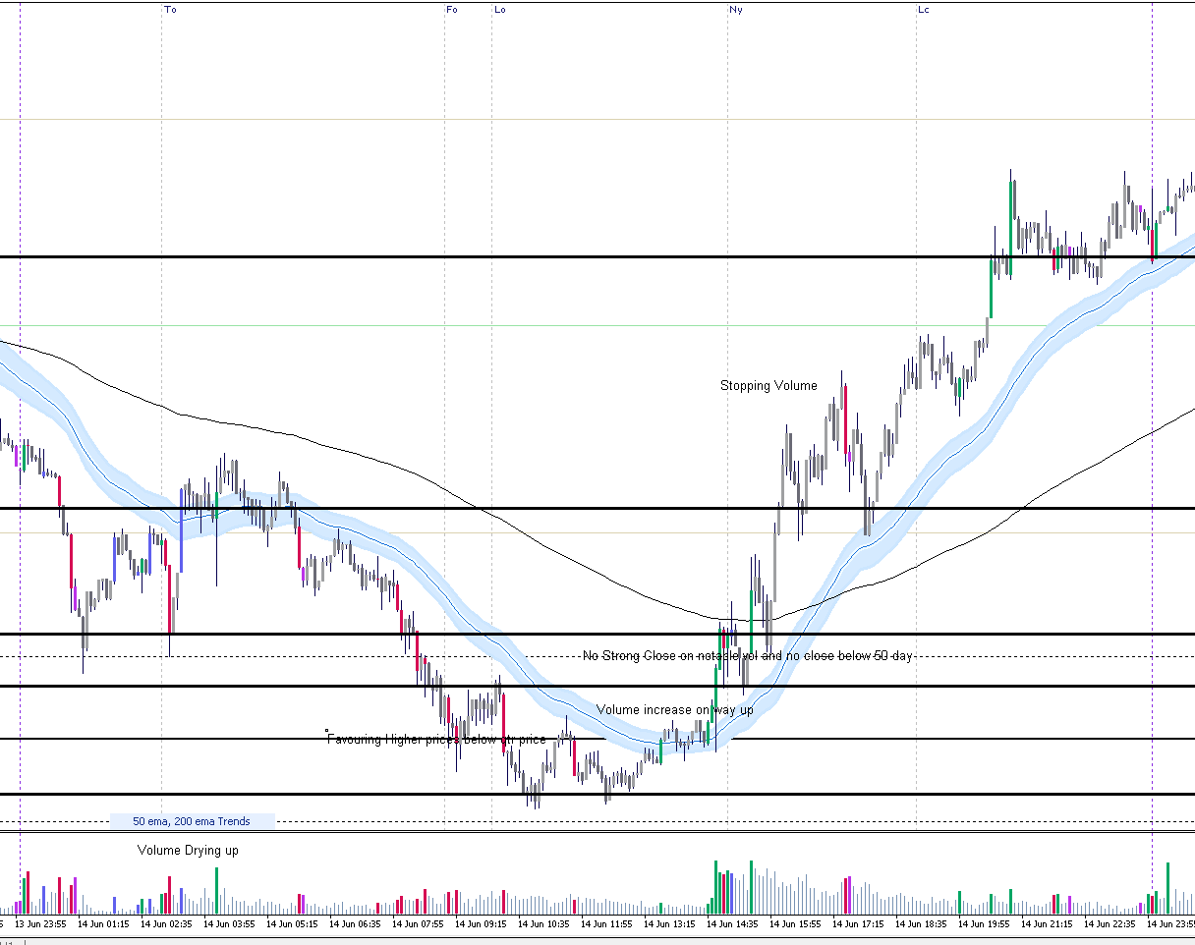
 | Price opened on the downside during Tokyo open. Heavy selling with Red volume coming in. Then during the London open price follow suit and went down further low. Then a double bottom appeared below the whole number, a new sing high low was achieved, and then green volume came in. Prior to the opening of the New Work session price rose aggressively, Then NY opens and pulls back to test the 50 day. Then continues to rise, breaks the 200 day, and goes on to make gains, takes out the previous long orders and get their positions filled and commissions. Price pulled back to the 50 day and value was found at this area with intention of going higher.

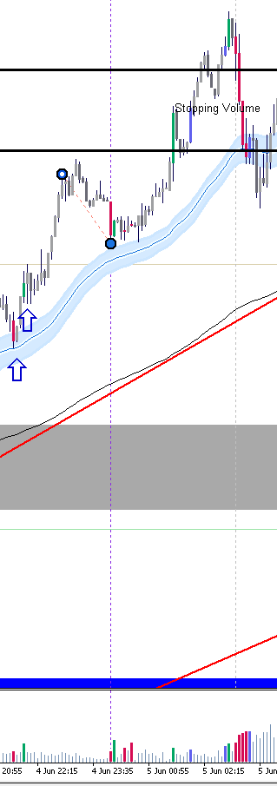
 |  | Pull back to 50 day, Notable volume comes in and act as support with no follow through

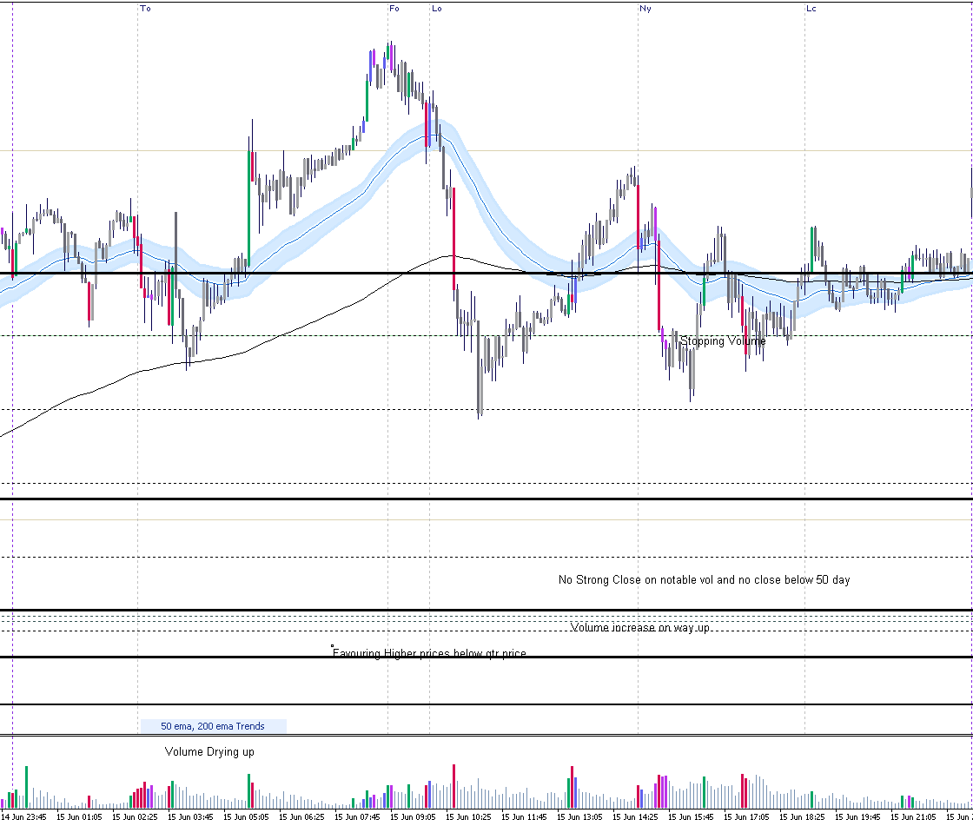
As you can see, price opened at the TO session, and came down and tested the 200 day, if you can see the red candle green candle battle occurred, giving me an understanding that value was present and wanted to the price higher. Price then trailed down to the 200 day to support to the qtr line, rose all the way up and the FO and LO showed good activity.

Another Red candle Blue candle battle occurred; however, the blue candle failed to follow through. As you can price then breaks through the 50 day on heavy volume, then a massive red candle came in, taking out the green candle from the Tokyo session. Market makers clearly favored lower prices. By the time the New York session opened, price retraced back up recovering most of the lost ground. However, NY sellers came in and pushed price down again and got the previous blue candles orders in.

On the way up you can see a small red candle on high volume but did not close lower giving the idea that stopping volume was present. Same happened during the New York, they push price down and found support, then retraced back up on green volume covering the previous ground lost. The half level area was showing interest hence why behavior was occurring like this.

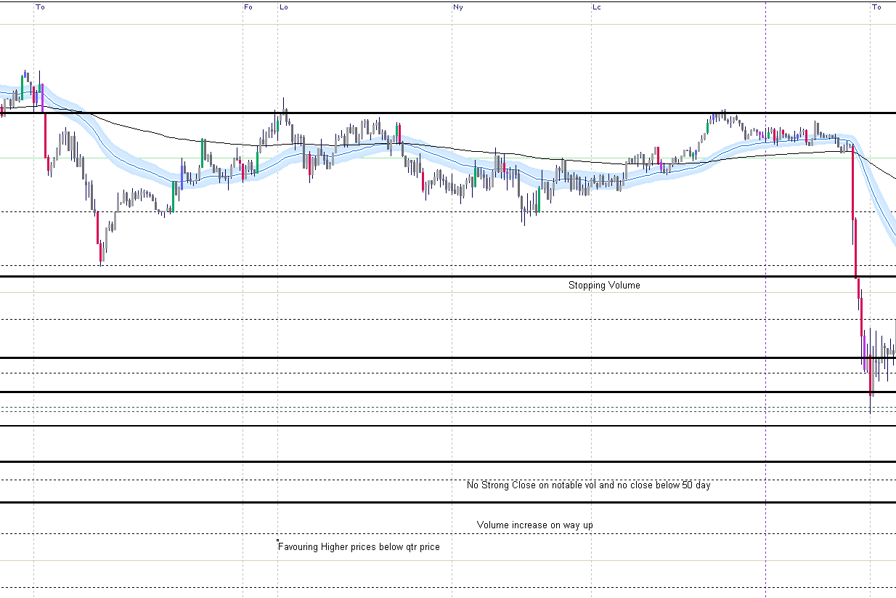
 | Classic range trading by the market makers. As you can see, market makers were trailing price above the half-way area. Notice that the green and red activity kept price just slightly above the half-way point, giving the impression that they wanted to take price lower. This is a sort of trade you want to stay away from as things can get messy.

Interesting behavior here, At the Frankfurt open, price rises on notable volume but does not follow through as a shooting star occurred. This would be the formation of a lower swing high.

Then towards the London open price then came down to get the other long orders filled, Blue bar.

Then as price trails on the 50 day, a break occurred on reasonable volume, then price tested the 200 day and then down to the halfway mark implying the market makers want to get thier longs filled and closing shorts in the meantime.

A second attempt to the upside was taken and notable volume came in however stalled and dried up as this was an impression that the MM wanted to keep price lower for the time being. Heavy volume came in and retested the previous low and took out the 200 day and further. This is a classic example of bulls bowing down before they rise. The notable volume that came in after, showed a red bar not closing lower, here was the clue. Then a blue bar came in and took lead below the half way mark allowing MM to get their final longs in before they send price up.

Then price travels back up to make another lower high but this time a higher low came in and then strength followed. By the time New York was in play, the MM wanted to get price higher, so they sent it up towards the close then tested the 50 day on red volume, stopping volume at that. Then continued further up.

