Sheet1
Master Model
Behavior |  |  | Structure |  |  | Supplementals
WHEN | INEEDTO | PARENT | NAME | CONTAINS | PARENT | BECAUSE | ITHASTOBETHAT | PARENT
I'm Hungry On A Holiday | Cookout Food |  | Cabinet | Cabinet Doors |  | The Backyard Is Made For Relaxation | I'm Not Frustrated By The Way It's Set Up Or Used (Easy To Use)
People Come To Visit | Enter And Leave |  | Chair | Outdoor Cushion, Outdoor Blanket |  | I'm A Man Of Many Friends | The Deck Can Accommodate Up To Five People (Handle Up To Five People)
Our Friends Come To Visit | Entertain Friends |  | Family | Relatives |  | I Am Shy Although I Like My Spouse | The Facilities For Intimate Activities Can Handle Up To Two People (Handle Up To Two People)
It's a Weekend And I Have Nothing To Do | Nap In The Summertime |  | Food | Ingredients, Spices |  | I Want People To Look Up To Me With Envy | My Stuff Looks Cool To The Neighbors (Looks Nice)
People Come To Visit | Play Cards Outside |  | Friend | Baggage, Coat, Hat |  | I Don't Want To Go To Jail | We Follow All The Local Building Laws And Code (Meets Local Codes)
It's Cold And I'm Tired | Soak In Hot Water In The Winter |  | Gas Grill | Gas Grill Cover, Fuel |  | I Hate Doing Maintenance | I Don't Have Anything To Maintain On This Deck For A Long Time (Impervious To Weather)
It's Dark And Clear Outside | Stargaze |  | Hammock | Hammock Stand, Mosquito Net |  | I Have Some Obese Family Members | Two Large People Can Stand Side-By-Side Without Crowding Anybody (Comfortably Handle Two Large People)
It's Hot And I Look Like A Sheep | Sunbathe |  | Hobby | Pieces |  | I Love Nature And The Forest | Whenever I Am Around My Deck I Am Reminded Of Trees And Nature (Reminiscent Of Nature)
 |  |  | Hot Tub | Water, Hot Tub Cover, Rubber Duckies |  | I Want People To Have A Good Time When They Visit | No Construction Joining Material Pokes Out To Hurt People (No Spliters Or Stubbed Toes)
 |  |  | Plant | Pot, Soil
 |  |  | Recliner | Outdoor Cushion
 |  |  | Table | Silverware, Plates, Cups, Centerpiece, Monopoly Game
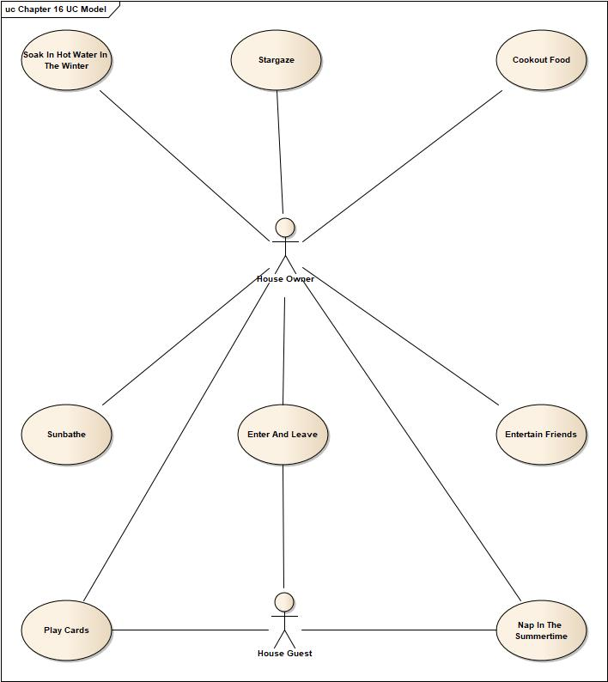
Use-Case Model |  |  | Domain Model |  |  | Supplemental Model
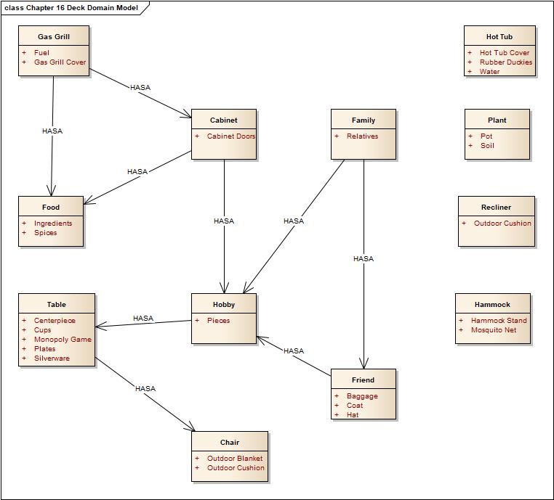
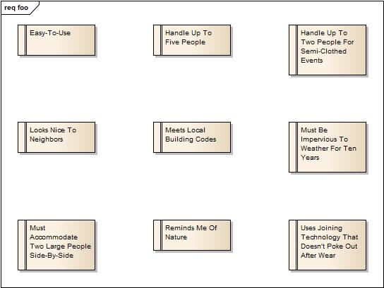

Behavior To Structure |  |  |  |  | Behavior To Supplementals
Title | USES |  |  |  | AFFECTEDBY
Cookout Food | Food, Table, Chair, Gas Grill, Family, Friend, Cabinet |  |  |  | Looks Nice, Reminiscent Of Nature
Enter And Leave | Family, Friend |  |  |  | Looks Nice, No Problem For Larger People
Entertain Friends | Table, Chair, Family, Friend, Hobby, Food |  |  |  | Looks Nice, Handles Five For Parties
Nap In The Summertime | Hammock, Recliner |  |  |  | No Problem For Larger People, Impervious To Weather, Reminiscent Of Nature
Play Cards Outside | Table, Chair, Family, Friend, Cabinet |  |  |  | Handles Five For Parties
Soak In Hot Water In The Winter | Hot Tub, Family, Friend |  |  |  | No Problem For Larger People , Handles Two For Private Stuff, Reminiscent Of Nature
Stargaze | Family, Friend, Chair |  |  |  | No Problem For Larger People, Handles Five For Parties
Sunbathe | Recliner, Chair, Hammock, Family, Friend |  |  |  | Looks Nice, Handles Two For Private Stuff

ALL |  |  |  |  | Meets Local Codes, Easy To Use
Supplementals To Structure |  |  |  |  | Supplementals To Behavior
Title | Can Be Important When Talking About |  |  |  | AFFECTS
Easy To Use | ALL |  |  |  | ALL
Handles Five For Parties | Cabinet, Chair, Family, Food, Friend, Hobby, Table |  |  |  | Entertain Friends, Play Cards Outside, Stargaze
Handles Two For Private Stuff | Chair, Family, Friend, Hammock, Hot Tub, Recliner |  |  |  | Soak In Hot Water In The Winter, Sunbathe
Looks Nice | Cabinet, Chair, Family, Food, Friend, Gas Grill, Hammock, Recliner, Table |  |  |  | Cookout Food, Enter And Leave, Entertain Friends, Sunbathe
Meets Local Codes | ALL |  |  |  | ALL
Impervious To Weather | Hammock, Recliner |  |  |  | Nap In The Summertime,
No Problem For Larger People | Chair, Family, Friend, Hammock, Hot Tub, Recliner |  |  |  | Enter And Leave, Nap In The Summertime, Soak In Hot Water In The Winter, Stargaze
Reminiscent Of Nature | Cabinet, Chair, Family, Food, Friend, Gas Grill, Hammock, Hot Tub, Recliner, Table |  |  |  | Cookout Food, Nap In The Summertime, Soak In Hot Water In Thje Wintertime
No Splinters Or Stubbed Toes | ALL |  |  |  | ALL
Structure To Behavior |  |  |  |  | Structure To Supplementals
NAME | USEDBY |  |  |  | Is Important To Consider
Cabinet | Cookout Food, Play Cards Outside |  |  |  | Looks Nice, Reminiscent Of Nature, Handles Five For Parties
Chair | Cookout Food, Entertain Friends, Play Cards Outside, Stargaze |  |  |  | Looks Nice, Reminiscent Of Nature, Handles Five For Parties, No Problem For Larger People, Handles Two For Private Stuff
Family | Cookout Food, Enter and Leave, Entertain Friends, Play Cards Outside, Soak In Hot Water In The Winter, Stargaze, Sunbahe |  |  |  | Looks Nice, Reminiscent Of Nature, No Problem For Larger People, Handles Five For Parties, Handles Two For Private Stuff
Food | Cookout Food, Entertain Friends |  |  |  | Looks Nice, Reminiscent Of Nature, Handles Five For Parties
Friend | Cookout Food, Enter And Leave, Play Cards Outside, Soak In Hot Water In The Winter, Stargaze, Sunbathe |  |  |  | Looks Nice, Reminiscent Of Nature, No Problem For Larger People, Handles Five For Parties, Handles Two For Private Stuff
Gas Grill | Cookout Food |  |  |  | Looks Nice, Reminiscent Of Nature
Hammock | Nap In The Summertime, Sunbathe |  |  |  | Looks Nice, Handles Two For Private Stuff, No Problem For Larger People, Impervious To Weather, Reminiscent Of Nature
Hobby | Entertain Friends |  |  |  | Looks Nice, Handle Five People For Family Fun
Hot Tub | Soak In Hot Water In The Winter |  |  |  | No Problem For Larger People, Handles Two For Private Stuff, Reminiscent Of Nature
Plant | ALL |  |  |  | ALL
Recliner | Sunbathe |  |  |  | Looks Nice, Handles Two For Private Stuff, No Problem For Larger People, Impervious To Weather, Reminiscent Of Nature
Table | Cookout Food, Entertain Friends, Play Cards Outside |  |  |  | Looks Nice, Handles Five For Parties, Reminiscent Of Nature

Title | OUTCOMES | CHILDREN | NAME |  | CHILDREN | Title |  | CHILDREN
Cookout Food | We Create Happy Memories Together |  | Cabinet |  |  | Easy To Use
Enter And Leave | I'm Not Held Prisoner By My Own House |  | Chair |  |  | Handles Five For Parties
Entertain Friends | People Enjoy Their Stay And Think Of Us Fondly |  | Family |  |  | Handles Two For Private Stuff
Nap In The Summertime | I Can Enjoy The Outside And Feel Rested |  | Food |  |  | Looks Nice
Play Cards Outside | I Can Enjoy Friendship And Nature At The Same Time |  | Friend |  |  | Meets Local Codes
Soak In Hot Water In The Winter | I Feel More Relaxed |  | Gas Grill |  |  | Impervious To Weather
Stargaze | I Can Learn More About The Cosmos And Take Pictures To Impress My Friends |  | Hammock |  |  | No Problem For Larger People
Sunbathe | People Won't Laugh At Me |  | Hobby |  |  | Reminiscent Of Nature
 |  |  | Hot Tub |  |  | No Splinters Or Stubbed Toes
 |  |  | Plant
 |  |  | Recliner
 |  |  | Table

