statistiche
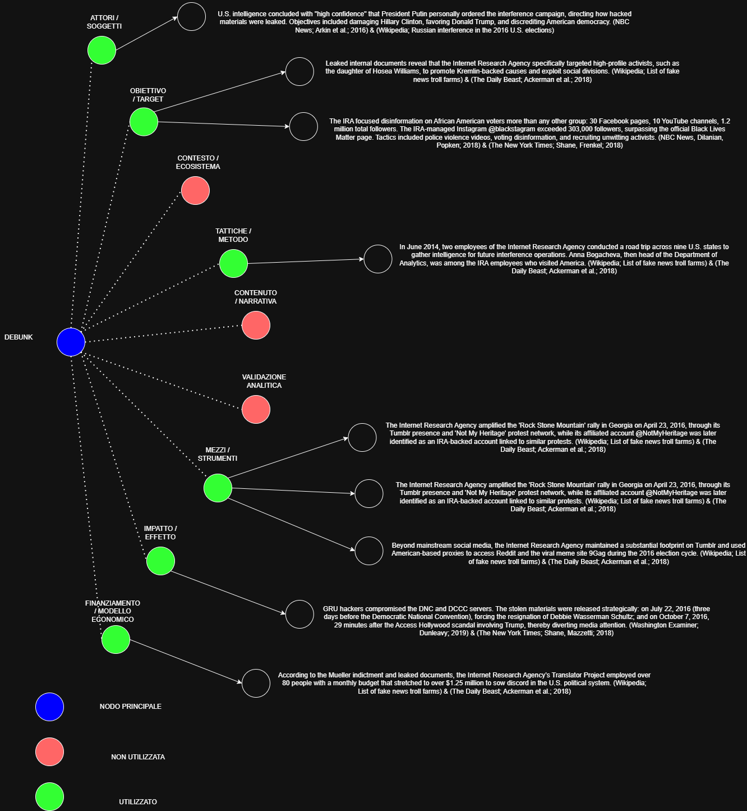
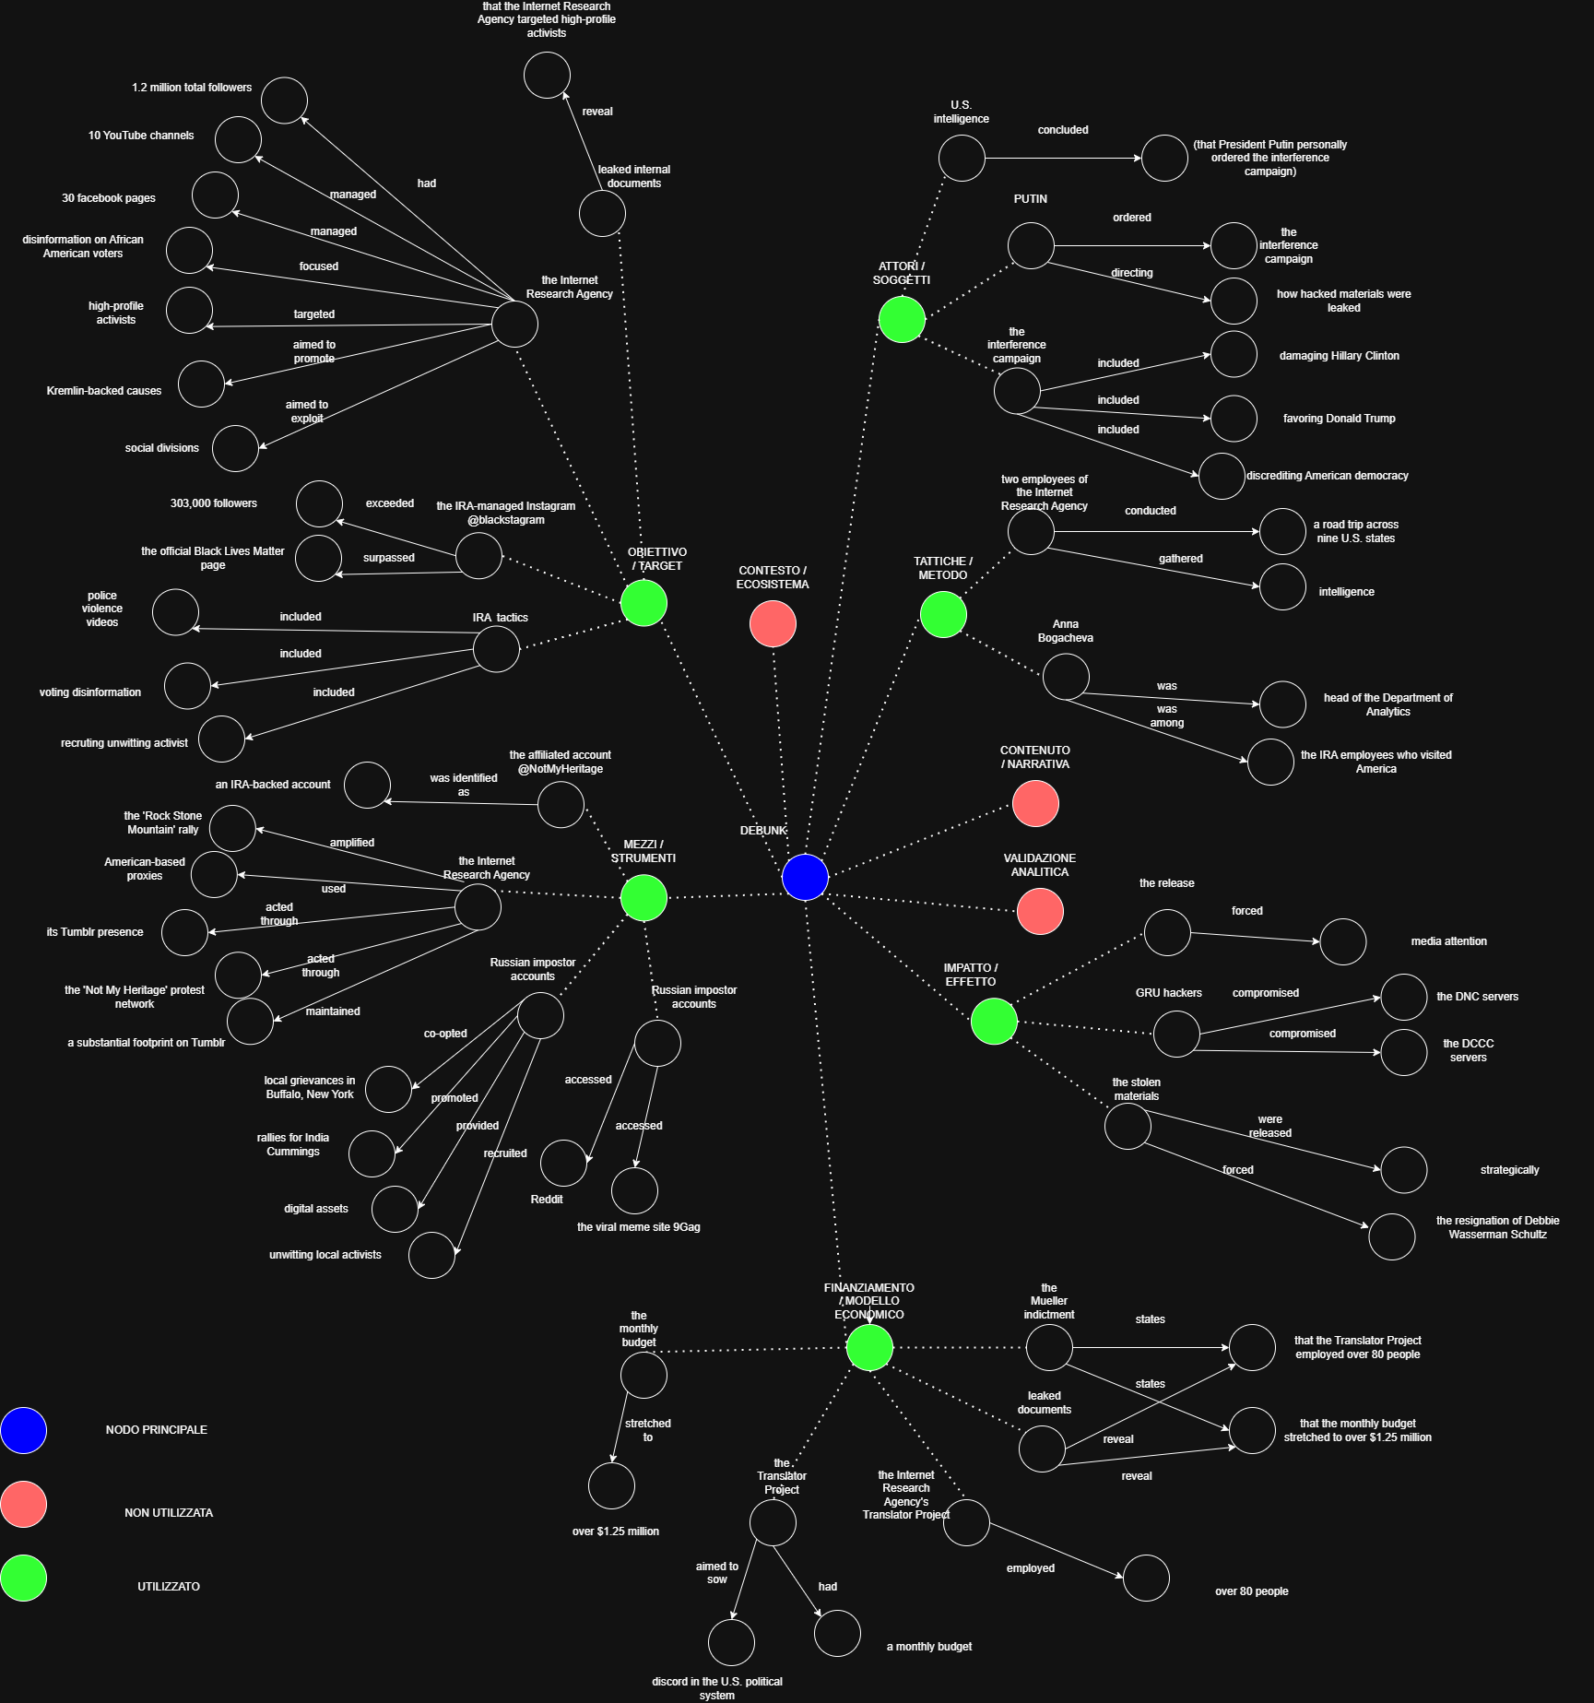
CATEGORIA | SIGNIFICATO | NUMERO EVIDENZE
ATTORI / SOGGETTI | Chi conduce l'operazione | 28
TATTICHE / METODO | Come viene condotta | 62
MEZZI / STRUMENTI | Attraverso quali piattaforme | 28
OBIETTIVO / TARGET | Chi viene preso di mira | 18
CONTENUTO / NARRATIVA | Che tipo di contenuto viene prodotto | 50
IMPATTO / EFFETTO | Conseguenze misurabili | 20
VALIDAZIONE ANALITICA | Come è stata smontata | 54
CONTESTO / ECOSISTEMA | Fattori ambientali abilitanti | 39
FINANZIAMENTO / MODELLO ECONOMICO | Come viene monetizzata | 20

EVIDENZE TOTALI |  | 319

