Req_CFG_CC_Paths
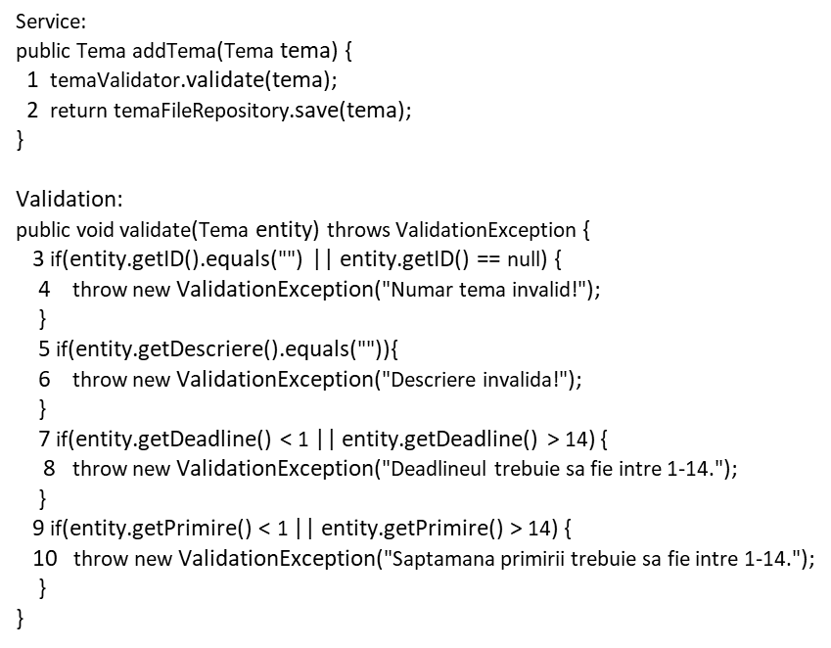
Cyclomatic complexity
CC_1 | regions
CC_2 | E-N+2
CC_3 | Predicate+1
1

4
3
Individual Paths
1 | 1,3,4
2 | 1,3,5,6
3 | 1,3,5,7,8
5
6
4 | 1,3,5,7,9,10
5 | 1,3,5,7,9,2
8
6
7

2
10
9

