Report
UF
★Uniformity (Picture) Luminance UF[%]= min([...])

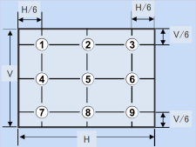

★Corner dark | Sample No. | Corner dark comparison |  |  |  |  | UF(%) | Brightness (Corrected based on Y=0.285) | Chroma (x,y) | Sample No. | Corner dark comparison |  |  |  |  | UF(%) | Brightness (Corrected based on Y=0.285) | Chroma (x,y)
 |  | AVE | LT | RT | LB | RB |  |  |  |  | AVE | LT | RT | LB | RB

UF
★Uniformity (Picture) Luminance UF[%]= min([...])

★Corner dark | Sample No. | Corner dark comparison |  |  |  |  | UF(%) |  |  | Sample No. | Corner dark comparison |  |  |  |  | UF(%)
 |  | AVE | LT | RT | LB | RB |  |  |  |  | AVE | LT | RT | LB | RB

White Mura
★White Mura (Picture) Luminance White Mura= max([...])

