Project Overview
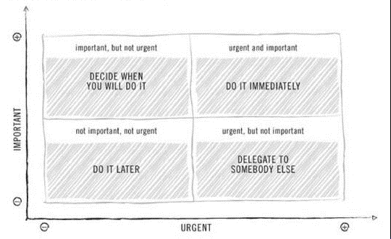
Project Tracker v0.1 |  | Instructions: |  |  |  | Finds task with the most urgency/importance from Action Items.
 |  | Modify 'Project Name (WAM)' and 'Task Name (WAM)' accordingly. The other cells will update automatically based on content in the Action Items tab. Add new rows when you get new projects. |  |  |  |  |  |  | Inspired by the Eisenhower Matrix:
By: Austin Owens |  |  |  |  |  | 0 = most 9 = least

Project Name (WAM) | Task Name (WAM) | Total Action Items | Open | In Progress | Closed | Urgency | Importance | Estimated Hrs Left
Project A | Task A | 3 | 3 | 0 | 0 | 1 | 0 | 18
Project B | Task B | 1 | 0 | 1 | 0 | 6 | 6 | 10
Project B | Task C | 1 | 1 | 0 | 0 | 5 | 3 | 20
Project C | Task D | 1 | 0 | 0 | 1 | N/A | N/A | 0

