Screenshot Gallery
Phase 1 - Home (founder-approved evidence set)
completely-new-user-corrected-390x844.png | active-application-corrected-390x844.png | imminent-interview-corrected-1440x900.png
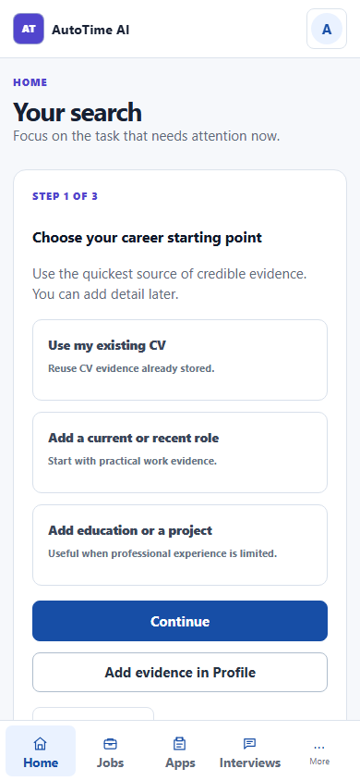 | 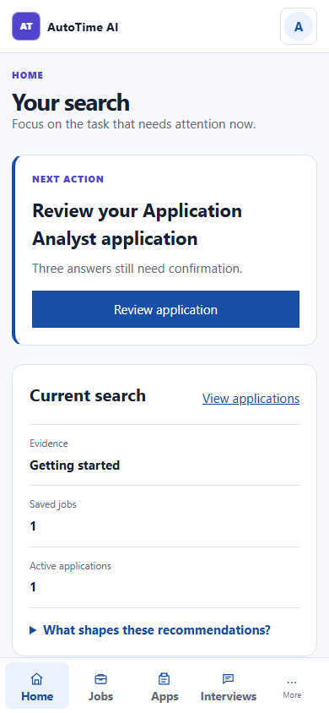 | 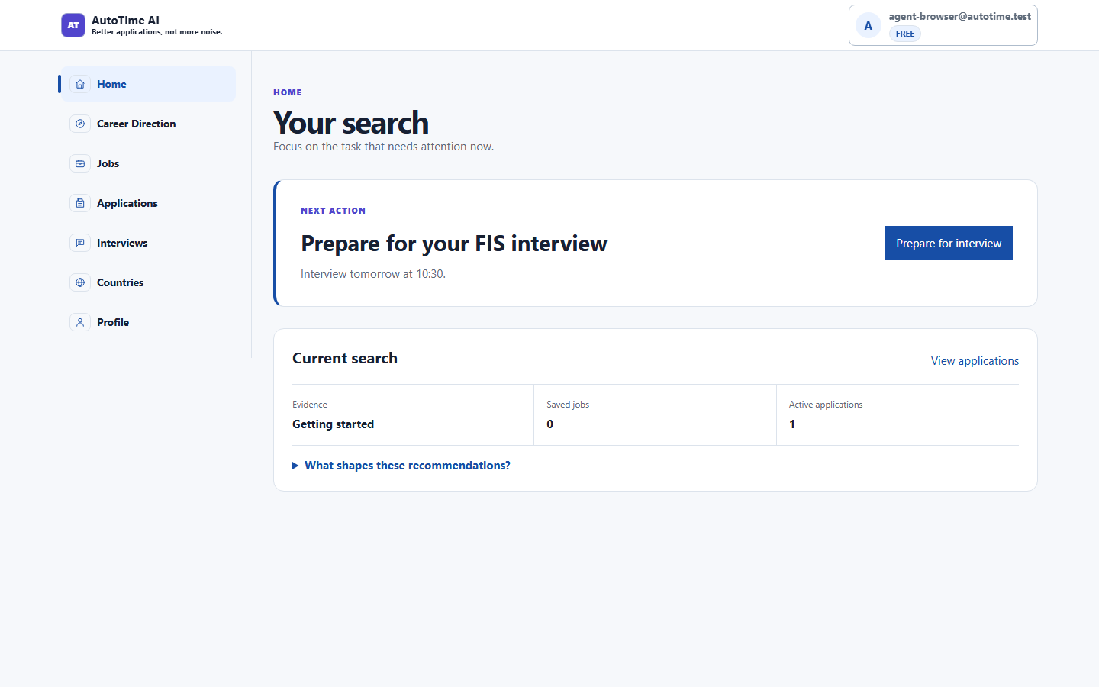
imminent-interview-corrected-390x844.png | integration-unavailable-corrected-390x844.png
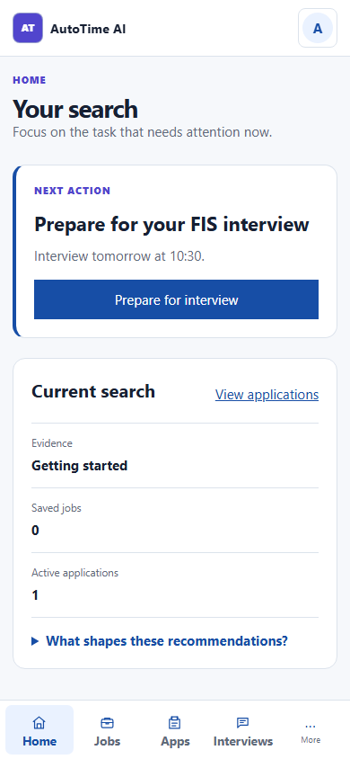 | 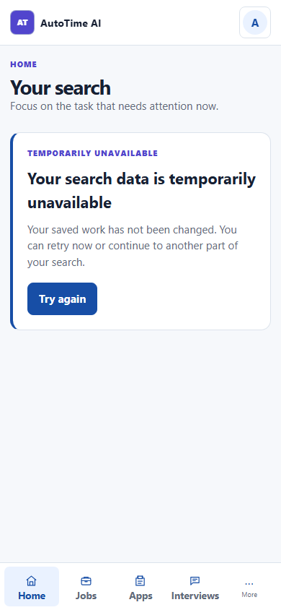

Phase 2 - Jobs & analysis
jobs-empty-1440x900.png | jobs-populated-1440x900.png | job-detail-1440x900.png
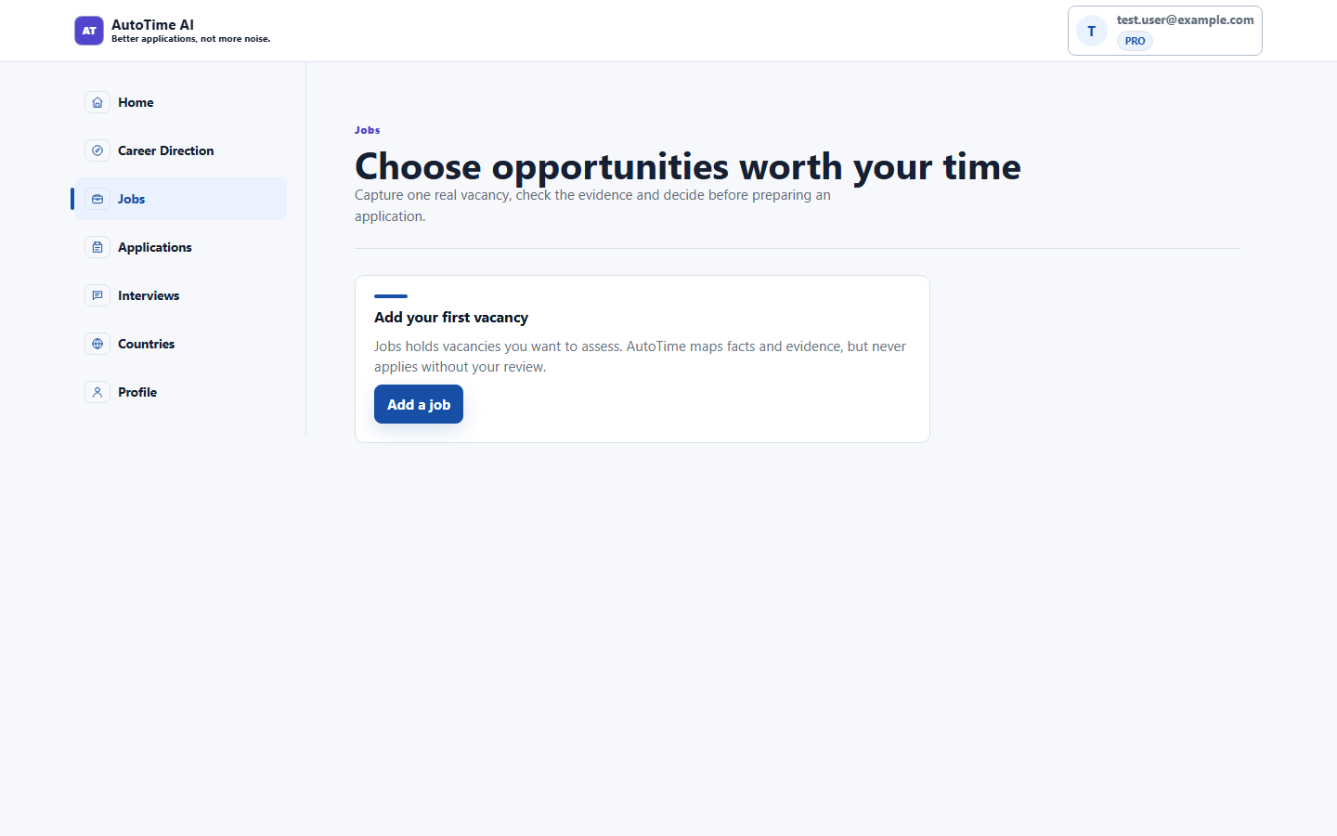 | 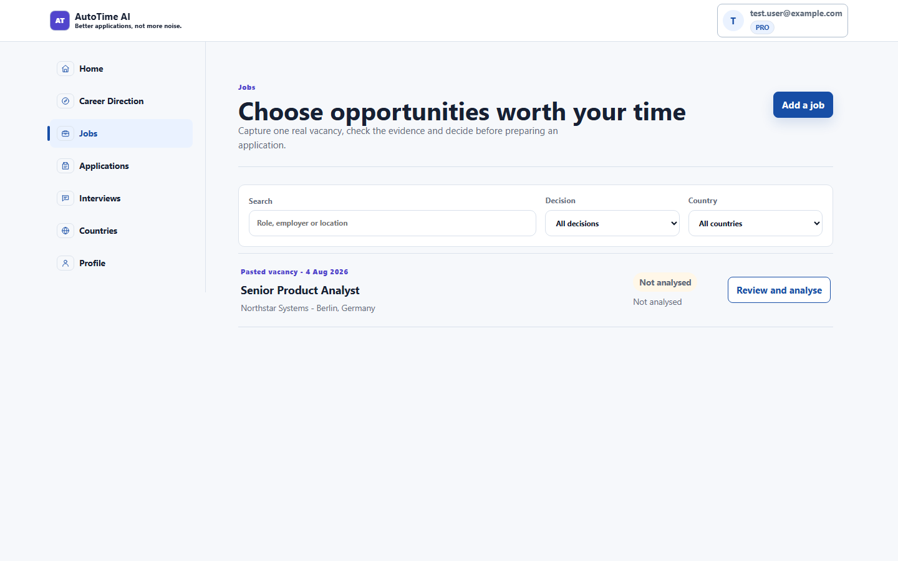 | 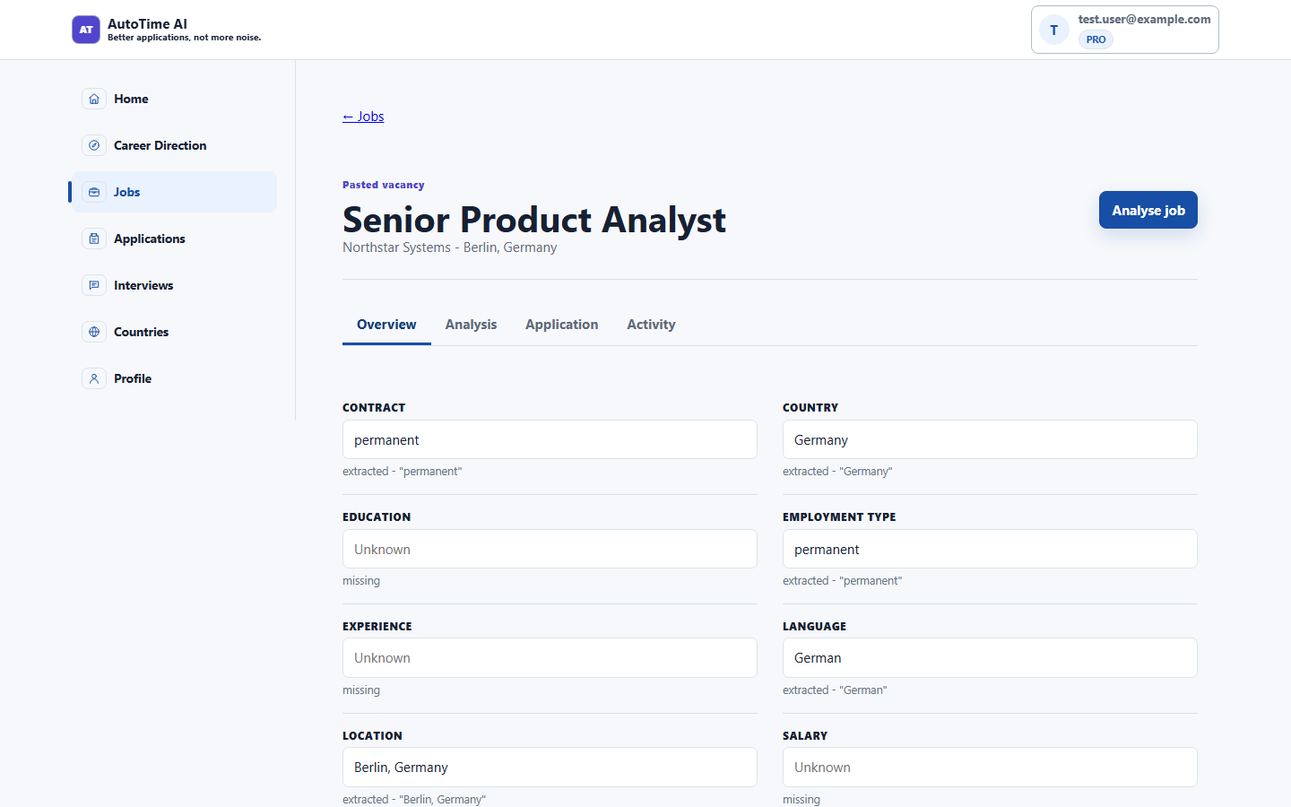
analysis-consider-1440x900.png | analysis-consider-390x844.png
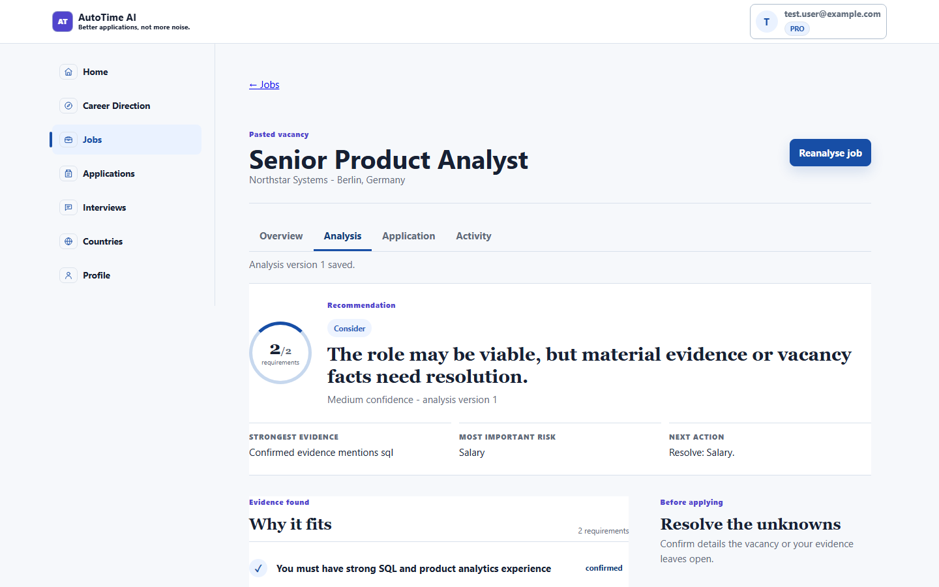 | 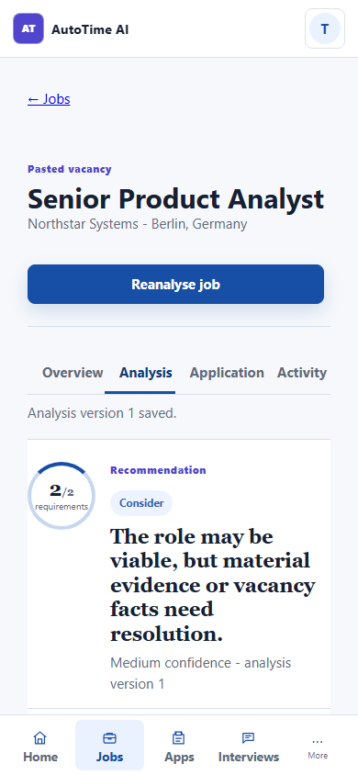

Phase 3 - Applications
pipeline-empty-1440x900.png | pipeline-multiple-stages-1440x900.png | blocked-unsupported-claim-1440x900.png
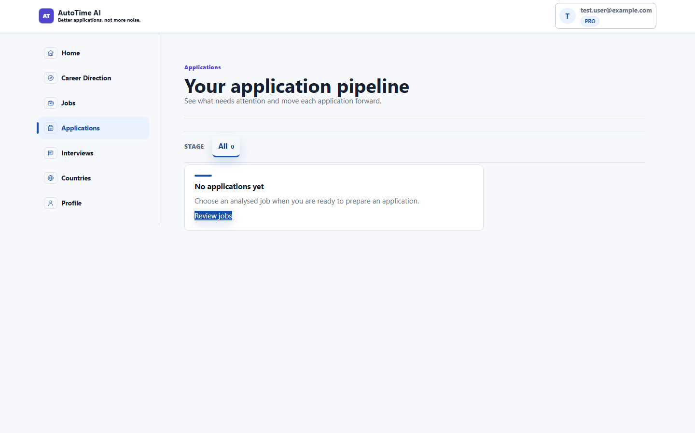 | 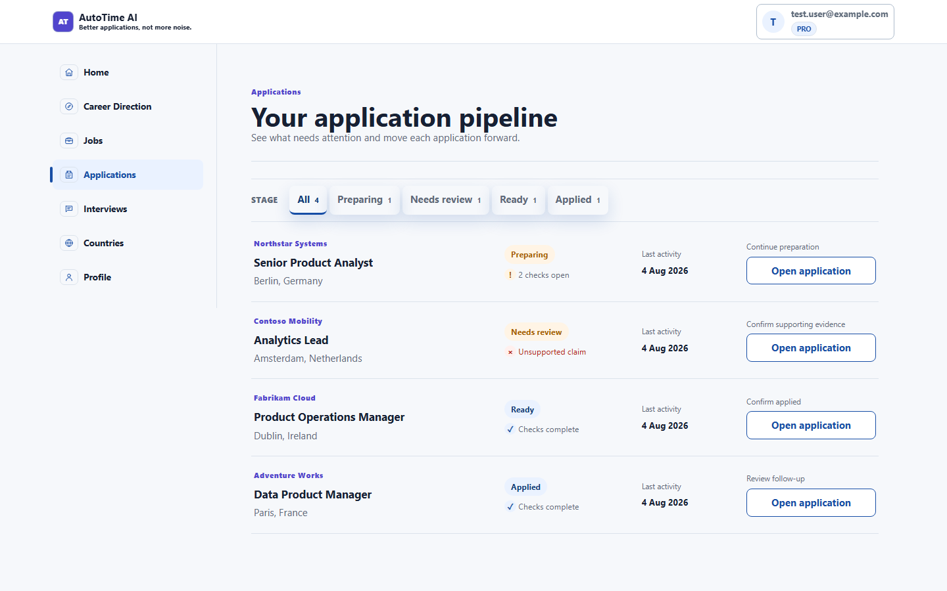 | 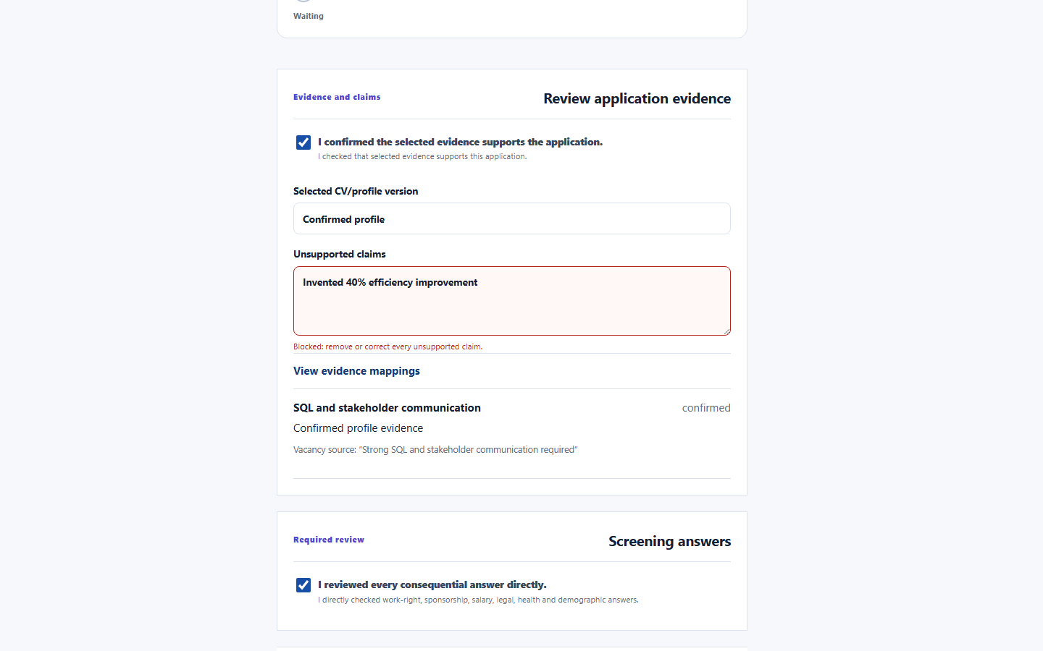
ready-application-1440x900.png | applied-confirmation-1440x900.png | rejected-application-1440x900.png
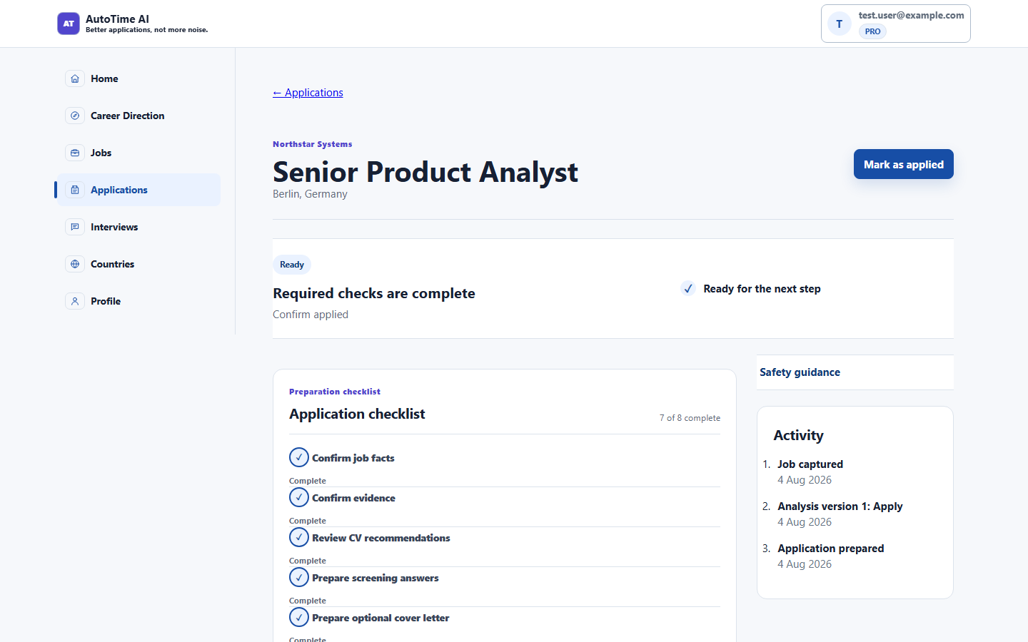 | 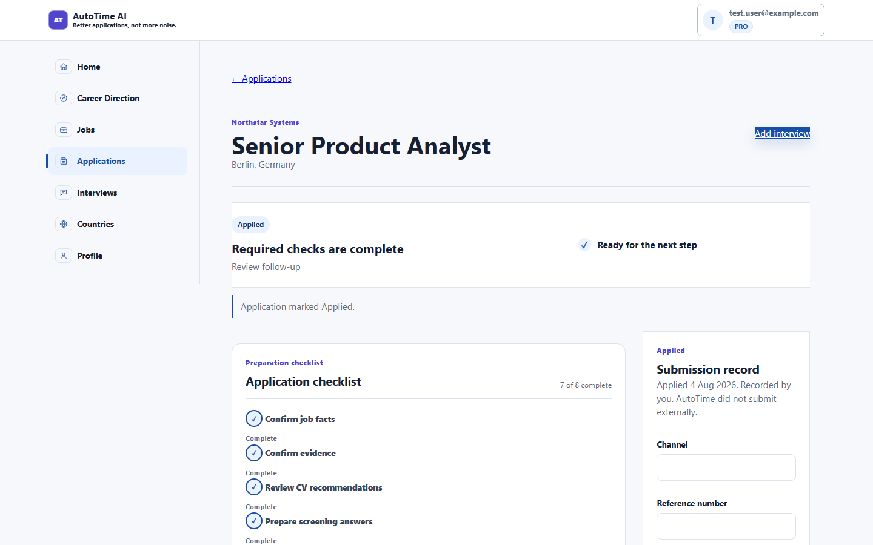 | 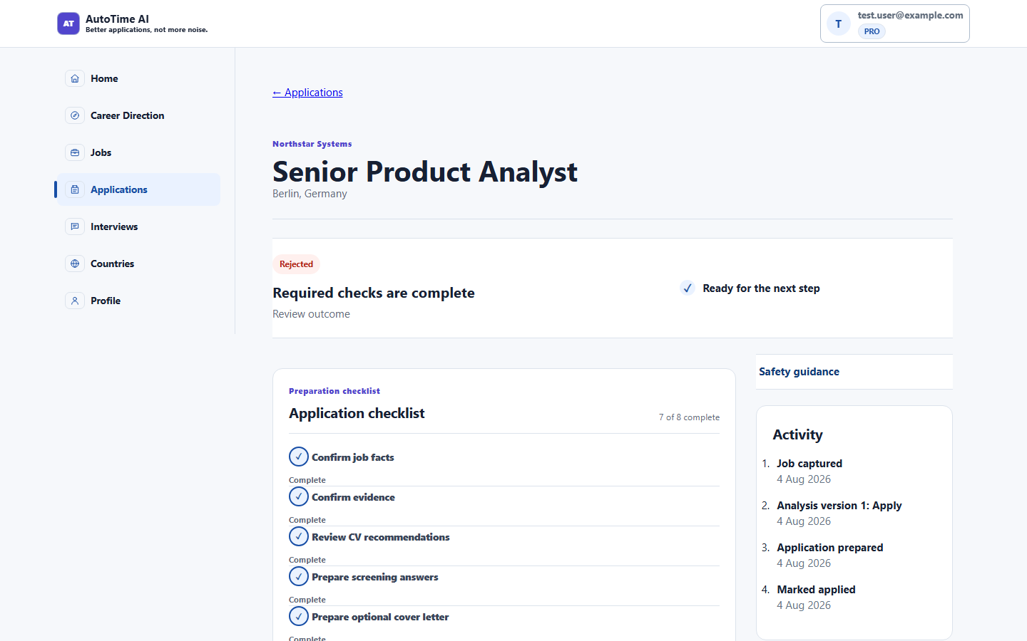
application-detail-1024x768.png | loading-390x844.png | unavailable-390x844.png
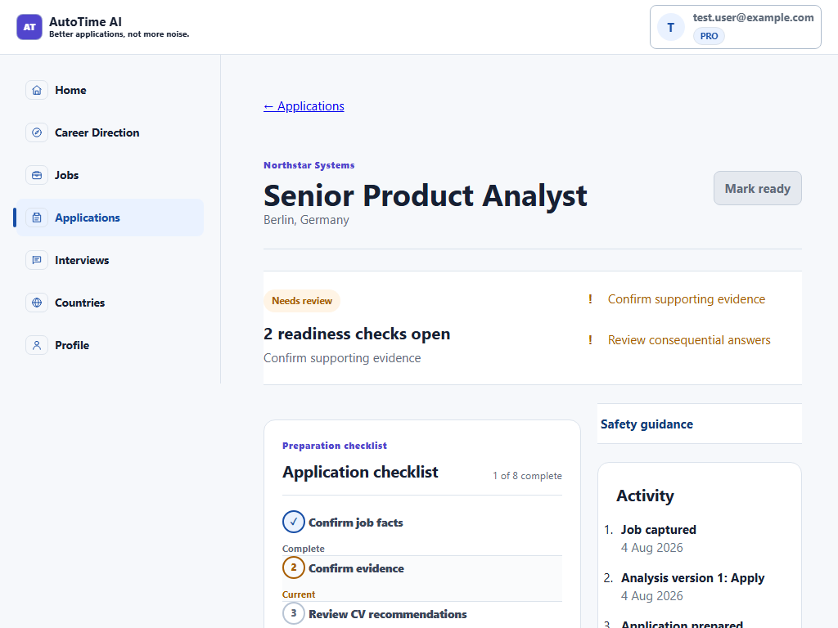 | 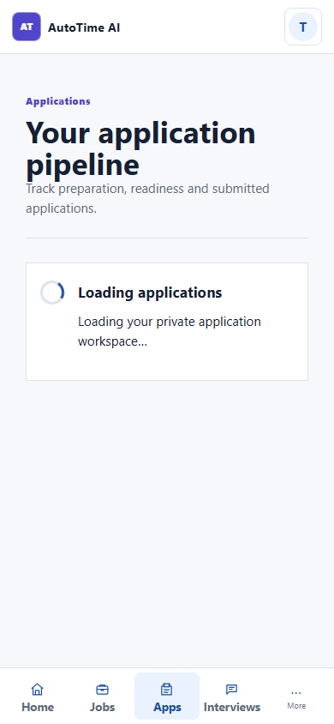 | 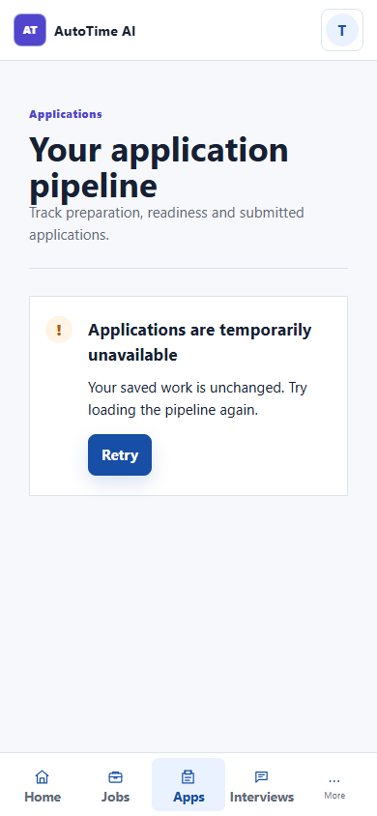

Phase 3 - Applications (decision journeys)
apply-analysis-1440.png | consider-analysis-390.png | skip-analysis-1440.png
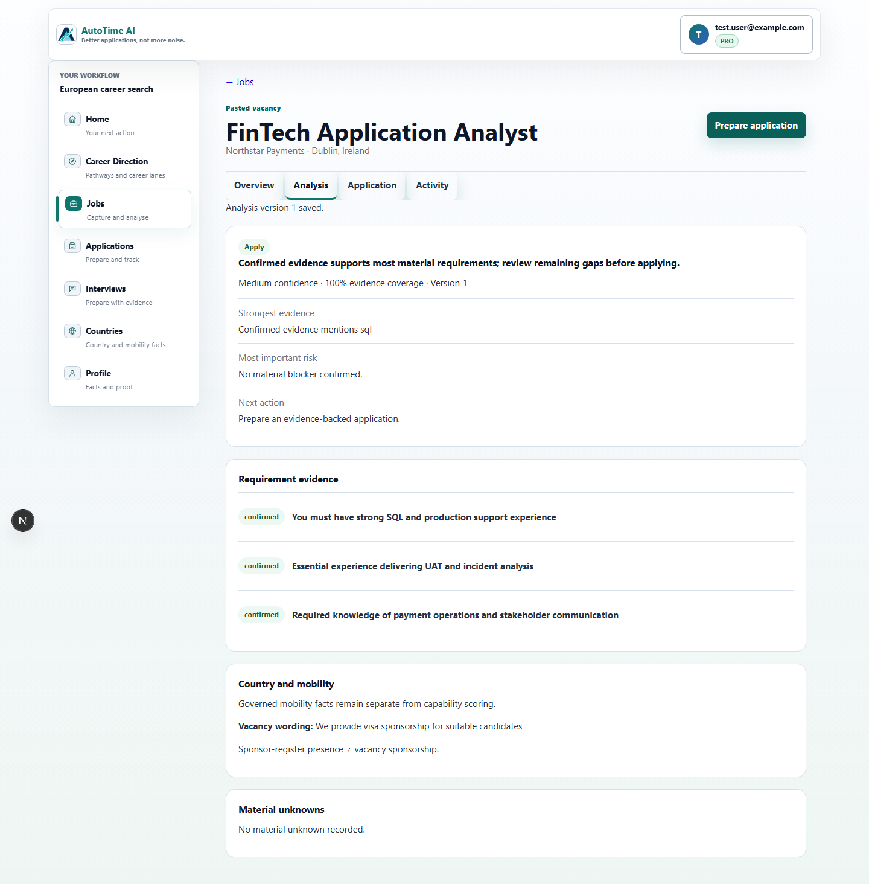 |  | 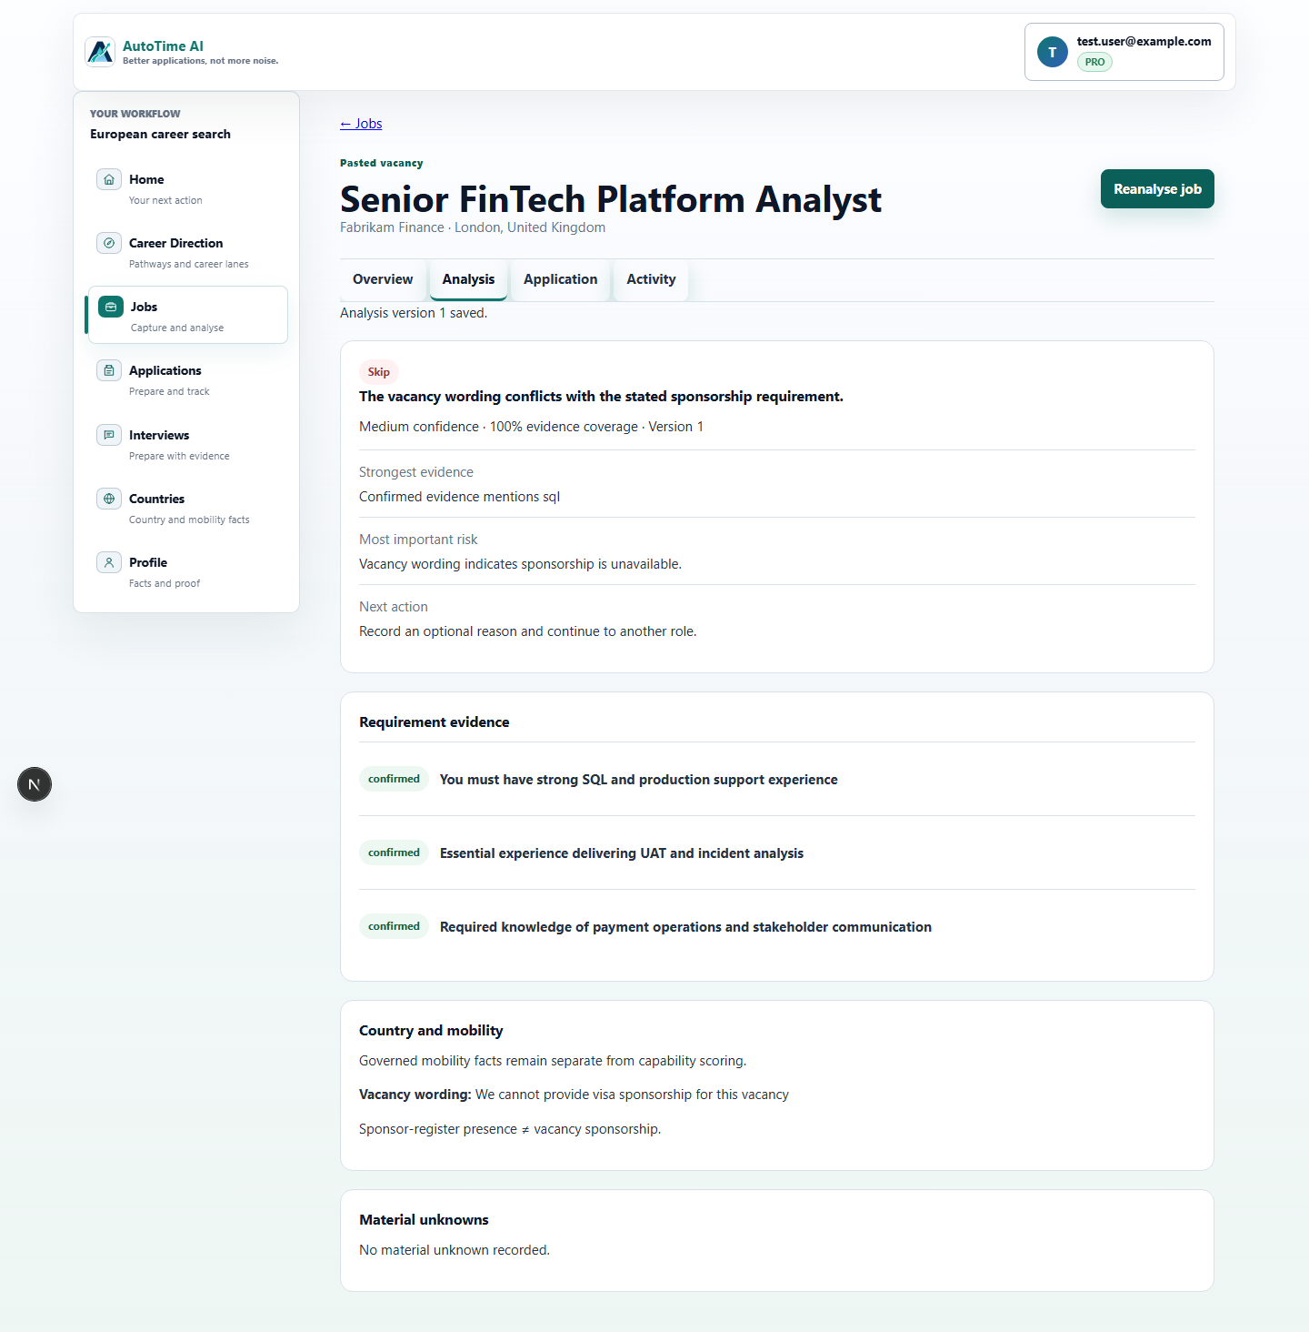
applied-state-1440.png | unsupported-claim-block-1440.png
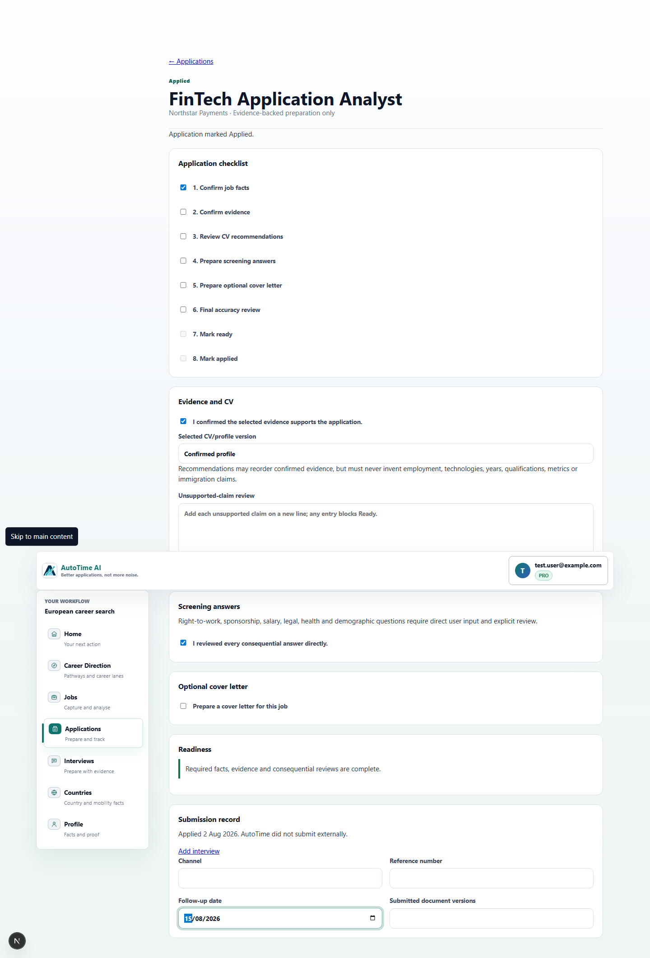 | 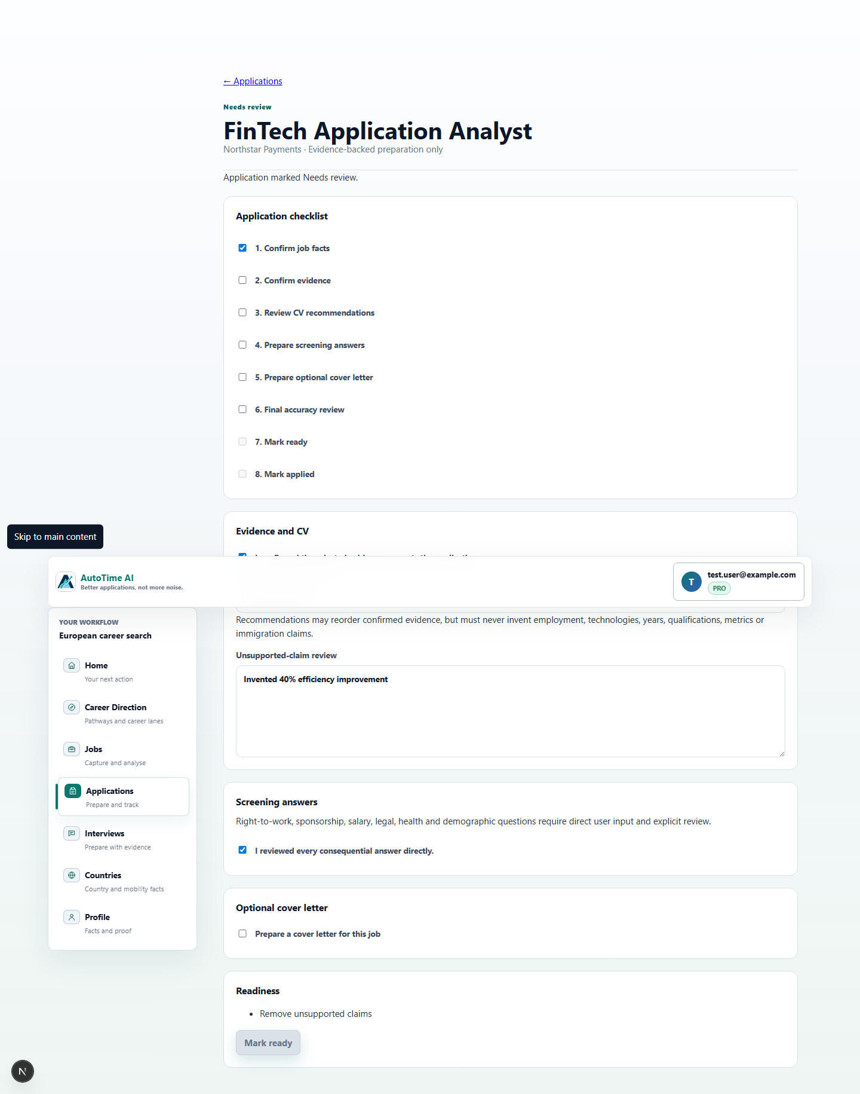

Phase 4 - Interviews
pipeline-empty-1440x900.png | pipeline-multiple-stages-1440x900.png | overview-1440x900.png
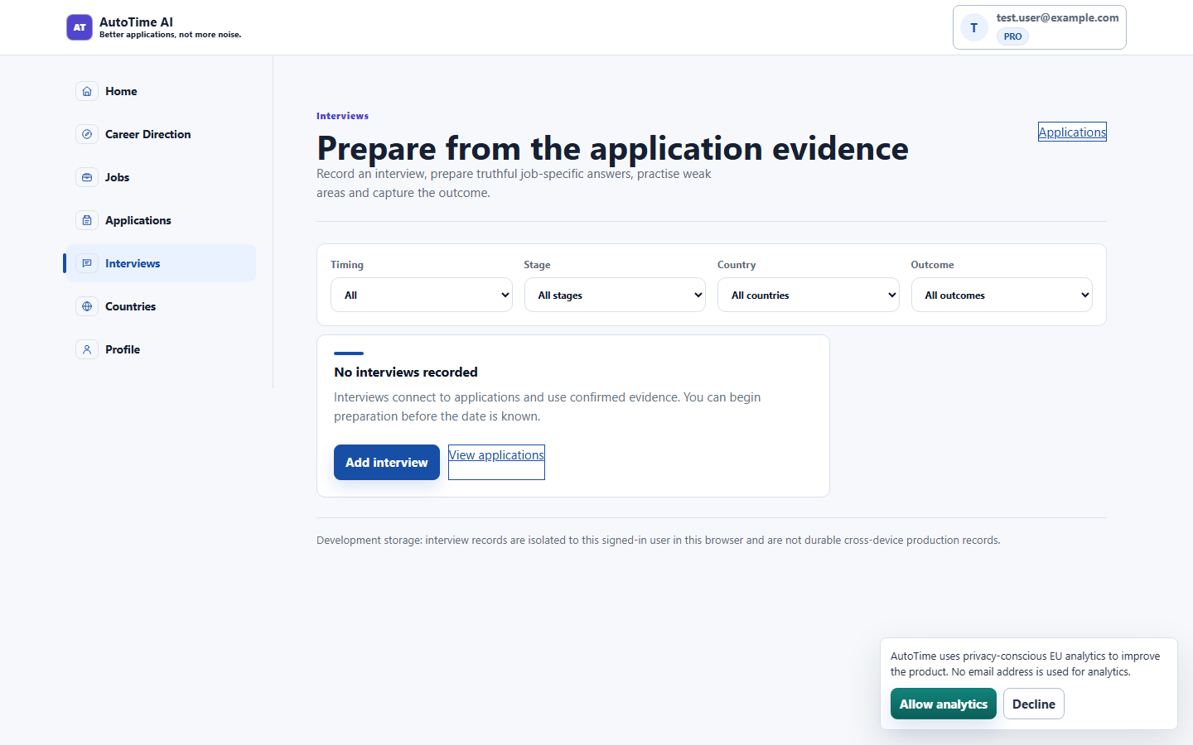 | 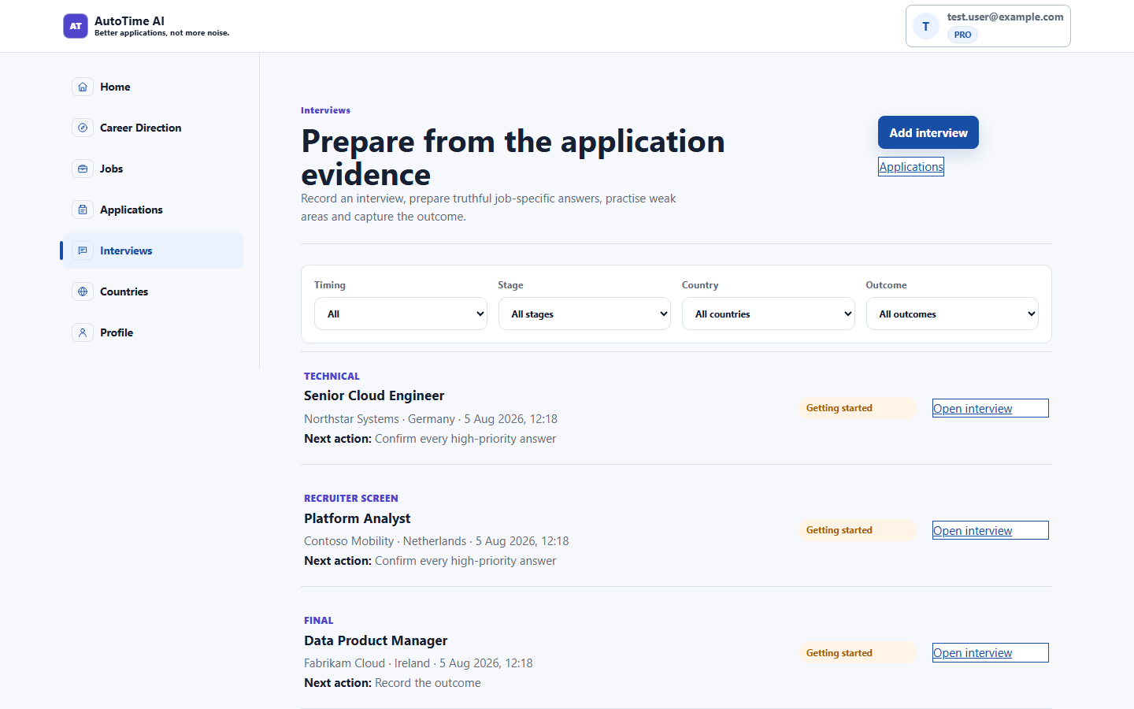 | 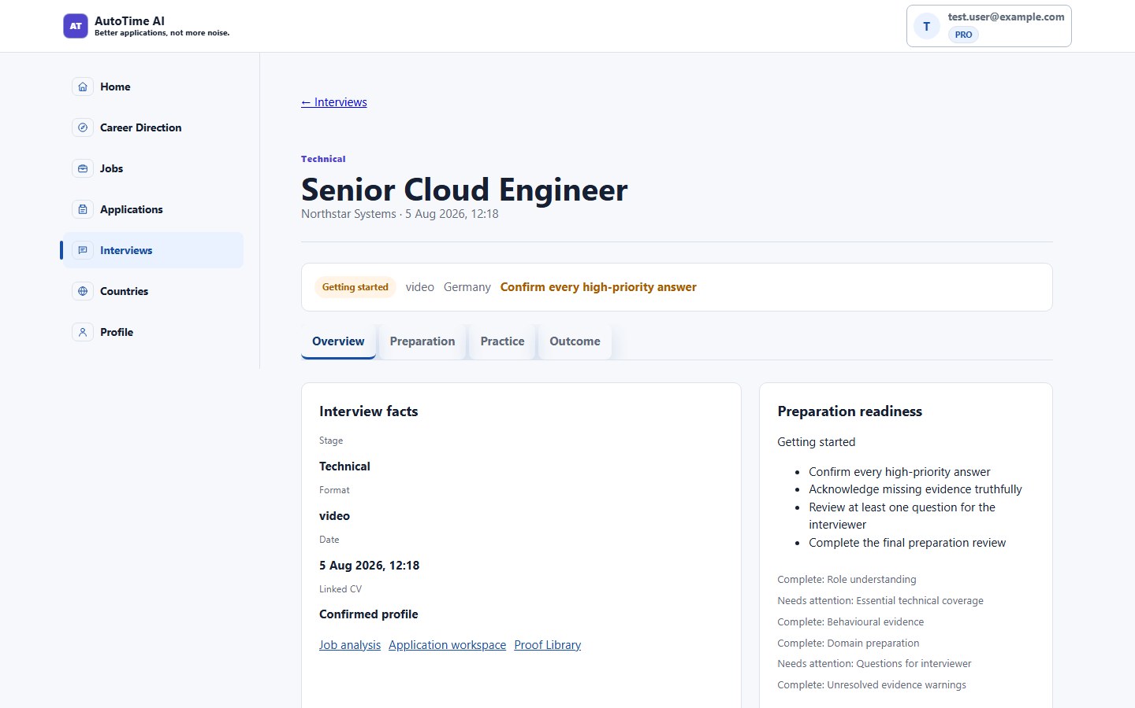
preparation-blocked-1440x900.png | practice-1440x900.png | outcome-1440x900.png
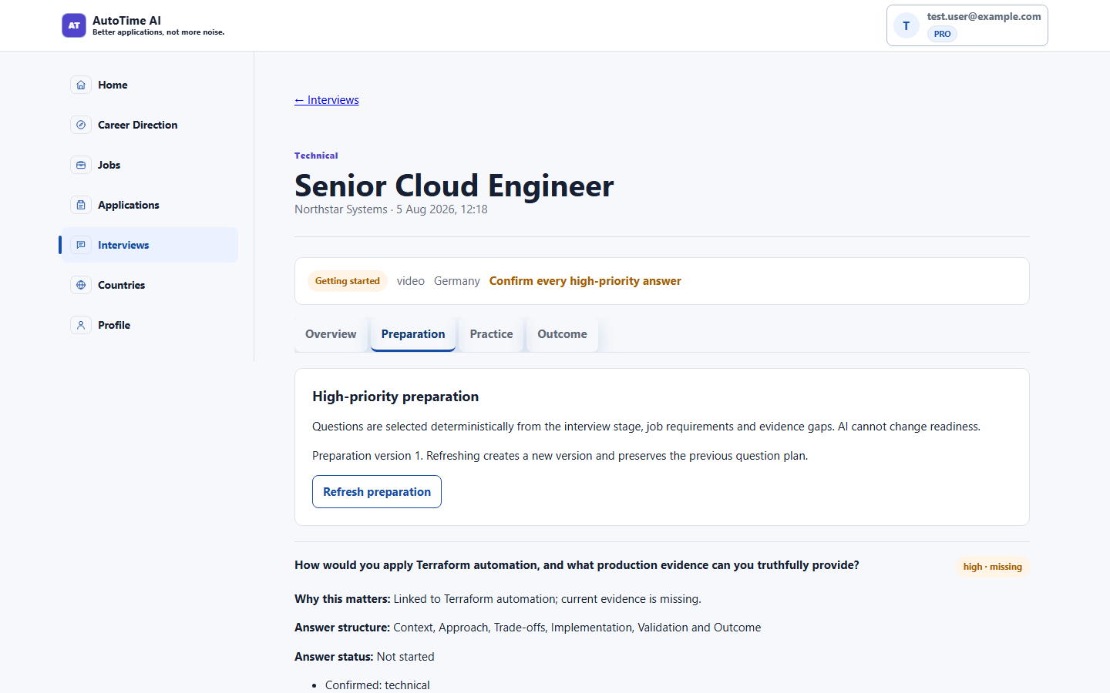 | 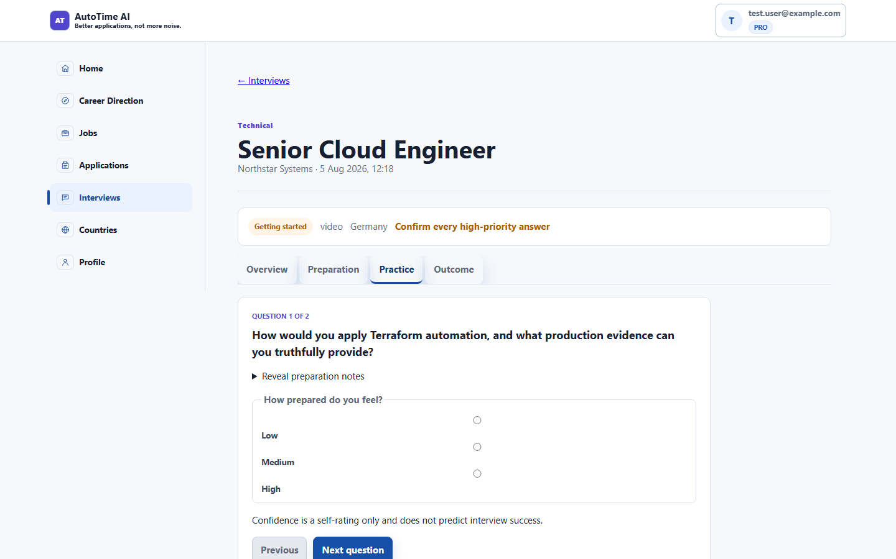 | 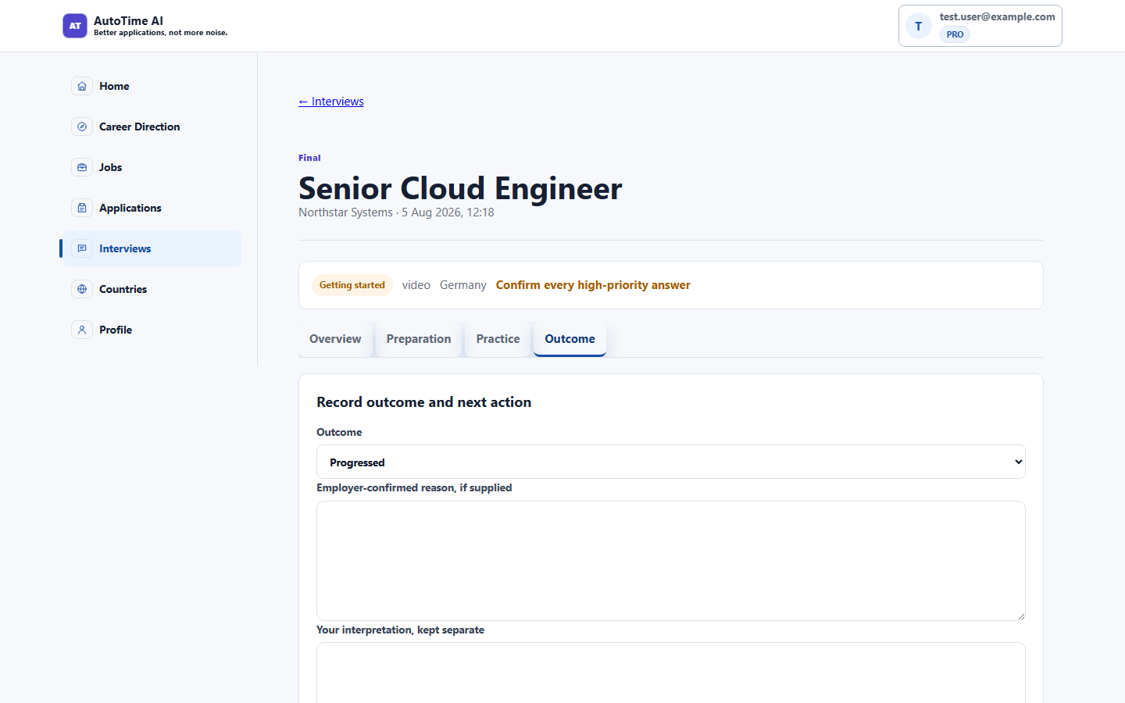
detail-1024x768.png
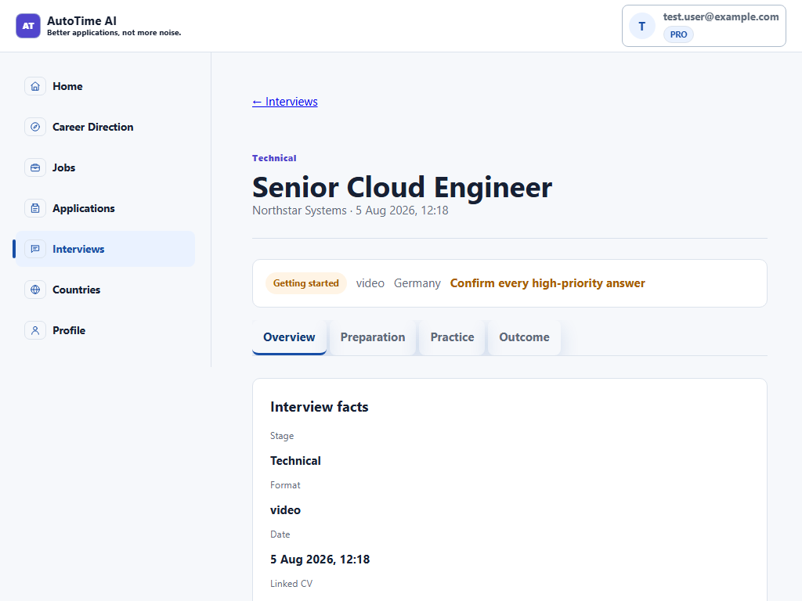

Phase 4 - Interviews (cross-links & practice)
home-interview-priority-1440.png | application-linked-interview-1440.png | application-pipeline-after-outcome-1440.png
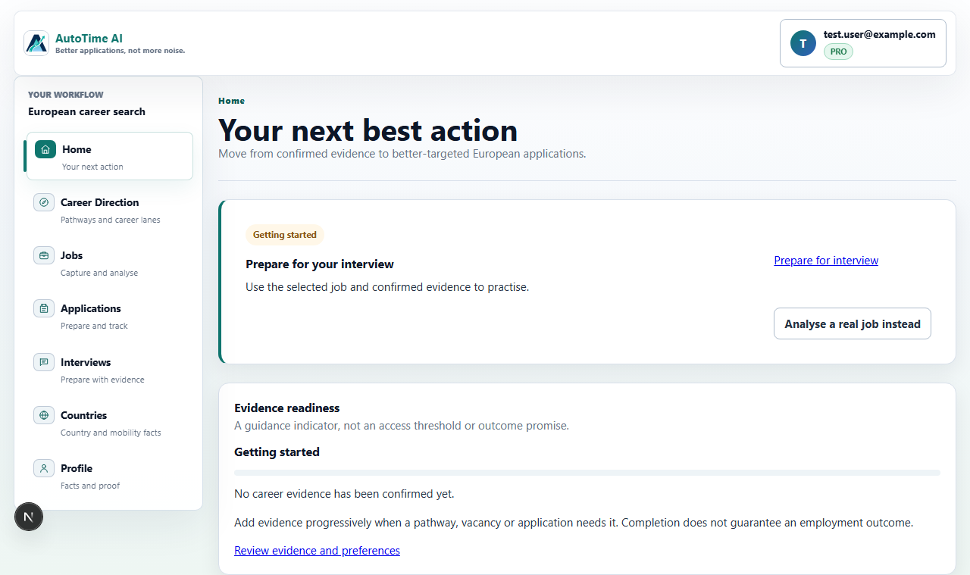 | 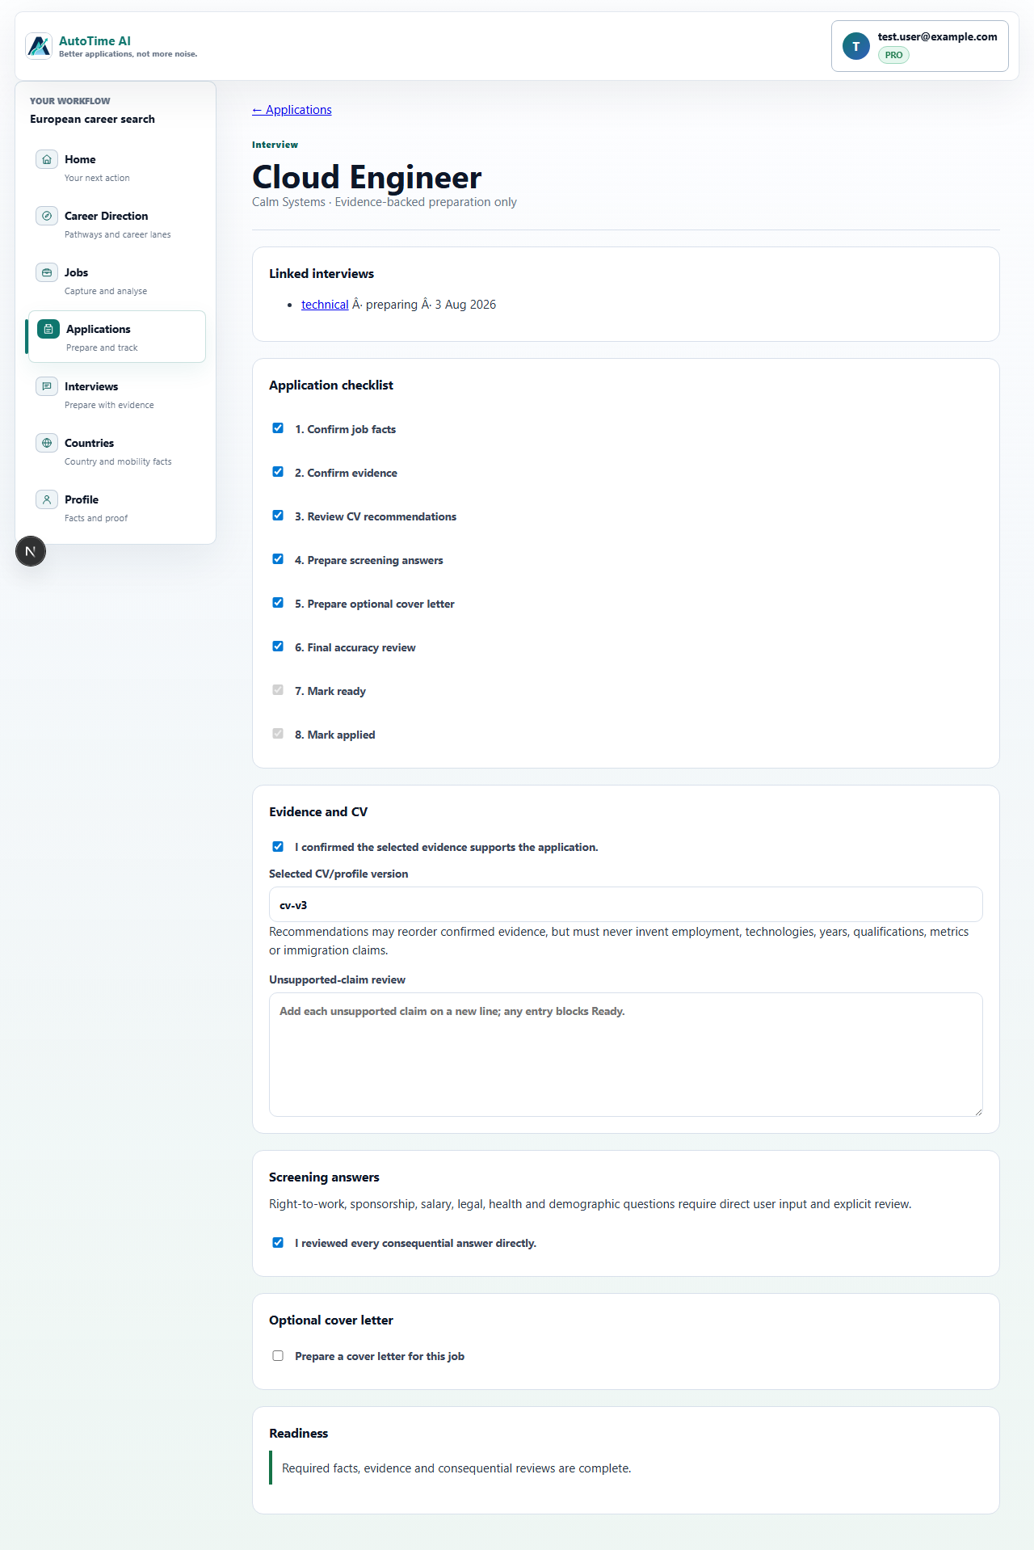 | 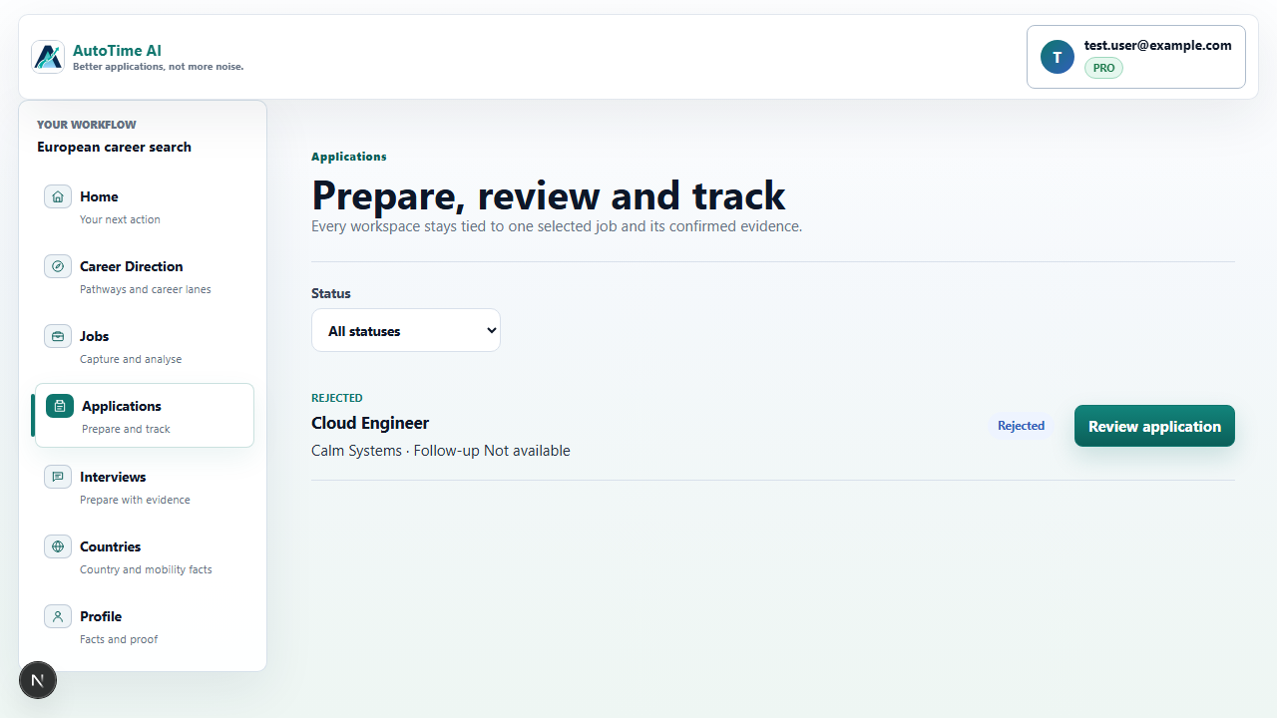
ready-after-final-review-1440.png | preparation-390x844.png
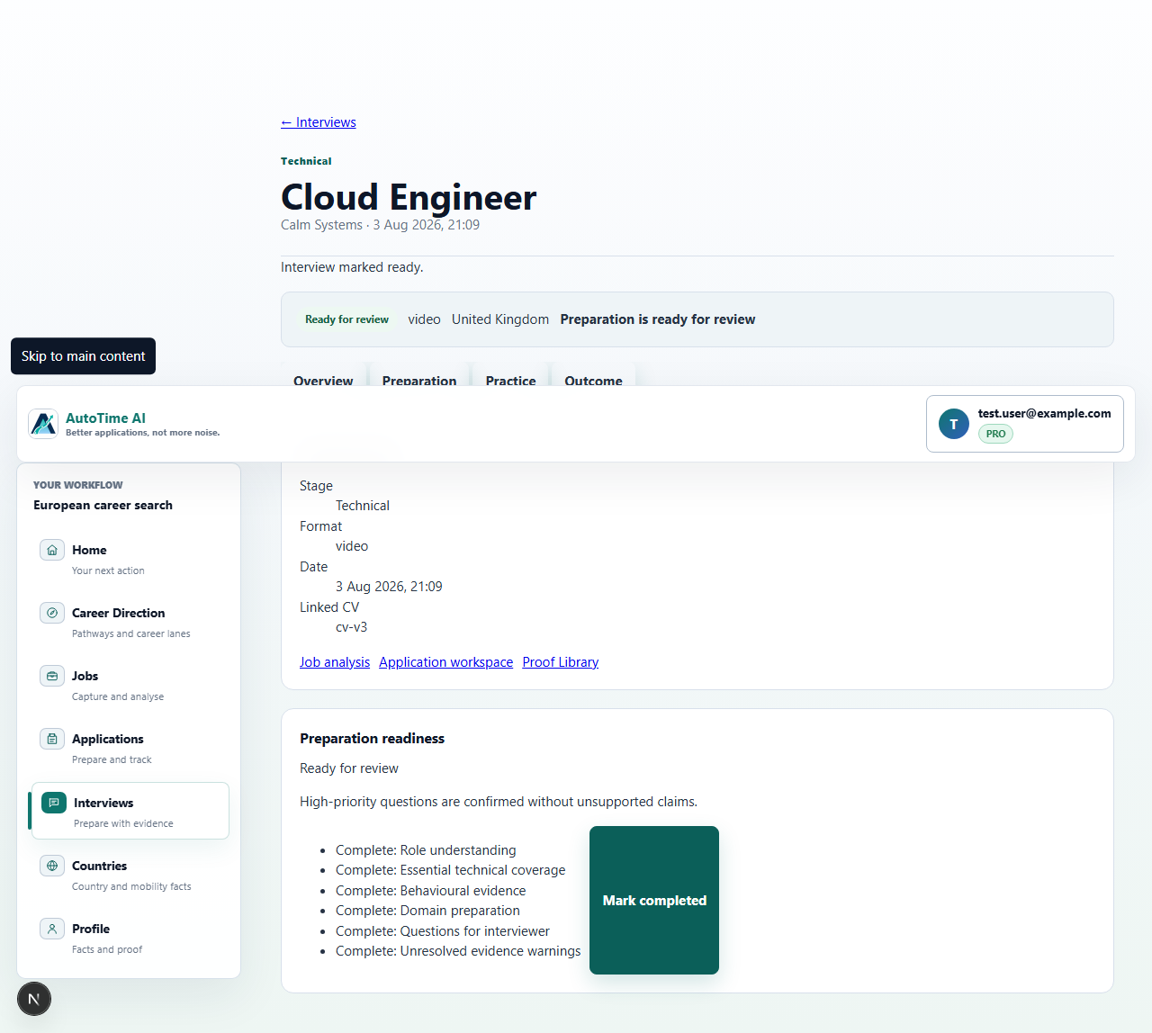

Phase 5 - Countries
overview-1440x900.png | country-workspace-1440x900.png | country-workspace-blocked-1440x900.png
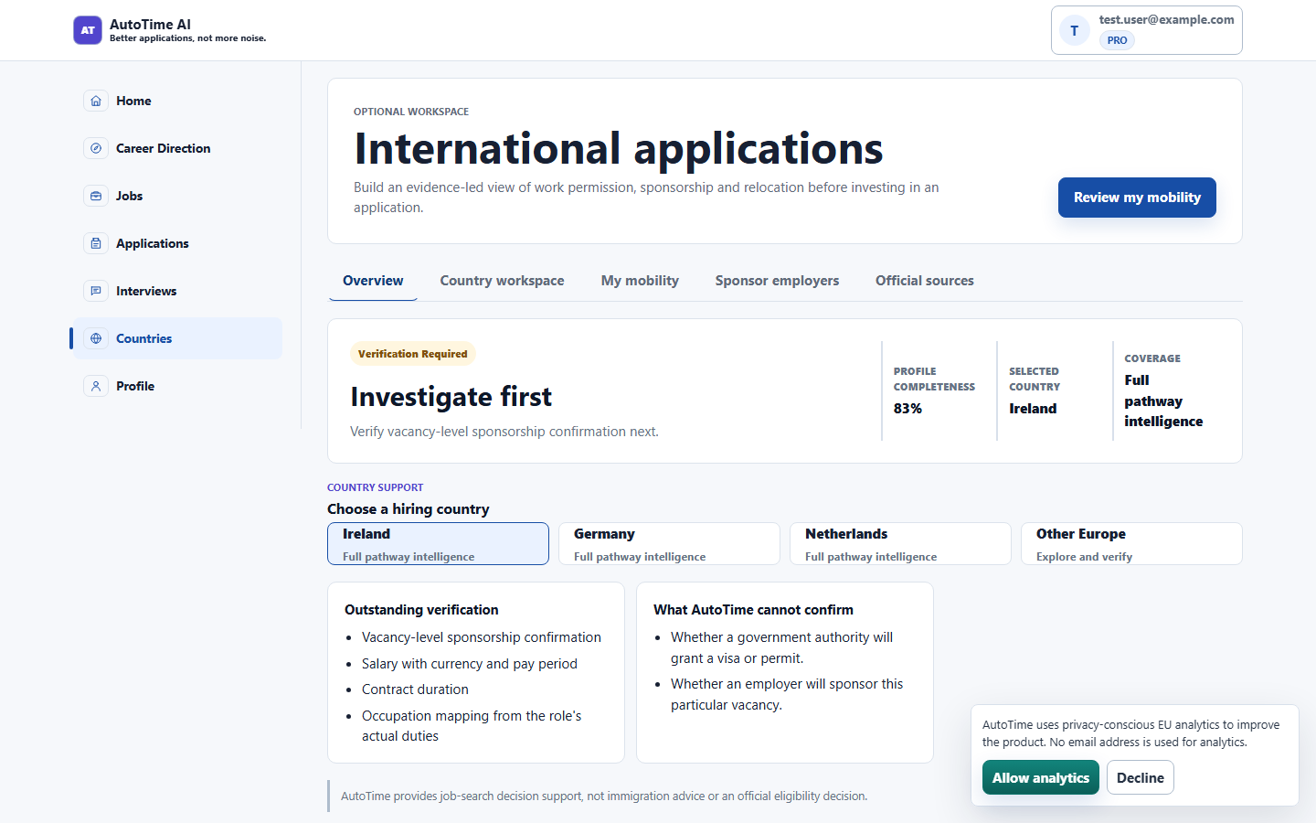 | 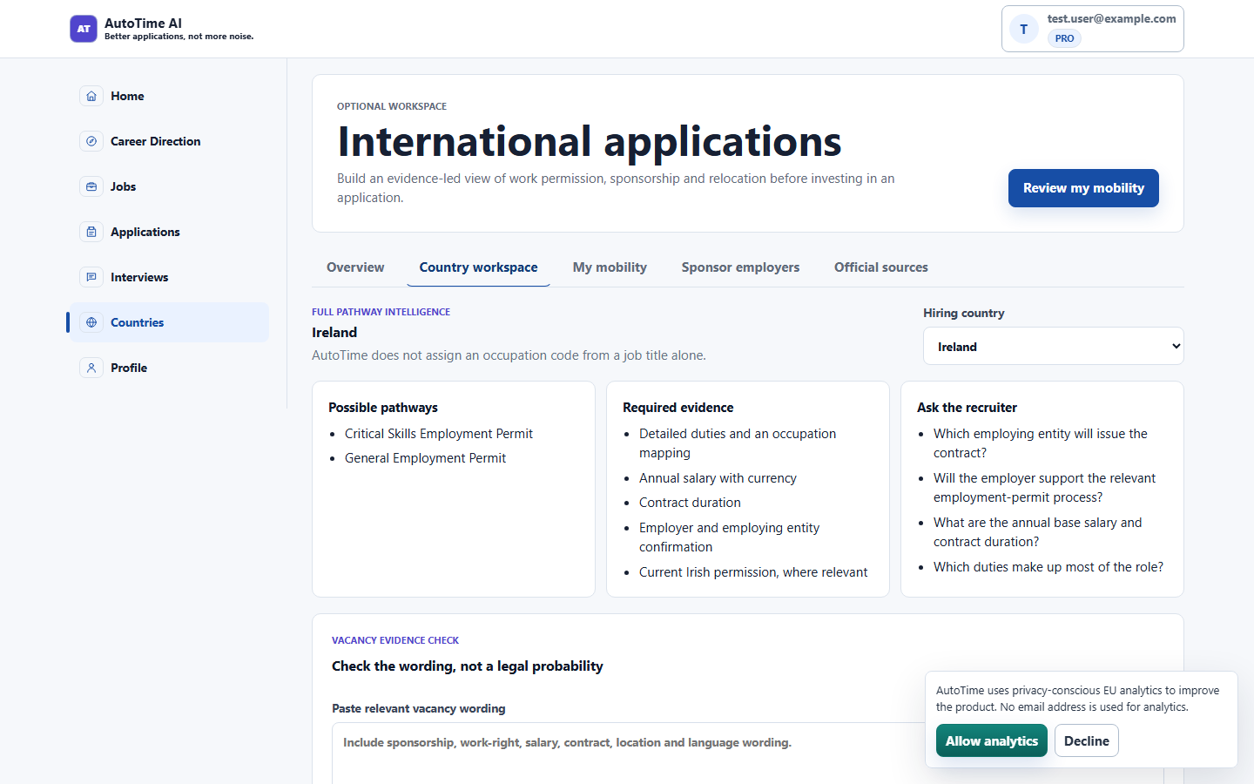 | 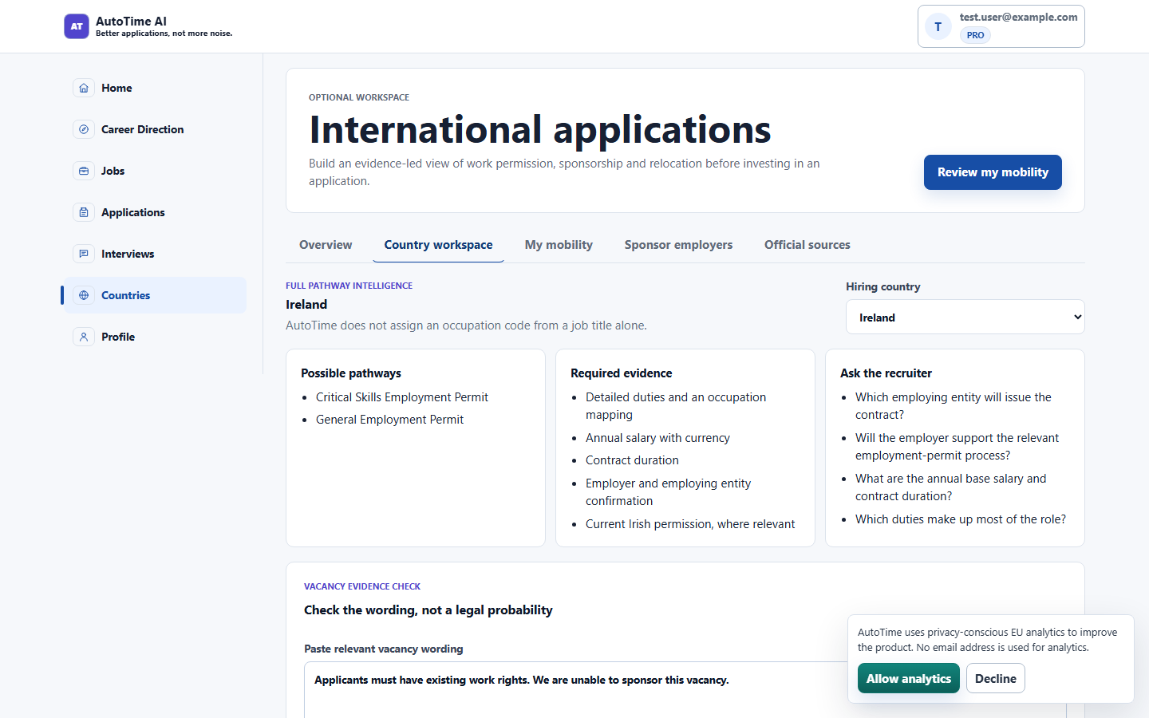
mobility-form-1440x900.png | sponsor-employers-1440x900.png | official-sources-1440x900.png
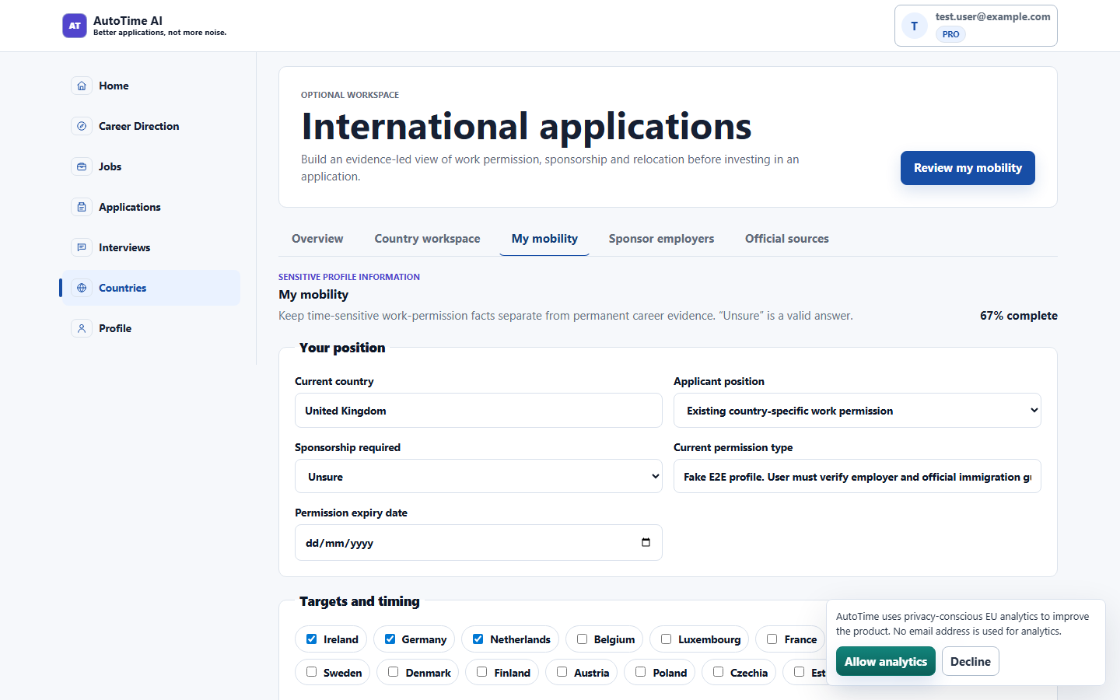 | 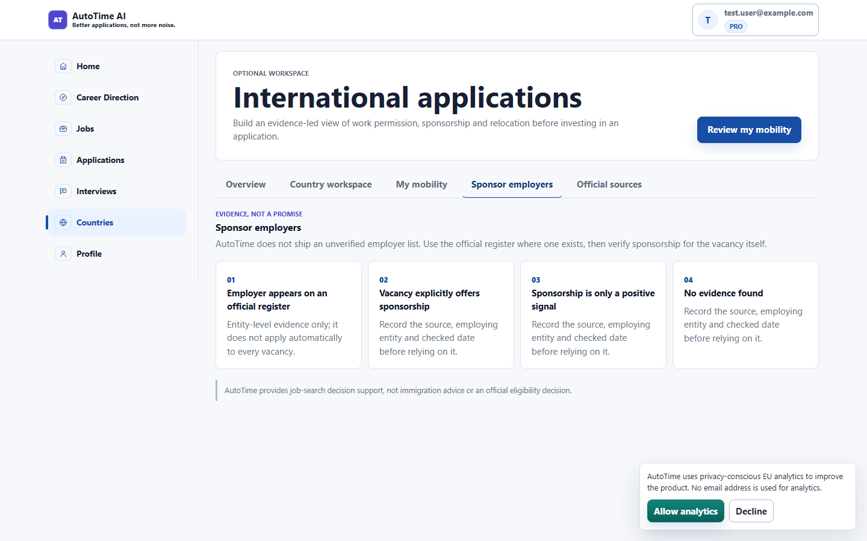 | 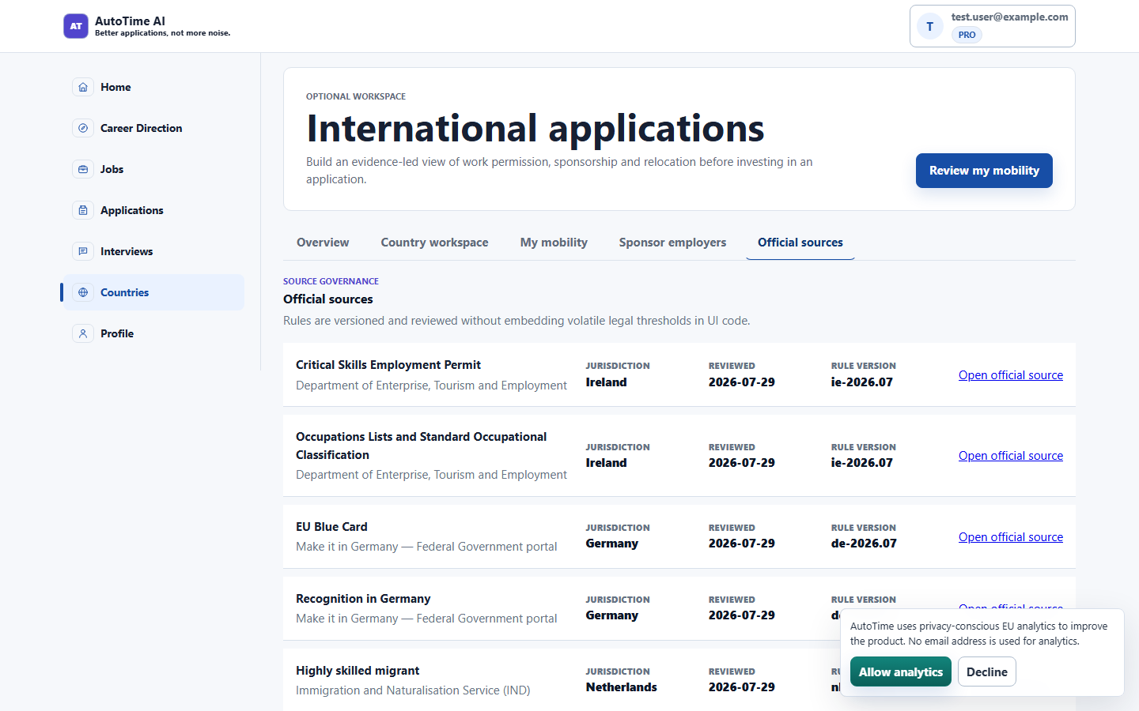

Phase 6 - Career Direction
stage1-evidence-empty-1440x900.png | stage1-evidence-confirmed-1440x900.png | stage2-preferences-1440x900.png
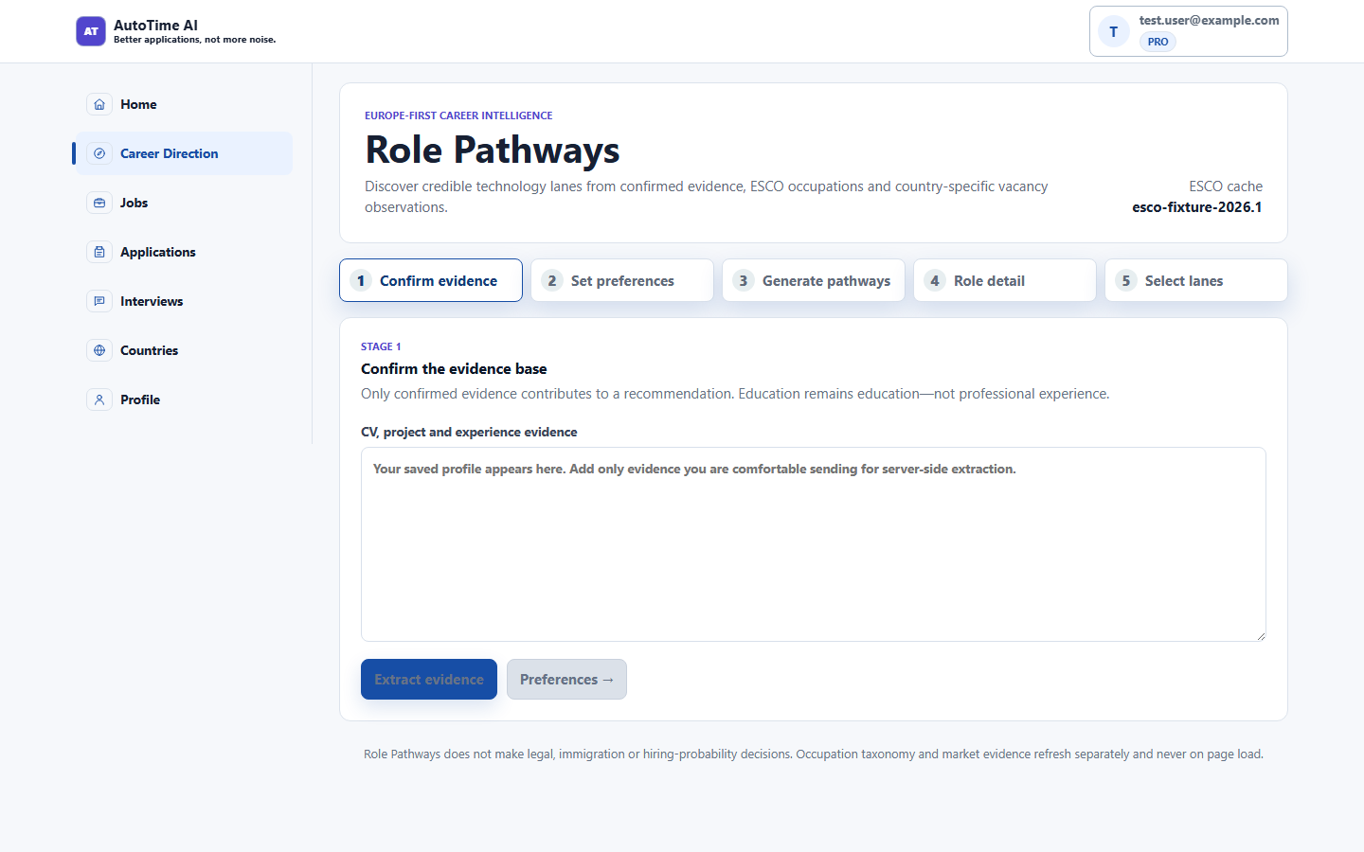 | 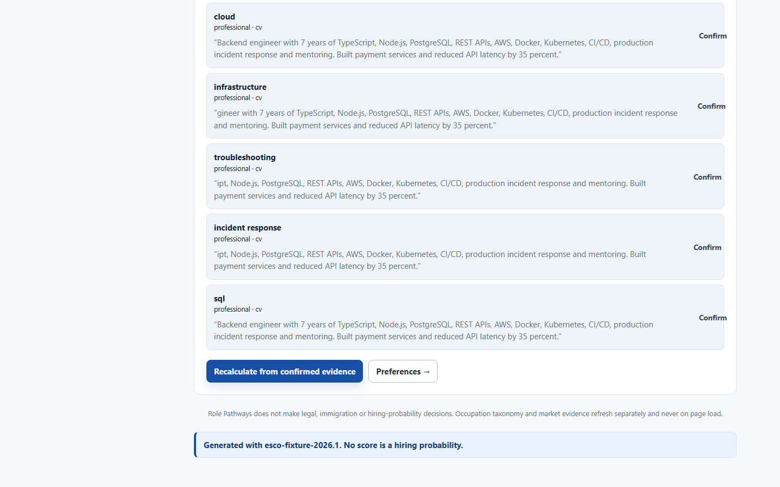 | 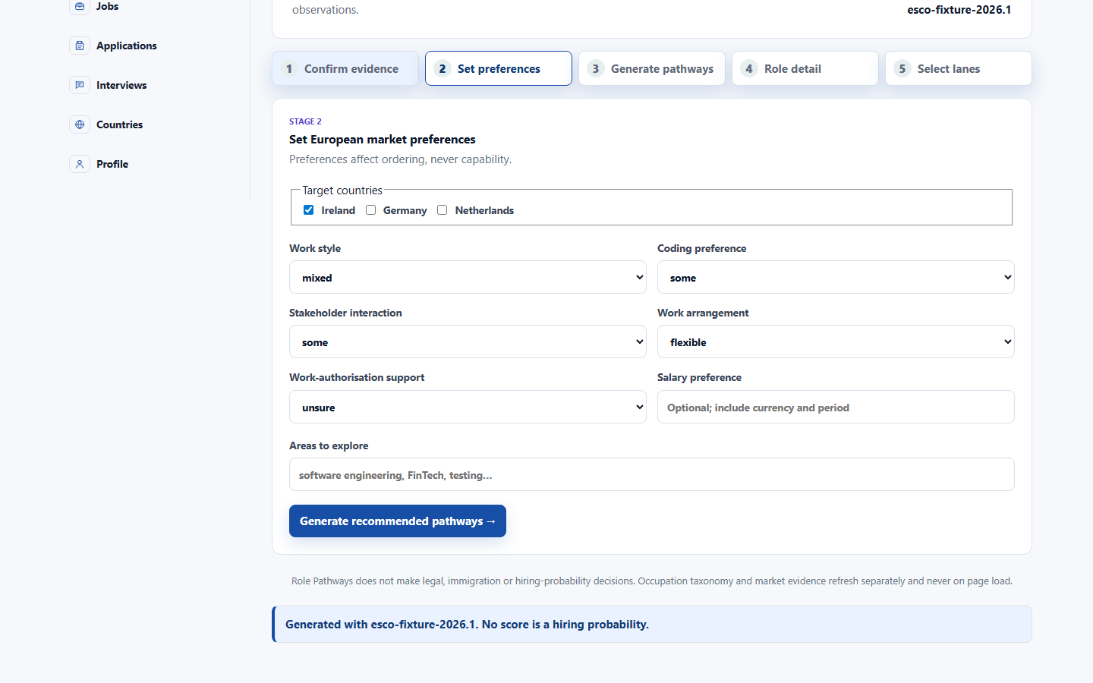
stage3-pathways-1440x900.png | stage4-role-detail-1440x900.png | stage5-lane-selection-1440x900.png
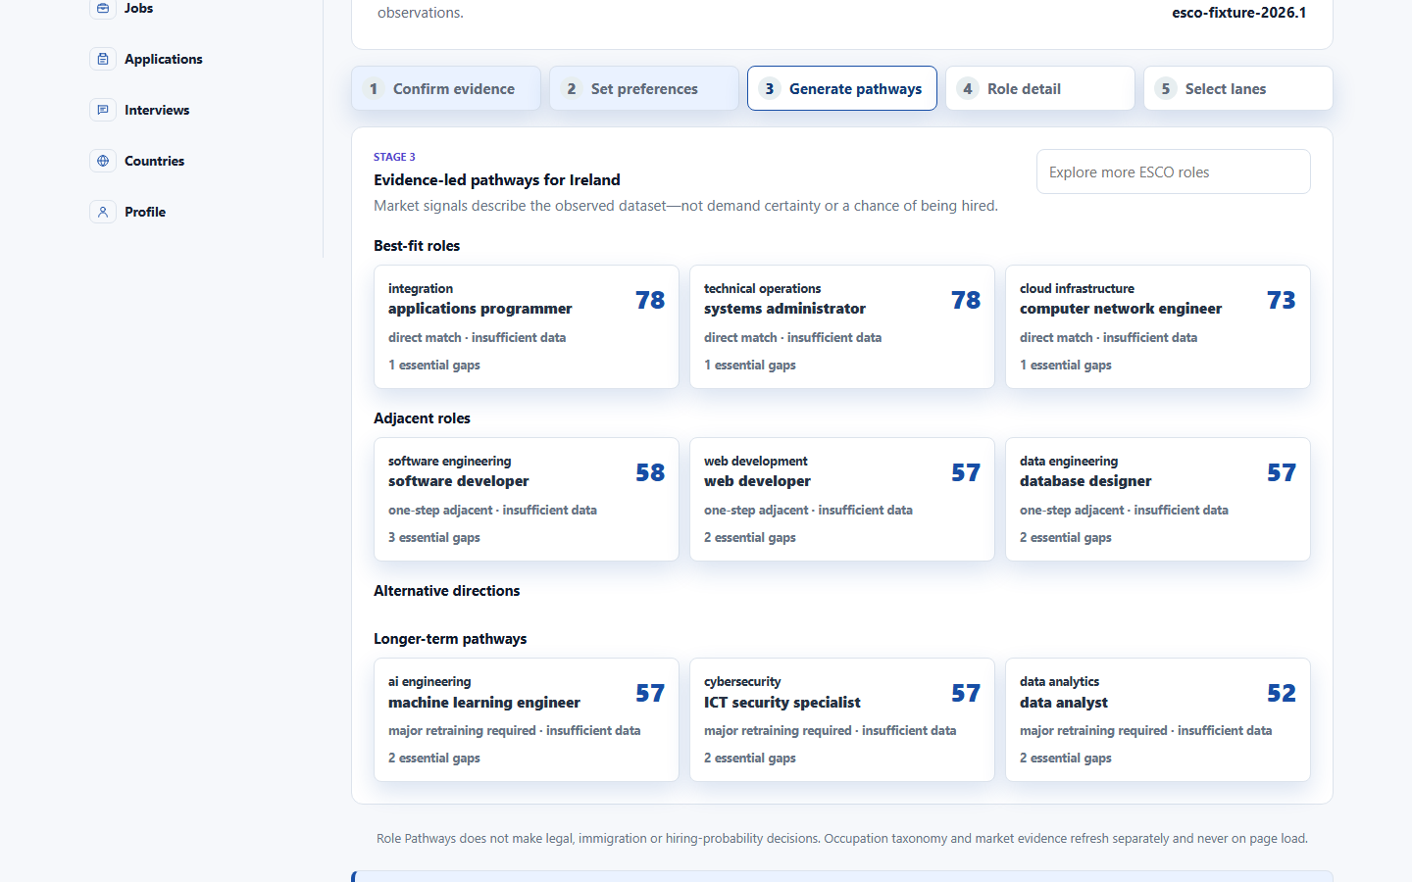 | 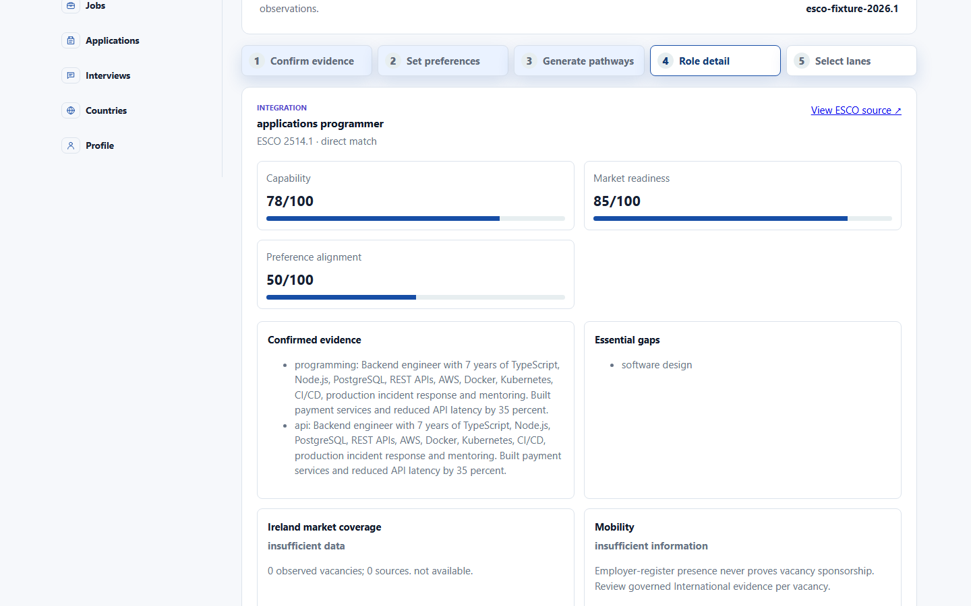 | 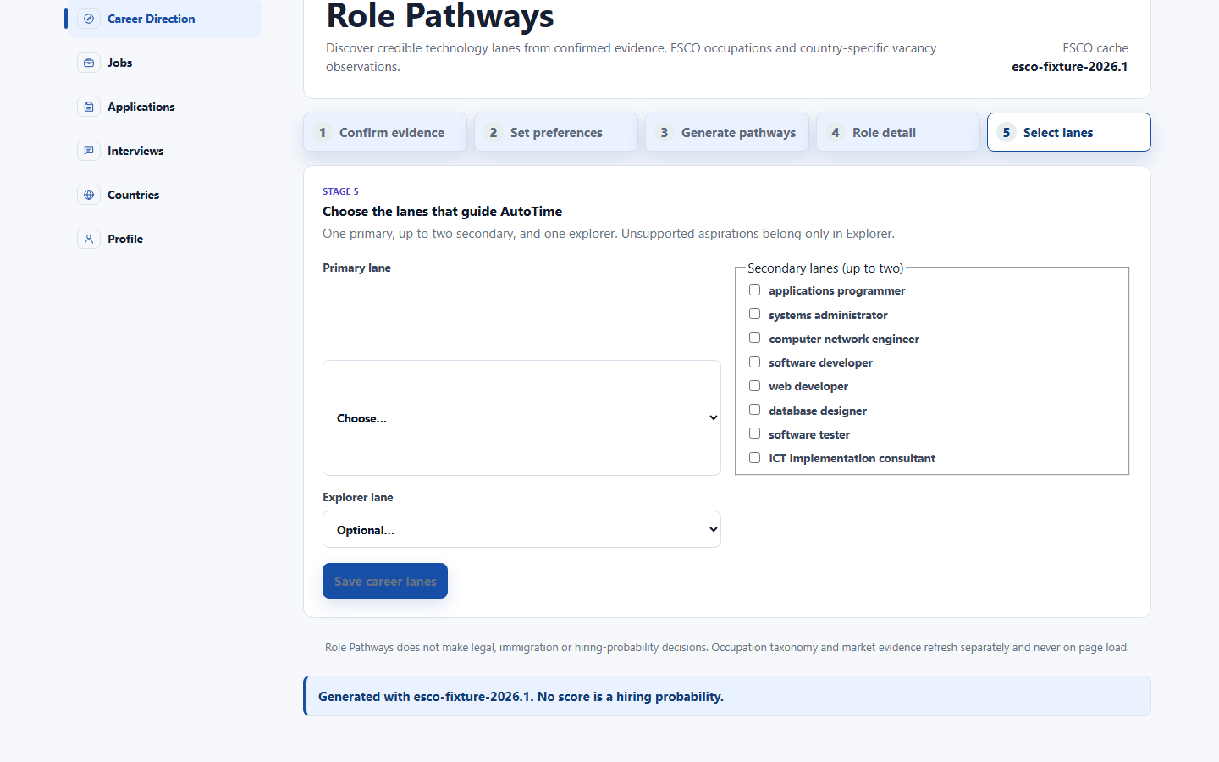
stage5-lane-saved-1440x900.png
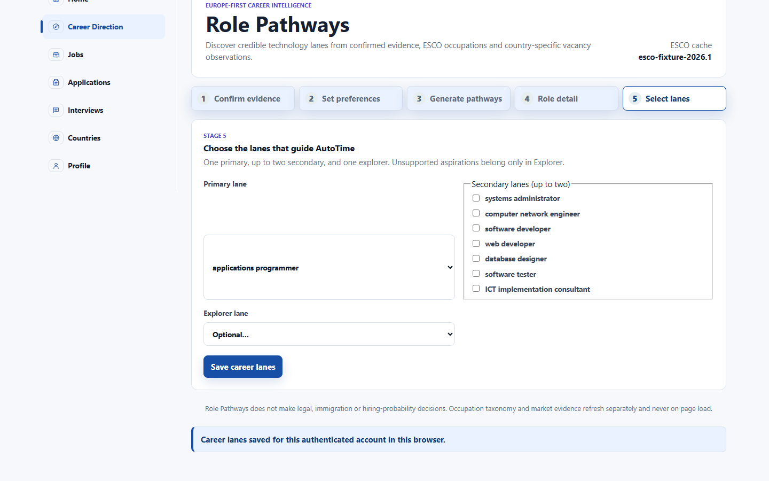

Phase 7 - Profile
workspace-top-1440x900.png | workspace-form-sections-1440x900.png | workspace-output-column-1440x900.png
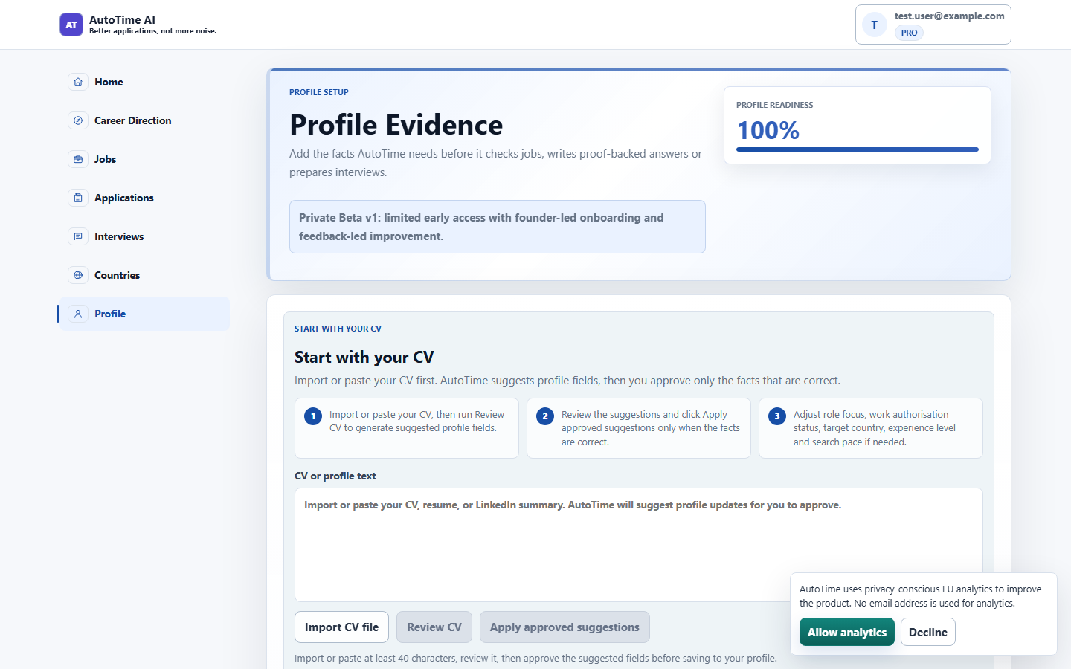 | 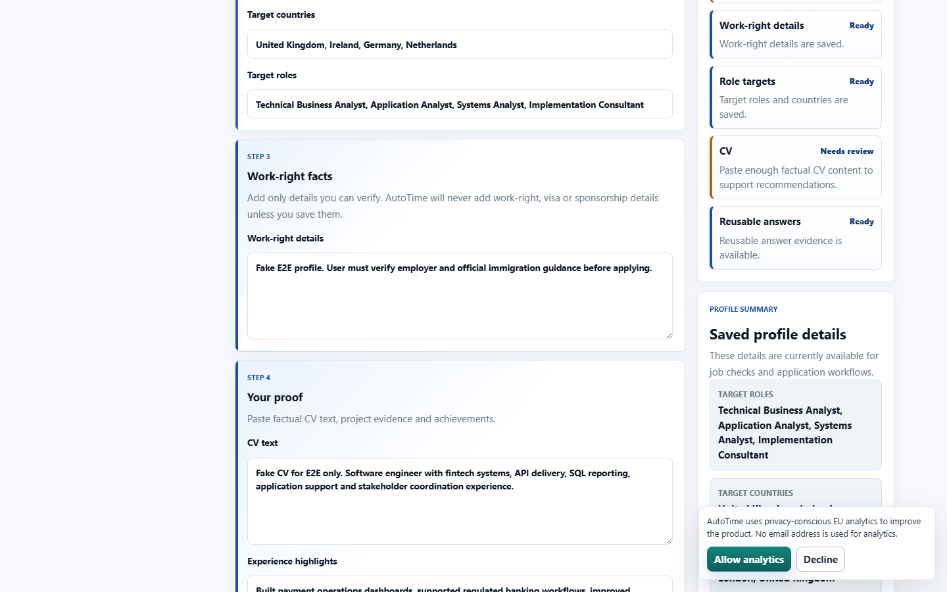 | 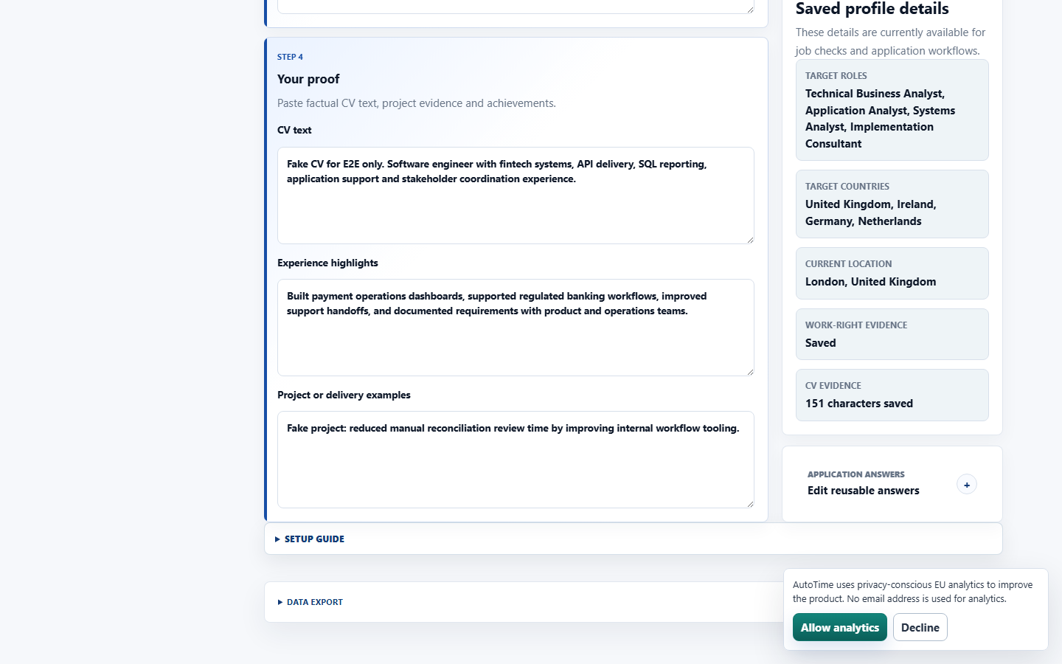

Phase 8 - Landing & Login
landing-hero-1440x900.png | landing-eufit-1440x900.png | login-1440x900.png
 |  | 
login-390x844.png


Admin foundation
admin-denied-1440.png | admin-denied-390.png
 | 

