App
You are at CO with As2d and are practicing with the Unimproved range. Good luck and have fun!

Your Decision? | # The random function (how the hole cards are created) auto refreshes every time you do something in the workbook. This makes the correct feedback change when you make a decision (which is a problem but doesn't matter for this sample).
fold | # See Sample_History worksheet for workaround.
# Should be option buttons like online. |  | # The image of the table will change based off number of players in settings.
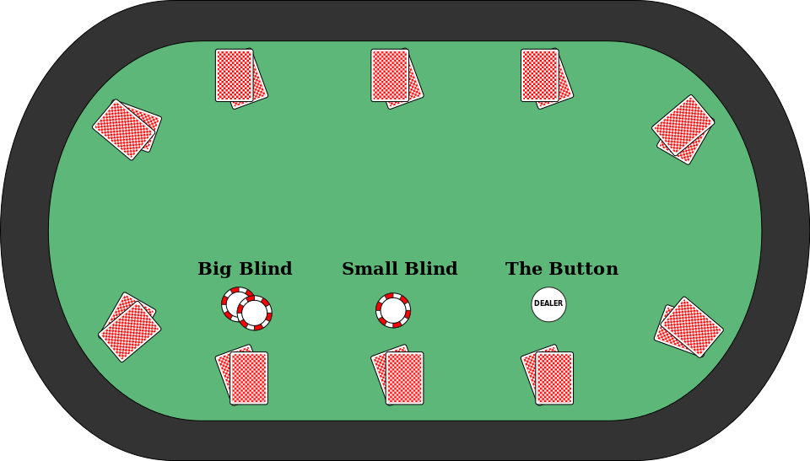
 |  | # All cards will be face down except for the ones at the correct position.
Feedback
Incorrect

 |  |  | As2d

