Dispatchers
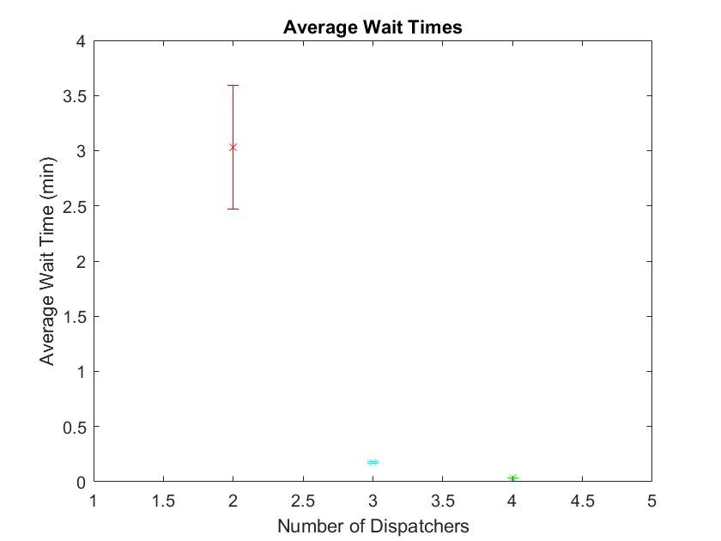
 | 6x arrival parameter | 50 Replications/480 mins |  |  |  |  |  | Graph Resource Utilization and wait times
Task | Min | Wait Time Avg | Max | Half Width |  |  | HW
2 | 2 Dispatchers |  |  |  | Utilization | 0.9273 | 0.01
Entity 1 | 2.431 | 3.021 | 3.611 | 0.59
Entity 2 | 2.5676 | 3.1576 | 3.7476 | 0.59
Entity 3 | 2.0514 | 2.8314 | 3.6114 | 0.78
Entity 4 | 2.3189 | 2.9789 | 3.6389 | 0.66
Entity 5 | 2.5059 | 3.0459 | 3.5859 | 0.54
Entity 6 | 2.4384 | 2.9984 | 3.5584 | 0.56
Entity 7 | 2.4527 | 3.0227 | 3.5927 | 0.57
Average | 2.47 | 3.03 | 3.59 | 0.56
3 | 3 Dispatchers |  |  |  | Utilization | 0.6208 | 0.01
Entity 1 | 0.1642 | 0.1742 | 0.1842 | 0.01
Entity 2 | 0.1628 | 0.1828 | 0.2028 | 0.02
Entity 3 | 0.1184 | 0.1784 | 0.2384 | 0.06
Entity 4 | 0.0929 | 0.1529 | 0.2129 | 0.06
Entity 5 | 0.1683 | 0.1783 | 0.1883 | 0.01
Entity 6 | 0.1631 | 0.1731 | 0.1831 | 0.01
Entity 7 | 0.1629 | 0.1729 | 0.1829 | 0.01
Average | 0.1648 | 0.1748 | 0.1848 | 0.01
4 | 4 Dispatchers |  |  |  | Utilization | 0.4678 | 0
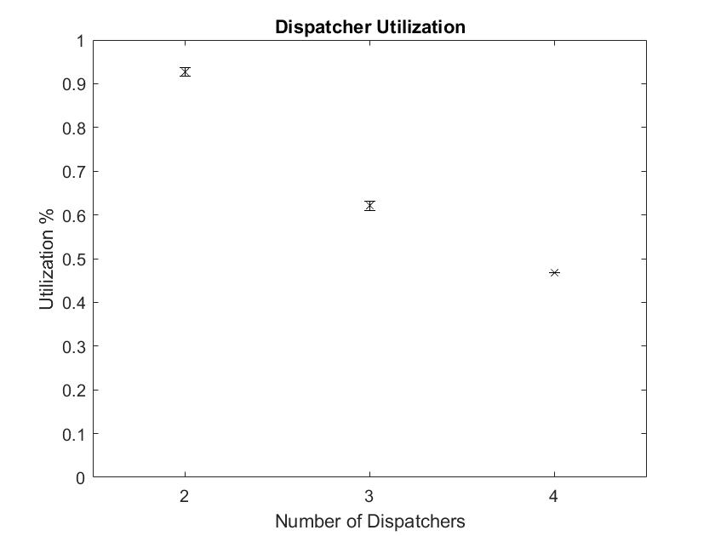
Entity 1 | 0.03295255 | 0.03295255 | 0.03295255 | 0
Entity 2 | 0.02848 | 0.03848 | 0.04848 | 0.01
Entity 3 | 0.00435 | 0.03435 | 0.06435 | 0.03
Entity 4 | 0.025277 | 0.035277 | 0.045277 | 0.01
Entity 5 | 0.035141 | 0.035141 | 0.035141 | 0
Entity 6 | 0.0364 | 0.0364 | 0.0364 | 0
Entity 7 | 0.03595 | 0.03595 | 0.03595 | 0
Average | 0.0358445 | 0.0358445 | 0.0358445 | 0

Java
Workload Summary
Workload Summary |  |  |  |  | 2 dispatcher
Percentage of utilization 0-30% | Percentage of utilization 30-70% | Percentage of utilization 70-100%
96.75% | 3.25% | 0.00%
Percentage of utilization 0-30% | Percentage of utilization 30-70% | Percentage of utilization 70-100% |  |  | 3 dispatcher
98.13% | 1.88% | 0.00%
Workload Summary
Percentage of utilization 0-30% | Percentage of utilization 30-70% | Percentage of utilization 70-100% |  |  | 4 dispatcher
98.67% | 1.33% | 0.00%

Fleet Size
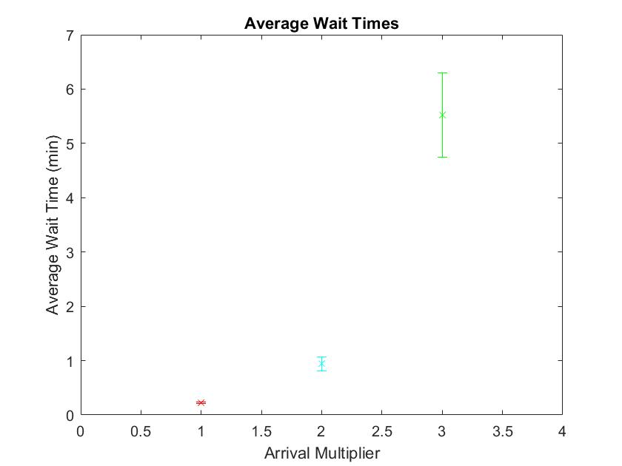
1 dispatcher | 50 reps/480 min runtime |  |  |  |  |  | Graphs: wait time, utilization
 |  |  | Wait Time |  | Utilization
(1x arrival parameter) |  |  | Avg Wait | Half Width | Avg Utilization | Half Width
Entity 1 |  |  | 0.2171 | 0.04 | 0.3113 | 0.01
Entity 2 |  |  | 0.2303 | 0.05
Entity 3 |  |  | 0.0956 | 0.06
Entity 4 |  |  | 0.07446 | 0.06
Entity 5 |  |  | 0.2198 | 0.02
Entity 6 |  |  | 0.2338 | 0.02
Entity 7 |  |  | 0.2224 | 0.02
Average |  |  | 0.2244 | 0.02
(x2 arrival parameter)
Entity 1 |  |  | 0.9907 | 0.19 | 0.9454 | 0.13
Entity 2 |  |  | 0.9272 | 0.12
Entity 3 |  |  | 0.7914 | 0.28
Entity 4 |  |  | 0.8696 | 0.36
Entity 5 |  |  | 0.9563 | 0.14
Entity 6 |  |  | 0.9319 | 0.13
Entity 7 |  |  | 0.9475 | 0.13
Average |  |  | 0.9454 | 0.13
(x3 arrival parameter)
Entity 1 |  |  | 5.410094934 | 0.77 | 0.9241 | 0.01
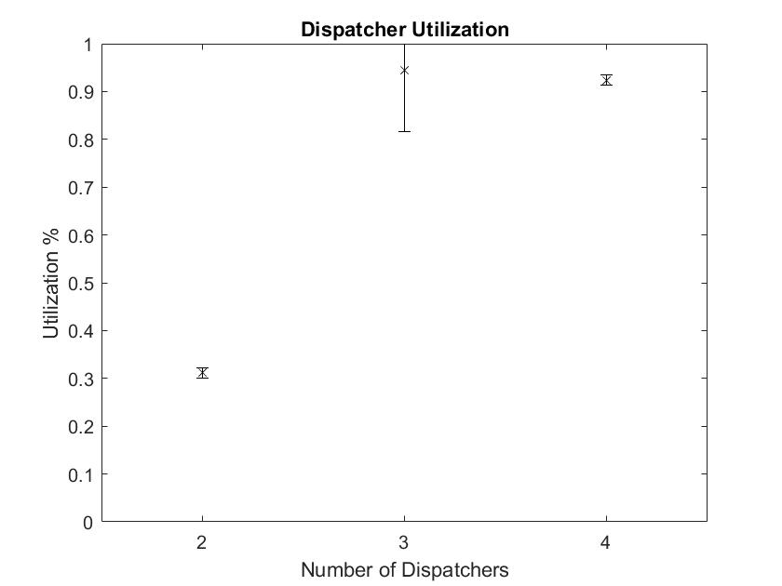
Entity 2 |  |  | 5.6145915623 | 0.87
Entity 3 |  |  | 5.4481712081 | 1.21
Entity 4 |  |  | 4.9756647926 | 1.09
Entity 5 |  |  | 5.5431388084 | 0.77
Entity 6 |  |  | 5.4954675694 | 0.78
Entity 7 |  |  | 5.5226465944 | 0.8
Average |  |  | 5.5227 | 0.78

Java Results
Workload Summary
Percentage of utilization 0-30% | Percentage of utilization 30-70% | Percentage of utilization 70-100%
99.83% | 0.17% | 0.00%
Workload Summary
Percentage of utilization 0-30% | Percentage of utilization 30-70% | Percentage of utilization 70-100%
99.13% | 0.88% | 0.00%
Workload Summary
Percentage of utilization 0-30% | Percentage of utilization 30-70% | Percentage of utilization 70-100%
97.75% | 2.25% | 0.00%

Replication Length
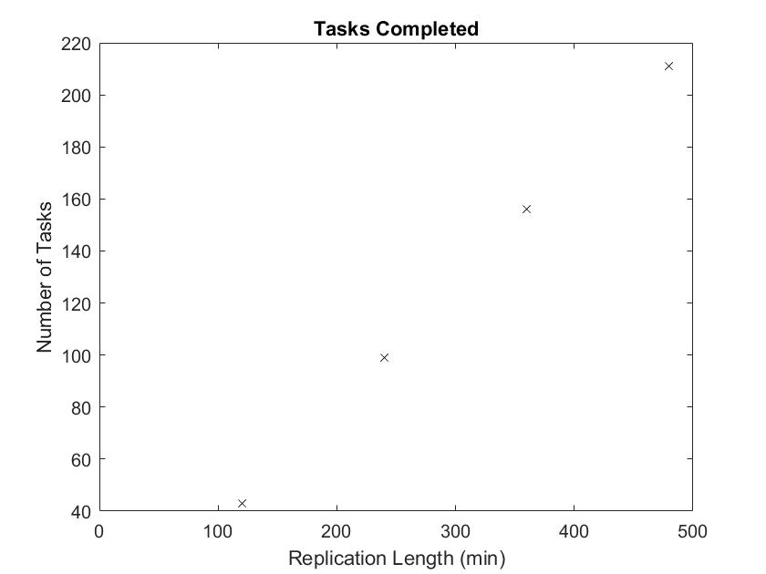
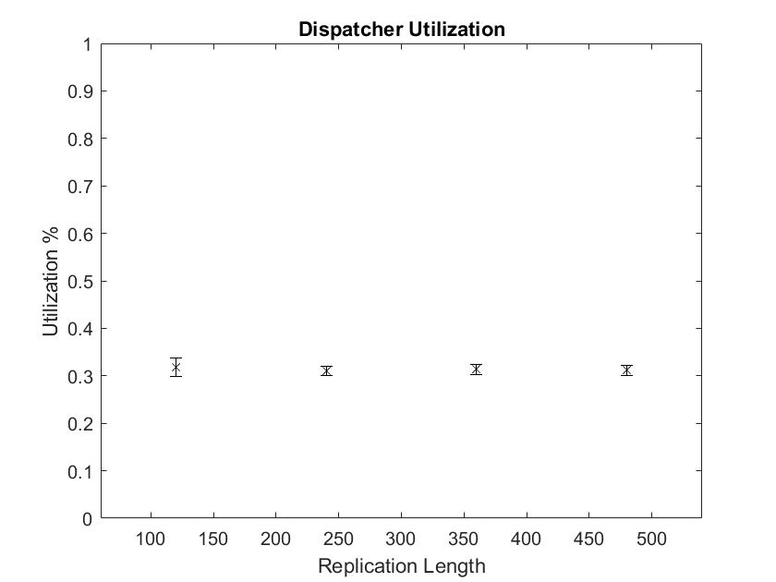
1x arrival parameter |  | 50 Replications
2 Dispatchers
Replication Length (mins) |  | Tasks Completed | Utilization | HW
120 |  | 43 | 0.3181 | 0.02
240 |  | 99 | 0.3109 | 0.01
360 |  | 156 | 0.3134 | 0.01
480 |  | 211 | 0.3113 | 0.01

Workload Summary |  |  |  |  | 120
Percentage of utilization 0-30% | Percentage of utilization 30-70% | Percentage of utilization 70-100%
100.00% | 0.00% | 0.00%
Workload Summary
Percentage of utilization 0-30% | Percentage of utilization 30-70% | Percentage of utilization 70-100% |  |  | 240
99.92% | 0.08% | 0.00%
Workload Summary
Percentage of utilization 0-30% | Percentage of utilization 30-70% | Percentage of utilization 70-100% |  |  | 360
99.94% | 0.06% | 0.00%
Workload Summary
Percentage of utilization 0-30% | Percentage of utilization 30-70% | Percentage of utilization 70-100% |  |  | 480
99.96% | 0.04% | 0.00%

SpecialistGeneralist
Dispatcher Utilization
4x arrival parameter |  |  | 50 replications 480 mins
2 Dispatchers | Tasks | Utilization | Half Width | Avg Wait | Half Width
Specialist | 1,2,3 | 0.1047 | 0 | 0.00682773 | 0
Specialist | 4,5,6,7 | 0.4965 | 0.01 | 0.1642 | 0.01
Generalist | Any | 0.5946 | 0.01 | 0.2787 | 0.02

Heterogeneity
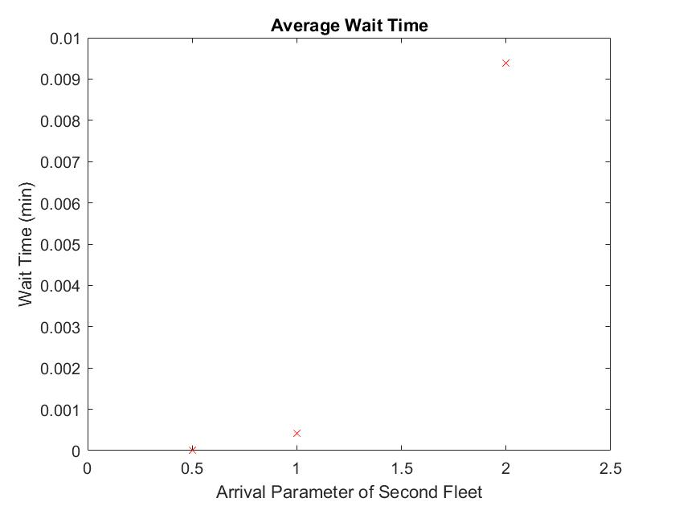
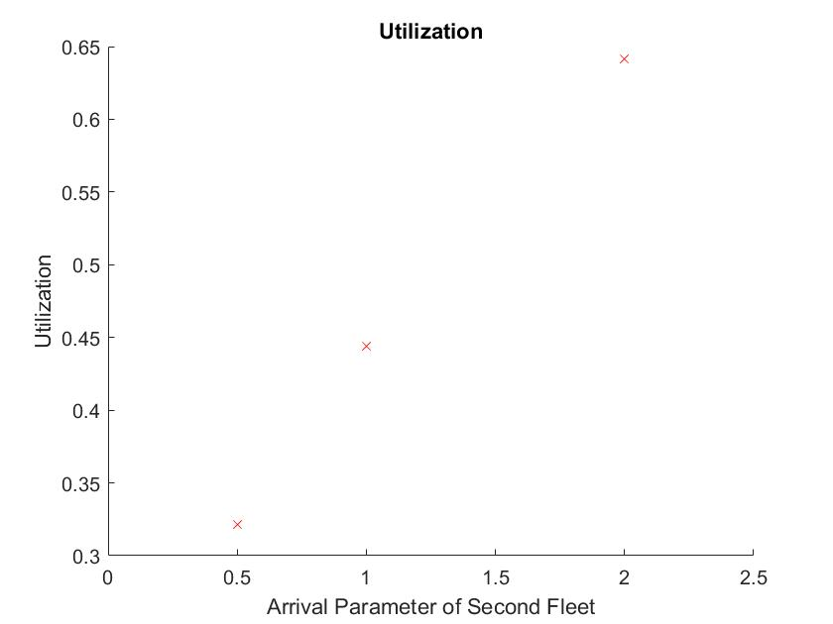
14 dispatchers |  | 50 replications at 480 min each
Default 10 vehicles with normal parameters
(Averages) | Wait Time | Half Width | Utilization | 0.4437
Entity 1 | 0 | 0 | HW | 0
Entity 2 | 0 | 0
Entity 3 | 0 | 0
Entity 4 | 0 | 0
Entity 5 | 0 | 0
Entity 6 | 0 | 0
Entity 7 | 0 | 0
Average | 0.00041841 | 0
Additional 10 vehicles with .5x arrival rate
(Averages) | Wait Time | Half Width | Utilization | 0.3215
Entity 1 | 0 | 0 | HW | 0
Entity 2 | 0 | 0
Entity 3 | 0 | 0 |  |  | ,
Entity 4 | 0 | 0
Entity 5 | 0 | 0
Entity 6 | 0 | 0
Entity 7 | 0 | 0
Average | 0.00001235
Additional 10 vehicles with 2x arrival rate
(Averages) | Wait Time | Half Width | Utilization | 0.6414
Entity 1 | 0.0094 | 0 | HW | 0
Entity 2 | 0.01 | 0
Entity 3 | 0.0122 | 0
Entity 4 | 0.01006 | 0
Entity 5 | 0.01011 | 0
Entity 6 | 0.009797 | 0
Entity 7 | 0.009646 | 0
Average | 0.0093897 | 0

Additional 10 vehicles with 0.5x service time
(Averages) | Wait Time | Half Width | Utilization | 0.2139
Entity 1 | 0 | 0 | HW | 0
Entity 2 | 0 | 0
Entity 3 | 0 | 0
Entity 4 | 0 | 0
Entity 5 | 0 | 0
Entity 6 | 0 | 0
Entity 7 | 0 | 0
Average | 0.00000012 | 0
Additional 10 vehicles with 2x service time
(Averages) | Wait Time | Half Width | Utilization | 0.8557
Entity 1 | 0.232 | 0.02 | HW | 0
Entity 2 | 0.2357 | 0.02
Entity 3 | 0.229 | 0.03
Entity 4 | 0.2267 | 0.04
Entity 5 | 0.2303 | 0.02
Entity 6 | 0.2328 | 0.02
Entity 7 | 0.229 | 0.02
Average | 0.2312 | 0.02 |  | *RUN THIS FIRST

Autonomy
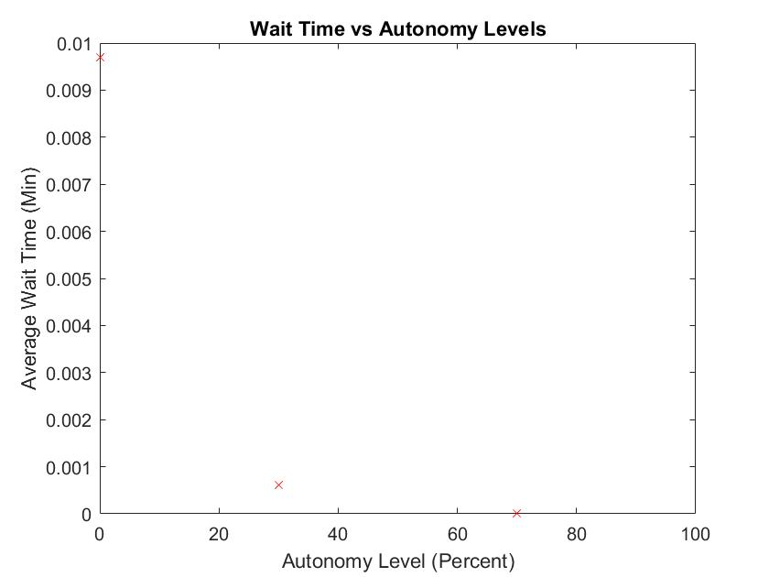
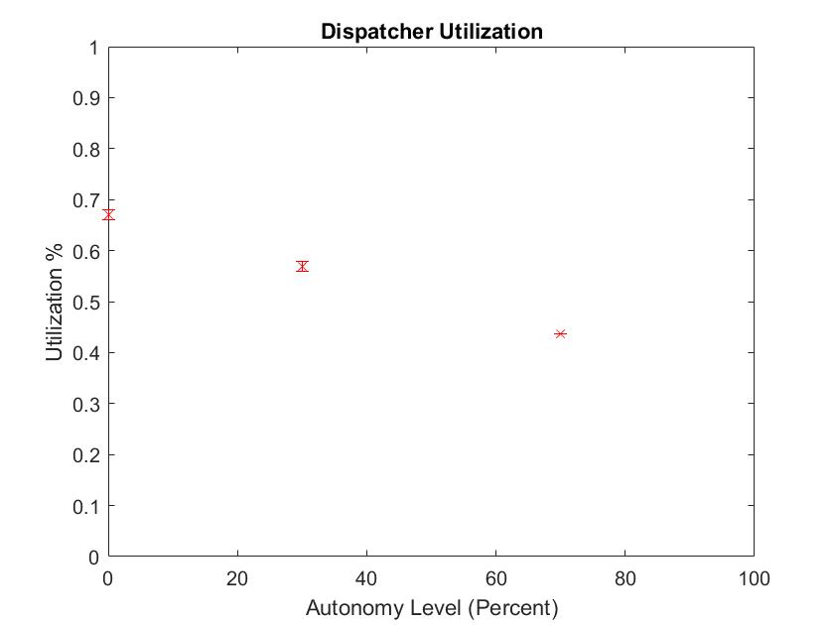
30 dispatchers |  |  |  | 50 replications, 480 min length
Default | 10x arrival parameter
Tasks Created | Half Width | Avg Wait Time | Half Width | Utilization | Half Width
2090.16 | 13.33 | 0.0097 | 0 | 0.6706 | 0.01

30% vehicles with 0.5x arrival parameters
Tasks Created | Half Width | Avg Wait Time | Half Width | Utilization | Half Width
1774.86 | 12.27 | 0.000611 | 0 | 0.5696 | 0.01

70% vehicles with 0.5x arrival parameters
Tasks Created | Half Width | Avg Wait Time | Half Width | Utilization | Half Width
1360.04 | 8.73 | 0.00000142 | 0 | 0.4375 | 0

Operator Strategy
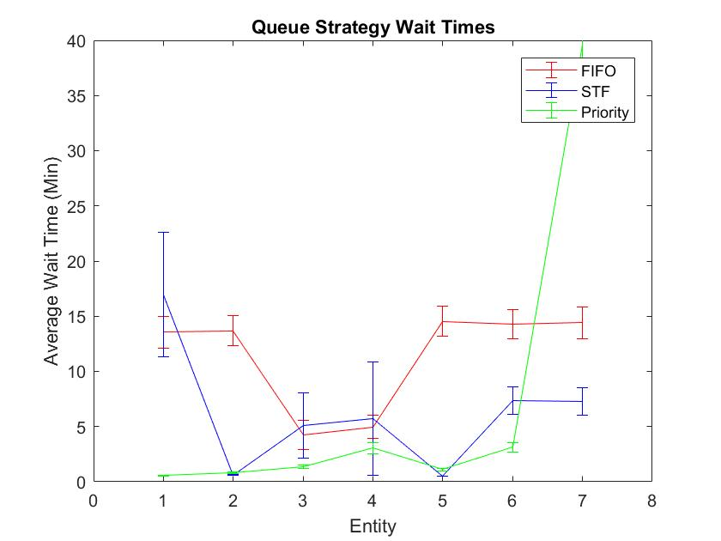
1 Dispatcher |  | 4x arrival | 50 Replications, 120 min shift

FIFO
 |  |  |  |  |  | Utilization | 0.9971 | Half Width | 0

 | Tasks Created |  | Tasks Completed |  | Avg Wait | Half Width
Entity 1 | 17.66 | 1.03 | 14.68 | 0.95 | 13.5483 | 1.42
Entity 2 | 17.6 | 1.05 | 14.58 | 1.1 | 13.6875 | 1.37
Entity 3 | 1.86 | 0.28 | 1.62 | 0.26 | 4.245 | 1.3
Entity 4 | 1.64 | 0.26 | 1.52 | 0.23 | 4.9744 | 1.04
Entity 5 | 46.74 | 1.79 | 37.98 | 1.78 | 14.5431 | 1.36
Entity 6 | 72.26 | 2.74 | 57.86 | 2.52 | 14.2777 | 1.35
Entity 7 | 71.1 | 2.73 | 55.64 | 2 | 14.4055 | 1.42
Total |  |  |  |  | 14.1985 | 1.34

STF
 |  |  |  |  |  | Utilization | 0.9958 | Half Width | 0

 | Tasks Created |  | Tasks Completed |  | Avg Wait | Half Width
Entity 1 | 17.58 | 0.97 | 5.06 | 1.11 | 16.9572 | 5.64
Entity 2 | 17.16 | 1.25 | 17.08 | 1.25 | 0.6042 | 0.03
Entity 3 | 1.82 | 0.24 | 0.44 | 0.17 | 5.1104 | 2.97
Entity 4 | 1.62 | 0.24 | 0.24 | 0.14 | 5.7065 | 5.16
Entity 5 | 46.78 | 2.17 | 46.7 | 2.16 | 0.5246 | 0.02
Entity 6 | 72.44 | 2.54 | 65.68 | 2.02 | 7.3663 | 1.23
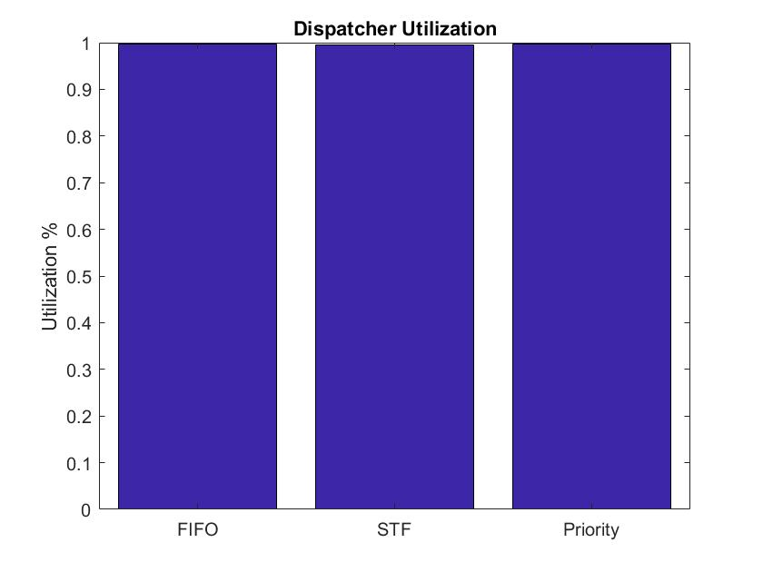
Entity 7 | 71.62 | 2.46 | 64.78 | 1.86 | 7.2843 | 1.22
Total |  |  |  |  | 5.7263 | 0.68

Priority (1. Actuation, 2. Directive_Mandatory, 3. Directive_Courtesy_1, 4. Directive_Courtesy_2, 5. Communications_Other, 6. Recordkeeping, 7. Referencing)
 |  |  |  |  |  | Utilization | 0.9971 | Half Width | 0

 | Tasks Created |  | Tasks Completed |  | Avg Wait | Half Width
Entity 1 | 17.76 | 1.22 | 17.54 | 1.23 | 0.5471 | 0.04
Entity 2 | 16.36 | 1.02 | 16.3 | 1.02 | 0.814 | 0.07
Entity 3 | 1.72 | 0.21 | 1.72 | 0.21 | 1.382 | 0.17
Entity 4 | 1.66 | 0.26 | 1.64 | 0.26 | 3.0421 | 0.48
Entity 5 | 47.2 | 2.12 | 46.74 | 2.04 | 1.1092 | 0.1
Entity 6 | 73.24 | 2.32 | 71.08 | 2.34 | 3.1331 | 0.43
Entity 7 | 74.4 | 2.39 | 35.16 | 3.48 | 39.5599 | 5.22
Total |  |  |  |  | 8.2474 | 0.83

Team Coordination
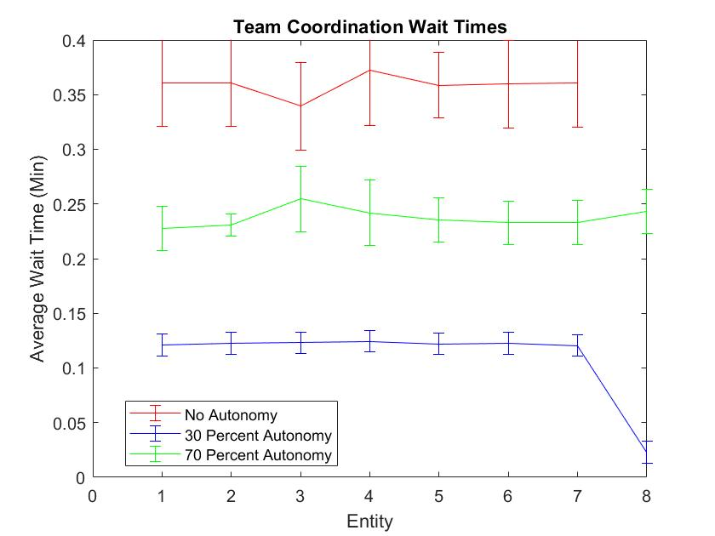
30x arrival parameter | 50 reps 480 mins |  | 10 dispatchers |  |  | Dispatcher1 (None) | 0.9024
 |  |  |  |  |  | Dispatcher1 (Low) | 0.8249
No Team Coordination | Wait Time |  | Utilization | 0.9024 | 0 | Dispatcher2 (Low) | 0.8443
Entity 1 | 0.361 | 0.04 |  |  |  | Dispatcher1 (High) | 0.9107
Entity 2 | 0.3609 | 0.04 |  |  |  | Dispatcher2 (High) | 0.8705
Entity 3 | 0.3395 | 0.04
Entity 4 | 0.372 | 0.05
Entity 5 | 0.3587 | 0.03
Entity 6 | 0.3597 | 0.04
Entity 7 | 0.3605 | 0.04

 |  |  |  |  |  |  | Tasks Seized
30 Percent | Wait Time |  | Dispatcher1 Utilization |  | 0.8249 | 0 | 4550.74 | 19.66
Entity 1 | 0.1208 | 0.01 | Dispatcher2 Utilization |  | 0.8443 | 0 | 1772.76 | 7.91
Entity 2 | 0.1228 | 0.01
Entity 3 | 0.123 | 0.01
Entity 4 | 0.1244 | 0.01
Entity 5 | 0.1221 | 0.01
Entity 6 | 0.1225 | 0.01
Entity 7 | 0.1206 | 0.01
Entity 8 | 0.02308 | 0.01
Utilization vs Coordination Level
 |  |  |  |  |  |  | Tasks Seized
70 Percent | Wait Time |  | Dispatcher1 Utilization |  | 0.9107 | 0 | 2106.58 | 9.91
Entity 1 | 0.2277 | 0.02 | Dispatcher2 Utilization |  | 0.8705 | 0 | 4205.16 | 13.21
Entity 2 | 0.231 | 0.01
Entity 3 | 0.2545 | 0.03
Entity 4 | 0.2418 | 0.03
Entity 5 | 0.2353 | 0.02
Entity 6 | 0.2327 | 0.02
Entity 7 | 0.2331 | 0.02
Entity 8 | 0.2433 | 0.02

AI Equal Teammates
Utilization vs Coordination Level
100x arrival parameter | 50 reps 480 mins |  | 11 Dispatchers (including 1 AI) |  |  |  |  |  | Dispatcher1 (None) | 0.2551
 |  |  |  |  |  |  | Total Seized |  | Dispatcher1 (Low) | 0.1874
No Coordination (11 dispatchers) | Wait |  | Utilization | 0.2551 | 0 |  | 5930.02 | 23.24 | Dispatcher2 (Low) | 0.2097
Entity 1 | 0 | 0 | AI | 0 | 0 |  | 14982.8 | 39.21 | Dispatcher2 (High) | 0.3814
Entity 2 | 0 | 0 |  |  |  |  |  |  | Dispatcher2 (High) | 0.1109
Entity 3 | 0 | 0
Entity 4 | 0 | 0
Entity 5 | 0 | 0
Entity 6 | 0 | 0
Entity 7 | 0 | 0

 |  |  |  |  |  |  | Total Seized
Low Coordination (7 dispatcher1, 3 dispatcher2, 1 AI_1) | Wait Time |  | Dispatcher1 Utilization |  | 0.1874 | 0 | 1749.16 | 34.95
Entity 1 | 0 | 0 | Dispatcher2 Utilization |  | 0.2097 | 0 | 4214.5 | 12.83
Entity 2 | 0 | 0 | AI_1 |  | 0 |  | 14967.12 | 18.51
Entity 3 | 0 | 0
Entity 4 | 0 | 0
Entity 5 | 0 | 0
Entity 6 | 0 | 0
Entity 7 | 0 | 0 |  |  |  |  |  |  |  | *No wait times
Entity 8 | 0 | 0
 |  |  |  |  |  |  | Total Seized
High Coordination(3 dispatcher1, 7 dispatcher2, 1 AI_1) | Wait Time |  | Dispatcher1 Utilization |  | 0.3814 | 0 | 1483.12 | 9.31
Entity 1 | 0 | 0 | Dispatcher2 Utilization |  | 0.1109 | 0 | 4483.88 | 19.96
Entity 2 | 0 | 0 | AI_1 |  | 0 | 0 | 14960.82 | 36.34
Entity 3 | 0 | 0 | *May be because Dispatcher1 still had priority over Dispatcher2 for most tasks
Entity 4 | 0 | 0
Entity 5 | 0 | 0
Entity 6 | 0 | 0
Entity 7 | 0 | 0
Entity 8 | 0 | 0

AI Operator Assistant
Utilization vs Coordination Levels
40x arrival parameter | 50 reps 480 mins |  | 10 dispatchers
 |  |  |  |  |  | Dispatcher1 (None) | 0.6349
No Coordination (11 dispatchers) | Wait |  | Dispatcher1 (None) | 0.6349 | 0 | Dispatcher1 (Low) | 0.7673
Entity 1 | 0.1043 | 0 |  |  |  | Dispatcher2 (Low) | 0.7563
Entity 2 | 0.01055 | 0 |  |  |  | Dispatcher1 (High) | 0.7478
Entity 3 | 0.01042 | 0 |  |  |  | Dispatcher2 (High) | 0.5778
Entity 4 | 0.009757 | 0
Entity 5 | 0.01042 | 0
Entity 6 | 0.01044 | 0
Entity 7 | 0.01054 | 0
Entity 8 | 0.009755 | 0

Low Coordination (7 dispatcher1, 3 dispatcher2, 1 AI_1) | Wait Time |  | Dispatcher1 (Low) |  | 0.7673
Entity 1 | 0.07643 | 0.01 | Dispatcher2 (Low) |  | 0.7563
Entity 2 | 0.07688 | 0.01
Entity 3 | 0.07331 | 0.01
Entity 4 | 0.07657 | 0.01
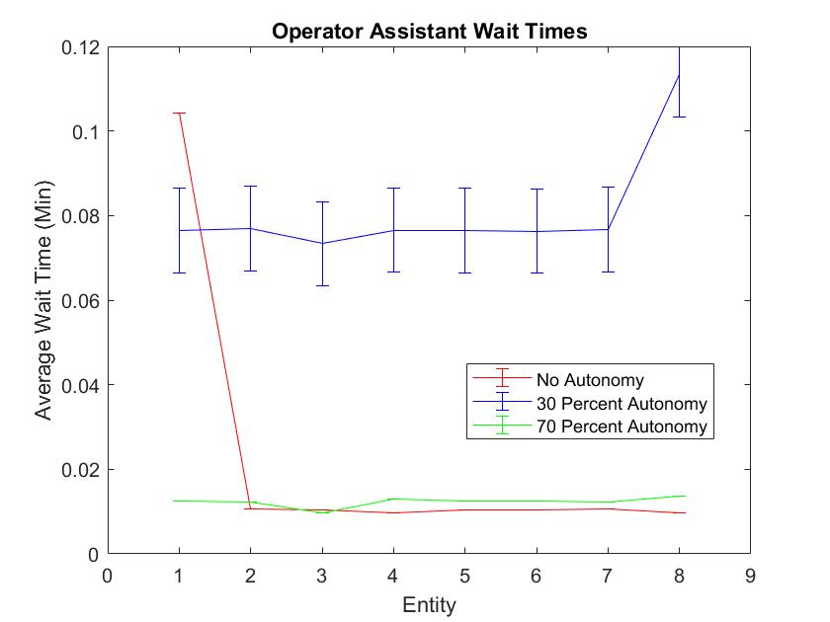
Entity 5 | 0.0765 | 0.01
Entity 6 | 0.07634 | 0.01
Entity 7 | 0.07672 | 0.01
Entity 8 | 0.1134 | 0.01

High Coordination(3 dispatcher1, 7 dispatcher2, 1 AI_1) | Wait Time |  | Dispatcher1 (High) | 0.7478 | 0
Entity 1 | 0.01252 | 0 | Dispatcher2 (High) | 0.5778 | 0
Entity 2 | 0.01237 | 0
Entity 3 | 0.009612 | 0
Entity 4 | 0.01301 | 0
Entity 5 | 0.01249 | 0
Entity 6 | 0.01254 | 0
Entity 7 | 0.01232 | 0
Entity 8 | 0.013587 | 0

AI Team Assistant
Dispatcher Utilization vs Coordination Levels
40x arrival parameter | 50 reps 480 mins |  | 10 dispatchers |  |  | Low Coordination | Dispatcher1 (Low) | 0.8862
 |  |  |  |  |  |  | Dispatcher2 (Low) | 0.8697
Low Coordination (7 dispatcher1, 3 dispatcher2) | Wait Time |  | Dispatcher1 Utilization |  | 0.8862 | High Coordination | Dispatcher1 (High) | 0.8225
Entity 1 | 0.3583 | 0.05 | Dispatcher2 Utilization |  | 0.8697 |  | Dispatcher2 (High) | 0.6835
Entity 2 | 0.3583 | 0.04
Entity 3 | 0.3506 | 0.05
Entity 4 | 0.3701 | 0.05
Entity 5 | 0.3607 | 0.04
Entity 6 | 0.3589 | 0.05
Entity 7 | 0.3581 | 0.04
Entity 8 | 0.4099 | 0.05

High Coordination(3 dispatcher1, 7 dispatcher2) | Wait Time |  | Dispatcher1 | 0.8225 | 0
Entity 1 | 0.0448 | 0 | Dispatcher2 | 0.6835 | 0
Entity 2 | 0.04448 | 0
Entity 3 | 0.0458 | 0.01
Entity 4 | 0.04773 | 0.01
Entity 5 | 0.04599 | 0
Entity 6 | 0.04553 | 0
Entity 7 | 0.04585 | 0
Entity 8 | 0.05363 | 0.01

Exogenous Events
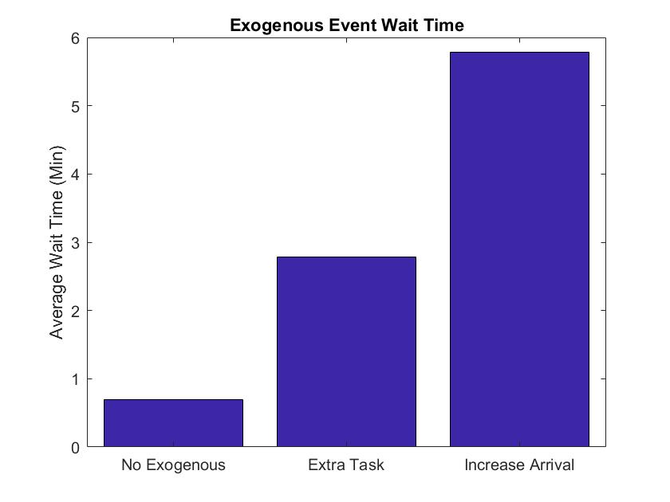
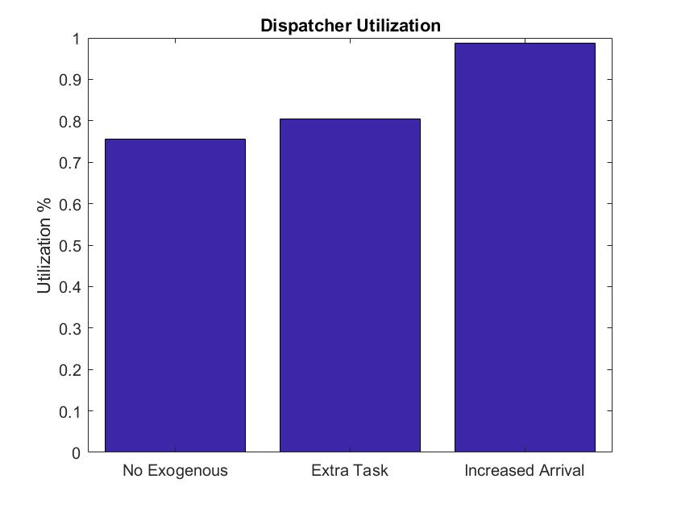
2 dispatchers | 50 reps 480 mins |  | 5x arrival, 5.5x arrival for type 2 |  |  | *Half-width nonzero, but no overlapping regions
 |  |  |  |  |  |  | *accurate because half-width is zero
No Exogenous | Wait Time |  | Utilization | 0.7567 | 0.01
Average Total | 0.6914 | 0.05

Type 1- Extra event | Wait Time |  | Utilization | 0.8048 | 0.01
Average Total | 2.7839 | 0.65

Type 2 - 10% increase | Wait Time |  | Utilization | 0.9866 | 0
Average Total | 5.7818 | 0.96

