Dispatchers
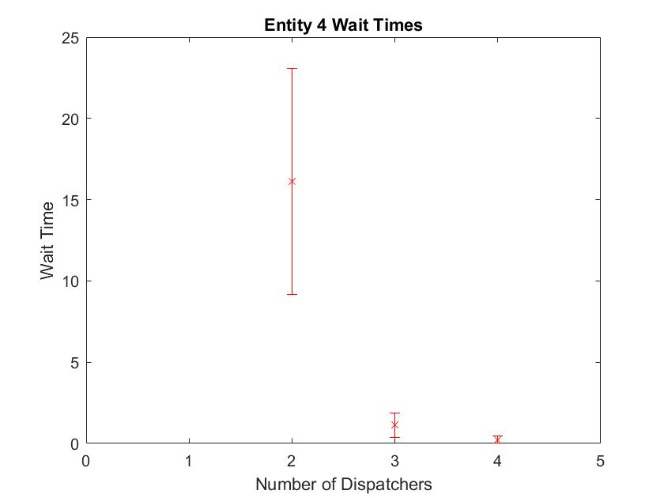
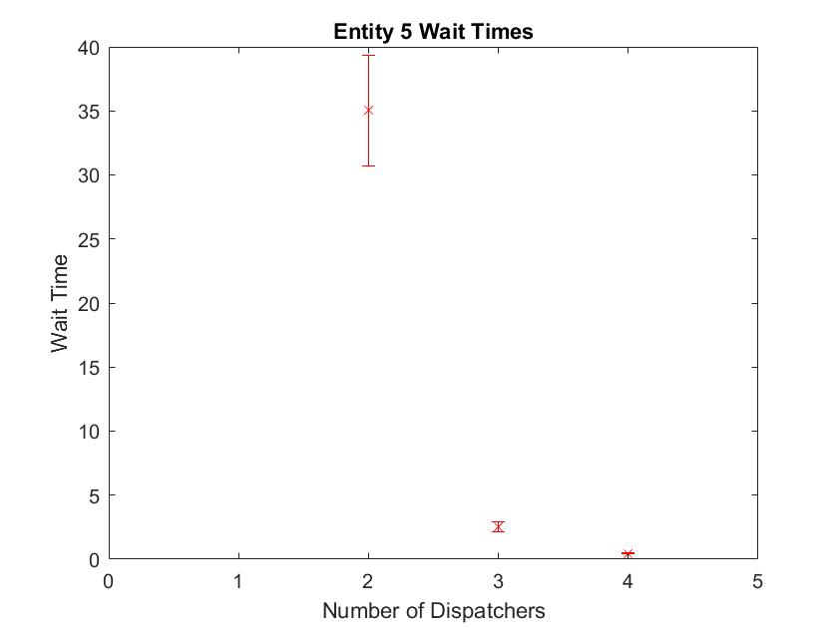
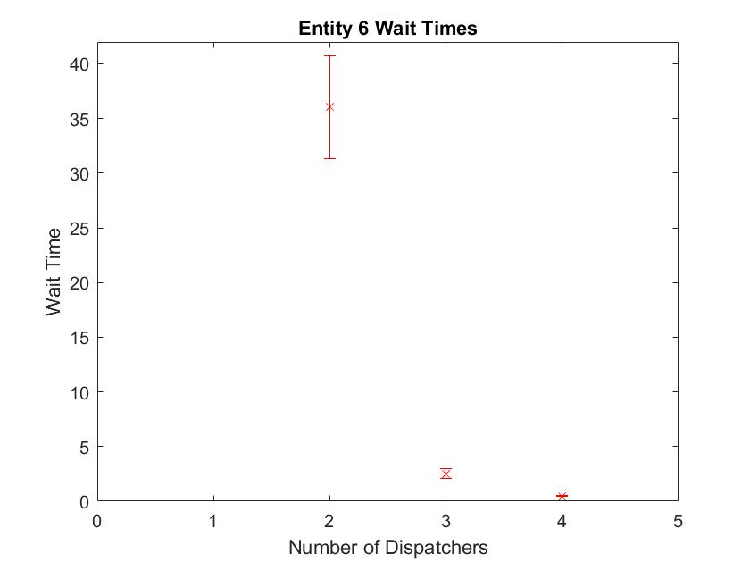
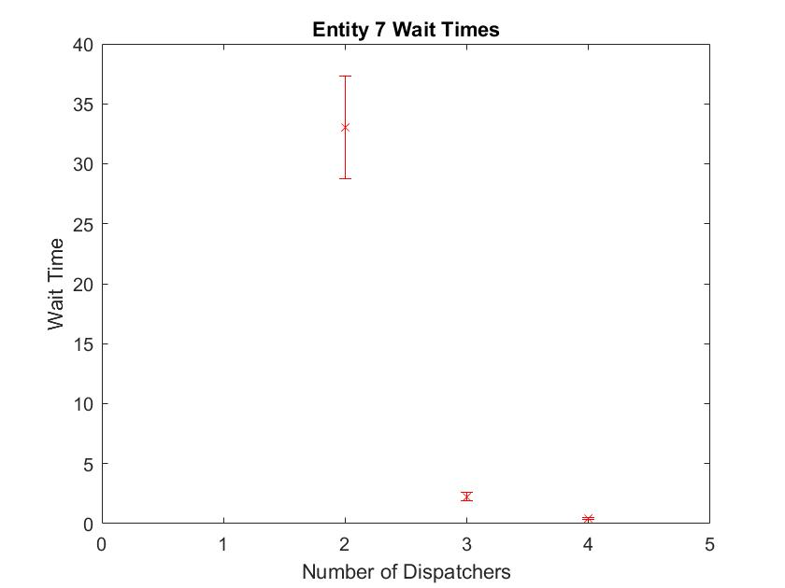
 | 1x arrival parameter | 50 Replications/480 mins |  |  |  |  |  |  | Graph Resource Utilization and wait times
Task | Min | Wait Time Avg | Max | Half Width | Average Unknown Failures | Half width
2 | 2 Dispatchers |  |  |  |  |  | Utilization | 0.9825 ±.01
Entity 1 | 28.408 | 33.078 | 37.748 | 4.67 | 0 | 0 | Total Tasks Seized | 190.08 ± 2.93
Entity 2 | 28.8665 | 34.1465 | 39.4265 | 5.28 | 0 | 0
Entity 3 | 3.0185 | 7.2085 | 11.3985 | 4.19 | 0 | 0
Entity 4 | 11.7991 | 19.0591 | 26.3191 | 7.26 | 0 | 0
Entity 5 | 28.754 | 33.544 | 38.334 | 4.79 | 0.02 | 0.04
Entity 6 | 28.8204 | 33.7204 | 38.6204 | 4.9 | 0.04 | 0.06
Entity 7 | 27.5023 | 32.0023 | 36.5023 | 4.5 | 0 | 0

3 | 3 Dispatchers |  |  |  |  |  | Utilization | 0.7316 ±.02
Entity 1 | 2.0459 | 2.5559 | 3.0659 | 0.51 | 0 | 0 | Total Tasks Seized | 211.7 ± 4.20
Entity 2 | 1.9784 | 2.3984 | 2.8184 | 0.42 | 0 | 0
Entity 3 | 0.3099 | 0.9699 | 1.6299 | 0.66 | 0 | 0
Entity 4 | 0.5065 | 1.1765 | 1.8465 | 0.67 | 0 | 0
Entity 5 | 2.2218 | 2.5518 | 2.8818 | 0.33 | 0 | 0
Entity 6 | 2.1936 | 2.7036 | 3.2136 | 0.51 | 0.02 | 0.04
Entity 7 | 2.0983 | 2.4783 | 2.8583 | 0.38 | 0.02 | 0.04

4 | 4 Dispatchers |  |  |  |  |  | Utilization | 0.5452 ± 0.01
Entity 1 | 0.3438 | 0.5138 | 0.6838 | 0.17 | 0 | 0 | Total Tasks Seized | 211.74 ± 4.59
Entity 2 | 0.325 | 0.445 | 0.565 | 0.12 | 0 | 0
Entity 3 | 0 | 0 | 0 | 0 | 0 | 0
Entity 4 | -0.0056 | 0.1144 | 0.2344 | 0.12 | 0 | 0
Entity 5 | 0.364 | 0.504 | 0.644 | 0.14 | 0.02 | 0.04
Entity 6 | 0.3906 | 0.5306 | 0.6706 | 0.14 | 0 | 0
Entity 7 | 0.3653 | 0.5153 | 0.6653 | 0.15 | 0.02 | 0.04

Replication Length
1x arrival parameter | 50 Replications
2 Dispatchers
Replication Length (mins) | Tasks Completed | Utilization
120 | 37 | 0.9526 | ± .02
240 | 86 | 0.964 | ± .01
360 | 138 | 0.9739 | ± .01
480 | 188 | 0.9787 | ± .01
600 | 239 | 0.9829 | ± .01

