Wait Times
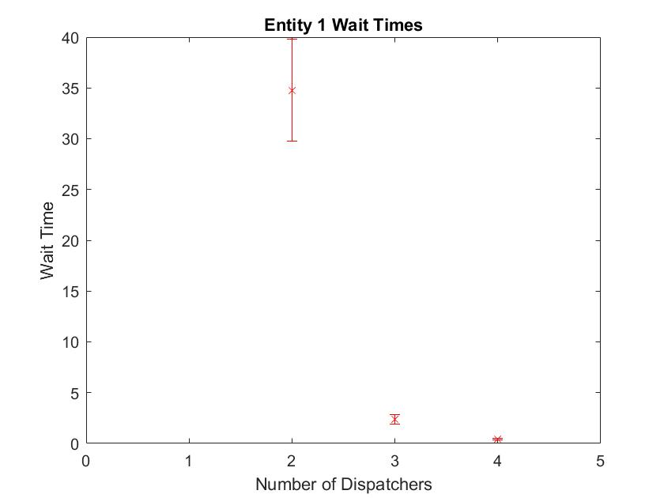
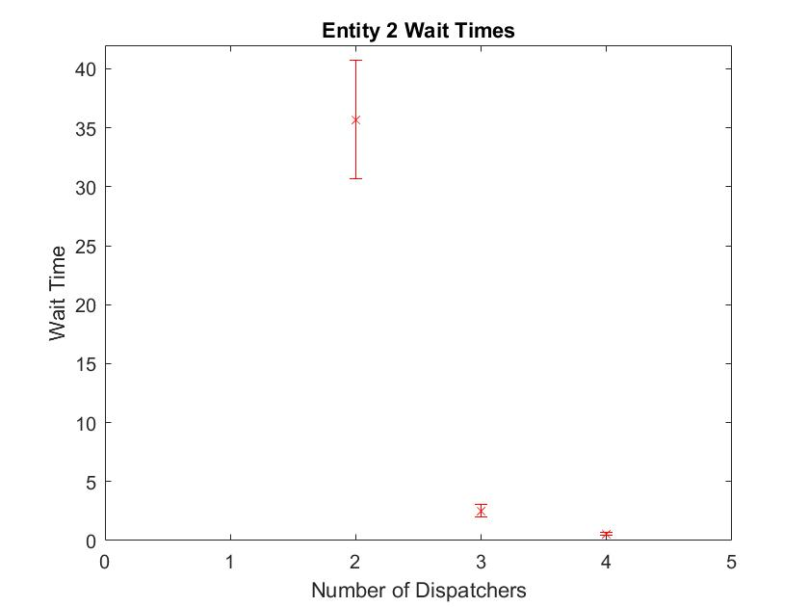
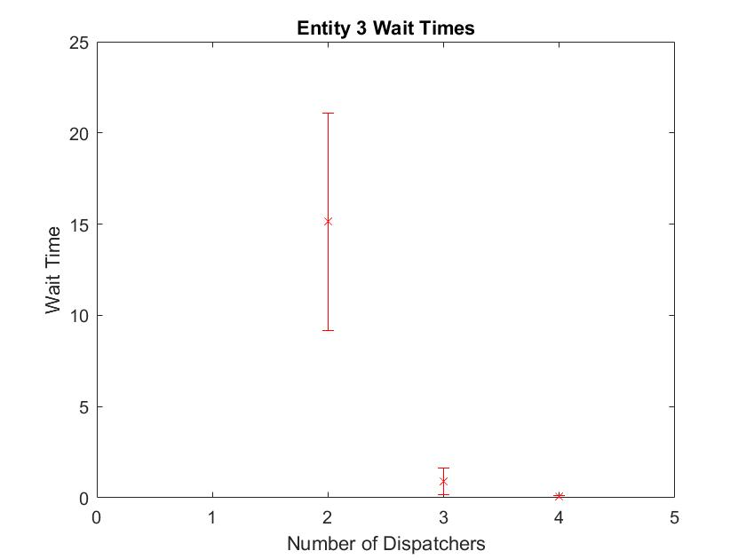
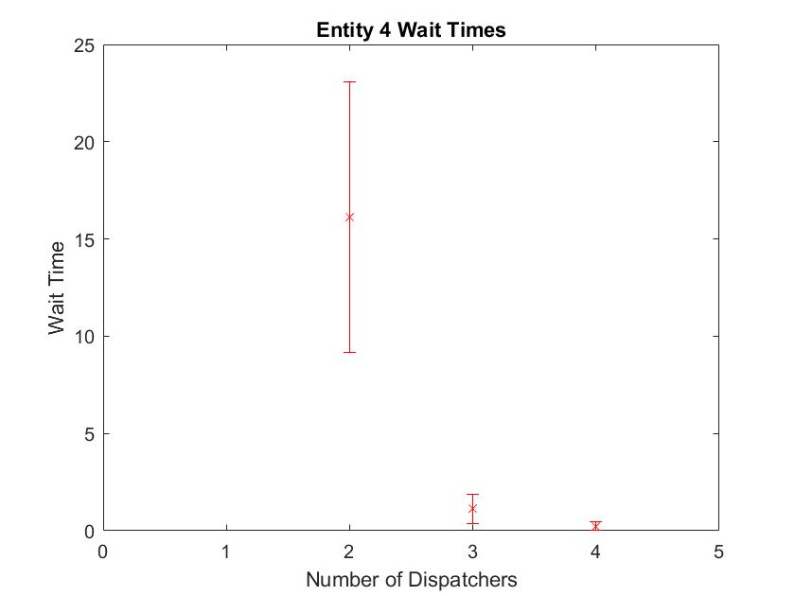
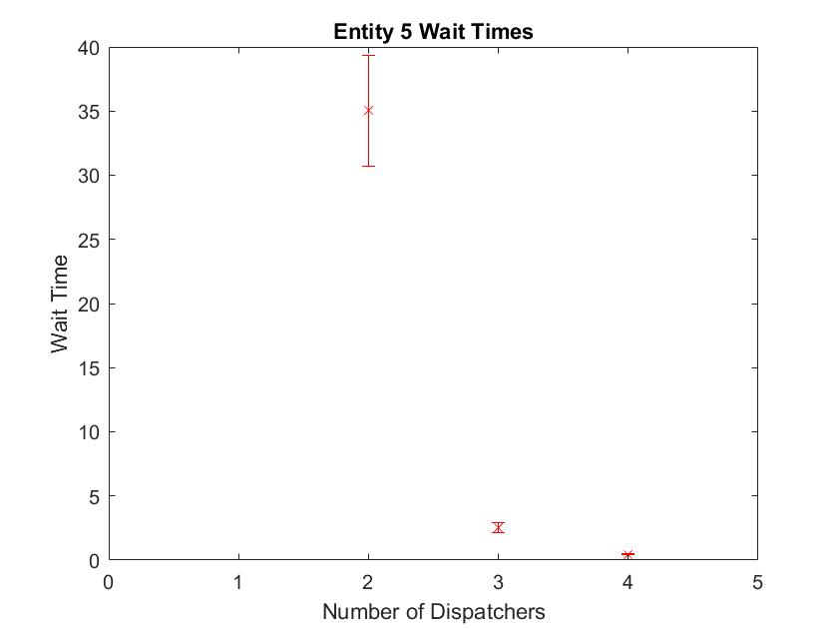
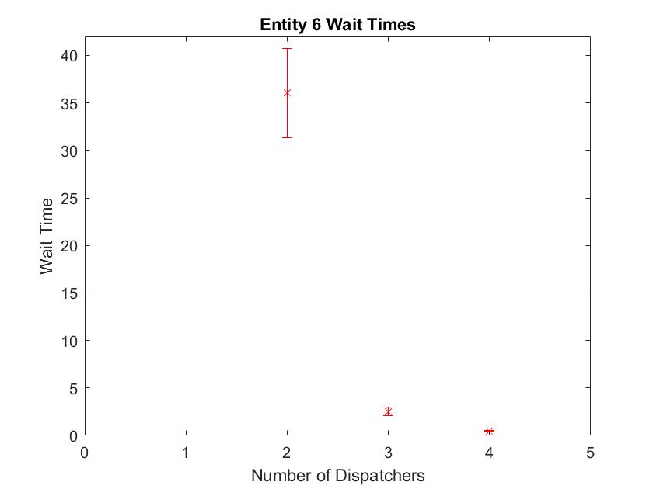
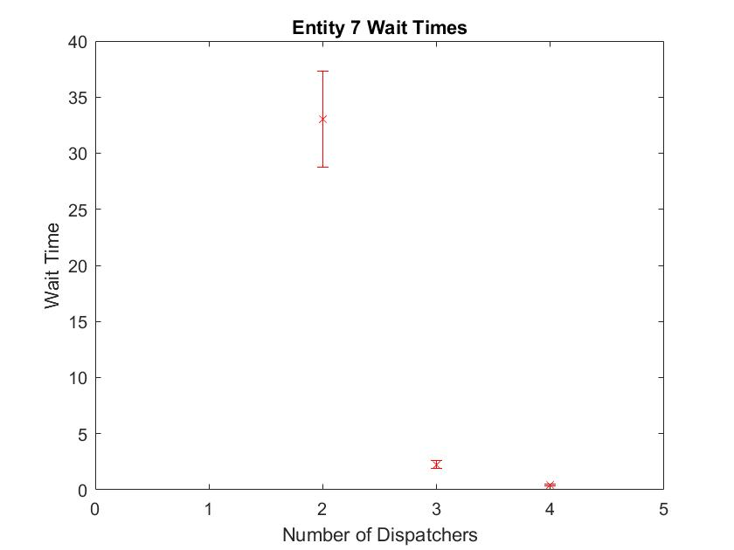
Resource Utilization
 | Num Dispatchers
2 | 0.94
3 | 0.69
4 | 0.46
Task | Left Bound | Average | Right Bound | Half Width |  | 50 Replications
2 | Dispatchers |  |  |  | Utilization | 0.9787 ±.01
Entity 1 | 29.7676 | 34.7676 | 39.7676 | 5 | Number Out | 188.6 ± 3.54
Entity 2 | 30.6569 | 35.6969 | 40.7369 | 5.04
Entity 3 | 9.1881 | 15.1381 | 21.0881 | 5.95
Entity 4 | 9.1793 | 16.1393 | 23.0993 | 6.96
Entity 5 | 30.7105 | 35.0405 | 39.3705 | 4.33
Entity 6 | 31.3303 | 36.0403 | 40.7503 | 4.71
Entity 7 | 28.74 | 33.03 | 37.32 | 4.29

3 | Dispatchers |  |  |  | Utilization | 0.7291 ±.02
Entity 1 | 1.9369 | 2.4069 | 2.8769 | 0.47 | Number Out | 211.44 ± 4.07
Entity 2 | 1.9755 | 2.5255 | 3.0755 | 0.55
Entity 3 | 0.1724 | 0.8924 | 1.6124 | 0.72
Entity 4 | 0.386 | 1.136 | 1.886 | 0.75
Entity 5 | 2.1343 | 2.5443 | 2.9543 | 0.41
Entity 6 | 2.0604 | 2.5104 | 2.9604 | 0.45
 | Tasks Processed
2 | 0
3 | 0
4 | 0
Entity 7 | 1.8797 | 2.2397 | 2.5997 | 0.36

4 | Dispatchers |  |  |  | Utilization | 0.5356 ± 0.01
Entity 1 | 0.3126 | 0.3926 | 0.4726 | 0.08 | Number Out | 210.72 ± 4.27
Entity 2 | 0.4381 | 0.5581 | 0.6781 | 0.12
Entity 3 | -0.0048 | 0.0652 | 0.1352 | 0.07
Entity 4 | 0.0029 | 0.2229 | 0.4429 | 0.22
Entity 5 | 0.3969 | 0.4569 | 0.5169 | 0.06
Entity 6 | 0.4175 | 0.4875 | 0.5575 | 0.07
Entity 7 | 0.3689 | 0.4389 | 0.5089 | 0.07

Replication Length
2 Dispatchers | 50 Replications
Replication Length (mins) | Tasks Completed | Utilization
120 | 37 | 0.9526 ± .02
240 | 86 | 0.9640 ± .01
360 | 138 | 0.9739 ± .01
480 | 188 | 0.9787 ± .01
600 | 239 | 0.9829 ± .01

