Dispatchers
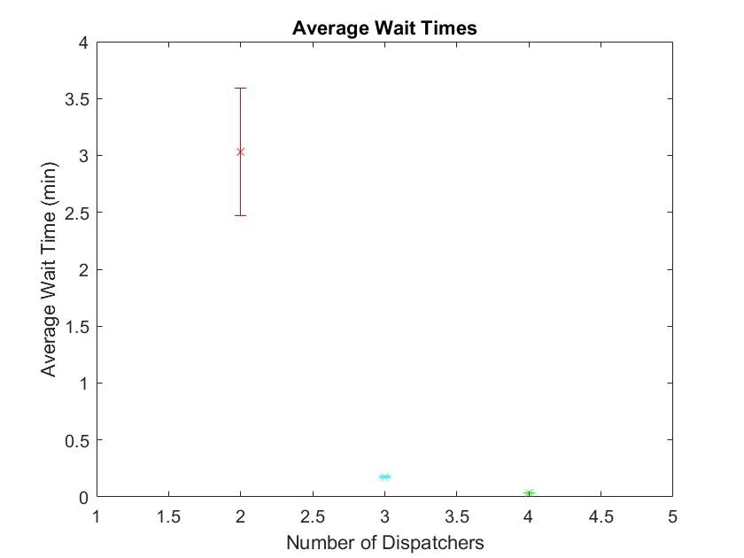
 | 6x arrival parameter | 50 Replications/480 mins |  |  |  |  |  | Graph Resource Utilization and wait times
Task | Min | Wait Time Avg | Max | Half Width |  |  | HW
2 | 2 Dispatchers |  |  |  | Utilization | 0.9273 | 0.01
Entity 1 | 2.431 | 3.021 | 3.611 | 0.59
Entity 2 | 2.5676 | 3.1576 | 3.7476 | 0.59
Entity 3 | 2.0514 | 2.8314 | 3.6114 | 0.78
Entity 4 | 2.3189 | 2.9789 | 3.6389 | 0.66
Entity 5 | 2.5059 | 3.0459 | 3.5859 | 0.54
Entity 6 | 2.4384 | 2.9984 | 3.5584 | 0.56
Entity 7 | 2.4527 | 3.0227 | 3.5927 | 0.57
Average | 2.47 | 3.03 | 3.59 | 0.56
3 | 3 Dispatchers |  |  |  | Utilization | 0.6208 | 0.01
Entity 1 | 0.1642 | 0.1742 | 0.1842 | 0.01
Entity 2 | 0.1628 | 0.1828 | 0.2028 | 0.02
Entity 3 | 0.1184 | 0.1784 | 0.2384 | 0.06
Entity 4 | 0.0929 | 0.1529 | 0.2129 | 0.06
Entity 5 | 0.1683 | 0.1783 | 0.1883 | 0.01
Entity 6 | 0.1631 | 0.1731 | 0.1831 | 0.01
Entity 7 | 0.1629 | 0.1729 | 0.1829 | 0.01
Average | 0.1648 | 0.1748 | 0.1848 | 0.01
4 | 4 Dispatchers |  |  |  | Utilization | 0.4678 | 0
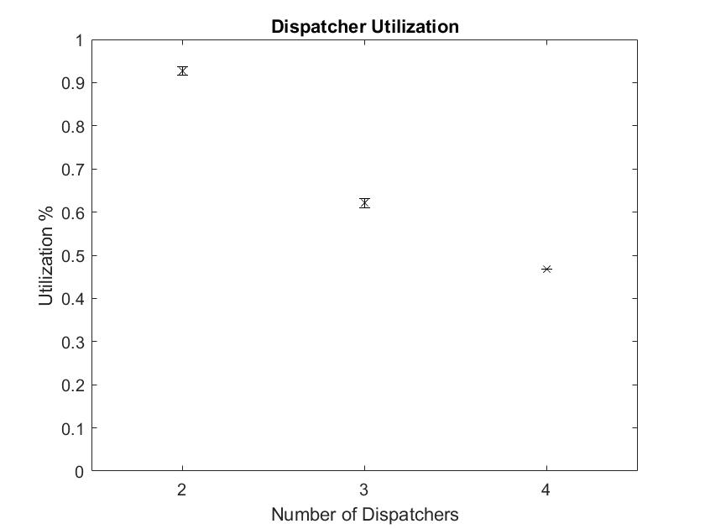
Entity 1 | 0.03295255 | 0.03295255 | 0.03295255 | 0
Entity 2 | 0.02848 | 0.03848 | 0.04848 | 0.01
Entity 3 | 0.00435 | 0.03435 | 0.06435 | 0.03
Entity 4 | 0.025277 | 0.035277 | 0.045277 | 0.01
Entity 5 | 0.035141 | 0.035141 | 0.035141 | 0
Entity 6 | 0.0364 | 0.0364 | 0.0364 | 0
Entity 7 | 0.03595 | 0.03595 | 0.03595 | 0
Average | 0.0358445 | 0.0358445 | 0.0358445 | 0

Java
Workload Summary
Workload Summary |  |  |  |  | 2 dispatcher
Percentage of utilization 0-30% | Percentage of utilization 30-70% | Percentage of utilization 70-100%
96.75% | 3.25% | 0.00%
Percentage of utilization 0-30% | Percentage of utilization 30-70% | Percentage of utilization 70-100% |  |  | 3 dispatcher
98.13% | 1.88% | 0.00%
Workload Summary
Percentage of utilization 0-30% | Percentage of utilization 30-70% | Percentage of utilization 70-100% |  |  | 4 dispatcher
98.67% | 1.33% | 0.00%

Fleet Size
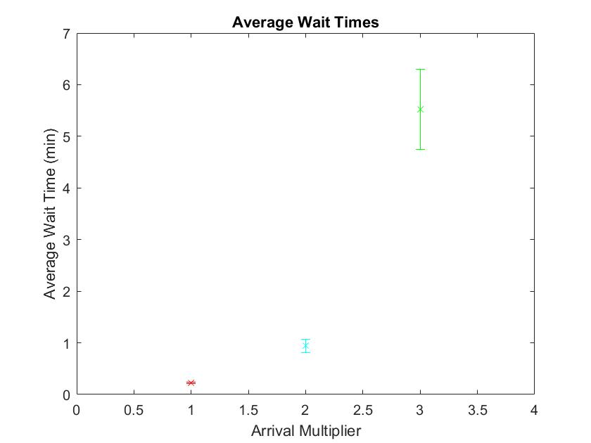
1 dispatcher | 50 reps/480 min runtime |  |  |  |  |  | Graphs: wait time, utilization
 |  |  | Wait Time |  | Utilization
(1x arrival parameter) |  |  | Avg Wait | Half Width | Avg Utilization | Half Width
Entity 1 |  |  | 0.2171 | 0.04 | 0.3113 | 0.01
Entity 2 |  |  | 0.2303 | 0.05
Entity 3 |  |  | 0.0956 | 0.06
Entity 4 |  |  | 0.07446 | 0.06
Entity 5 |  |  | 0.2198 | 0.02
Entity 6 |  |  | 0.2338 | 0.02
Entity 7 |  |  | 0.2224 | 0.02
Average |  |  | 0.2244 | 0.02
(x2 arrival parameter)
Entity 1 |  |  | 0.9907 | 0.19 | 0.9454 | 0.13
Entity 2 |  |  | 0.9272 | 0.12
Entity 3 |  |  | 0.7914 | 0.28
Entity 4 |  |  | 0.8696 | 0.36
Entity 5 |  |  | 0.9563 | 0.14
Entity 6 |  |  | 0.9319 | 0.13
Entity 7 |  |  | 0.9475 | 0.13
Average |  |  | 0.9454 | 0.13
(x3 arrival parameter)
Entity 1 |  |  | 5.410094934 | 0.77 | 0.9241 | 0.01
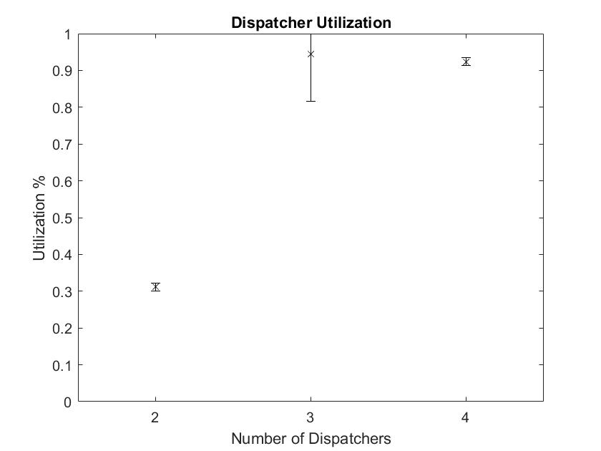
Entity 2 |  |  | 5.6145915623 | 0.87
Entity 3 |  |  | 5.4481712081 | 1.21
Entity 4 |  |  | 4.9756647926 | 1.09
Entity 5 |  |  | 5.5431388084 | 0.77
Entity 6 |  |  | 5.4954675694 | 0.78
Entity 7 |  |  | 5.5226465944 | 0.8
Average |  |  | 5.5227 | 0.78

Java Results
Workload Summary
Percentage of utilization 0-30% | Percentage of utilization 30-70% | Percentage of utilization 70-100%
99.83% | 0.17% | 0.00%
Workload Summary
Percentage of utilization 0-30% | Percentage of utilization 30-70% | Percentage of utilization 70-100%
99.13% | 0.88% | 0.00%
Workload Summary
Percentage of utilization 0-30% | Percentage of utilization 30-70% | Percentage of utilization 70-100%
97.75% | 2.25% | 0.00%

Replication Length
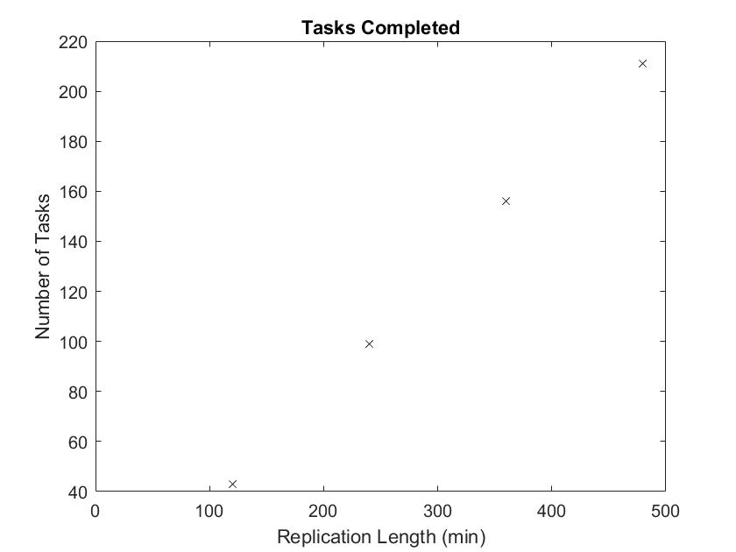
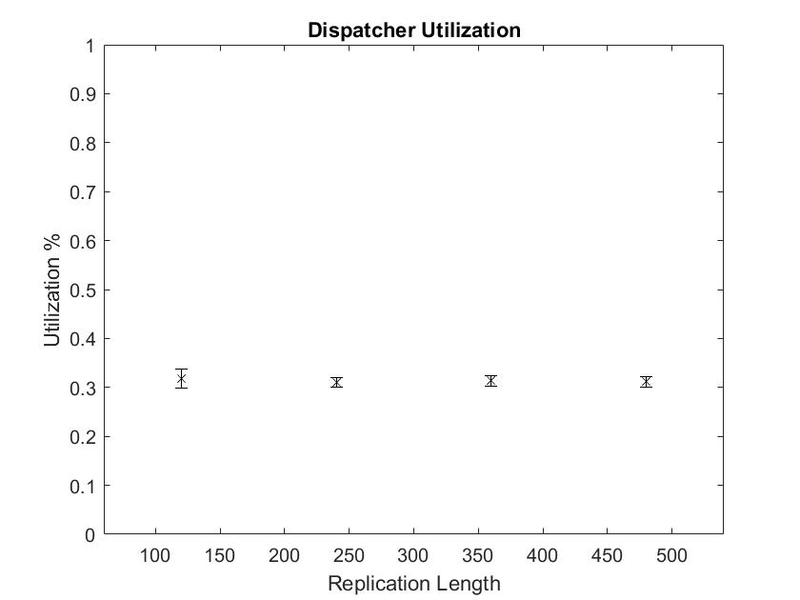
1x arrival parameter |  | 50 Replications
2 Dispatchers
Replication Length (mins) |  | Tasks Completed | Utilization | HW
120 |  | 43 | 0.3181 | 0.02
240 |  | 99 | 0.3109 | 0.01
360 |  | 156 | 0.3134 | 0.01
480 |  | 211 | 0.3113 | 0.01

Workload Summary |  |  |  |  | 120
Percentage of utilization 0-30% | Percentage of utilization 30-70% | Percentage of utilization 70-100%
100.00% | 0.00% | 0.00%
Workload Summary
Percentage of utilization 0-30% | Percentage of utilization 30-70% | Percentage of utilization 70-100% |  |  | 240
99.92% | 0.08% | 0.00%
Workload Summary
Percentage of utilization 0-30% | Percentage of utilization 30-70% | Percentage of utilization 70-100% |  |  | 360
99.94% | 0.06% | 0.00%
Workload Summary
Percentage of utilization 0-30% | Percentage of utilization 30-70% | Percentage of utilization 70-100% |  |  | 480
99.96% | 0.04% | 0.00%

SpecialistGeneralist
Dispatcher Utilization
4x arrival parameter |  |  | 50 replications 480 mins
2 Dispatchers | Tasks | Utilization | Half Width | Avg Wait | Half Width
Specialist | 1,2,3 | 0.1047 | 0 | 0.00682773 | 0
Specialist | 4,5,6,7 | 0.4965 | 0.01 | 0.1642 | 0.01
Generalist | Any | 0.5946 | 0.01 | 0.2787 | 0.02

Heterogeneity
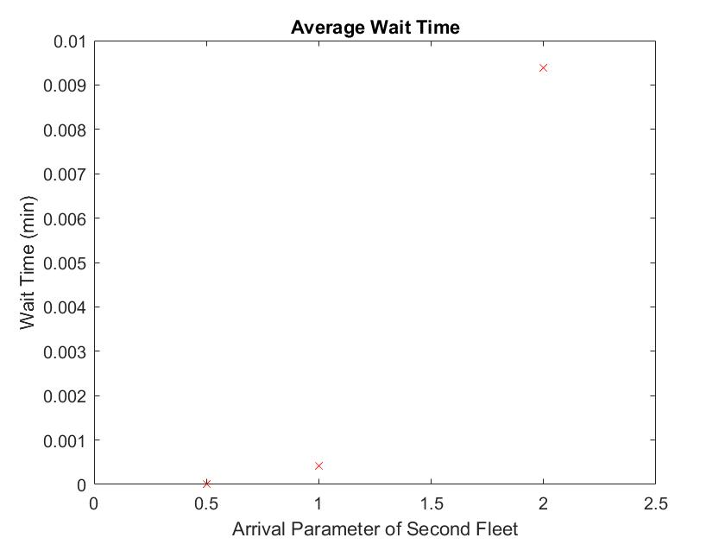
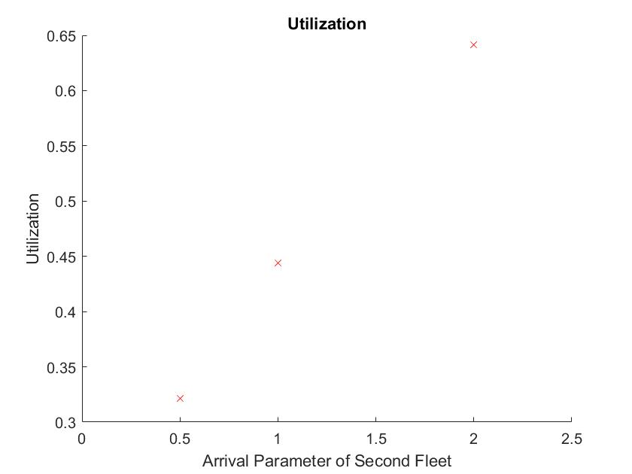
14 dispatchers |  | 50 replications at 480 min each
Default 10 vehicles with normal parameters
(Averages) | Wait Time | Half Width | Utilization | 0.4437
Entity 1 | 0 | 0 | HW | 0
Entity 2 | 0 | 0
Entity 3 | 0 | 0
Entity 4 | 0 | 0
Entity 5 | 0 | 0
Entity 6 | 0 | 0
Entity 7 | 0 | 0
Average | 0.00041841 | 0
Additional 10 vehicles with .5x arrival rate
(Averages) | Wait Time | Half Width | Utilization | 0.3215
Entity 1 | 0 | 0 | HW | 0
Entity 2 | 0 | 0
Entity 3 | 0 | 0 |  |  | ,
Entity 4 | 0 | 0
Entity 5 | 0 | 0
Entity 6 | 0 | 0
Entity 7 | 0 | 0
Average | 0.00001235
Additional 10 vehicles with 2x arrival rate
(Averages) | Wait Time | Half Width | Utilization | 0.6414
Entity 1 | 0.0094 | 0 | HW | 0
Entity 2 | 0.01 | 0
Entity 3 | 0.0122 | 0
Entity 4 | 0.01006 | 0
Entity 5 | 0.01011 | 0
Entity 6 | 0.009797 | 0
Entity 7 | 0.009646 | 0
Average | 0.0093897 | 0

Additional 10 vehicles with 0.5x service time
(Averages) | Wait Time | Half Width | Utilization | 0.2139
Entity 1 | 0 | 0 | HW | 0
Entity 2 | 0 | 0
Entity 3 | 0 | 0
Entity 4 | 0 | 0
Entity 5 | 0 | 0
Entity 6 | 0 | 0
Entity 7 | 0 | 0
Average | 0.00000012 | 0
Additional 10 vehicles with 2x service time
(Averages) | Wait Time | Half Width | Utilization | 0.8557
Entity 1 | 0.232 | 0.02 | HW | 0
Entity 2 | 0.2357 | 0.02
Entity 3 | 0.229 | 0.03
Entity 4 | 0.2267 | 0.04
Entity 5 | 0.2303 | 0.02
Entity 6 | 0.2328 | 0.02
Entity 7 | 0.229 | 0.02
Average | 0.2312 | 0.02 |  | *RUN THIS FIRST

