БД Гостевой книги
2 | тест | 4 | 2018:11:09-02:03
1 | tertert | 0 | 2018:11:09-03:05
1 | terte | 0 | 2018:11:09-03:05
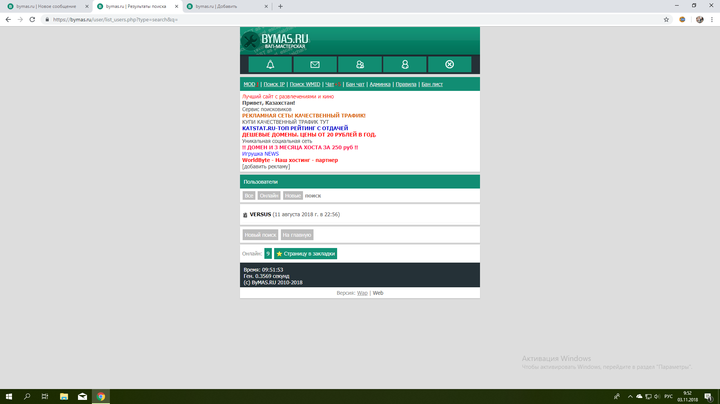
1 |  | 0 | 2018:11:09-03:52

