Sheet1
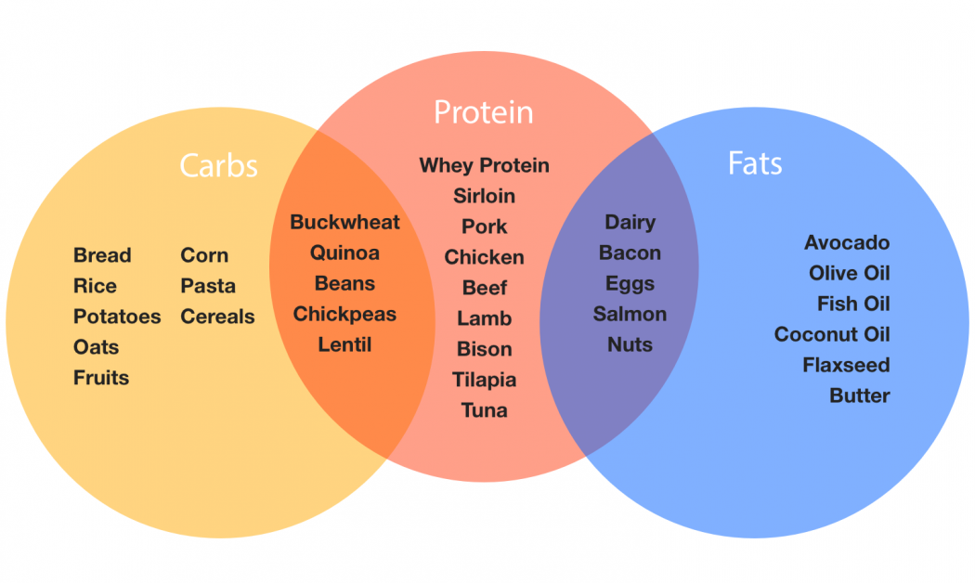
BODYWEIGHT |  | 60 |  | CALORIES
TOTAL DAILY AMOUNT OF |  |  |  |  |  |  |  | FOOD DISTRIBUTION INSIDE THE PLATE
PROTEIN | 120 |  |  | 480
CARBS | 420 |  |  | 1440
FATS | 78 |  |  | 702
*In grams |  |  |  | 2622 | TOTAL
 |  |  |  | *In calories

NUTRITION FACTS PER MEAL IF YOU ARE FOLLOWING A 4 MEAL PLAN
PROTEIN | 20
CARBS | 90
FAT | 19.5
*In grams
 |  |  | ANABOLIC PHASE

BODYWEIGHT |  | 60 |  | CALORIES
TOTAL DAILY AMOUNT OF
PROTEIN | 120 |  |  | 480
CARBS | 360 |  |  | 1200
FATS | 78 |  |  | 702
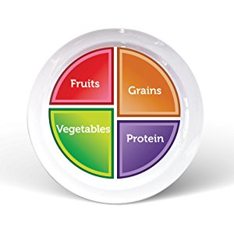
*In grams |  |  |  | 2382 | TOTAL
 |  |  |  | *In calories

NUTRITION FACTS PER MEAL IF YOU ARE FOLLOWING A 4 MEAL PLAN
PROTEIN | 20
CARBS | 75
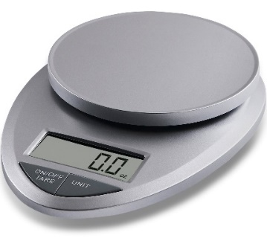
FAT | 19.5
*In grams
 |  |  | MAINTAINANCE

BODYWEIGHT |  | 60 |  | CALORIES
TOTAL DAILY AMOUNT OF
PROTEIN | 126 |  |  | 504
CARBS | 300 |  |  | 960
FATS | 78 |  |  | 702 |  | FOOD MESEAURMENT
*In grams |  |  |  | 2166 | TOTAL
 |  |  |  | *In calories |  | NUTRITIONAL FACTS PER 100gr OF RAW FOOD
 |  |  |  |  |  | GRAINS: | 60-70gr OF CARBS
 |  |  |  |  |  | PROTEIN: | 15-20gr OF PROTEIN
 |  |  |  |  |  | VEGGIES: | 15-20gr OF CARBS

NUTRITION FACTS PER MEAL IF YOU ARE FOLLOWING A 4 MEAL PLAN |  |  |  |  |  | FRUITS: | 1 MEDIUM 15-20gr OF CARBS
PROTEIN | 21.5 |  |  |  |  | FATS: | 1 TABLE SPOON 15gr OF FATS
CARBS | 60
FAT | 19.5
 |  |  |  |  |  | NAME OF CLIENT: |  |  | _______________________________________________
 |  |  | CATABOLIC

 | WEIGHT HISTORY |  |  |  | MAIN GOAL:

 | DATE | WEIGHT

