READ FIRST
CLICK ME

GENERAL HOROSCOPE READING
xxxxxxxxxx

1. ZODIAC NATAL
 | ZODIAC | LORD
ASC | SAGITARIUS | JUPITER
DAY CHART/NIGHT CHART | DIURNAL
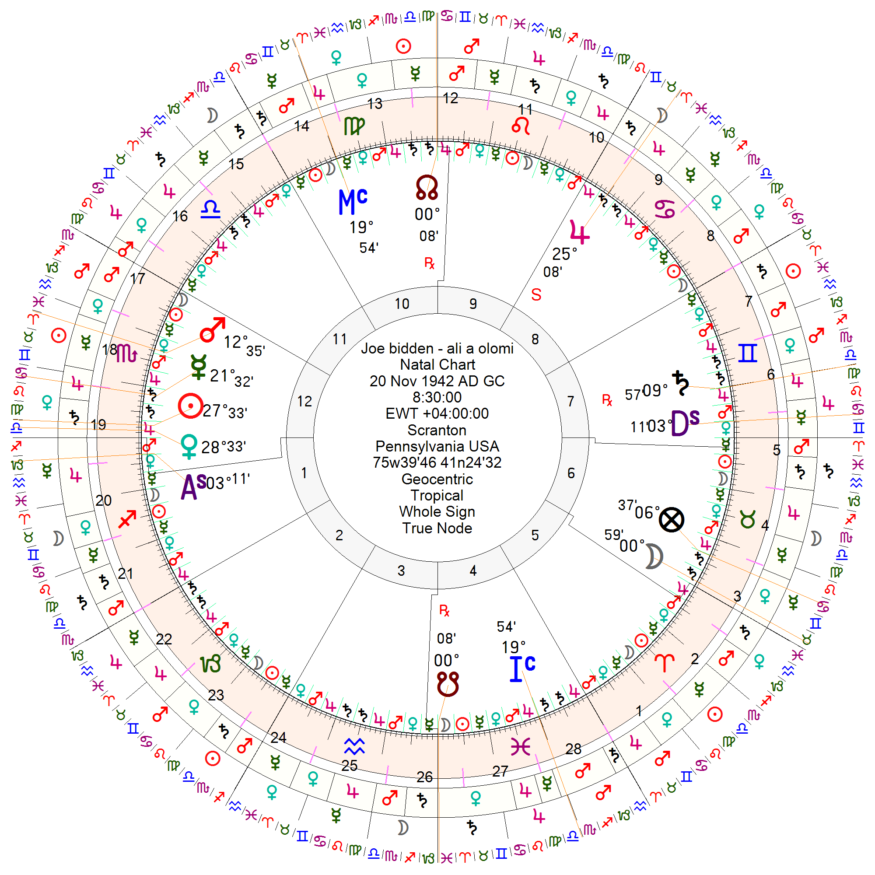
HOUSE | ZODIAC | TYPE | PLANET 1 | PLANET 2 | PLANET 3 | PLANET 4 | PLANET 5 | PLANET 6 | PLANET 7 | DEFINITION HOUSE
1 | SAGITARIUS | CARDINAL |  |  |  |  |  |  |  | H1 - HELM
2 | CAPRICORN | SUCUDENT |  |  |  |  |  |  |  | H2 Gate of Hades
3 | AQUARIUS | CADENT |  |  |  |  |  |  |  | H3 - The House of the Goddess
4 | PISCES | CARDINAL |  |  |  |  |  |  |  | H4 -Subterranean
5 | ARIES | SUCUDENT |  |  |  |  |  |  |  | H5 Good Fortune
6 | TAURUS | CADENT | MOON | LOF |  |  |  |  |  | H6-Bad Fortune
7 | GEMINI | CARDINAL | SATURN |  |  |  |  |  |  | H7- Setting
8 | CANCER | SUCUDENT | JUPITER |  |  |  |  |  |  | H8-Inactive
9 | LEO | CADENT |  |  |  |  |  |  |  | H9- The House of God
10 | VIRGO | CARDINAL |  |  |  |  |  |  |  | H10 - Midheaven
11 | LIBRA | SUCUDENT |  |  |  |  |  |  |  | H11 Good Spirit
12 | SCORPIO | CADENT | MARS | MERCURY | SUN | VENUS |  |  |  | H12 Bad Spirit

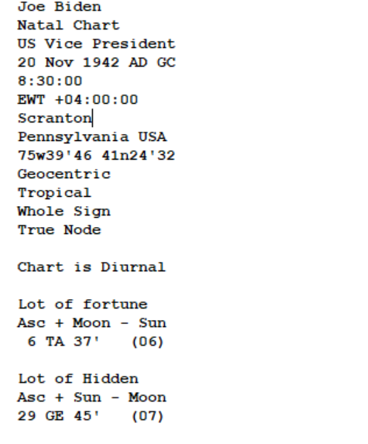
PLANET | ZODIAC | DEGREE | HOUSE | LUNAR MANSION | TERM | BOUND | DODECATEMORIA | ANGGULAR PLANET | ANGGULAR PLANET
SATURN | GEMINI | 0:09:57 | 7 |  |  |  | VIRGO | SATURN | ANGGULAR
JUPITER | CANCER | 0:25:08 | 8 |  |  |  | TAURUS | 0
MARS | SCORPIO | 0:12:35 | 12 |  |  |  | ARIES | 0
SUN | SCORPIO | 0:27:33 | 12 |  |  |  | LIBRA | 0
VENUS | SCORPIO | 0:28:33 | 12 |  |  |  | LIBRA | 0
MERCURY | SCORPIO | 0:21:32 | 12 |  |  |  | CANCER | 0
MOON | TAURUS | 0:00:59 | 6 | 3 |  |  | TAURUS | 0
LOF | TAURUS | 0:06:37 | 6 |  |  |  | CANCER

POINT | ZODIAC | DEGREE | DODECATEMORIA
ASC | SAGITARIUS | 0:03:11 | CAPRICORN
DSC | GEMINI | 0:03:11 | CANCER
MC | VIRGO | 0:19:54 | ARIES
IC | PISCES | 0:19:54 | LIBRA

POINT | ZODIAC | DEGREE | LORD | DODECATEMORIA | LORD
Lot of Hiden (Natal) | GEMINI | 0:29:45 | MERCURY
Lot of Religion(piety-Natal) |  |  | #N/A
Lots Of union | TAURUS | 0:21:47 | VENUS | CAPRICORN | SATURN

1. ANNUAL REVOLUTION
 |  |  | ZODIAC | LORD
REVOLUTION OF THE YEAR |  |  | SCORPIO | MARS
DAY CHART/NIGHT CHART |  |  | NOCTURNAL
FAVORED LIGHT ZODIAC LORD |  |  | MARS

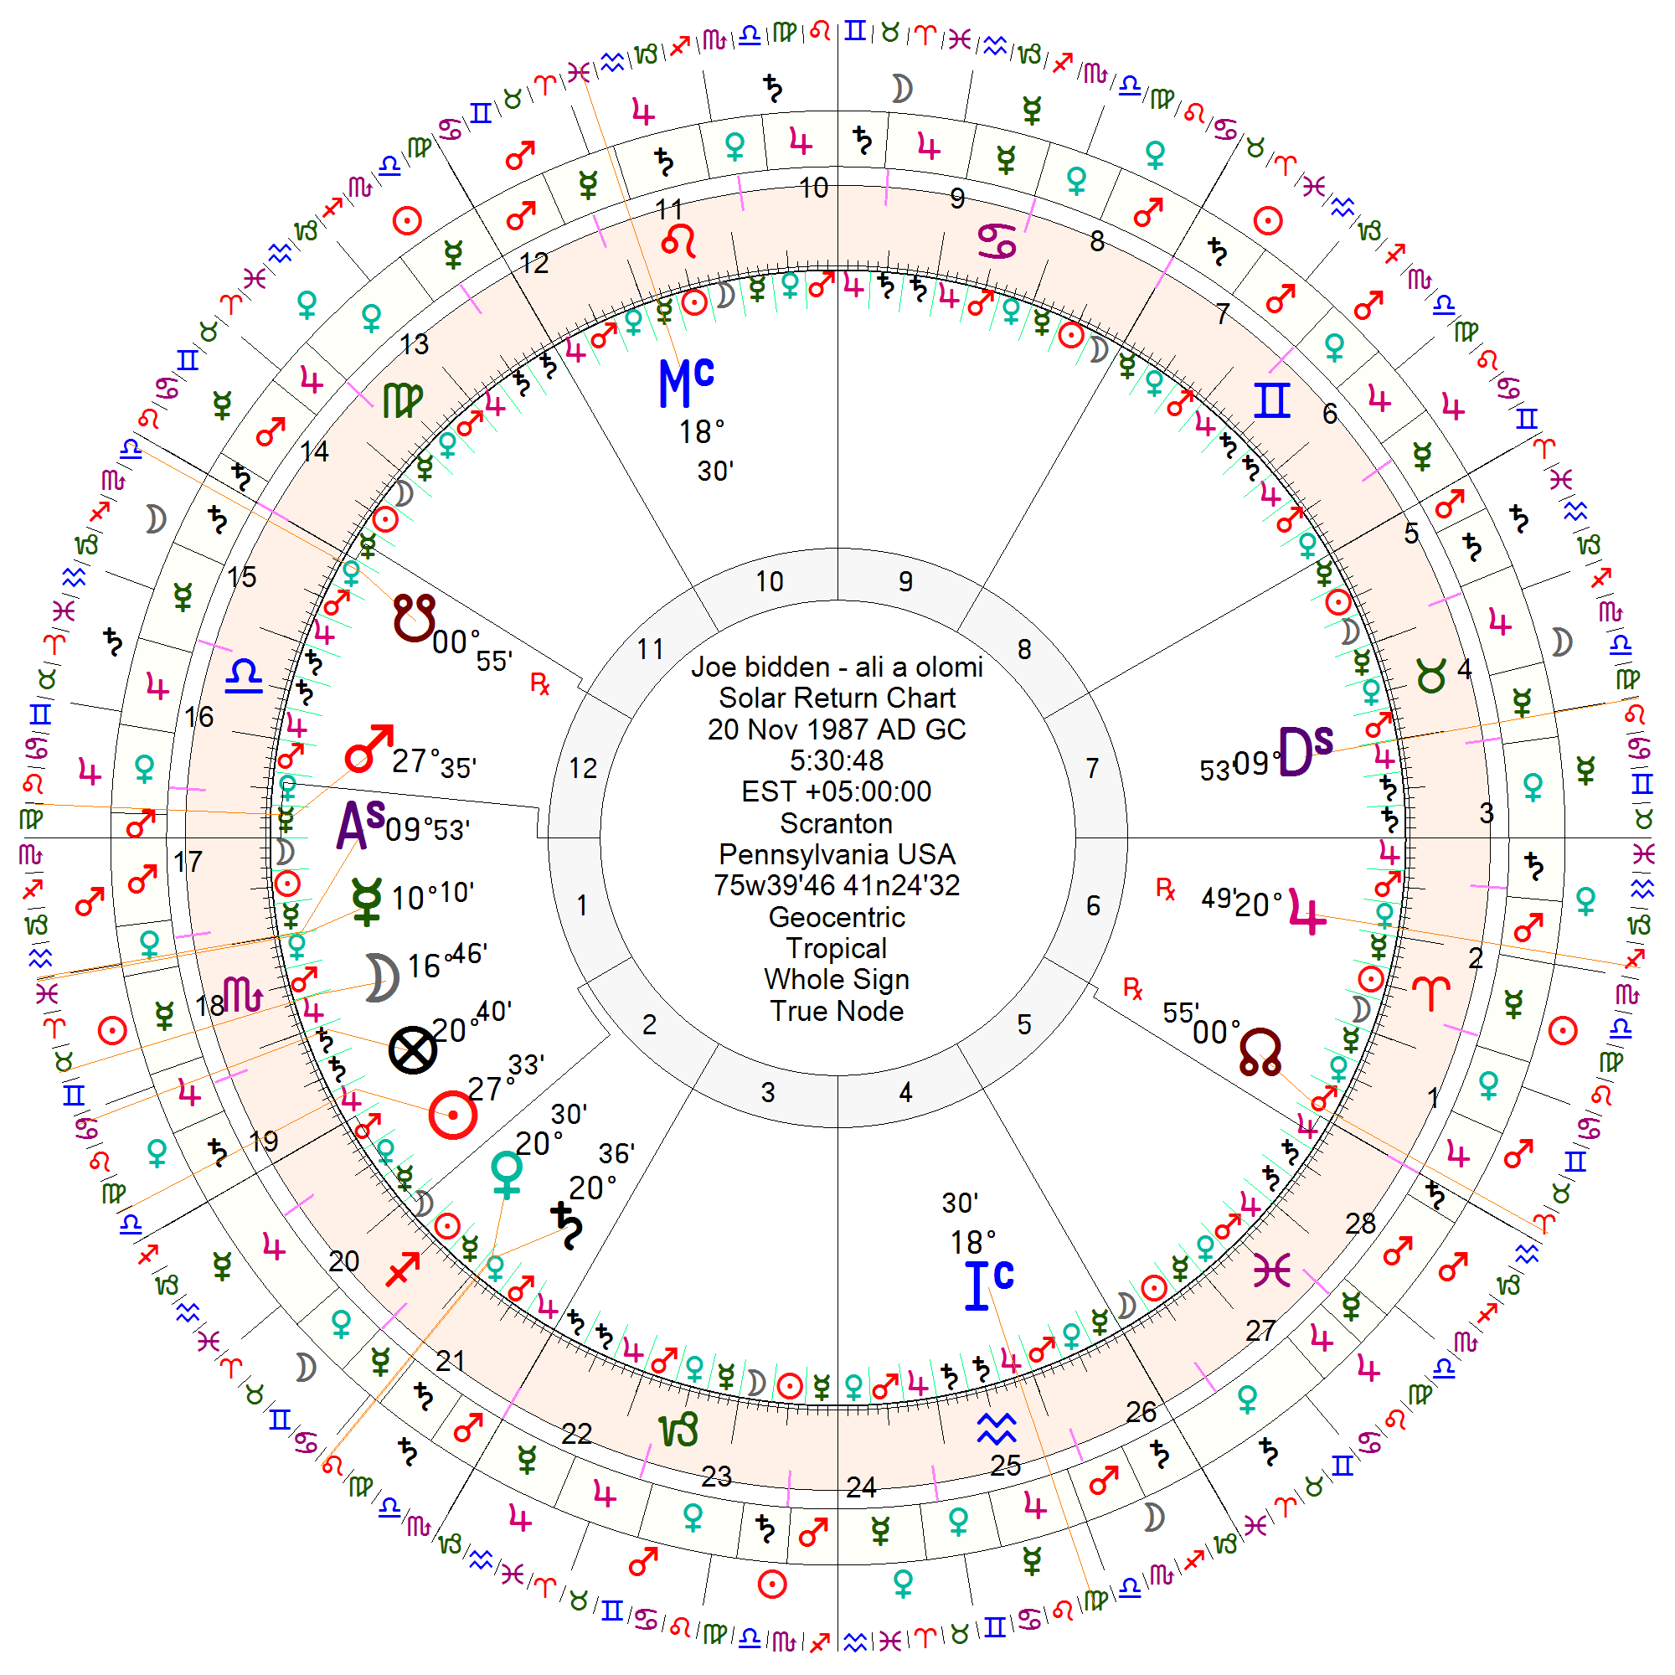
HOUSE | TYPE | ZODIAC | TYPE | PLANET 1 | PLANET 2 | PLANET 3 | PLANET 4 | PLANET 5 | PLANET 6 | PLANET 7 | DEFINITION HOUSE
1 | GOOD HOUSE | SCORPIO | CARDINAL | MERCURY | MOON | SUN | LOF |  |  |  | H1 - HELM
2 | GOOD HOUSE | SAGITARIUS | SUCUDENT | VENUS | SATURN |  |  |  |  |  | H2 Gate of Hades
3 | BAD HOUSE | CAPRICORN | CADENT |  |  |  |  |  |  |  | H3 - The House of the Goddess
4 | GOOD HOUSE | AQUARIUS | CARDINAL |  |  |  |  |  |  |  | H4 -Subterranean
5 | GOOD HOUSE | PISCES | SUCUDENT |  |  |  |  |  |  |  | H5 Good Fortune
6 | BAD HOUSE | ARIES | CADENT | JUPITER |  |  |  |  |  |  | H6-Bad Fortune
7 | GOOD HOUSE | TAURUS | CARDINAL |  |  |  |  |  |  |  | H7- Setting
8 | GOOD HOUSE | GEMINI | SUCUDENT |  |  |  |  |  |  |  | H8-Inactive
9 | BAD HOUSE | CANCER | CADENT |  |  |  |  |  |  |  | H9- The House of God
10 | GOOD HOUSE | LEO | CARDINAL |  |  |  |  |  |  |  | H10 - Midheaven
11 | GOOD HOUSE | VIRGO | SUCUDENT |  |  |  |  |  |  |  | H11 Good Spirit
12 | BAD HOUSE | LIBRA | CADENT | MARS |  |  |  |  |  |  | H12 Bad Spirit

 |  |  |  |  |  |  |  |  | RETURN
PLANET | ZODIAC | DEGREE | HOUSE | LUNAR MANSION | TERM | BOUND | DODECATEMORIA | LORD | ZODIAC NATAL | DEGREE | HOUSE | RETURN
SATURN | SAGITARIUS | 0:20:36 | 2 |  |  |  | VIRGO |  | GEMINI | 0:09:57 | 7
JUPITER | ARIES | 0:20:49 | 6 |  |  |  | TAURUS |  | CANCER | 0:25:08 | 8
MARS | LIBRA | 0:27:35 | 12 |  |  |  | ARIES |  | SCORPIO | 0:12:35 | 12
SUN | SCORPIO | 0:27:33 | 1 |  |  |  | LIBRA | MARS | SCORPIO | 0:27:33 | 12
VENUS | SAGITARIUS | 0:20:30 | 2 |  |  |  | LIBRA |  | SCORPIO | 0:28:33 | 12
MERCURY | SCORPIO | 0:10:10 | 1 |  |  |  | CANCER |  | SCORPIO | 0:21:32 | 12 | CHECK AGAIN IN SOLAR RETURN
MOON | SCORPIO | 0:16:46 | 1 | 18 |  |  | TAURUS | MARS | TAURUS | 0:00:59 | 6

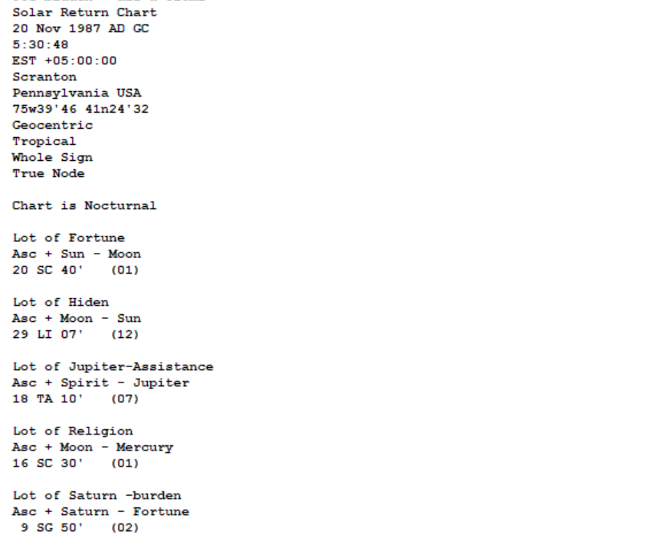
POINT | ZODIAC | DEGREE | DODECATEMORIA | HOUSE
ASC | SCORPIO | 0:09:53 | AQUARIUS
MC | LEO | 0:18:30 | PISCES
Lot of Fortune | SCORPIO | 0:20:40 | CANCER | 1
Favoured Light | SCORPIO | 0.011643518519 | TAURUS

Lot of Annual Revoulution

Lot | Zodiac | Degree | House | DODECATEMORIA | Derived from LOF
HIDDEN | LIBRA | 0:29:07 | 12 | VIRGO
RELIGION | SCORPIO | 0:16:30 |  | TAURUS
BURDENS | SAGITARIUS | 0:09:50 | 2 | PISCES | 2
ASSISTANCE | TAURUS | 0:18:10 | 7 | SAGITARIUS
FORTUNE | SCORPIO | 0:20:40 | 1

CONFIGURATION OF SOLAR RETURN :

1. FIRDARIA CALCULATOR
PERSONAL CALENDAR READING
YEAR OF PROFECTION | 1987
Date of Birth | 20-Nov-1942 |  |  |  |  | 1942 | FIRDARIA | SUN
Sect | DIURNAL |  |  |  |  |  | HELPER | MOON
Age | 45 |  |  |  |  |  |  | PERIOD OF FELICITY
 |  | DIURNAL
 |  | Major | Minor | Time | Date

 |  | SUN |  | 1.43 | 20-Nov-42
 |  | SUN | VENUS | 1.43 | 24-Apr-44
 |  | SUN | MERCURY | 1.43 | 28-Sep-45
 |  | SUN | MOON | 1.43 | 4-Mar-47
 |  | SUN | SATURN | 1.43 | 7-Aug-48
 |  | SUN | JUPITER | 1.43 | 10-Jan-50
 |  | SUN | MARS | 1.43 | 16-Jun-51
 |  | VENUS |  | 1.14 | 19-Nov-52
 |  | VENUS | MERCURY | 1.14 | 10-Jan-54
 |  | VENUS | MOON | 1.14 | 4-Mar-55
 |  | VENUS | SATURN | 1.14 | 24-Apr-56
 |  | VENUS | JUPITER | 1.14 | 16-Jun-57
 |  | VENUS | MARS | 1.14 | 7-Aug-58
 |  | VENUS | SUN | 1.14 | 28-Sep-59
 |  | MERCURY |  | 1.86 | 19-Nov-60
 |  | MERCURY | MOON | 1.86 | 28-Sep-62
 |  | MERCURY | SATURN | 1.86 | 6-Aug-64
 |  | MERCURY | JUPITER | 1.86 | 16-Jun-66
 |  | MERCURY | MARS | 1.86 | 24-Apr-68
 |  | MERCURY | SUN | 1.86 | 3-Mar-70
 |  | MERCURY | VENUS | 1.86 | 11-Jan-72
 |  | MOON |  | 1.29 | 19-Nov-73
 |  | MOON | SATURN | 1.29 | 4-Mar-75
 |  | MOON | JUPITER | 1.29 | 15-Jun-76
 |  | MOON | MARS | 1.29 | 28-Sep-77
 |  | MOON | SUN | 1.29 | 10-Jan-79
 |  | MOON | VENUS | 1.29 | 24-Apr-80
 |  | MOON | MERCURY | 1.29 | 7-Aug-81
 |  | SATURN |  | 1.57 | 19-Nov-82
 |  | SATURN | JUPITER | 1.57 | 15-Jun-84
 |  | SATURN | MARS | 1.57 | 10-Jan-86
 |  | SATURN | SUN | 1.57 | 7-Aug-87
 |  | SATURN | VENUS | 1.57 | 3-Mar-89
 |  | SATURN | MERCURY | 1.57 | 28-Sep-90
 |  | SATURN | MOON | 1.57 | 24-Apr-92
 |  | JUPITER |  | 1.71 | 19-Nov-93
 |  | JUPITER | MARS | 1.71 | 7-Aug-95
 |  | JUPITER | SUN | 1.71 | 24-Apr-97
 |  | JUPITER | VENUS | 1.71 | 10-Jan-99
 |  | JUPITER | MERCURY | 1.71 | 27-Sep-00
 |  | JUPITER | MOON | 1.71 | 16-Jun-02
 |  | JUPITER | SATURN | 1.71 | 3-Mar-04
 |  | MARS |  | 1.00 | 19-Nov-05
 |  | MARS | SUN | 1.00 | 19-Nov-06
 |  | MARS | VENUS | 1.00 | 19-Nov-07
 |  | MARS | MERCURY | 1.00 | 19-Nov-08
 |  | MARS | MOON | 1.00 | 19-Nov-09
 |  | MARS | SATURN | 1.00 | 19-Nov-10
 |  | MARS | JUPITER | 1.00 | 19-Nov-11
 |  | NORTH NODE 3 yrs |  | 3.00 | 18-Nov-12
 |  | SOUTH NODE 2 yrs |  | 2.00 | 19-Nov-15

 |  | SUN |  | 1.43 | 19-Nov-17
 |  | SUN | VENUS | 1.43 | 24-Apr-19
 |  | SUN | MERCURY | 1.43 | 27-Sep-20
 |  | SUN | MOON | 1.43 | 3-Mar-22
 |  | SUN | SATURN | 1.43 | 7-Aug-23
 |  | SUN | JUPITER | 1.43 | 10-Jan-25
 |  | SUN | MARS | 1.43 | 15-Jun-26
 |  | VENUS |  | 1.14 | 19-Nov-27
 |  | VENUS | MERCURY | 1.14 | 10-Jan-29
 |  | VENUS | MOON | 1.14 | 3-Mar-30
 |  | VENUS | SATURN | 1.14 | 24-Apr-31
 |  | VENUS | JUPITER | 1.14 | 15-Jun-32
 |  | VENUS | MARS | 1.14 | 6-Aug-33
 |  | VENUS | SUN | 1.14 | 28-Sep-34
 |  | MERCURY |  | 1.86 | 19-Nov-35
 |  | MERCURY | MOON | 1.86 | 27-Sep-37
 |  | MERCURY | SATURN | 1.86 | 7-Aug-39
 |  | MERCURY | JUPITER | 1.86 | 15-Jun-41
 |  | MERCURY | MARS | 1.86 | 24-Apr-43
 |  | MERCURY | SUN | 1.86 | 3-Mar-45
 |  | MERCURY | VENUS | 1.86 | 10-Jan-47
 |  |  |  |  | 18-Nov-48

1. LORD OF THE TURN
Age |  |  |  |  |  |  |  |  |  |  |  |  |  |  | Planetary Hours | POSITION OF AGE | TURNING OF THE SOUL
1 | 8 | 15 | 22 | 29 | 36 | 43 | 50 | 57 | 64 | 71 | 78 | 85 | 92 | 99 | VENUS |  |  | CALCULATOR PLANETARY HOURS LINK | Umur | Keterangan
2 | 9 | 16 | 23 | 30 | 37 | 44 | 51 | 58 | 65 | 72 | 79 | 86 | 93 | 100 | MERCURY |  |  |  | 1 | Signifikan
3 | 10 | 17 | 24 | 31 | 38 | 45 | 52 | 59 | 66 | 73 | 80 | 87 | 94 | 101 | MOON | NOW |  |  | 8 | Signifikan
4 | 11 | 18 | 25 | 32 | 39 | 46 | 53 | 60 | 67 | 74 | 81 | 88 | 95 | 102 | SATURN |  |  |  | 15 | Signifikan
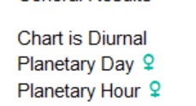
5 | 12 | 19 | 26 | 33 | 40 | 47 | 54 | 61 | 68 | 75 | 82 | 89 | 96 | 103 | JUPITER |  |  |  | 22 | Signifikan
6 | 13 | 20 | 27 | 34 | 41 | 48 | 55 | 62 | 69 | 76 | 83 | 90 | 97 | 104 | MARS |  |  |  | 29 | Signifikan
7 | 14 | 21 | 28 | 35 | 42 | 49 | 56 | 63 | 70 | 77 | 84 | 91 | 98 | 105 | SUN |  |  |  | 36 | Signifikan
LORD of the Soul |  |  |  | MARS |  |  |  |  |  |  |  |  |  |  |  |  |  | LORD OF LUNAR MANSION LINK | 71 | Signifikan
Lord of Profection |  |  |  | MERCURY |  |  |  |  |  |  |  |  |  |  |  |  |  |  | 78 | Signifikan
AGE |  |  |  | 45 |  |  |  |  |  |  |  |  |  |  |  |  |  |  | 85 | Signifikan
The Great Turn 1st |  |  |  | NO |  |  |  |  |  |  |  |  |  |  |  |  |  |  | 92 | Signifikan
The Great Turn 11nd |  |  |  | NO
The Great Year |  |  |  | NO |  |  |  |  |  |  |  |  |  |  |  |  |  |  | 99 | Signifikan

2. PROFECTION YEARLY & MONTHLY
PERSONAL CALENDAR READING
LINK ANNUAL PROFECTION ASTROSEEK |  | ZODIAC & RULLERSHIP | HOUSE | LORD PLANETARY HOUR |  |  |  |  |  |  |  |  |  |  |  |  |  |  |  |  |  |  |  | x | x
 | ANNUAL PROFECTION |  |  | H1 | H11 |  |  |  |  |  |  |  |  |  |  |  |  |  |  |  | PROFECTION ASC DATE
 | ZODIAC | VIRGO | 10
 | LORD/SAALKHUDAH | MERCURY |  | #REF! | #REF!
 |  |  |  | #REF! | #REF!
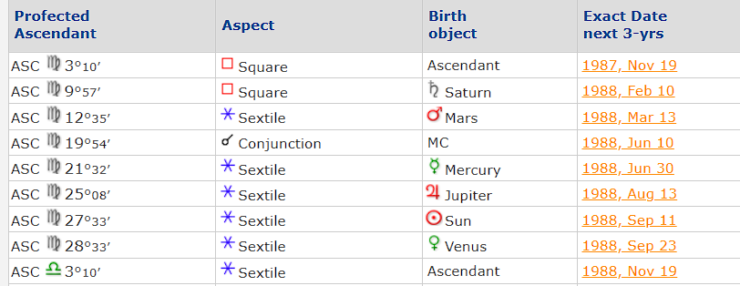

 |  |  |  |  | Tabel 4 Point of life
 |  |  |  |  | Point Of life | PROFECTION
 |  |  |  |  |  | Zodiac | Zodiac Lord | ASPECT SAULKHUDAH | SAALKHUDAH |  |  |  |  |  |  | FIRDARIA |  | PLANETARY HOURS |  | DELINEATION
 |  |  |  |  |  |  |  |  | 1 | 2 | 3 | 4 | 5 | 6 | 7 | FIRDARIA | HELPER | 1st Turn | 11nd Turn
 |  |  |  |  | Destined Light | LEO | SUN | SQUARE | - | - | - | - | - | - | - | SUN | MOON | #REF! | #REF!
 |  |  |  |  | Ascendant | VIRGO | MERCURY | - | - | - | - | - | - | - | - |  |  | - | -
 |  |  |  |  | Midheaven | GEMINI | MERCURY | - | SATURN | - | - | - | - | - | - |  |  | #REF! | ALLIGNED
 |  |  |  |  | Lot of Fortune | AQUARIUS | SATURN | SQUARE | - | - | - | - | - | - | - |  |  | - | -

 |  |  |  |  | MOST PLANET | Qty | Dignity | Delineasi
 |  |  |  |  | SATURN | 2
 |  |  |  |  | JUPITER | 0
 |  |  |  |  | MARS | 0
 |  |  |  |  | SUN | 1
 |  |  |  |  | VENUS | 0
 |  |  |  |  | MERCURY | 2
 |  |  |  |  | MOON | 0

 |  |  |  |  | Lord of the profection year : |  | MERCURY

 |  |  |  |  | MONTH (BASED ON ASTROSEEK) | Degre Ascendant (sensitive) | PROGRESION |  |  |  |  |  |  |  |  |  | TERMS |  |  |  |  | Astrologer Note | ASTROLOGER NOTE (Sensitive)
 |  |  |  |  |  |  | HOUSE | ZODIAC | ZODIAC LORD | DODECATEMORIA (sensitive) | 9 th Part | STATUS |  |  |  |  | PLANET | NOTE
 |  |  |  |  | Nov 20, 1987 - 05:30 | 0:03:11 | 10 | VIRGO | MERCURY | LIBRA | SATURN | - | PEAK MONTH |  |  |  |  |  |  |  |  | MERCURY & SATURN | MERCURY & LIBRA & SATURN
 |  |  |  |  | Dec 19, 1987 - 19:16 | 0:05:41 | 11 | LIBRA | VENUS | SCORPIO | VENUS | MONTH OF DESTINY |  |  |  |  |  |  |  |  |  | LIBRA & VENUS | VENUS & SCORPIO & VENUS
 |  |  |  |  | Jan 18, 1988 - 05:53 | 0:08:11 | 12 | SCORPIO | MARS | SAGITARIUS | MOON | - |  |  |  |  |  |  |  |  |  | SCORPIO & MOON | MARS & SAGITARIUS & MOON
 |  |  |  |  | Feb 16, 1988 - 19:33 | 0:10:41 | 1 | SAGITARIUS | JUPITER | CAPRICORN | MARS | - | PEAK MONTH |  |  |  |  |  |  |  |  | SAGITARIUS & MARS | JUPITER & CAPRICORN & MARS
 |  |  |  |  | Mar 17, 1988 - 17:44 | 0:13:11 | 2 | CAPRICORN | SATURN | AQUARIUS | SATURN | MONTH OF DESTINY |  |  |  |  |  |  |  |  |  | CAPRICORN & SATURN | SATURN & AQUARIUS & SATURN
 |  |  |  |  | Apr 17, 1988 - 04:48 | 0:15:41 | 3 | AQUARIUS | SATURN | PISCES | VENUS | - |  |  |  |  |  |  |  |  |  | AQUARIUS & VENUS | SATURN & PISCES & VENUS
 |  |  |  |  | May 18, 1988 - 03:06 | 0:18:11 | 4 | PISCES | JUPITER | ARIES | MOON | - | PEAK MONTH |  |  |  |  |  |  |  |  | PISCES & MOON | JUPITER & ARIES & MOON
 |  |  |  |  | Jun 18, 1988 - 10:34 | 0:20:41 | 5 | ARIES | MARS | TAURUS | MARS | MONTH OF DESTINY |  |  |  |  |  |  |  |  |  | ARIES & MARS | MARS & TAURUS & MARS
 |  |  |  |  | Jul 19, 1988 - 21:29 | 0:23:11 | 6 | TAURUS | VENUS | GEMINI | SATURN | - |  |  |  |  |  |  |  |  |  | TAURUS & SATURN | VENUS & GEMINI & SATURN
 |  |  |  |  | Aug 20, 1988 - 05:05 | 0:25:41 | 7 | GEMINI | MERCURY | CANCER | VENUS | - | PEAK MONTH |  |  |  |  |  |  |  |  | GEMINI & VENUS | MERCURY & CANCER & VENUS
 |  |  |  |  | Sep 20, 1988 - 03:34 | 0:28:11 | 8 | CANCER | MOON | LEO | MOON | MONTH OF DESTINY |  |  |  |  |  |  |  |  |  | CANCER & MOON | MOON & LEO & MOON
 |  |  |  |  | Oct 20, 1988 - 13:51 | 0:00:41 | 9 | LEO | SUN | VIRGO | MARS | - |  | SHIFT MONTH |  |  |  |  |  |  |  | LEO & MARS | SUN & VIRGO & MARS

2. SATURN JUPITER CONJ
BASED ON ARIES INGRESS WITH JUPITER SATURN CONJUCTION
Lot of the religion of the age
LORD | #N/A

2. SOLAR REVOLUTION
PERSONAL CALENDAR READING
1. MASTER OF REVOLUTION CANDIDATE

No | KRITERIA | PLANET
1 | Lord of the transfer (PROFECTION) : | MERCURY
2 | Ascendant of the years | MARS
3 | Triplicity of the lord ascendant REV/ FARDAR | MARS | SUN
4 | Lord of favored light of revolution | MARS
5 | Ascendant of the nativity | JUPITER

 |  |  |  | DELINEATION |  |  | Condition of the year
 | MASTER OF REVOLUTION | SUN |  |  |  |  | NON FLUCTUATING MOMENT
 | AUSPICES OF THE MOON | AUSPICIOUS

2 | CONDITION OF THE MOON
 |  |  | DELINEATION
 | MOVEMENT OF THE MOON
 | ZODIAC MOON | SCORPIO
 | TRIPLICITY OF RULLER SHIP | TRIPLICITY

 |  |  | DELINEATION
 | FORTUNE OF THE MOON ? | NO
 | RIPLE EFFECT | -

3 | TRIPLICITY LORDS
 |  |  | HOUSE REVOLUTION | DELINEATION
 | TRIPLICITY 1 | VENUS | 2 | OPTION 1
 | TRIPLICITY 2 | MOON | 1
 | TRIPLICITY 3 | MARS | 12 | OPTION 2

4 | GUARDIAN OF THE HOROSCOPE

 |  |  | DELINEATION
 | GUARDIAN OF THE HOROSCOPE | MARS
 | HOUSE REVOLUTION | 12

5. | DODECATEMORIA 4 POINT IN REVOLUTION

No. | POINT OF LIFE | DODE-REVO |  | NATAL | DELINEATION
1 | ASC(sensitive) | AQUARIUS |  | 3
2 | MC(sensitive) | PISCES |  | 4
3 | DESTINED LIGHT | TAURUS |  | 6
4 | LOF | CANCER |  | 8

6. | CHANGGING HOUSE, MIDHEAVEN AND CARDINES

No | NATAL CHART |  |  | Solar Revolution House |  | DELINEATION
 | Planet | House | ZODIAC | HOUSE | ZODIAC
1 | SATURN | 7 | GEMINI | 2 | SAGITARIUS
2 | - | - | - | - | -
3 | - | - | - | - | -
4 | - | - | - | - | -
5 | - | - | - | - | -
6 | - | - | - | - | -
7 | - | - | - | - | -

7. | LOT OF REVOLUTION (Sensitive)

No | LOT | REVOLUTION |  | Natal | DELINEATION
 |  | ZODIAC | HOUSE | HOUSE
1 | FORTUNE | SCORPIO | 1 | 12
2 | HIDDEN | LIBRA | 12 | 11
3 | RELIGION | SCORPIO | FIXED
4 | BURDENS | SAGITARIUS | 2 | 1
5 | ASSISTANCE | TAURUS | 7 | 6

 | LOT OF BURDENS
 | ZODIAC (REVOLUTION) | SAGITARIUS
 | DODECATEMORIA | PISCES
 | NATAL HOUSE | 4
 | FALLEN MONTH | 2

 | DEEDS OF THE SOUL
 | MONTH | 8
 | DODECATEMORIA | SAGITARIUS
 | NATAL | 1

 | TIME OF ALLIANCES
 | MONTH | 7

8 | SLING OF FATE

 | LORD Lot of Religion of Ages | #N/A
 | LORD posisition in annual revolution | #N/A

 |  | ZODIAC | DEGREE | LORD | DELINEATION
 | Lot of Hiden (Natal) | GEMINI | 0:29:45 | MERCURY
 | Lot of Religion(piety-Natal) | 0 | 0:00:00 | #N/A

2.DODECATEMORIA TABLE HOROSCOPE
PERSONAL CALENDAR READING
MASTER OF REVOLUTION | SUN | LINK SOLAR RETUR CHART (ASTROSEEK) |  | CARDINAL |  |  |  |  |  | x | x | x
LORD LOT OF HIDDEN | MERCURY

MONTH (BASED ON ASTROSEEK) | DATE CONVERT | ZODIAC | ASC DEGREEE MONTHLY REVOLUTION | DODECATEMORIA | MOON ON ZODIAC | CONDITION MOON | MASTER OF REVOLUTION POSITION | LOT OF FORTUNE ON HOUSE | LORD Lot of hidden Conjunct LoF
Nov 20, 1987 - 05:30 | 20-Nov-87 | SCORPIO | 0:09:53 | AQUARIUS | SCORPIO | FALL | CARDINAL | 1 | YES
Dec 19, 1987 - 19:16 | 19-Dec-87 | LEO | 0:02:26 | LEO | SAGITARIUS | PEREGRINE |  | 1
Jan 18, 1988 - 05:53 | 18-Jan-88 | CAPRICORN | 0:02:05 | CAPRICORN | CAPRICORN | DETRIMENT | CARDINAL | 1
Feb 16, 1988 - 19:33 | 16-Feb-88 | VIRGO | 0:21:17 | TAURUS | AQUARIUS | PEREGRINE |  | 2
Mar 17, 1988 - 17:44 | 17-Mar-88 | VIRGO | 0:23:00 | GEMINI | PISCES | PEREGRINE | CARDINAL | 1
Apr 17, 1988 - 04:48 | 17-Apr-88 | PISCES | 0:16:25 | VIRGO | TAURUS | EXALTED |  | 1
May 18, 1988 - 03:06 | 18-May-88 | PISCES | 0:24:53 | SAGITARIUS | GEMINI | PEREGRINE |  | 12
Jun 18, 1988 - 10:34 | 18-Jun-88 | LEO | 0:28:35 | CANCER | LEO | PEREGRINE |  | 3
Jul 19, 1988 - 21:29 | 19-Jul-88 | AQUARIUS | 0:18:18 | VIRGO | LIBRA | PEREGRINE |  | 11
Aug 20, 1988 - 05:05 | 20-Aug-88 | LEO | 0:12:43 | CAPRICORN | SCORPIO | FALL | CARDINAL | 10
Sep 20, 1988 - 03:34 | 20-Sep-88 | LEO | 0:18:52 | PISCES | CAPRICORN | DETRIMENT |  | 10
Oct 20, 1988 - 13:51 | 20-Oct-88 | CAPRICORN | 0:19:02 | LEO | AQUARIUS | PEREGRINE | CARDINAL | 5

2. YEAR OF USURPATION(ECLIPSE)
PERSONAL CALENDAR READING
 | ZODIAC | DEGREE | Dodecatemoria
DESTINED LIGHT PROFECTION | LEO | 0:27:33 | CANCER | ECLIPSE TRANSIT IN NATAL CHART

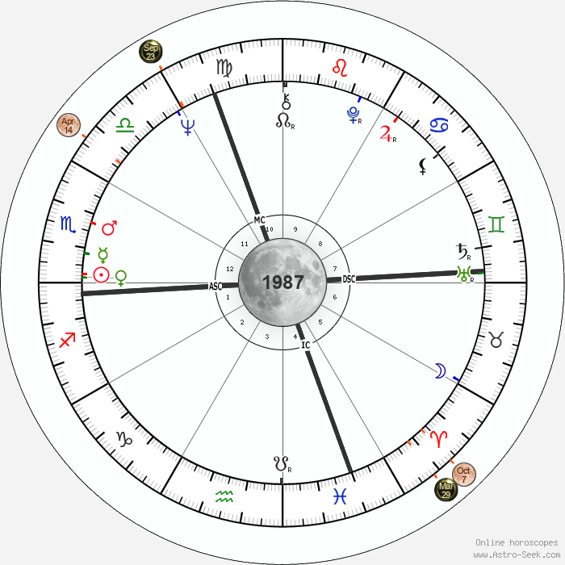
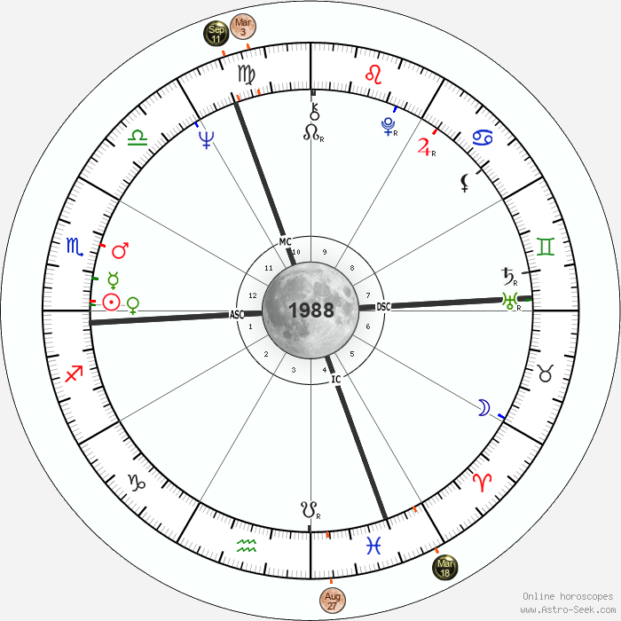
ECLIPSE EVENT (BASED ON ASTROSEEK) | ZODIAC ON ECLIPSE | DEGREE | DERIVED HOUSE | IMPACTFULL | DODECATEMORIA |  | CONCLUSION HOUSE
 |  |  |  |  | ZODIAC | ORIGIN NATAL CHART
23-Sep-87 | VIRGO | 0:29:35 | 6 |  |  | #N/A | #N/A
7-Oct-87 | ARIES | 0:13:15 | 6 |  |  | #N/A | #N/A
EXAMPLE
3-Mar-88 | VIRGO | 00:13::23 | 5 |  |  | #N/A | #N/A
18-Mar-88 | PISCES | 0:18:37 | 10 | IMPACT | LIBRA | 11 | 10 ; 11

MONTH | PERIODE | DATE | CARDINAL IN NATAL CHART | DODECATEMORIA | ECLIPSES 1 | ECLIPSE 2 | ECLIPSE 3 | ECLIPSE 4 | CONCLUSION ECLIPSE
1 | Nov 20, 1987 - 05:30 | 20-Nov-87 | SUCUDENT | CANCER |  |  |  |  | , , ,
2 | Dec 19, 1987 - 19:16 | 19-Dec-87 | CADENT | LEO |  |  |  |  | , , ,
3 | Jan 18, 1988 - 05:53 | 18-Jan-88 | CARDINAL | VIRGO |  |  |  |  | , , ,
4 | Feb 16, 1988 - 19:33 | 16-Feb-88 | SUCUDENT | LIBRA |  |  |  |  | , , ,
5 | Mar 17, 1988 - 17:44 | 17-Mar-88 | CADENT | SCORPIO |  |  |  | 10 ; 11 | , , , 10 ; 11
6 | Apr 17, 1988 - 04:48 | 17-Apr-88 | CARDINAL | SAGITARIUS |  |  |  |  | , , ,
7 | May 18, 1988 - 03:06 | 18-May-88 | SUCUDENT | CAPRICORN |  |  |  |  | , , ,
8 | Jun 18, 1988 - 10:34 | 18-Jun-88 | CADENT | AQUARIUS |  |  |  |  | , , ,
9 | Jul 19, 1988 - 21:29 | 19-Jul-88 | CARDINAL | PISCES |  |  |  |  | , , ,
10 | Aug 20, 1988 - 05:05 | 20-Aug-88 | SUCUDENT | ARIES |  |  |  |  | , , ,
11 | Sep 20, 1988 - 03:34 | 20-Sep-88 | CADENT | TAURUS |  |  |  |  | , , ,
12 | Oct 20, 1988 - 13:51 | 20-Oct-88 | CARDINAL | GEMINI |  |  |  |  | , , ,

3. ILLNESS AND PERILOUS YEAR
PERSONAL CALENDAR READING
Lot of illnes and perilous year |  |  |  |  |  |  |  |  | WANING
 |  |  |  |  |  |  |  |  | WAXING
 | ASC ZODIAC | Degree | CONDITION | TEMPERAMENT 1 | TEMPERAMENT 2
Lot of Ilness | SCORPIO | 0:24:14 | MOON BODILY CONTACT | COLD | MOIST/WET
LORD | MARS |  |  |  |  | COUNT
Condition Lord ANNUAL REV | LIBRA |  |  | HOT | MOIST/WET | COLD | 2
Dodecatemoria | LEO |  |  | HOT | DRY | DRY | 1
SOLAR REVOLUTION | SCORPIO | 0:16:46 |  | COLD | MOIST/WET | HOT | 2
DATE MONTHLY LUNAR MANSION (ASTRO SEEK ) | ASC MONTHLY LUNAR RETURN | WANING/ WAXING | CONDITION OF THE SICKNESS | CONCLUSION | FINAL DESCRIPTION | MOIST/WET | 3
17-Dec-87 | GEMINI | WAXING | NOT LINGER | shoulders | lungs, nerves, arms, fingers | Arms, hands, shoulders and shoulder blades | NOT LINGER->shoulders | lungs, nerves, arms, fingers | Arms, hands, shoulders and shoulder blades
10-Feb-88 | ARIES | WAXING | NOT LINGER | head | eyes, adrenals, blood pressure | Head, face and ears | NOT LINGER->head | eyes, adrenals, blood pressure | Head, face and ears
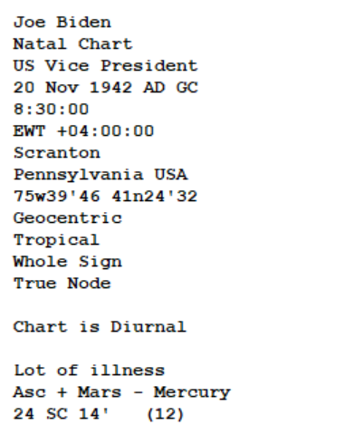
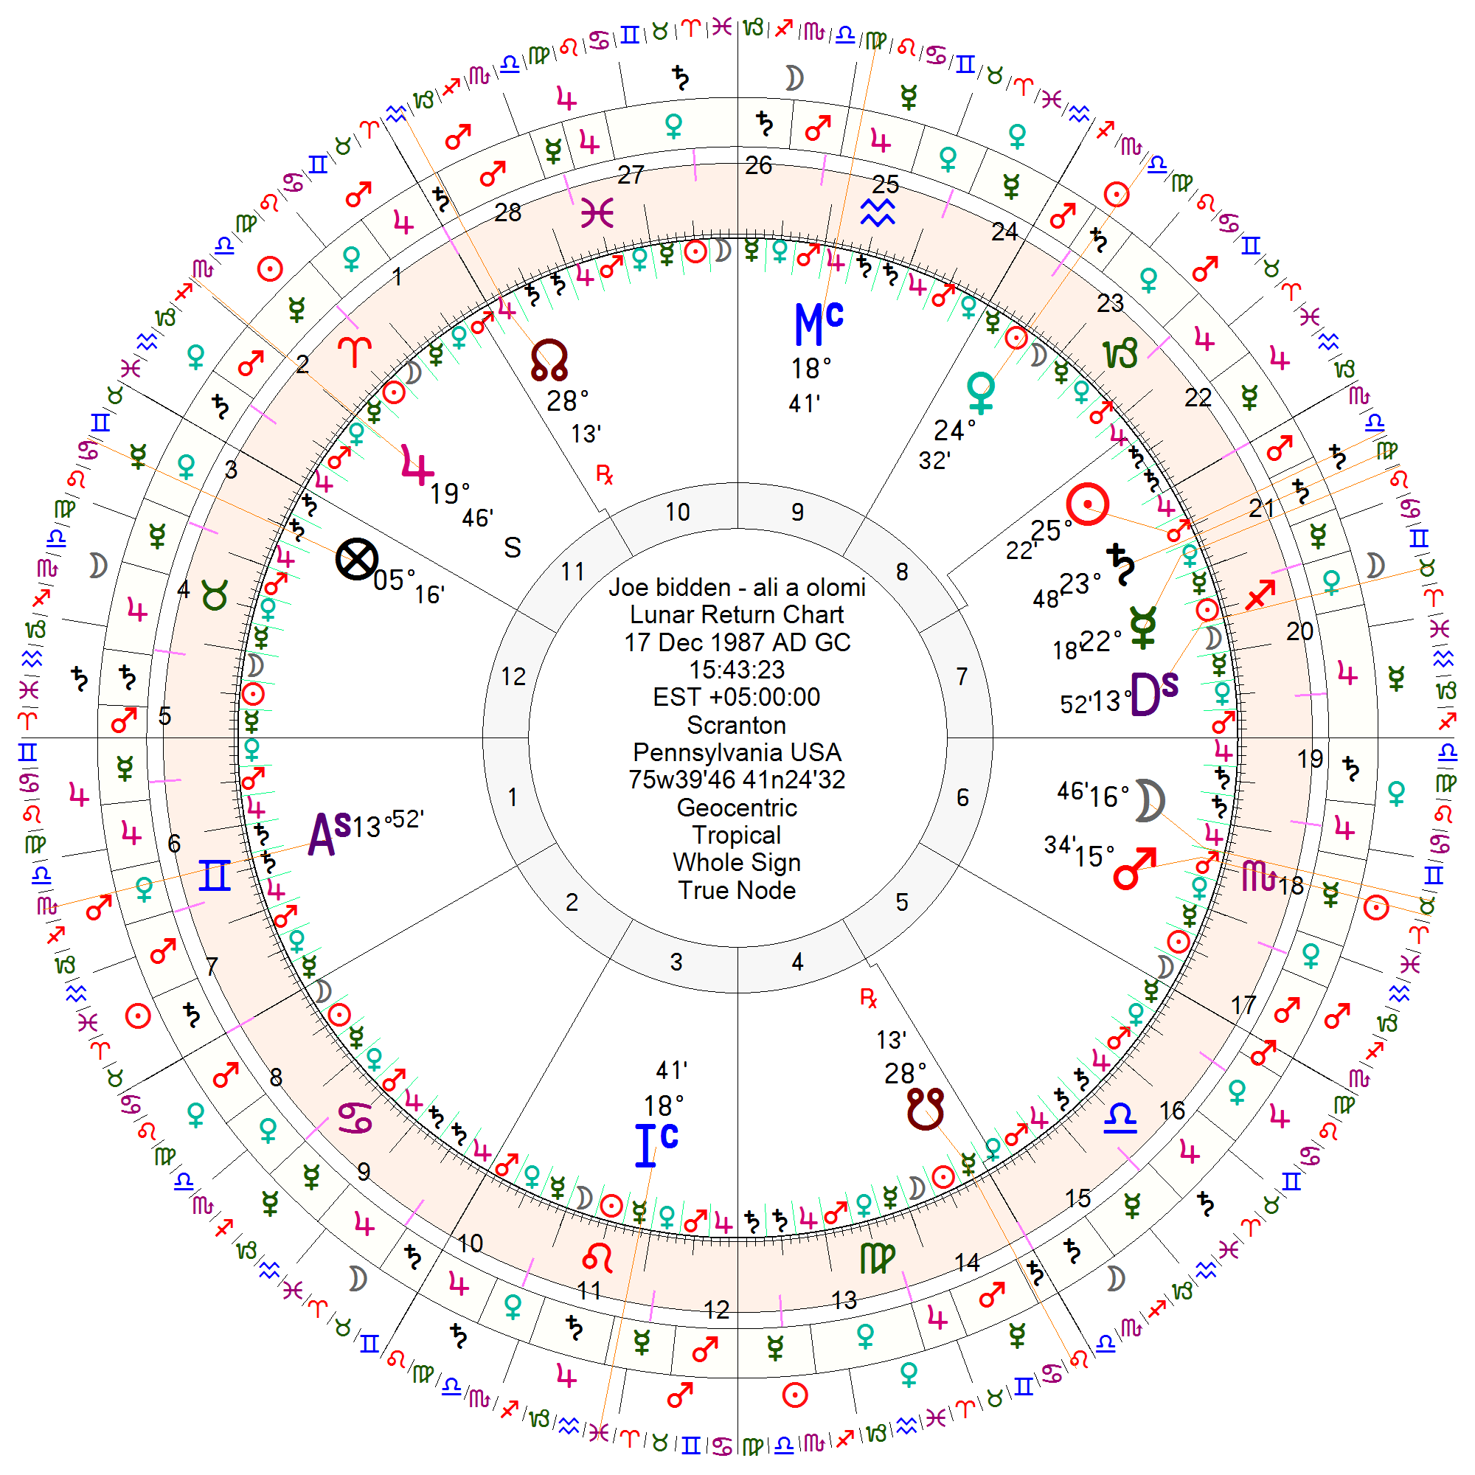
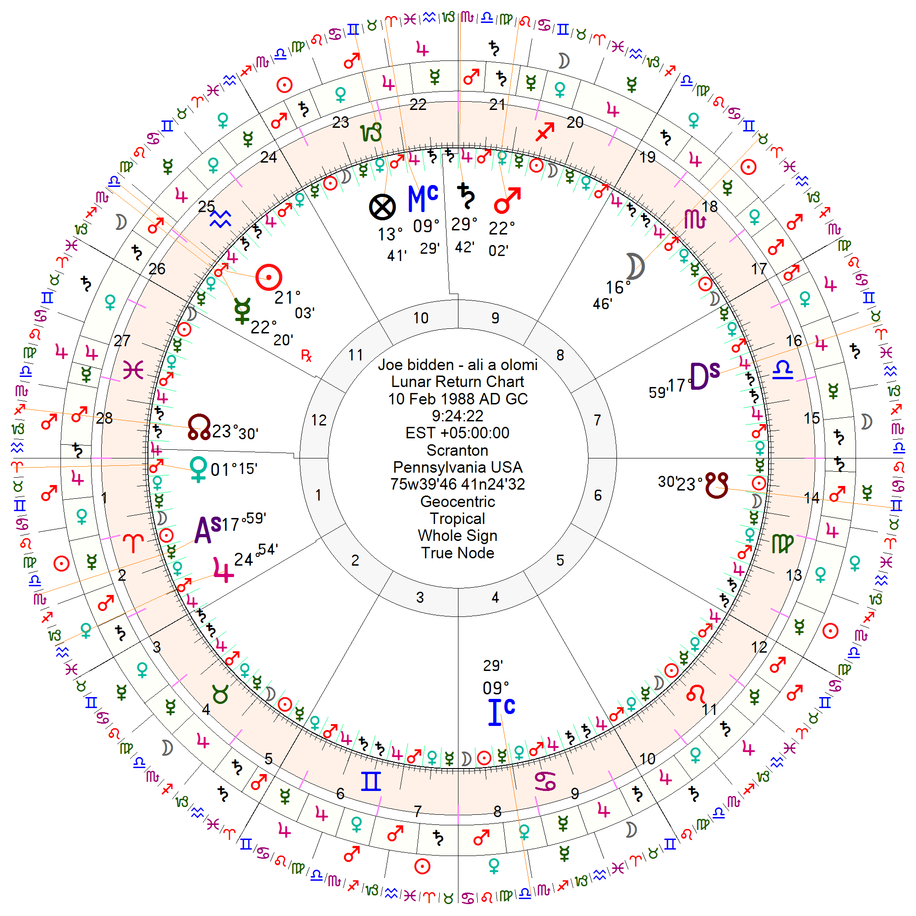
2-May-88 | ARIES | WANING | LINGER | head | eyes, adrenals, blood pressure | Head, face and ears | LINGER->head | eyes, adrenals, blood pressure | Head, face and ears
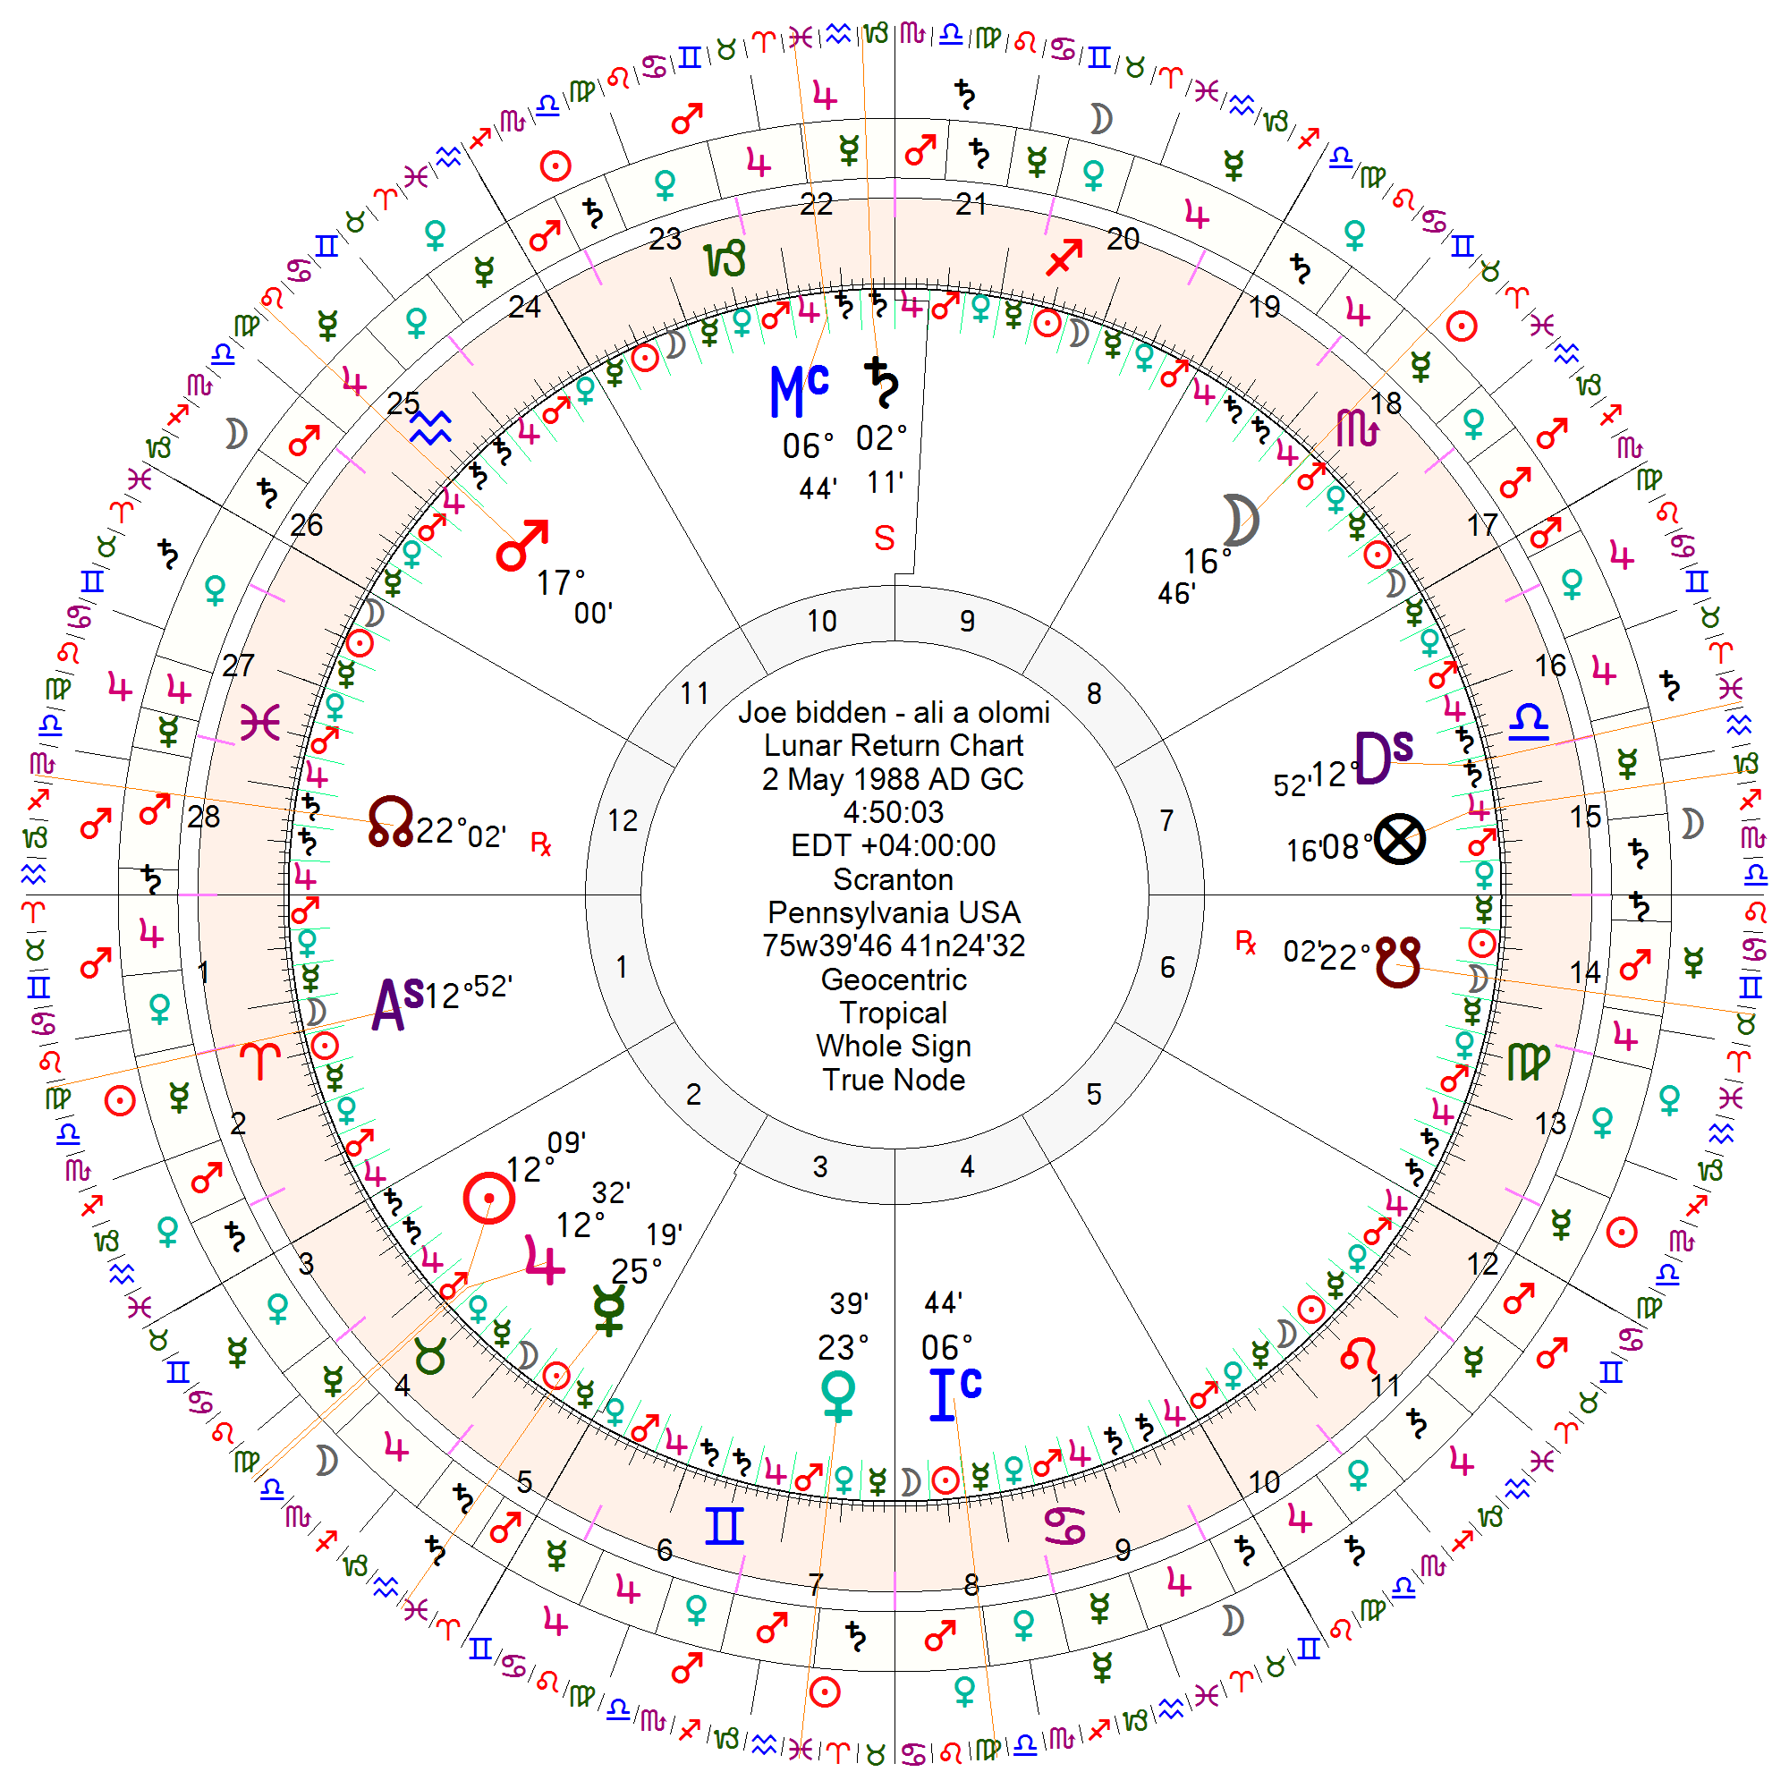
 |  |  | NOT LINGER |  | NOT LINGER->
 |  |  | NOT LINGER |  | NOT LINGER->
 |  |  | NOT LINGER |  | NOT LINGER->
 |  |  | NOT LINGER |  | NOT LINGER->
 |  |  | NOT LINGER |  | NOT LINGER->
 |  |  | NOT LINGER |  | NOT LINGER->
 |  |  | NOT LINGER |  | NOT LINGER->
 |  |  | NOT LINGER |  | NOT LINGER->
 |  |  | NOT LINGER |  | NOT LINGER->

 |  |  |  |  |  |  |  | -07:00:00

