Chart
YANCO (YA4B)_Winter_2018

MetaData
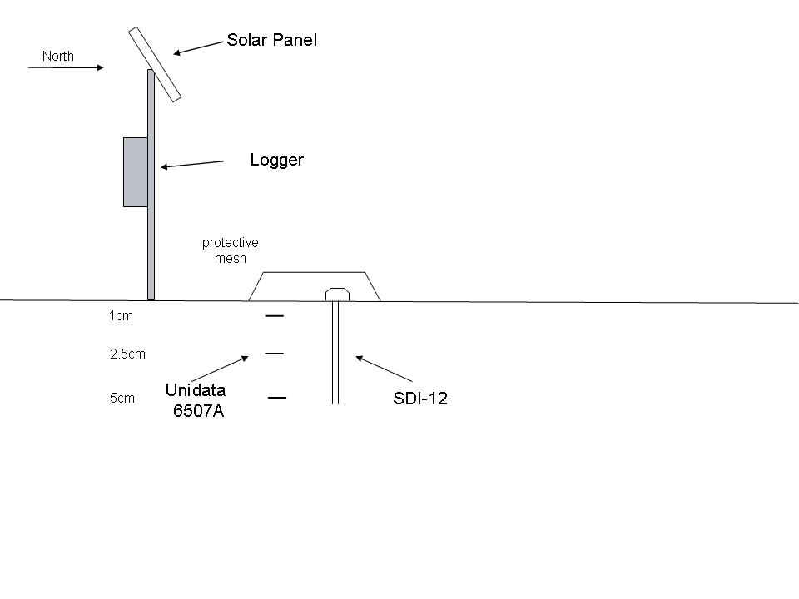
YANCO (YA4B)_Winter_2018
Sensor Legend :

Soil temperature #1, at mean depth 1cm (degC)
Soil temperature #2, at mean depth 2.5cm. (degC)
Soil temperature #3, at mean depth 5cm. (degC)

SDI-12 soil moisture # 1, at mean depth 2.5cm, averaged over sensor length of 5cm as in schematic. (mSec)

Logged Data Details :
Soil temperature signal : averaged over 20 minutes prior to time stamp (degC)
Soil moisture signal : averaged over 20 minutes prior to time stamp (mSec)

Processed Data Details :
Soil temperature :averaged over 20 minutes prior to time stamp (degC)
Soil moisture : averaged over 20 minutes prior to time stamp (%vol) with calibration applied

Data Flags:
-99 | : data missing

Data Status :
Soil temperature : data complete
Soil moisture : data complete

