dashboard
INDIA 2011 Worldcup
INDIA 2011 Worldcup

9 Matches
in 8 venues
7 won & Batted first 6 times
2471 Runs
2564 balls faced
5 centuries and 13 half centuries
62 wickets lost
16 PLAYERS
Took 76 Wickets in 437 overs ..
57 sixes
235 fours 2/3rd sixes by Sachin ,Sehwag & Yuvraj.

 | in 8 venues 7won
 | Batted first 6 times

INDIA Performance in Finals
 | 4s | 6s | Wickets | Balls faced | Top Wicket Takers
Ashish Nehra | 0 | 0 | 0 | 0 | 0
Gautam Gambhir | 9 | 0 | 0 | 122 | 0
Harbhajan Singh | 0 | 0 | 1 | 0 | 0
MS Dhoni (c/wk) | 8 | 2 | 0 | 79 | 0
Munaf Patel | 0 | 0 | 0 | 0 | 3
Piyush Chawla | 0 | 0 | 0 | 0 | 0
Ravichandran Ashwin | 0 | 0 | 0 | 0 | 0
Sachin Tendulkar | 2 | 0 | 0 | 14 | 0
Sreesanth | 0 | 0 | 0 | 0 | 0
Suresh Raina | 0 | 0 | 0 | 0 | 0
Virat Kohli | 4 | 0 | 0 | 49 | 0
Virender Sehwag (vc) | 0 | 0 | 0 | 2 | 0
Yusuf Pathan | 0 | 0 | 0 | 0 | 0
Yuvraj Singh | 2 | 0 | 2 | 24 | 1
Zaheer Khan | 0 | 0 | 2 | 0 | 2

Date | with | Match Result
19-Feb | Bangladesh | WON
27-Feb | England | TIED
6-Mar | Ireland | WON
9-Mar | Netherlands | WON
12-Mar | South Africa | LOST
20-Mar | West Indies | WON
24-Mar | Australia | WON
30-Mar | Pakistan | WON
2-Apr | Sri Lanka | WON

INDIAN Players Performance in WorldCup 2011
 | Total no.of Balls faced | Total no.of 4s | Total no.of Wickets | Total no.of 6s
Ashish Nehra | 5 | 0 | 3 | 0
Gautam Gambhir | 462 | 37 | 0 | 5
Harbhajan Singh | 31 | 2 | 9 | 0
MS Dhoni (c/wk) | 295 | 19 | 0 | 5
Munaf Patel | 3 | 0 | 11 | 0
Piyush Chawla | 4 | 0 | 4 | 0
Ravichandran Ashwin | 7 | 1 | 4 | 0
Sachin Tendulkar | 524 | 52 | 0 | 13
Sreesanth | 0 | 0 | 0 | 0
Suresh Raina | 75 | 5 | 1 | 1
Virat Kohli | 343 | 24 | 0 | 3
Virender Sehwag (vc) | 310 | 49 | 0 | 13
Yusuf Pathan | 64 | 5 | 1 | 5
Yuvraj Singh | 420 | 39 | 15 | 12
Zaheer Khan | 21 | 2 | 21 | 0
 | Name of Player | Total no.of Runs | Player Name | Total no.of Wickets | Player Name | Average of Runs
 | Sachin Tendulkar | 482 | Suresh Raina | 1 | Suresh Raina | 8.2222222222

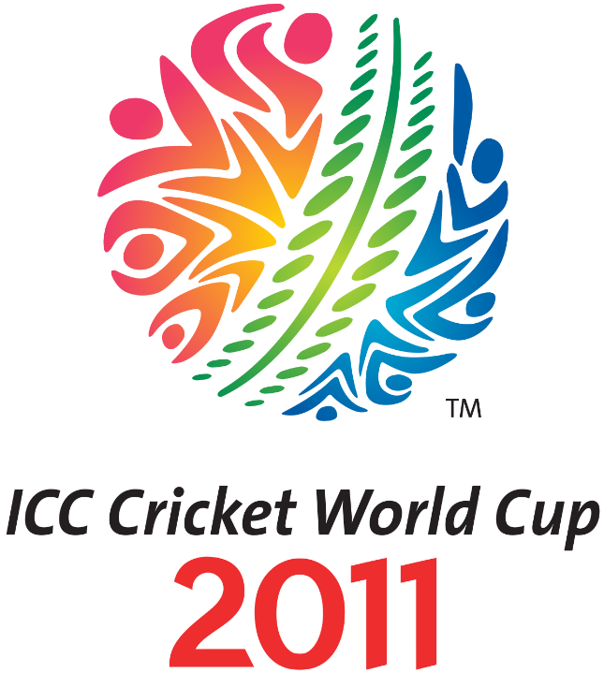
Top 10 Players scored Highest runs in the Tournament
 | Total
AJ Strauss | 334
IJL Trott | 422
G Gambhir | 393
SR Tendulkar | 482
V Sehwag | 380
Yuvraj Singh | 362
AB de Villiers | 353
KC Sangakkara | 465
TM Dilshan | 500
WU Tharanga | 395
Highest wickets taken in the Tournament
 | Australia | India | New Zealand | Pakistan | South Africa | Sri Lanka | West Indies
B Lee | 13
Imran Tahir |  |  |  |  | 14
KAJ Roach |  |  |  |  |  |  | 13
M Muralitharan |  |  |  |  |  | 15
RJ Peterson |  |  |  |  | 15
Shahid Afridi |  |  |  | 21
TG Southee |  |  | 18
Umar Gul |  |  |  | 14
Yuvraj Singh |  | 15
Z Khan |  | 21

 | BJ Haddin - SR Watson | CR Ervine - T Taibu | HM Amla - AB de Villiers | IR Bell - AJ Strauss | IR Bell - IJL Trott | KC Sangakkara - DPMD Jayawardene | TM Dilshan - WU Tharanga | V Sehwag - V Kohli | WTS Porterfield - PR Stirling | WU Tharanga - TM Dilshan
Australia | 183
England |  |  |  | 170 | 167
India |  |  |  |  |  |  |  | 203
Ireland |  |  |  |  |  |  |  |  | 177
South Africa |  |  | 221
Sri Lanka |  |  |  |  |  | 179 | 231 |  |  | 282
Zimbabwe |  | 181
Highest individual Score in the Tournament
 | Scores | Total no.of 4s | Total no.of 6s
AJ Strauss | 158 | 18 | 1
V Sehwag | 175 | 14 | 5
LRPL Taylor | 131 | 8 | 7
AB de Villiers | 134 | 13 | 4
TM Dilshan | 144 | 16 | 1

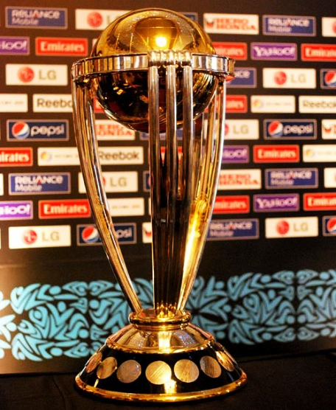
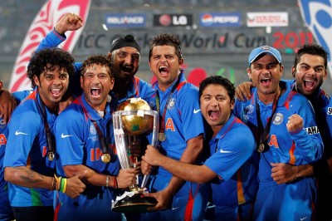

 | done by :
 | AvinashReddy.

obj1,2
Objective 1: |  |  | Objective 2:

Date | with | Match Result | Player names | Best? | 4s | 6s | Wickets | Balls faced | Top Wicket Takers
19-Feb | Bangladesh | WON | Ashish Nehra | 0 | 0 | 0 | 0 | 0 | 0
27-Feb | England | TIED | Gautam Gambhir | 1 | 9 | 0 | 0 | 122 | 0
INDIA Performance in Finals
 | Best? | 4s | 6s | Wickets | Balls faced | Top Wicket Takers
Ashish Nehra | 0 | 0 | 0 | 0 | 0 | 0
Gautam Gambhir | 1 | 9 | 0 | 0 | 122 | 0
Harbhajan Singh | 0 | 0 | 0 | 1 | 0 | 0
MS Dhoni (c/wk) | 2 | 8 | 2 | 0 | 79 | 0
Munaf Patel | 3 | 0 | 0 | 0 | 0 | 3
Piyush Chawla | 0 | 0 | 0 | 0 | 0 | 0
Ravichandran Ashwin | 0 | 0 | 0 | 0 | 0 | 0
Sachin Tendulkar | 0 | 2 | 0 | 0 | 14 | 0
Sreesanth | 0 | 0 | 0 | 0 | 0 | 0
Suresh Raina | 0 | 0 | 0 | 0 | 0 | 0
Virat Kohli | 3 | 4 | 0 | 0 | 49 | 0
Virender Sehwag (vc) | 0 | 0 | 0 | 0 | 2 | 0
Yusuf Pathan | 0 | 0 | 0 | 0 | 0 | 0
Yuvraj Singh | 1 | 2 | 0 | 2 | 24 | 1
Zaheer Khan | 2 | 0 | 0 | 2 | 0 | 2
6-Mar | Ireland | WON | Harbhajan Singh | 0 | 0 | 0 | 1 | 0 | 0
9-Mar | Netherlands | WON | MS Dhoni (c/wk) | 2 | 8 | 2 | 0 | 79 | 0
12-Mar | South Africa | LOST | Munaf Patel | 3 | 0 | 0 | 0 | 0 | 3
20-Mar | West Indies | WON | Piyush Chawla | 0 | 0 | 0 | 0 | 0 | 0
24-Mar | Australia | WON | Ravichandran Ashwin | 0 | 0 | 0 | 0 | 0 | 0
30-Mar | Pakistan | WON | Sachin Tendulkar | 0 | 2 | 0 | 0 | 14 | 0
2-Apr | Sri Lanka | WON | Sreesanth | 0 | 0 | 0 | 0 | 0 | 0
 |  |  | Suresh Raina | 0 | 0 | 0 | 0 | 0 | 0
 |  |  | Virat Kohli | 3 | 4 | 0 | 0 | 49 | 0
 |  |  | Virender Sehwag (vc) | 0 | 0 | 0 | 0 | 2 | 0
 |  |  | Yusuf Pathan | 0 | 0 | 0 | 0 | 0 | 0
 |  |  | Yuvraj Singh | 1 | 2 | 0 | 2 | 24 | 1
 |  |  | Zaheer Khan | 2 | 0 | 0 | 2 | 0 | 2

obj4,5
Objective 4:

INDIAN Players Performance in WorldCup 2011
 | Total no.of Balls faced | Total no.of 4s | Total no.of Wickets | Total no.of 6s
Ashish Nehra | 5 | 0 | 3 | 0
Gautam Gambhir | 462 | 37 | 0 | 5
Harbhajan Singh | 31 | 2 | 9 | 0
MS Dhoni (c/wk) | 295 | 19 | 0 | 5
Munaf Patel | 3 | 0 | 11 | 0
Piyush Chawla | 4 | 0 | 4 | 0
Ravichandran Ashwin | 7 | 1 | 4 | 0
Sachin Tendulkar | 524 | 52 | 0 | 13
Sreesanth | 0 | 0 | 0 | 0
Suresh Raina | 75 | 5 | 1 | 1
Virat Kohli | 343 | 24 | 0 | 3
Virender Sehwag (vc) | 310 | 49 | 0 | 13
Yusuf Pathan | 64 | 5 | 1 | 5
Yuvraj Singh | 420 | 39 | 15 | 12
Zaheer Khan | 21 | 2 | 21 | 0
 |  |  |  |  |  |  |  |  | for obj click here

Objective 5:

Total no.of Runs | Column Labels
 | BJ Haddin | CR Ervine | HM Amla | IR Bell |  | KC Sangakkara | TM Dilshan | V Sehwag | WTS Porterfield | WU Tharanga | Row Labels | Scores | Total no.of 4s | Total no.of 6s | Wickets | Column Labels
Row Labels | SR Watson | T Taibu | AB de Villiers | AJ Strauss | IJL Trott | DPMD Jayawardene | WU Tharanga | V Kohli | PR Stirling | TM Dilshan | England |  |  |  | Row Labels | Australia | India | New Zealand | Pakistan | South Africa | Sri Lanka | West Indies
Australia | 183 |  |  |  |  |  |  |  |  |  | AJ Strauss | 158 | 18 | 1 | B Lee | 13
England |  |  |  | 170 | 167 |  |  |  |  |  | India |  |  |  | Imran Tahir |  |  |  |  | 14
India |  |  |  |  |  |  |  | 203 |  |  | V Sehwag | 175 | 14 | 5 | KAJ Roach |  |  |  |  |  |  | 13
Ireland |  |  |  |  |  |  |  |  | 177 |  | New Zealand |  |  |  | M Muralitharan |  |  |  |  |  | 15
South Africa |  |  | 221 |  |  |  |  |  |  |  | LRPL Taylor | 131 | 8 | 7 | RJ Peterson |  |  |  |  | 15
Sri Lanka |  |  |  |  |  | 179 | 231 |  |  | 282 | South Africa |  |  |  | Shahid Afridi |  |  |  | 21
Zimbabwe |  | 181 |  |  |  |  |  |  |  |  | AB de Villiers | 134 | 13 | 4 | TG Southee |  |  | 18
 |  |  |  |  |  |  |  |  |  |  | Sri Lanka |  |  |  | Umar Gul |  |  |  | 14
 |  |  |  |  |  |  |  |  |  |  | TM Dilshan | 144 | 16 | 1 | Yuvraj Singh |  | 15
 |  |  |  |  |  |  |  |  |  |  |  |  |  |  | Z Khan |  | 21

Row Labels | Scores
England
AJ Strauss | 334
IJL Trott | 422
India
G Gambhir | 393
SR Tendulkar | 482
V Sehwag | 380
Yuvraj Singh | 362
South Africa
AB de Villiers | 353
Sri Lanka
KC Sangakkara | 465
TM Dilshan | 500
WU Tharanga | 395

Row Labels | Sum of Runs
V Sehwag | 203
India | 203
V Kohli | 203
Grand Total | 203

Sheet4
Match Date | (All)

Row Labels | Sum of Balls faced | Sum of 4s | Sum of Wickets | Sum of 6s
Ashish Nehra | 5 | 0 | 3 | 0
Gautam Gambhir | 462 | 37 | 0 | 5
Harbhajan Singh | 31 | 2 | 9 | 0
MS Dhoni (c/wk) | 295 | 19 | 0 | 5
Munaf Patel | 3 | 0 | 11 | 0
Piyush Chawla | 4 | 0 | 4 | 0
Ravichandran Ashwin | 7 | 1 | 4 | 0
Sachin Tendulkar | 524 | 52 | 0 | 13
Sreesanth | 0 | 0 | 0 | 0
INDIA Performance in Finals
Suresh Raina | 75 | 5 | 1 | 1
Virat Kohli | 343 | 24 | 0 | 3 |  |  | Player names | Best? | 4s | 6s | Wickets | Balls faced | Top Wicket Takers
Virender Sehwag (vc) | 310 | 49 | 0 | 13 |  |  | Ashish Nehra | 0 | 0 | 0 | 0 | 0 | 0
Yusuf Pathan | 64 | 5 | 1 | 5 |  |  | Gautam Gambhir | 1 | 9 | 0 | 0 | 122 | 0
Yuvraj Singh | 420 | 39 | 15 | 12 |  |  | Harbhajan Singh | 0 | 0 | 0 | 1 | 0 | 0
Zaheer Khan | 21 | 2 | 21 | 0 |  |  | MS Dhoni (c/wk) | 2 | 8 | 2 | 0 | 79 | 0
 |  |  |  |  |  |  | Munaf Patel | 3 | 0 | 0 | 0 | 0 | 3
 |  |  |  |  |  |  | Piyush Chawla | 0 | 0 | 0 | 0 | 0 | 0
 |  |  |  |  |  |  | Ravichandran Ashwin | 0 | 0 | 0 | 0 | 0 | 0
 |  |  |  |  |  |  | Sachin Tendulkar | 0 | 2 | 0 | 0 | 14 | 0
Row Labels | Count of Balls faced | Count of 4s | Count of Wickets | Count of 6s | Count of Top Wicket Takers |  | Sreesanth | 0 | 0 | 0 | 0 | 0 | 0
Ashish Nehra | 9 | 9 | 9 | 9 | 9 |  | Suresh Raina | 0 | 0 | 0 | 0 | 0 | 0
Gautam Gambhir | 9 | 9 | 9 | 9 | 9 |  | Virat Kohli | 3 | 4 | 0 | 0 | 49 | 0
Harbhajan Singh | 9 | 9 | 9 | 9 | 9 |  | Virender Sehwag (vc) | 0 | 0 | 0 | 0 | 2 | 0
MS Dhoni (c/wk) | 9 | 9 | 9 | 9 | 9 |  | Yusuf Pathan | 0 | 0 | 0 | 0 | 0 | 0
Munaf Patel | 9 | 9 | 9 | 9 | 9 |  | Yuvraj Singh | 1 | 2 | 0 | 2 | 24 | 1
Piyush Chawla | 9 | 9 | 9 | 9 | 9 |  | Zaheer Khan | 2 | 0 | 0 | 2 | 0 | 2
Ravichandran Ashwin | 9 | 9 | 9 | 9 | 9
Sachin Tendulkar | 9 | 9 | 9 | 9 | 9
Sreesanth | 9 | 9 | 9 | 9 | 9
Suresh Raina | 9 | 9 | 9 | 9 | 9
Virat Kohli | 9 | 9 | 9 | 9 | 9
Virender Sehwag (vc) | 9 | 9 | 9 | 9 | 9
Yusuf Pathan | 9 | 9 | 9 | 9 | 9
Yuvraj Singh | 9 | 9 | 9 | 9 | 9
Zaheer Khan | 9 | 9 | 9 | 9 | 9

 |  |  |  |  |  |  | Match Date | 2022-04-02

 |  |  |  |  |  |  | Row Labels | best | 4s | Sum of 6s | Sum of Wickets | Sum of Balls faced | Sum of Top Wicket Takers
 |  |  |  |  |  |  | Ashish Nehra | 0 | 0 | 0 | 0 | 0 | 0
 |  |  |  |  |  |  | Gautam Gambhir | 1 | 9 | 0 | 0 | 122 | 0
 |  |  |  |  |  |  | Harbhajan Singh | 0 | 0 | 0 | 1 | 0 | 0
 |  |  |  |  |  |  | MS Dhoni (c/wk) | 2 | 8 | 2 | 0 | 79 | 0
 |  |  |  |  |  |  | Munaf Patel | 3 | 0 | 0 | 0 | 0 | 3
 |  |  |  |  |  |  | Piyush Chawla | 0 | 0 | 0 | 0 | 0 | 0
 |  |  |  |  |  |  | Ravichandran Ashwin | 0 | 0 | 0 | 0 | 0 | 0
 |  |  |  |  |  |  | Sachin Tendulkar | 0 | 2 | 0 | 0 | 14 | 0
 |  |  |  |  |  |  | Sreesanth | 0 | 0 | 0 | 0 | 0 | 0
 |  |  |  |  |  |  | Suresh Raina | 0 | 0 | 0 | 0 | 0 | 0
 |  |  |  |  |  |  | Virat Kohli | 3 | 4 | 0 | 0 | 49 | 0
 |  |  |  |  |  |  | Virender Sehwag (vc) | 0 | 0 | 0 | 0 | 2 | 0
 |  |  |  |  |  |  | Yusuf Pathan | 0 | 0 | 0 | 0 | 0 | 0
 |  |  |  |  |  |  | Yuvraj Singh | 1 | 2 | 0 | 2 | 24 | 1
 |  |  |  |  |  |  | Zaheer Khan | 2 | 0 | 0 | 2 | 0 | 2
 |  |  |  |  |  |  | Grand Total | 12 | 25 | 2 | 5 | 290 | 6

INDIAN Players Performance in WorldCup 2011

 |  |  |  |  |  |  |  |  |  |  |  | Row Labels | Total no.of Balls faced | Total no.of 4s | Total no.of Wickets | Total no.of 6s
Row Labels | Total no.of Balls faced | Total no.of 4s | Total no.of Wickets | Total no.of 6s |  |  |  |  |  |  |  | Ashish Nehra
Ashish Nehra | 5 | 0 | 3 | 0 |  |  |  |  |  |  |  |  | 5
Gautam Gambhir | 462 | 37 | 0 | 5 |  |  |  |  |  |  |  |  |  | 0
Harbhajan Singh | 31 | 2 | 9 | 0 |  |  |  |  |  |  |  |  |  |  | 3 | 0
MS Dhoni (c/wk) | 295 | 19 | 0 | 5 |  |  |  |  |  |  |  | Gautam Gambhir
Munaf Patel | 3 | 0 | 11 | 0 |  |  |  |  |  |  |  |  | 462
Piyush Chawla | 4 | 0 | 4 | 0 |  |  |  |  |  |  |  |  |  | 37
Ravichandran Ashwin | 7 | 1 | 4 | 0 |  |  |  |  |  |  |  |  |  |  | 0 | 5
Sachin Tendulkar | 524 | 52 | 0 | 13 |  |  |  |  |  |  |  | Harbhajan Singh
Sreesanth | 0 | 0 | 0 | 0 |  |  |  |  |  |  |  |  | 31
Suresh Raina | 75 | 5 | 1 | 1 |  |  |  |  |  |  |  |  |  | 2
Virat Kohli | 343 | 24 | 0 | 3 |  |  |  |  |  |  |  |  |  |  | 9 | 0
Virender Sehwag (vc) | 310 | 49 | 0 | 13 |  |  |  |  |  |  |  | MS Dhoni (c/wk)
Yusuf Pathan | 64 | 5 | 1 | 5 |  |  |  |  |  |  |  |  | 295
Yuvraj Singh | 420 | 39 | 15 | 12 |  |  |  |  |  |  |  |  |  | 19
Zaheer Khan | 21 | 2 | 21 | 0 |  |  |  |  |  |  |  |  |  |  | 0 | 5
 |  |  |  |  |  |  |  |  |  |  |  | Munaf Patel
 |  |  |  |  |  |  |  |  |  |  |  |  | 3
 |  |  |  |  |  |  |  |  |  |  |  |  |  | 0
 |  |  |  |  |  |  |  |  |  |  |  |  |  |  | 11 | 0
 |  |  |  |  |  |  |  |  |  |  |  | Piyush Chawla
 |  |  |  |  |  |  |  |  |  |  |  |  | 4
 |  |  |  |  |  |  |  |  |  |  |  |  |  | 0
 |  |  |  |  |  |  |  |  |  |  |  |  |  |  | 4 | 0
Date | with | Match Result |  |  |  |  |  |  |  |  |  | Ravichandran Ashwin
19-Feb | Bangladesh | WON |  |  |  |  |  |  |  |  |  |  | 7
27-Feb | England | TIED |  |  |  |  |  |  |  |  |  |  |  | 1
6-Mar | Ireland | WON |  |  |  |  |  |  |  |  |  |  |  |  | 4 | 0
9-Mar | Netherlands | WON |  |  |  |  |  |  |  |  |  | Sachin Tendulkar
12-Mar | South Africa | LOST |  | Date | with | Match Result |  |  |  |  |  |  | 524
20-Mar | West Indies | WON |  | 19-Feb | Bangladesh | WON |  |  |  |  |  |  |  | 52
24-Mar | Australia | WON |  | 27-Feb | England | TIED |  |  |  |  |  |  |  |  | 0 | 13
30-Mar | Pakistan | WON |  | 6-Mar | Ireland | WON |  |  |  |  |  | Sreesanth
2-Apr | Sri Lanka | WON |  | 9-Mar | Netherlands | WON |  |  |  |  |  |  | 0
 |  |  |  | 12-Mar | South Africa | LOST |  |  |  |  |  |  |  | 0
 |  |  |  | 20-Mar | West Indies | WON |  |  |  |  |  |  |  |  | 0 | 0
 |  |  |  | 24-Mar | Australia | WON |  |  |  |  |  | Suresh Raina
 |  |  |  | 30-Mar | Pakistan | WON |  |  |  |  |  |  | 75
 |  |  |  | 2-Apr | Sri Lanka | WON |  |  |  |  |  |  |  | 5
 |  |  |  |  |  |  |  |  |  |  |  |  |  |  | 1 | 1
 | Sum of Score | Sum of 4s | Sum of 6s
AJ Strauss | 158 | 18 | 1
V Sehwag | 175 | 14 | 5
LRPL Taylor | 131 | 8 | 7
AB de Villiers | 134 | 13 | 4
TM Dilshan | 144 | 16 | 1
 |  |  |  |  |  |  |  |  |  |  |  | Virat Kohli
 |  |  |  |  |  |  |  |  |  |  |  |  | 343
 |  |  |  |  |  |  |  |  |  |  |  |  |  | 24
 |  |  |  |  |  |  |  |  |  |  |  |  |  |  | 0 | 3
 |  |  |  |  |  |  |  |  |  |  |  | Virender Sehwag (vc)
 | Row Labels | Sum of Score | Sum of 4s | Sum of 6s |  |  |  |  |  |  |  |  | 310
 | England |  |  |  |  |  |  |  |  |  |  |  |  | 49
 | AJ Strauss | 158 | 18 | 1 |  |  |  |  |  |  |  |  |  |  | 0 | 13
 | India |  |  |  |  |  |  |  |  |  |  | Yusuf Pathan
 | V Sehwag | 175 | 14 | 5 |  |  |  |  |  |  |  |  | 64
 | New Zealand |  |  |  |  |  |  |  |  |  |  |  |  | 5
 | LRPL Taylor | 131 | 8 | 7 |  |  |  |  |  |  |  |  |  |  | 1 | 5
 | South Africa |  |  |  |  |  |  |  |  |  |  | Yuvraj Singh
 | AB de Villiers | 134 | 13 | 4 |  |  |  |  |  |  |  |  | 420
 | Sri Lanka |  |  |  |  |  |  |  |  |  |  |  |  | 39
 | TM Dilshan | 144 | 16 | 1 |  |  |  |  |  |  |  |  |  |  | 15 | 12
 |  |  |  |  |  |  |  |  |  |  |  | Zaheer Khan
 |  |  |  |  |  |  |  |  |  |  |  |  | 21
 |  |  |  |  |  |  |  |  |  |  |  |  |  | 2
 |  |  |  |  |  |  |  |  |  |  |  |  |  |  | 21 | 0

