pca
PCA | PCA is an unsupervised linear dimensionality reduction algorithm
Why | It is used to explain the variance-covariance structure of a set of variables through linear combinations. It is often used as a dimensionality-reduction technique.
When | 1) When we have large number of variables in data(curse of dimensionality), in order to reduce the computationalcost complexities. 2) For better visualization of the Data.
 | The number of principal components is less than or equal to the number of original variables
how | ir.pca=prcomp(x, ...)
 | base package
 | parameters:
 | 1)X= dataset(NUMERIC)
 | 2) scale=TRUE scale the variables to have std of 1
 | 3)center = TRUE/FALSE a logical value indicating whether the variables should be shifted to be zero centered.
 | 4)retx = TRUE/FALSE a logical value indicating whether the rotated variables should be returned.
 | 5) tol = a value indicating the magnitude below which components should be omitted.
 | 6) rank = maximal number of principal components to be used. Can be set as alternative or in addition to tol

 | require(caret)
 | trans = preProcess(X, method=c("BoxCox", "center", "scale", "pca"))
 | PC = predict(trans, X)
Visualization

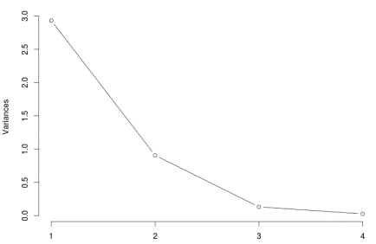

Interpretation | no of components explaining highest variance of the data are considered

Decision tree-feature selection
Decision Tree | supervised learning algorithm
Why | Mostly used in classification problems. It works for both categorical and continuous input and output variables.we can build a decision tree to predict values for continuous variable too. In this technique, we split the population or sample into two or more homogeneous sets (or sub-populations) based on most significant splitter.decision tree identifies the most significant variable.
How(with respective variable selection) | Every attribute is choosed to test at each node in the tree. it uses a measure called information gain which will be used to decide which attribute to test at each node. Note: Information gain is calculated using a measure called entropy. RPART : require(rpart) rpart_tree <- rpart(formula, data, method = 'class') 1) Formula : dependent variable ~ independent variables 2)Data : Train data 3)Method : Class (if y is a factor) or exp (if y is a survival object) or anova (for regression) C5.0(works only with catergorical output variable) : require(C50) C5.0(y ~ . , trials = 1, rules= TRUE) 1) Dependent variable ~ independent variabls 2) Trials : Number of boosting iterations 3)Rules : Should the tree is decomposed into a rule based model. After modeling to find variable importance use C5imp(model) | 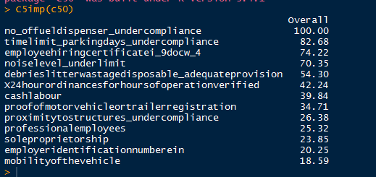
Avoid overfitting | Overfitting is the main problem caused in decision tress. So to avoid over fitting Prune back the tree. prune(model, cp= ). use printcp(model) to examine the cross-validated error results, select the complexity parameter associated with minimum error, and place it into the prune( ) function.
Advantages | 1)Non parametric method(no assumptions). 2)works with both categorical and contineous data. 3) It is not influenced by outliers and missing values to a fair degree.

recursive feature elimination
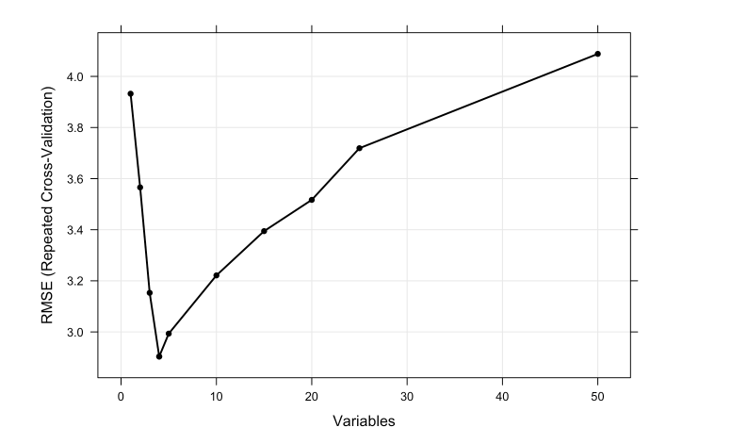
recursive feature elimination | Backwards Feature Selection
why | To find variables Ranking based on their importance
When | when the independent variables are both categorical and numeric
how | Recursive feature elimination (RFE) is to select features by recursively considering smaller and smaller sets of features. First, the estimator is trained on the initial set of features and weights are assigned to each one of them. Then, features whose absolute weights are the smallest are removed (pruned)from the current set features. That procedure is recursively repeated on the pruned set until the desired number of features to select is eventually reached.
 | ctrl <- rfeControl(functions = lmFuncs,
 | method = "repeatedcv",
 | repeats = 5,
 | verbose = FALSE)

 | lmProfile <- rfe(x, y,
 | sizes = subsets,
 | rfeControl = ctrl)
 | predictors(lmProfile)
visualization | plot(lmProfile, type = c("g", "o"))

Weight of Evidence (WOE)
Weight of Evidence (WOE)
Why | The weight of evidence tells the predictive power of an independent variable in relation to the dependent variable.
How | It is calculated by taking the natural logarithm (log to base e) of division of % of non-events and % of events. WOE = In(% of non-events ➗ % of events) 1)Dependent variable must be numeric while calculation WOE it takes each variable and binning is done on each variable. 2)Calculate the number of events and non-events in each group (bin) 3)Calculate the % of events and % of non-events in each group. 4)Calculate WOE by taking natural log of division of % of non-events and % of events. First, create bins (categories / groups) for a continuous independent variable and then combine categories with similar WOE values and replace categories with WOE values. |  | 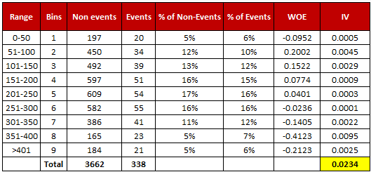
Information Value (IV) | 1)Most useful technique to select important variables in a predictive model IV = ∑ (% of non-events - % of events) * WOE
R Formula | library(information) IV <- create_infotables(data=data, y="Survived", bins=10, parallel=FALSE) Data = Dataset , Y = Dependent variable, Bins = number of bins the data should split into. Generally the range must be 10 to 20. But lower the bins higher the data smoothening, Parallel = Parallel computing | 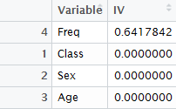 |  | 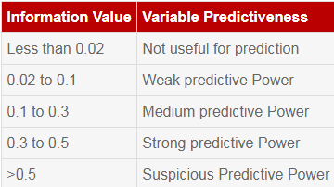

sequential feature selection
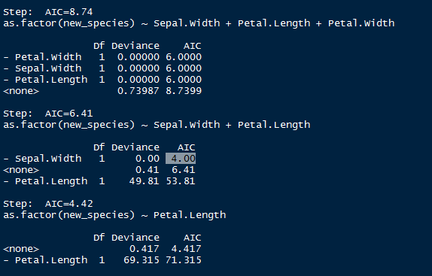
sequential feature selection algorithms(Forward,Backword)/stepwise regression
Why | To find significant variables required for the model
when | When we have independent variables in the data which are not usefull for the model
How | In statistics, stepwise regression includes regression models in which the choice of predictive variables is carried out by an automatic procedure.Stepwise methods have the same ideas as best subset selection . Between backward and forward stepwise selection, there's just one fundamental difference, which is whether you're starting with a model: with no predictors (forward) with all the predictors. (backward)
R-code | fit<-glm(Claims~.,data = RSA_Predicted,family = binomial()) #Stepwise Selection based on AIC library(MASS) stepAIC(fit, direction="backward") stepAIC(fit, direction="forward") stepAIC(fit, direction="both")
Interpretation | Lower the AIC the better the model.

Example | Backward method

multicolinearity
VIF(Variance Inflation Factor)
why | To detect multicolinearity between independent variables
when | when your data have variables that are a bit redundant .which results that your model includes multiple variables that are correlated not just to your response variable, but also to each other.
how | VIFs are calculated by taking a each independent variable, and regressing it against every other independent variables in the model. This gives you the R-squared values, which can then be substituted into the VIF formula.
Implementation | usdm (package)
 | vif(mtcars[,-1])
 | vifstep(mtcars[,-1],th=6)
interpretation
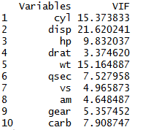
 | 1 = not correlated.
 | Between 1 and 5 = moderately correlated.
 | Greater than 5 = highly correlated.

