Sheet1
 | 若部分链接失效，可发送邮件到chxs2000@foxmail.com反映，up看到后会及时进行更新
 | 型号：亚克力&木板切割 10cm风扇 自动调速款
 | 名称（价格有变动为正常） | 购买选项 | 数量 | 单价（元） | 总价（元） | 链接（仅供参考）
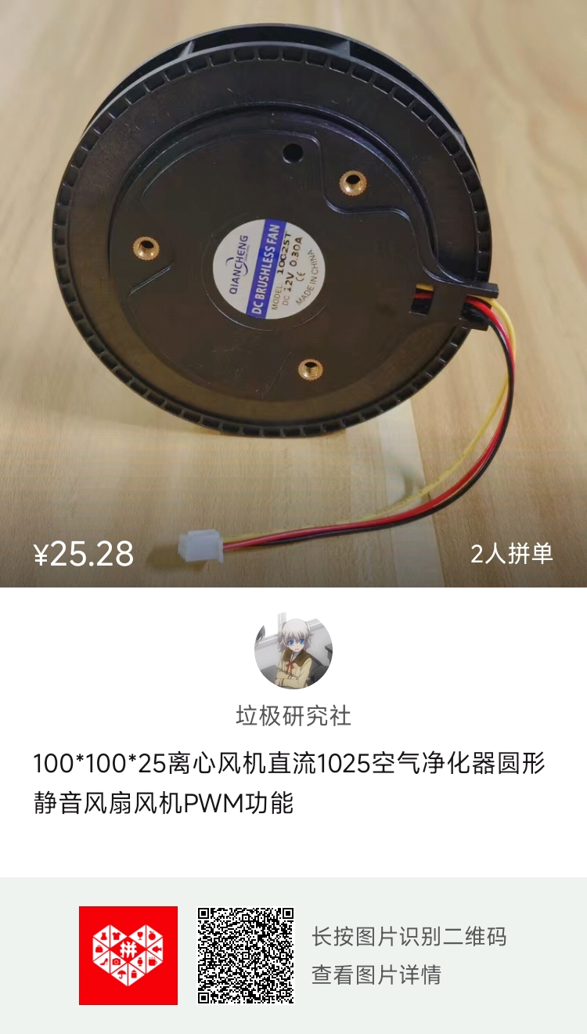 | 10CM款风扇 3线 | 第一个 | 1 | 25.28 | 25.28 | https://mobile.yangkeduo.com/goods.html?ps=iC7PmfsZCG
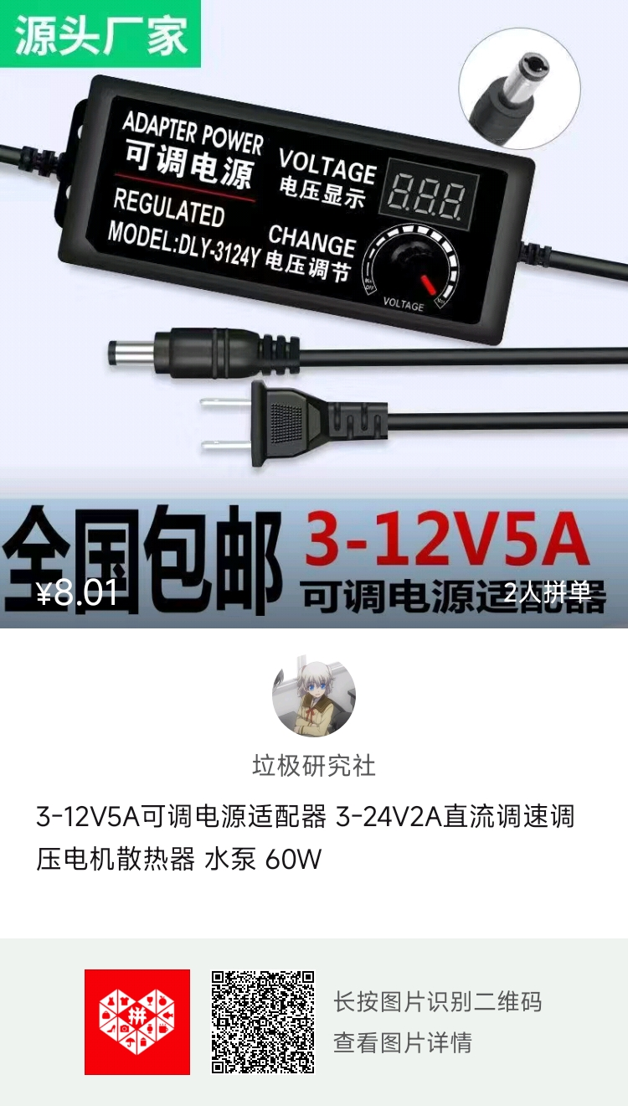 | 3-12V可调电源 | 3-12V2A不带显示屏 搭配30CM母头线 | 1 | 6.68 | 6.68 | https://mobile.yangkeduo.com/goods2.html?ps=OrsGCniPZ2
 | M3 10*10*10六面螺母 嫌贵可以买亚克力胶水自己粘 | 六面螺母10*10*10(M3)银色 铝氧化 一个价 | 12 | 0.85 | 10.2 | https://item.taobao.com/item.htm?spm=a21n57.1.item.3.460e523c13WKOI&priceTId=2147806717226149507854232e134f&utparam=%7B%22aplus_abtest%22:%22a83cebb7a01672e5a0eb9b6e03861e90%22%7D&id=608800304716&ns=1&abbucket=7&pisk=fIJit7qw_C56uorxSpXsMsZWughd5P6f1EeAktQqTw7QBs7x1EfDke12BOK9-Z8Joip9HKAQn3tXBc6xfOt1htu-yYnJfh6X4aggid4ULgKU3Gy4ShW_btu-yxVLY1gO3ICEyeShTwscbrW2u9-FViBVbsyqxwScVSzwutoHYwsb75yNuMSFmi7qifeVrKJBLVWTvIP1oOvhj6lpbwkB0pSGkaxwI-y4cGfGzh7nr3qn96-fiKZbnsxwNEsy7PuclpxeQQ8rJ5QwZixJihkaLOp6bQ52UqN2fOQGLdRu0--hINLDn6ai-aJ6YL6F9YokYpT9fpxY0xSpyw-6QtDrVOXN79jBH2wNoBR2B16b7qbXKHJwigo4T7-XS-sEDpPbG1SCxaTY4WC-VLOcTDm3Nf1NAG3-xDVbG1SCxannx7a1_Msty&skuId=4461616718926
 | M3*8螺丝 | M3*8[50个] | 1 | 2.24 | 2.24 | https://detail.tmall.com/item.htm?spm=a21n57.1.item.3.24287c239alMwz&priceTId=214782cf17226150331173283e22e8&utparam=%7B%22aplus_abtest%22:%221109755e55b400958aa4c07393c80773%22%7D&id=641493636015&ns=1&abbucket=7&xxc=taobaoSearch&pisk=fzdEt2407XhEEjJlbG1P7WyvZkfdtsnjTQs5rUYlRMjhAUblahxSJMTov3RPjUpIJTiLzydw07NIvvLua_1ocmGjGeedw_mbNshEdkQdkac5-gbiAPfr1mGjGFkhJ_Tic4Lg97jAP_bhK7bi7a_7Z8xlKfcGXaQuxaVn7FjOr_V3twqGSZQcrgfowpLHr57fKq-LkkXsplBVmejHRFOg29ep7GJXHCbe7iY3e7Vk_wWeaDDwD36BEEBvOUlz66T2I1bywq2P4tJkO1AnjjXOECxGSHg7eNJyrICdpzFJ06-PnBXar7ChZMCNSI07HGONA3AFIqNVF1Afn6vsBD65TZ-k9HzzZnY6lBB9amrG2p_AsaR-o8SPEgWa2NvXrQpUq8WhWNSj7Vbk8ozIFdwzv8eRIsQNc2_Qe8BhWNSj7Vy8eObA7igCR&skuId=4617255837757
 | M4*10螺丝（买扁平头！！！） | M4*10[50个]
 | M4*14铜柱 | M4*14[20个] | 1 | 4.31 | 4.31 | https://detail.tmall.com/item.htm?id=534956069950&spm=a21n57.1.item.1.272c7f99y3moA2&priceTId=2147829f17226152486607645e1ab9&utparam=%7B%22aplus_abtest%22:%220ef4068f1c45ba8447062ade156a69e6%22%7D&xxc=ad_ztc&pisk=fIKEtxw0QDnU_68l_1sPQkzvqWjdRihjY315ELvld6fhOLXl4CASp69o9Q-PsLLIpaGLUJKwguZI92pu4gsoGjijcpUd2gcbVinERWBlUJm5ZuXiORjrfjijcduhpg9iGYpgvs1AFgXh-yqiQT6PEWAlrlvG6TButTqnQdfOEgq3x9VGItBcE_joN2pHElWf-xRLHWbsKDIdipfHdFtgewapB1ybHh8N8smf_uqkb9JgnkmQ041Dk6_fiCm_YgJGUC7X8jreaLvvrN-ztvODsURlBFhzzs8kdEK1584HQ35FoHbaex9cvTAlzFh4c9SB7Z-eJYFMKI1eoMp73X9NuF7AIN2z-MTXh3QDxDPA1ZBy_ZTEgkRc4RPRIE9k2ePuzwXOQsMZITvUgJgW5zPLyzQGDO5jd9a8ywXOQsMZQzURStBNGv6C.&skuId=5031133583128
 | M2*20螺丝 | M2*20[50只] | 1 | 2.33 | 2.33 | https://detail.tmall.com/item.htm?spm=a21n57.1.item.2.123d1df9NvPBKm&priceTId=2150401117226200879698893e5143&utparam=%7B%22aplus_abtest%22%3A%2203e7422c115375b5bbeef0691b742284%22%7D&id=641493636015&ns=1&abbucket=7&xxc=taobaoSearch&pisk=fxLttFa3tvDicBoD5Ciho1jWWVchHFdZIdR7otXgcpppG94m_NmVkKBp3OjG5O4AkIp2nKdq_s6XhKBDjD0k_C7VlYxxr4AN6YNFwdC_fwGfa_ZsW2mn1C7VlxF3l00J_LHLH8MAcXQCi1BflGsbdk6Fil6XhOsQd_CPlt9flXBCNs5_hl1jRM1rNpMAd560kntOKntEkXg-yeCI36Ot8r5B51C1eCTTPzGV6GBW19HJwWnhAISvuSzADCty3_9_CxB2JBT6VLM3jOtRMQxv1VaCSFR6ViTS3oONSOQB53FblBQOIKLAYRHdFFRBzwsnPbdB8dAwJIVjl6vldC81k4GPWN61J68mLP6vAnTGbZysHt8pOFtA4OYkyeGTETC0fXhL0oS1t-cXl4QXbQ_R9TctkorVYX5dEXhL0oS1T6Bo6jE40MlF.
 | M2螺母 | M2 【304材质/50颗】 | 1 | 1.7 | 1.7 | https://detail.tmall.com/item.htm?spm=a21n57.1.item.2.32fd523cnnfKvv&priceTId=213e37bd17226731148142595e0e26&utparam=%7B%22aplus_abtest%22:%223908e1caf57d0fb66bd682eae0548752%22%7D&id=549640610734&ns=1&abbucket=7&xxc=taobaoSearch&pisk=fLRKtAVgScm3d3DkOeMGZkvoXM3M9BLExH8bZgj3FhK9PGVo86DPw3I94MXhOMVRwUKyq3Lr8asWV3IkKAcD8e5PNmv-ijYUj4AyRHQQdPg5uZeS9fDiRe5PN0UgNxcv8nn9jAoRFVC1rws5N965CRsNyawBVM6_fZQVNgt5NVI1yaZ5RMwQ1F_jiMoRfysuwL9HAqsUGZP7NBGPpid8E7FJFw6pNes9SFAOJ9IfBPL73BtMPBAFQAwOaFvv2LtjjJjBHZKOnpnY9nKFPUQWvjzAfBLJ69JgoSLOeMp6OOU7NFY1VtvJvDeFApxO3N6_yj7MmGTeOd3zfetcv6_1Ijgv5T9MTtRnfWCX3efHFnigKM9APg-DiIdsJojArJgtW8yPdNqoPQGANp8fMNImJbezUOuNWi0tW8yPdN7Om238U8WZ7
 | 扎带、密封海绵条（自己随便买）
 | 选装：防尘网罩 | 120mm防尘网罩 | 1 | 2.5 | 2.5 | https://detail.tmall.com/item.htm?id=739010869156&spm=a1z09.2.0.0.3d0e2e8dI3uUWc&_u=332atj3l6a09&pisk=fX4E0tOD_wQeAYqoQAgr_erfq9uKrqBfEzMSZ7VoOvDh2X_kz7PmN6BR9lluFRCR92NoU8ysBUG5vTLzQJN0ADw7AYcoIRVBRY_K48PbH8T5JkGkzRN-q8azwUluZ8CKF6I_9W3-rt6fGZNL9Pd9iraEZVAg6jJHE1Ehro0-rt6PTupq94ejj8rOUcfZNbMot8mHSCcKIbDoq8DijjcXK40uE5fZZXJkKDYusCcxNjxbt7YZGDf4pEQ7KHoZYxVNDUYzHEinnuMMrt4nTtH0tA8krvv7D1PaO98Y12U43jwCSey4ZSEobzJG3YUasyqu6p5iu5r_cDrNKUk_RAnY-qRl-5uELm4LKB8Ln5Puccz1iZ3E-vqSJ7OVd5zUdWUaNQxi82ZZ0yuckpD7fSzrazBR7-PuMumazpSy7Lhgc748YLxrxfhZh15iZWJ2OTvQMJKJ2c0x_x1IO3K-xfhZh15w23niMfkfOX1..&skuId=5268871198821

 | 自动调速模块
 | ESP32 | ESP-32开发板 已焊接（CP2102） | 1 | 23 | 23 | https://detail.tmall.com/item.htm?id=620692837143&spm=a1z09.2.0.0.530f2e8dp7PHSH&_u=332atj3l6826&pisk=fEMjmC_yaZbj-Ko7SSKzNP6qn5e_Gq9eBGZtxcBVX-eY1OnqRlWa_Iq1CzipmrRMiVGSW4V4kPPaClgUrmWwmm-6CcnLkRl4ul3r54fquAzZzdinRSWqXASmZ2od3xR0QOw0IRLe8pJFim2gBK3qzE7cylr9QtCYks9S038e8pJ6Mge6lelZ21tUPla8DleTM3a80oeTXPB9VzE_x1QxWRKS2zqNktETBLC8XkztNVIQfIamc3CdCAU26wV3POBCxrFAv01N613gDSMTtzZz4YZbGyF5YLPnH4ot3xVkw_wi4Xgs62LPgrhQA4NEGe6jRqqtfl3XKMa-hcM7ibSFd0N_lbHYNGBt40UTTfgXls4xg4N327I6KuuUymDxNhb-D2zbHuFypHi86bk0tx8RhJhn0-ltJU54kXZO4yXUR6JO1gNhCuaeV31G_9YfBN4OyzsuMuqba3t5kfVYquaeV31GsSEucz-WVZhG.
 | 1x15p插排母 | 1x15p 2.54MM直插单排母 黑色(10个) | 1 | 2.07 | 2.07 | https://detail.tmall.com/item.htm?id=13321689910&spm=a1z09.2.0.0.67002e8dTS24Pn&_u=332atj3l932d&pisk=fc8Sm-wq082SwLdfKghVc9sYc4bBALgZJW1psBUz9aQRAydyC6zFY0fQRtOtZTonqptXpKjPe9SFR69NnQzEZQlIRBdOew-PU6p2dKqyUeWe32OMCgzy9ePkmdRTzUol8y_l-wHZQVuaqQbhJdYEqQeuH6fK8yUdpugXajkZQVuI2SQIFA-eM86Ah66Aw6Qd2jaA66_d9TB-GtCCskeJpwhXMtfUwJBdwoUAa64KiJF1O06kNjETQLcQdGARhPODy_C0qQ6bCRLXcM6T7taLJE1WMSfZ6PiFBhXPbOpxuz_BM69fb3M_PpOpsHIXR8hyBKKBpsxmdk66vQ-MuiPL2ITCFGLRcWcw6afppMtmCP55zns6P3c3HQpNFhQkT5MyGGtfjsIYOuQybC8hXU37ItSGOKswVAaWBgku7OZZJkNfjy1fQjGbxkziFyehp-BbigCcNiljG8Kh2sffQjGbxkjRi_6qGjwJx
 | 降压模块 | MP1584EN (3.3V) 固定输出降压模块（1个） | 1 | 4.75 | 4.75 | https://detail.tmall.com/item.htm?id=542522209178&spm=a1z09.2.0.0.67002e8dTS24Pn&_u=332atj3l253c&pisk=fGIjmYGzzjcbgH6WsEeyPCT-Pox11sZUXA9OKOnqBnKv5cBVOdow7rvsfQ6LnIzgo1_56_Y2MC8wfd1eZtoanty_fOBpMh72gdCP1_0VgGRNal6hOEoVBGkcr6WK0izDbctDjhFUTkrEotxMX6jaothmwdJ3bcK9XqZ538PUTkr_kYK_GW7Neji9NdOJHdK9k8iJpdt9BCdTFQp6KVhA6he5eQvZHfd9H4nJ3dmtwOkBCrOch83KTs2_EPXJNcnIKdTxituZvDhpnERpyLo9Ug9XlBBADEbIJLIPVe8rQ7-RKa5vFHZjtK_Rdnp1jJ361FsDVQ1QvcvlkssJ5gygAT-XCeK9PAnOFn7JPi-Lvb9lyt7OmsMsXKjVYFOHPRnM73IeJwCjIJXJDdCM-GPnmIBOKMbeAoGHhaBBVgknYBgUXVMW-c9WT8wSSVo3GchM6bdSEEpkhUy7FjQMkLvWT8wSSVYvEKOzF8GAS&skuId=4594569386692
 | 排针 | 间距2.54mm单排针 1*20P直针 普通（20条） | 1 | 2.8 | 2.8 | https://detail.tmall.com/item.htm?id=609362740741&spm=a1z09.2.0.0.67002e8dTS24Pn&_u=332atj3ldfd0&pisk=fu4EmFAD_wQENDZoQAgr_UolaQ3K8qBfEzMSZ7VoOvDh2X_kz7PmN6BR9lluFRCR92NoU8ysBUG5vTLzQJN0ADw7AYcoIRVBRY_K48PbH8T5JkGkzRN-q8azwUluZ8CKF6I_9W3-rt6fGZNL9eec9D4EZFvg6jtHq1Ehro0-rt6yfUmdu4ejjazdLcfZNbMot8cHIVDtNUx3EvmMIjlxrY2or1oiOXYkxbchSAcxwzN3ZFljxsyiXKw1Tt3nnWD3O7zMcc-L1AyuFPhU_jFH2UYu7XoUzTe8YlmQqSnYR77yW2N4jVczysxrUmruRV4hIZmtqP2isJ1W2frzZr3KvQL832yrmymwZU3nrv3ZsrfWDAaZd84EjsTqVV4jm2q1X9iS8jyuJJRyr-V_GynTztJiekGxSbzRi3krqg8wefqbZzEeE3on6fkf_1cuTKRCEpNYp3K-jqhZh6GB23nn6fkf_1-J2ccx_x1IO
 | 杜邦线 | 杜邦线 30CM 母对母 2.54mm（1排） | 1 | 3.52 | 3.52 | https://detail.tmall.com/item.htm?id=14466195609&spm=a1z09.2.0.0.67002e8dTS24Pn&_u=332atj3lae35&pisk=fxXEmvimbJeE5i1k7F9ybYRu40ppBKUbrTTWqgjkAeY3wHwoUgSDVkU8v1-lPNE8vpskza76WYt79zHP7wscOB_5OUxkSNjIdUwpaaSfkaM7p6toUNsJZa6P2Y-lqaEpPkF1vMpJErabc-sdvvQ0vBXEKdmGXn-n-lC3EsvJErar1YAL3LQXs8y08CqwV3TkxaxnSdY9VYclreAiSn-vEUbkElRMAHDot3x3IFxxwAShqA-Xto7M6q_st29yoMYhAiBiEChdqFWCKOKFb3InwYDlQHRFUzQRT1ACZidAdgyrBpsVsdxPeocyzI5lddX3S-A9ZObMjwZSwh5Pqtpp90HRup7yi9AZqYpHEepwjtqSMF6wRaXesoM2NdXXipf_6yOWLn7lpworEZj1c9dOUruMy6tvI3W8mb8yZg8ZyhffqTCErbRHXh8bblxlYqoQr2sAJbhJsKKwlktIwbdHXh8bbll-wCxvbEZBA&sku_properties=122216547:20213
 | 开关 | 按键开关7*7无锁开关六脚（10个） | 1 | 4.15 | 4.15 | https://detail.tmall.com/item.htm?id=14344765759&spm=a1z09.2.0.0.67002e8dTS24Pn&_u=332atj3le80c&pisk=fQLE01N0_23E0BxlQO_P_zSoa7QdqZHjEU65ZQAlO9Xn26guzQRcNXH-9h5kFdh-9wOlULJ1Bz1SvYUyQpODAM9WATflIdAQRTgd4LRXHLaSJH1uzdORqLTywz5kZLhdFXn69BQRrxMjGqOp9ypm9MYU-G4M6sZ3xfKnrnbRrxMzfzjKuapfjDJrUGcNN_6ltLjhjVfdI_qhrLXGjsfbKabkECcNa6yur6fuSVflibwwtQ4NGMc2IGeXCXnGotAhKB9DS5j8vI6Z208wb16mlOzurF5es5Cjiro5nnBCctvi5y7ys_JNcHk48LRkM3jwzJcBndxyE1KtUuW2qBtv5GNuxC8PLiYhb7hXiwCkEg-t3r1FRhS28Hh8IBvfLnbpNSkB_i-ND1jgakbBcITRme0UHOsAadSXYxzeng8ae1xXZUKUEuSh61Wj_ffkT-PIEJOvpuERjZCNhX1Q2uIh61Wj_fr82GfA_tGCO
 | 开关按键帽 | 按键帽A06圆柱形 蓝色(50个) | 1 | 2.87 | 2.87 | https://detail.tmall.com/item.htm?id=14344765759&spm=a1z09.2.0.0.67002e8dTS24Pn&_u=332atj3le80c&pisk=fifr0lgiu7FzQaXH0nOeuXJ382dJCCE_x6tB-wbHP3xupUNnTw7MRzELyt8hAiULyQ_HYMSXDXTQekhF0g_GFLsCFHYHmibSNHNJLM71XMGQwTTnTi_pKM1FJX8h-MUJAzefyadptlZ_55_RybIgyLfrZnvckF8ntrButOAptlZEhXv8_BI6n8l3YK42RetHrMvknSYJmeDktMxDnFYsqBAhxZ428UontUYniSYHSbENrwc25L4NmKn1cXGH1hbkqa6Pi-vZeg-2xH5XzZ5Nrvhnts8yU6rdvTWDF9b9B__UTjd57tAD86UiLHJNK_OcZoVMHpfcmEj7RvLVLwf9wL3K9GRPYdfk32cpZBxJgEfgRAKfg3shaK4s_pOc1dAlh-EWdQ8Nx_Ir8XjGlN1JH6rZmHBWWIYF9PDeYpjzbDLcCwfdUDDeEEL2frzD-aoZPkm5WgHKpKA9uhaWPvHpEEL2frzqpvpDWE-_PU1..
 | DC母口 | 5.5*2.1 DC-005插座(20个) | 1 | 2.25 | 2.25 | https://detail.tmall.com/item.htm?id=16520506238&spm=a1z09.2.0.0.67002e8dTS24Pn&_u=332atj3l1ca0&pisk=f8Yj0-wr4-2XFlA5IihPVOs8Vqbs5KgEW519tCU46ZQAfPd2d1zNbmf_5TOKitoimdtWBLjVHOSN519FEIzZiIls5CddHN-V31pyCLq23FWwUVOHdiz26FPDqpRLuEoc7P_cSNHEL2uUmIbGWpYZmIe0e61n7PCYDogWgbkEL2usD7Qshv-wwSGON16RM1QODb_R_6BOWGCvwb1O_-ETkdd-N1XR6SUOBzERTsaYWbd0O1ifnIG8vJJm18DD2TaTRWjNDSOUbkqh8sIXWRW8W_85Gi6pMEIDAkCJzUsF45kPyBxyH__IlJfX2B_A1FcLfOs6oa6Wd2UGZnpXyGTrs2OPl1sdWgNTWQ_22gTVJ2e5Z3d2XEvb1PCDueS1KgGTSG7J8MKph5cHwZC9IMYZKrXv6BYHYwgbKstJOasr-yWQYVE_NM41N9lSNlqa-xaTIOeRF7jAZssrNbwvjiClN9lSNlqGD_ffUbG7Hhf..
 | XH2.54 3母口 | 3P 直针 XH2.54mm接插件（50个） | 1 | 3.59 | 3.59 | https://detail.tmall.com/item.htm?id=13300685584&spm=a1z09.2.0.0.67002e8dTS24Pn&_u=332atj3le965&pisk=f9utmXbhtpvizh-m5ft3o5VYEYdHXVhZTAl5o-2GcvHKHbCijo20crHreo_DbPqYkvwnSRcg5SZjnYigCc2ckqHEBNb05xYYhboegRViSsFjAAQmjf2ivsUZ-cb0IdzxGY4vELYkrflayr9kE4J4k2U7aisfnoGCdT2Os3Tkrflds5OoOUAqyVv33SabfoGQRJPRC5MbcwGQLSPfCS_69XwUGrNffZNCR7FR1NwjwGvYd1wckmiT7WJCqKWPU2FB3ulOPiwED5eTefgtQA0dzleS1JQXe3cyl-eEPpxKTYnsIWkvypUS4v3YVrLOU5nIwywgP3ILWXDZyPgJBNV38RqSckd65XUTBuPLVsjaWmMZkloOgQlQ5vozUlteLW3iroezv99stXe_2mHMLZwi2XMLq2XhrzirpqE7PgJsr43B6T28iGOp9iS4fWXDGqT-tJS03Wek6EIV0kRU98Ap9iS4fWPLECdA0ireT
 | OLED屏幕 | 【焊好排针】0.96寸 4管脚 新款 驱动芯片 SSD131590（ 白色显示） | 1 | 8.90 | 8.90 | https://detail.tmall.com/item.htm?id=626422606820&spm=a1z09.2.0.0.67002e8dTS24Pn&_u=332atj3l49cd&pisk=fMUnmvAUYkoCM-ARKP0C2mlz4rjOSpg7z8L-e4HPbAk1NHKdO0lzZ848v7k-r82uEvnPd2UuISNROzCI8aczHR089vH8I_2LNUBCV2LyEJNVdWHROzDrIJyoV6M-UY28akCOkZFQO4gzqtQAkIGueA2HY0lPaAljMlFevIPQO4My6LSYbWtlBcQQ80yr7clSw48r445ibjhrzeoy8hJZCburU8oP7Clji3-eYvlZZPTrnzz_79uiDlBmipVZtDDkyRLoJkYxOxSZQUL-KioE3ZHMzUzit5RsMs8c2xrjpmH4QNLnr5luImEhne2uaSZrjzvF9-yaq8l_fTxonuPLcPn9aHPgrvm48cA5MSuIa8ouftYxt2EimyqCNdPUHvqqR7dcp5m0jmGZbQxEJoFYPmzF-KMtcb2iDkXD--Sr9h-4NJYS__UwV3iE1fDbeI-tDZAWGXCGsnsIYfGdH1fMV3iE1fDAs1xXdDls9tC..

