Collection
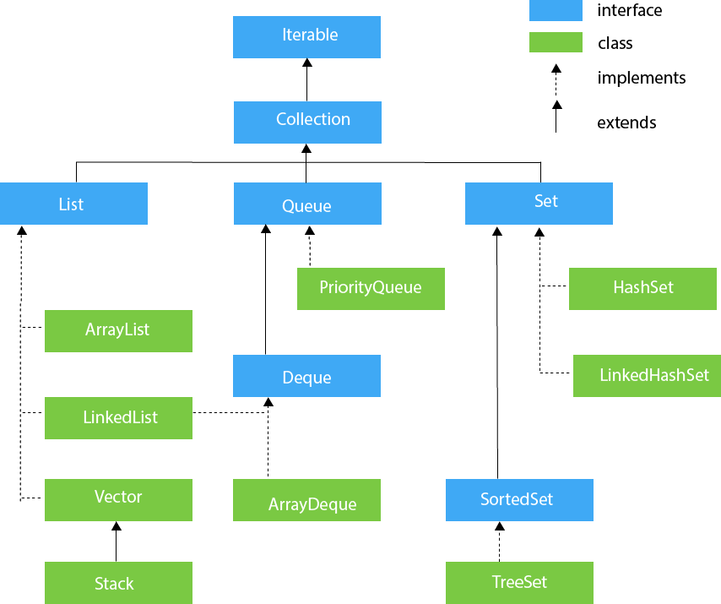
Sl. No | Topic | Description | Start Date | Completion Date | Status | Comment
1 | List | ArrayList |  |  | Not Started
2 |  | LinkedList |  |  | Not Started
3 |  | Vector |  |  | Not Started
4 |  | Stack |  |  | Not Started
5 | Queue | Priority Queue |  |  | Not Started
6 |  | Deque |  |  | Not Started
7 |  | ArrayDeque |  |  | Not Started
8 | Set | HashSet |  |  | Not Started
9 |  | LinkedHashSet |  |  | Not Started
10 |  | SortedSet |  |  | Not Started
11 |  | TreeSet |  |  | Not Started
12 | Map | Hashtable |  |  | Not Started
13 |  | HashMap |  |  | Not Started
14 |  | LinkedHashMap |  |  | Not Started
15 |  | SortedMap |  |  | Not Started
16 |  | NavigableMap |  |  | Not Started
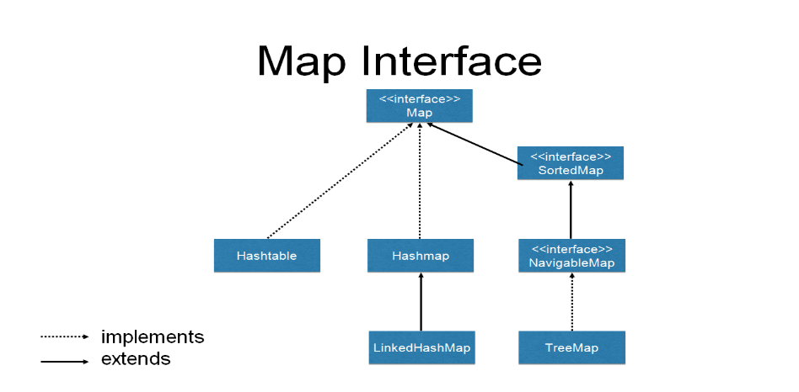
17 |  | TreeMap |  |  | Not Started

