Results
Program comparison (present value of 5-year after-tax cost of risk, lower is better)
Each program evaluated on the same simulated claims. Savings are mean differences across paths.

Program | Type | Mean PV cost | Std dev | 5th pct | 25th pct | Median | 75th pct | 95th pct | 99th pct | Saving vs GC | P(cheaper than GC) | Saving vs LD | P(cheaper than LD) | Year-1 premium outlay
Guaranteed cost | guaranteed_cost | $1,793,814 | $0 | $1,793,814 | $1,793,814 | $1,793,814 | $1,793,814 | $1,793,814 | $1,793,814 | $0 | 0.0% | -$390,136 | 6.5% | $486,980
Large deductible $250k | large_deductible | $1,403,678 | $241,121 | $1,047,188 | $1,229,660 | $1,382,451 | $1,554,226 | $1,831,741 | $2,059,230 | $390,136 | 93.5% | $0 | 0.0% | $156,780
Captive $100k | captive | $2,387,528 | $160,292 | $2,144,419 | $2,274,801 | $2,375,272 | $2,488,726 | $2,669,015 | $2,813,304 | -$593,714 | 0.0% | -$983,850 | 0.0% | $625,157
Captive $250k | captive | $2,232,077 | $240,705 | $1,877,262 | $2,058,921 | $2,210,166 | $2,380,423 | $2,660,421 | $2,890,561 | -$438,262 | 1.4% | -$828,399 | 0.0% | $588,830
Captive $500k + agg stop | captive | $2,429,061 | $189,400 | $2,122,261 | $2,295,308 | $2,425,139 | $2,559,540 | $2,747,955 | $2,872,825 | -$635,246 | 0.0% | -$1,025,382 | 0.0% | $651,508
Cell captive $250k | captive | $1,899,894 | $240,066 | $1,545,422 | $1,727,103 | $1,878,376 | $2,048,447 | $2,326,118 | $2,553,684 | -$106,080 | 35.7% | -$496,216 | 0.0% | $525,511

Mean PV cost by program

Mean PV by cost component (sums to the mean PV cost)
Component | Guaranteed cost | Large deductible $250k | Captive $100k | Captive $250k | Captive $500k + agg stop | Cell captive $250k
Insurance premium (GC / excess) | $2,347,461 | $774,857 | $1,203,539 | $774,857 | $520,155 | $774,857
Fronting & program fees | $0 | $71,270 | $223,255 | $223,255 | $223,255 | $223,255
Retained losses & claims handling | $0 | $958,612 | $771,136 | $958,612 | $901,730 | $958,612
Captive operating, domicile & premium tax | $0 | $0 | $698,776 | $698,776 | $1,305,440 | $369,491
Collateral (LOC) fees | $0 | $32,174 | $0 | $6 | $0 | $263
Formation costs | $0 | $0 | $106,500 | $106,500 | $106,500 | $25,000
Income tax (net of deductions) | -$553,646 | -$433,234 | -$689,473 | -$626,901 | -$705,692 | -$538,302
Investment income | $0 | $0 | -$221,385 | -$290,913 | -$233,016 | -$260,151
Capital & float opportunity cost | $0 | $0 | $295,180 | $387,885 | $310,688 | $346,868
Total | $1,793,814 | $1,403,678 | $2,387,528 | $2,232,077 | $2,429,061 | $1,899,894

Capital
Capital adequacy - Captive $250k (Vermont)
Capital = max(domicile minimum, 1-in-100 year-1 retained loss beyond the funded loss pick, premium/3).

Capital contributed | $515,224
basis: domicile minimum | $250,000
basis: VaR-based | $515,224
basis: premium-to-surplus | $127,350
Year-1 retained loss: mean | $212,779
Year-1 retained loss: 1-in-100 (99th pct) | $702,977
Year-1 retained loss: 1-in-200 (99.5th pct) | $784,141
Year-1 retained loss: TVaR 99% (avg of worst 1%) | $810,141
5-year retained loss: 1-in-200 | $2,267,167
P(surplus below regulatory minimum in any year 1-5) | 12.6%
P(surplus negative in any year 1-5, before top-up) | 1.9%
P(parent capital call) | 12.6%
Capital call: 1-in-200 total | $508,693
Premium-to-surplus, year 1 | 0.74

Captive surplus percentiles (before parent top-up)
Year | 0.5th pct (1-in-200) | 5th | 25th | Median | 75th | 95th | Regulatory minimum
inception | $515,224 | $515,224 | $515,224 | $515,224 | $515,224 | $515,224 | $250,000
end yr 1 | $65,155 | $292,412 | $484,192 | $598,385 | $666,599 | $716,881 | $250,000
end yr 2 | $13,519 | $270,976 | $500,787 | $645,616 | $765,876 | $877,000 | $250,000
end yr 3 | $10,469 | $280,386 | $532,710 | $706,524 | $858,367 | $1,022,917 | $250,000
end yr 4 | $5,344 | $298,873 | $575,611 | $774,032 | $953,946 | $1,164,633 | $250,000
end yr 5 | $20,050 | $300,825 | $597,339 | $819,037 | $1,025,276 | $1,275,741 | $250,000

Stress tests (losses stressed, premiums still priced on the base loss pick)
Stress | Mean retained (yr 1) | 1-in-200 retained (yr 1) | P(surplus < minimum) | P(capital call) | 1-in-200 capital call | Saving vs GC
Base | $212,779 | $784,141 | 12.6% | 12.6% | $508,693 | -$438,262
Frequency +50% | $321,471 | $998,148 | 26.2% | 26.2% | $892,615 | -$836,821
Severity +30% (social inflation) | $259,948 | $894,450 | 16.7% | 16.7% | $682,275 | -$614,179
Frequency +30% and severity +30% | $338,353 | $1,044,813 | 28.5% | 28.5% | $986,348 | -$904,942
Investment yield 0% | $212,779 | $784,141 | 22.2% | 22.2% | $671,421 | -$638,322

Sensitivity
Tornado: one driver at a time, Captive $250k saving vs guaranteed cost
Base saving vs GC -438,262; vs large deductible -828,399. Positive = captive cheaper.

Driver | YAML path | Base | Low | High | Saving vs GC @ low | Saving vs GC @ high | Swing | Saving vs LD @ low | Saving vs LD @ high
Minimum fronting fee ($25k / $150k) | program_costs.fronting_fee_min | 50000 | 25000 | 150000 | -$363,175 | -$779,464 | $416,288 | -$753,312 | -$1,169,600
Market rate level (-10% / +20%) | program_costs.market_rate_multiplier | 1 | 0.9 | 1.2 | -$560,869 | -$196,281 | $364,587 | -$828,399 | -$828,399
Captive operating cost ($80k / $150k) | program_costs.captive_annual_opex | 110000 | 80000 | 150000 | -$308,620 | -$611,119 | $302,499 | -$698,756 | -$1,001,255
WC guaranteed-cost loss ratio (48% / 65%) | lines.workers_comp.gc_loss_ratio | 0.55 | 0.48 | 0.65 | -$314,211 | -$569,130 | $254,919 | -$828,399 | -$828,399
Claim frequency (x0.8 / x1.3) | adjustments.frequency_multiplier | 1 | 0.8 | 1.3 | -$527,291 | -$313,163 | $214,128 | -$833,135 | -$821,213
Discount rate (4% / 10% = WACC view) | economics.discount_rate | 0.06 | 0.04 | 0.1 | -$381,415 | -$524,792 | $143,377 | -$745,095 | -$954,654
Captive investment yield (2.5% / 5.5%) | economics.investment_yield | 0.045 | 0.025 | 0.055 | -$531,206 | -$389,164 | $142,042 | -$921,342 | -$779,301
Claim severity (x0.8 / x1.3) | adjustments.severity_multiplier | 1 | 0.8 | 1.3 | -$503,131 | -$374,179 | $128,952 | -$829,959 | -$826,187
Claims handling (7% / 14% of losses) | program_costs.claims_handling_rate | 0.1 | 0.07 | 0.14 | -$415,782 | -$468,240 | $52,458 | -$825,896 | -$831,739
Captive premium risk margin (0% / 20%) | captive.risk_margin | 0.1 | 0 | 0.2 | -$438,592 | -$437,966 | $626 | -$828,728 | -$828,102
Collateral factor (100% / 150%) | program_costs.collateral_factor | 1.25 | 1 | 1.5 | -$438,258 | -$438,679 | $421 | -$833,311 | -$823,898
Fronting fee (4% / 10%) | program_costs.fronting_fee_rate | 0.07 | 0.04 | 0.1 | -$438,262 | -$438,262 | $0 | -$828,399 | -$828,399

Saving vs GC at low / high value of each driver

Break-even
Saving vs guaranteed cost as exposure grows (claim frequency x scale)
20,000 paths per point. Crossing points interpolated linearly.

Exposure scale | GC premium yr 1 | Large deductible $250k | Captive $100k | Captive $250k | Captive $500k + agg stop | Cell captive $250k
0.5 | $243,490 | $160,055 | -$716,550 | -$680,393 | -$906,044 | -$346,932
1 | $486,980 | $391,323 | -$592,918 | -$437,565 | -$628,614 | -$105,404
1.5 | $730,469 | $588,238 | -$471,056 | -$227,981 | -$333,285 | $102,807
2 | $973,959 | $778,926 | -$350,253 | -$24,616 | -$70,131 | $304,892
2.5 | $1,217,449 | $977,727 | -$222,837 | $164,277 | $188,522 | $506,830
3 | $1,460,939 | $1,170,849 | -$118,505 | $340,894 | $441,130 | $682,545
4 | $1,947,918 | $1,563,599 | $75,377 | $698,982 | $957,989 | $1,038,151
5 | $2,434,898 | $1,961,488 | $278,697 | $1,064,522 | $1,469,837 | $1,401,334
6 | $2,921,877 | $2,341,648 | $467,061 | $1,411,110 | $1,947,430 | $1,745,628

Mean PV saving vs guaranteed cost

Break-even (saving vs GC crosses zero)
Program | GC premium at break-even vs GC | Exposure scale | Break-even vs LD
Captive $100k | $1,758,591 | 3.61 | not within range
Captive $250k | $1,005,690 | 2.07 | not within range
Captive $500k + agg stop | $1,039,979 | 2.14 | not within range
Cell captive $250k | $610,243 | 1.25 | not within range

Figures
Cost Distribution
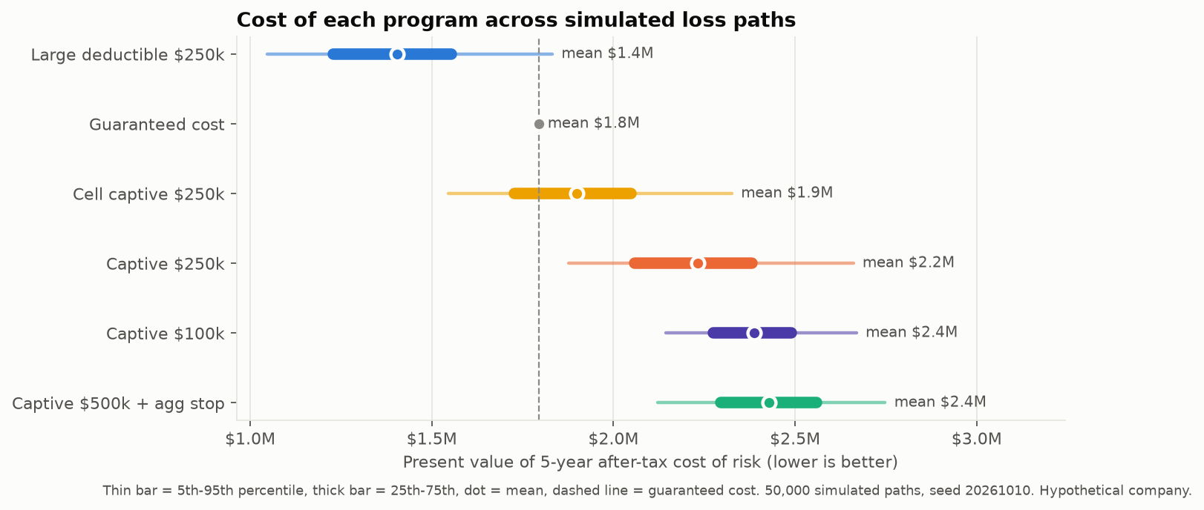

Cost Components
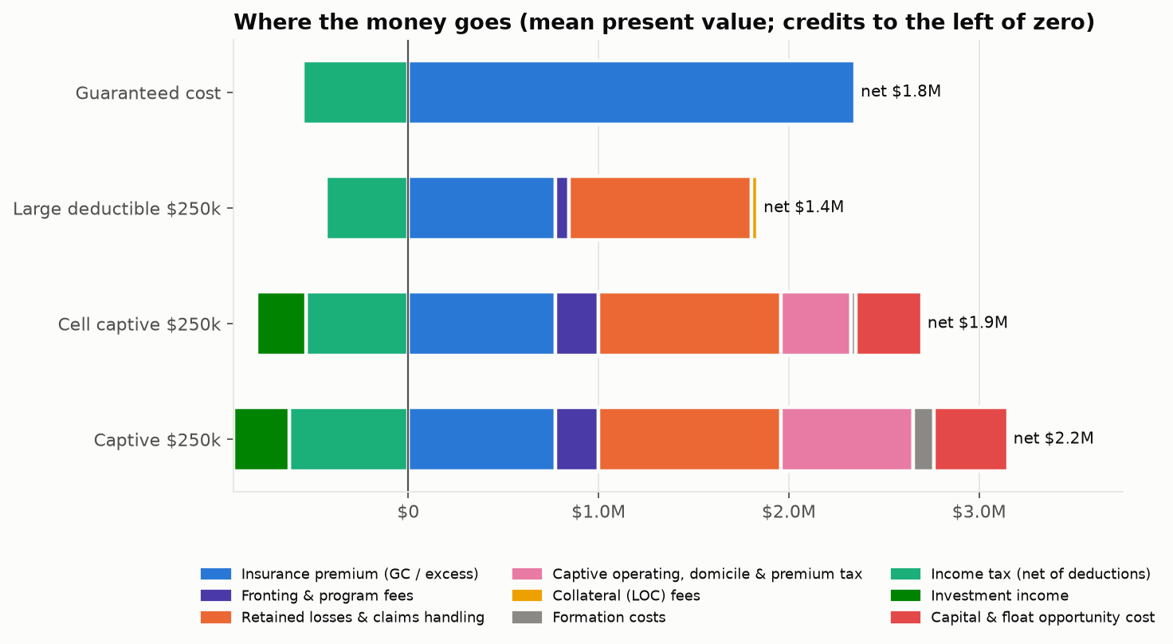

Capital Fan
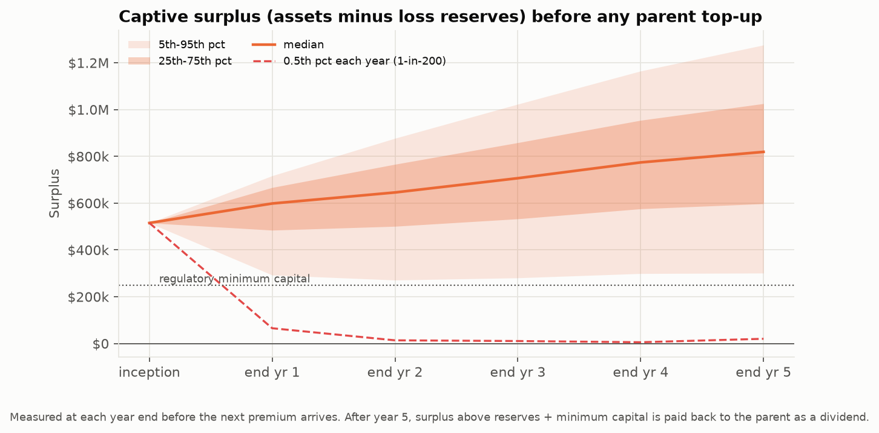

Retained Hist
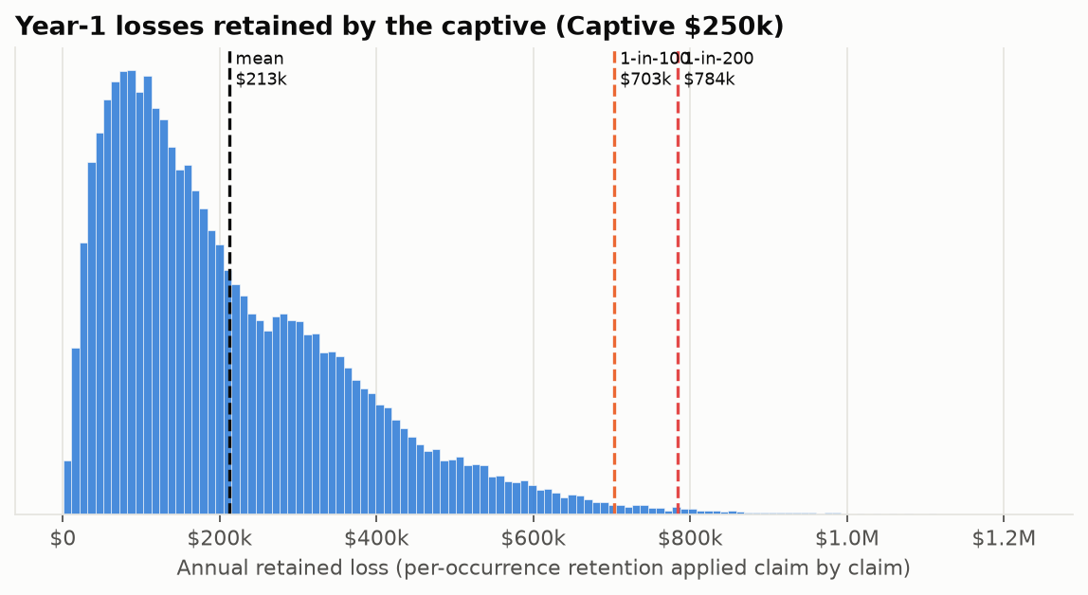

Tornado
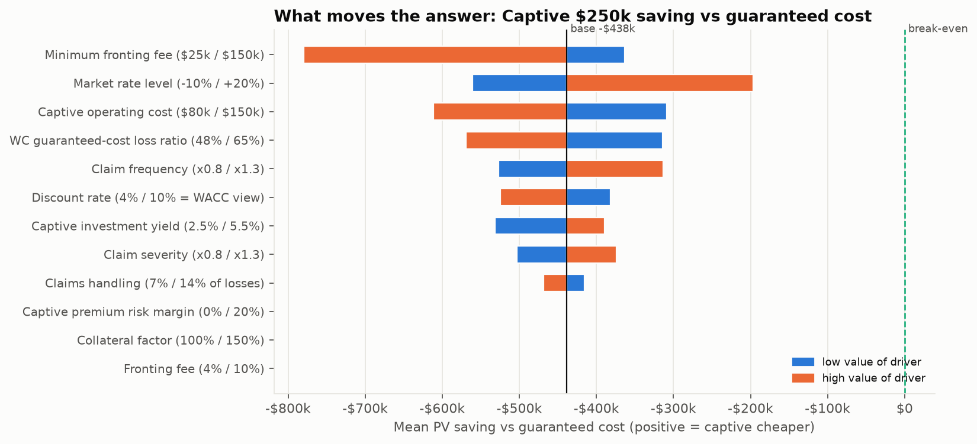

Breakeven
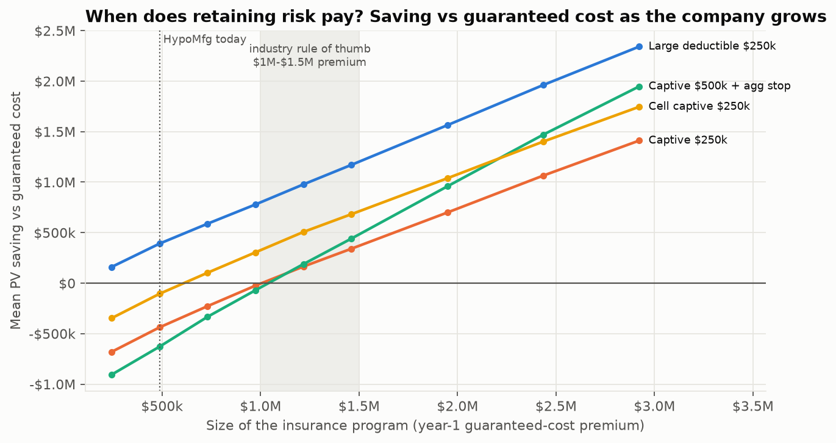

Domiciles

