COGS per market
▶ MATSTRUMPOR — COGS PER MARKET (USD per order)
Supplier quote read 2026-09-29. Blue numbers = supplier quote. New market: type the country in a grey header to the right, then fill product cost and shipping cost (yellow). Total fills itself — overwrite it if the supplier quotes a different total.
 | Product image | Product name | Variant | Qty (sets) | SWEDEN |  |  | NORWAY |  |  | DENMARK |  |  | FINLAND |  |  | US |  |  | UK |  |  | CANADA |  |  | AUSTRALIA |  |  | NEW ZEALAND |  |  | NEW MARKET (type here) |  |  | NEW MARKET (type here) |  |  | NEW MARKET (type here) |  |  | NEW MARKET (type here) |  |  | NEW MARKET (type here) |  |  | NEW MARKET (type here) |  |  | NEW MARKET (type here) |  |  | NEW MARKET (type here)
 |  |  |  |  | Product cost | Shipping cost | Total ex. tax | Product cost | Shipping cost | Total ex. tax | Product cost | Shipping cost | Total ex. tax | Product cost | Shipping cost | Total ex. tax | Product cost | Shipping cost | Total ex. tax | Product cost | Shipping cost | Total ex. tax | Product cost | Shipping cost | Total ex. tax | Product cost | Shipping cost | Total ex. tax | Product cost | Shipping cost | Total ex. tax | Product cost | Shipping cost | Total ex. tax | Product cost | Shipping cost | Total ex. tax | Product cost | Shipping cost | Total ex. tax | Product cost | Shipping cost | Total ex. tax | Product cost | Shipping cost | Total ex. tax | Product cost | Shipping cost | Total ex. tax | Product cost | Shipping cost | Total ex. tax | Product cost | Shipping cost | Total ex. tax
 | 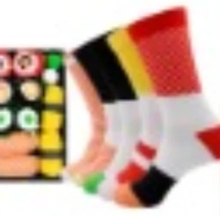 | Sushi socks | 3 pairs | 1 | 1.70 | 5.20 | 6.90 | 1.70 | 6.30 | 8.00 | 2.60 | 5.80 | 8.40 | 2.60 | 6.30 | 8.90
 |  |  | 3 pairs | 2 | 3.40 | 7.00 | 10.40 | 3.40 | 7.90 | 11.30 | 5.20 | 6.20 | 11.40 | 5.20 | 7.50 | 12.70
 |  |  | 5 pairs | 1 | 2.60 | 5.60 | 8.20 | 2.60 | 6.80 | 9.40 | 2.60 | 7.10 | 9.70 | 2.60 | 7.70 | 10.30
 |  |  | 5 pairs | 2 | 5.20 | 7.10 | 12.30 | 5.20 | 8.50 | 13.70 | 5.20 | 8.40 | 13.60 | 5.20 | 10.10 | 15.30
 |  | Donut socks | 3 pairs | 1 | 2.10 | 5.20 | 7.30 | 2.60 | 6.60 | 9.20 | 2.60 | 6.80 | 9.40 | 2.60 | 7.30 | 9.90 | 2.60 | 6.50 | 9.10 | 2.60 | 4.50 | 7.10 | 2.60 | 5.50 | 8.10 | 2.60 | 6.50 | 9.10 | 2.60 | 6.20 | 8.70
 |  |  | 3 pairs | 2 | 4.20 | 7.00 | 11.30 | 5.20 | 8.80 | 13.90 | 5.20 | 8.90 | 14.00 | 5.20 | 9.40 | 14.50 | 5.20 | 9.00 | 14.20 | 5.20 | 6.20 | 11.40 | 5.20 | 7.50 | 12.60 | 5.20 | 9.80 | 14.90 | 5.20 | 9.40 | 14.50
 | 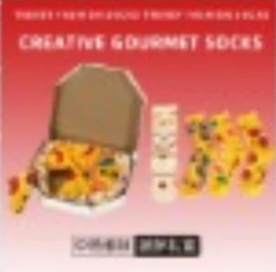 | Pizza socks | 4 pairs | 1 | 2.70 | 5.40 | 8.10 | 2.70 | 6.80 | 9.50 | 2.70 | 6.90 | 9.60 | 2.70 | 7.40 | 10.10 | 2.70 | 7.10 | 9.80 | 2.70 | 4.90 | 7.60 | 2.70 | 6.10 | 8.80 | 2.70 | 7.60 | 10.30 | 2.70 | 7.20 | 9.90
 |  |  | 4 pairs | 2 | 5.40 | 7.70 | 13.10 | 5.40 | 8.90 | 14.30 | 5.40 | 8.90 | 14.30 | 5.40 | 10.50 | 15.90 | 5.40 | 10.70 | 16.10 | 5.40 | 7.00 | 12.40 | 5.40 | 8.90 | 14.30 | 5.40 | 11.80 | 17.20 | 5.40 | 11.40 | 16.80
 | 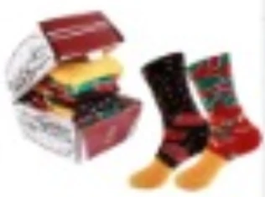 | Hamburger socks | 3 pairs | 1 | 2.50 | 5.20 | 7.60 | 2.50 | 6.40 | 8.90 | 2.50 | 6.50 | 9.00 | 2.50 | 7.10 | 9.50 | 2.50 | 6.40 | 8.90 | 2.50 | 4.60 | 7.00 | 2.50 | 5.70 | 8.20 | 2.50 | 6.80 | 9.20 | 2.50 | 6.40 | 8.90
 |  |  | 3 pairs | 2 | 4.90 | 7.30 | 12.20 | 4.90 | 8.30 | 13.20 | 4.90 | 8.40 | 13.30 | 4.90 | 9.80 | 14.70 | 4.90 | 9.50 | 14.40 | 4.90 | 6.40 | 11.30 | 4.90 | 7.90 | 12.80 | 4.90 | 10.30 | 15.20 | 4.90 | 9.90 | 14.80
 |  |  |  | 1
 |  |  |  | 2
 |  |  |  | 1
 |  |  |  | 2
 |  |  |  | 1
 |  |  |  | 2

