European Union
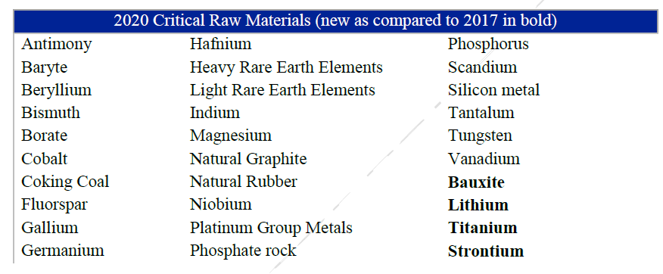
Antimony | Critical Raw Materials Resilience: Charting a Path towards greater Security and
Baryte | https://ec.europa.eu/docsroom/documents/42849
Beryllium
Bismuth
Borate
Cobalt
Coking coal
Fluorspar
Gallium
Germanium
Hafnium
Heavy Rare Earth Elements
Light Rare Earth Elements
Indium
Magnesium
Natural Graphite
Natural Rubber
Niobium
Platinum Group Metals
Phosphate rock
Phosphorus
Scandium
Silicon metal
Tantalum
Tungsten | https://www.sciencedirect.com/science/article/pii/S095965261932387X
Vanadium
Bauxite
Lithium
Titanium
Strontium

 | https://investingnews.com/daily/resource-investing/critical-metals-investing/rare-earth-investing/investing-in-rare-earth-heavy-vs-light/

DLR
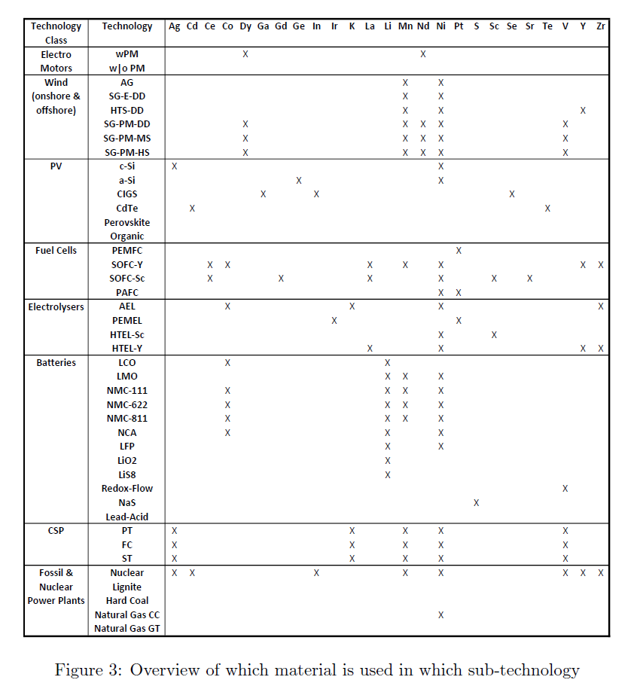
Silver
Cadmium
Cerium
Cobalt
Dysprosium
Galium
Gadolinium
Ge
Germanium
Indium
Iridium
Potassium
Lanthanum
Lithium
Manganese
Neodymium
Nickel
Platinum
Sulfur
Scandium
Selenium
Strontium
Tellurium
Vanadium
Yttrium
Zirconium

WB
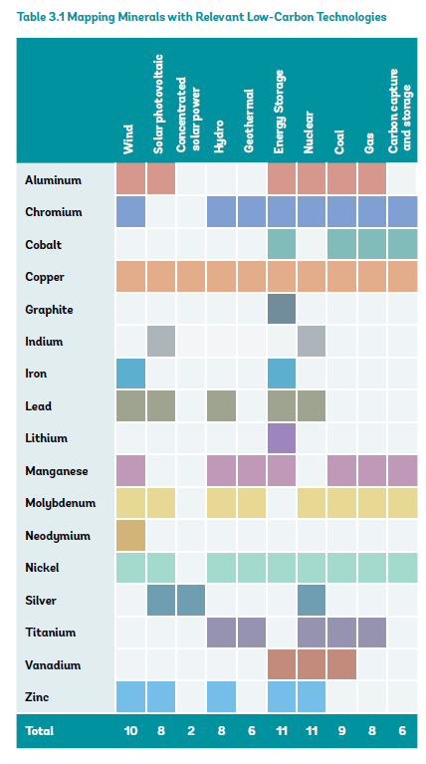
Aluminium | Minerals for Climate Action: The Mineral Intensity of the Clean Energy Transition
Chromium | https://pubdocs.worldbank.org/en/961711588875536384/Minerals-for-Climate-Action-The-Mineral-Intensity-of-the-Clean-Energy-Transition.pdf
Cobalt
Copper
Graphite
Indium
Iron
Lead
Lithium
Manganese
Molybdenum
Neodymium
Nickel
Silver
Titanium
Vanadium
Zinc

