Graphite
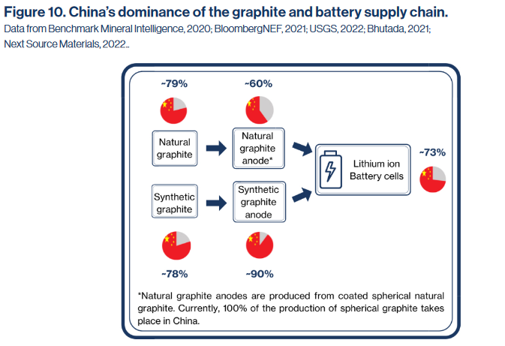
https://hcss.nl/wp-content/uploads/2022/03/Graphite-Challenges-and-Recommendations-HCSS-2022.pdf

Cobalt
van der Meide et al. (2022) |  |  |  | https://pubs.usgs.gov/of/2017/1155/ofr20171155.pdf
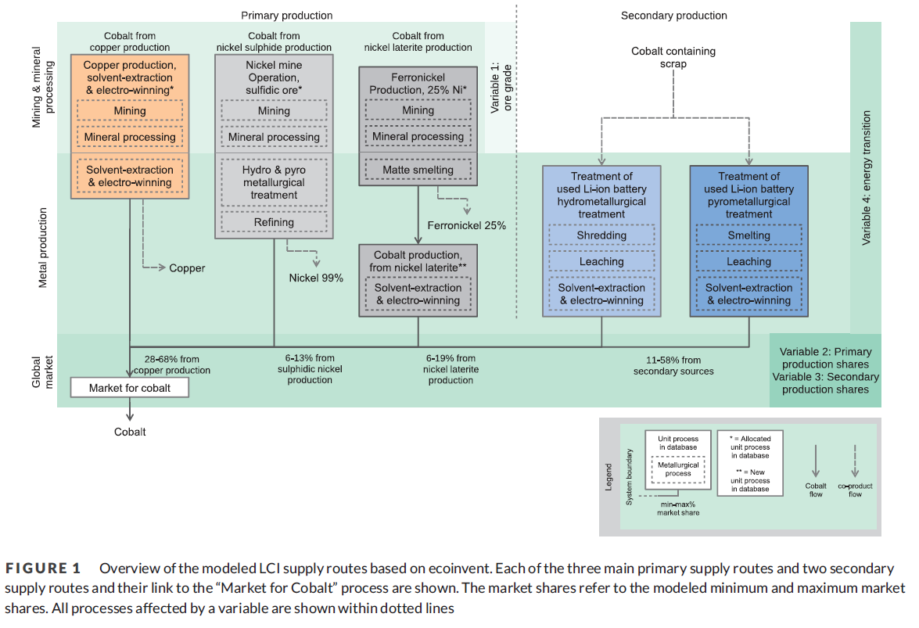

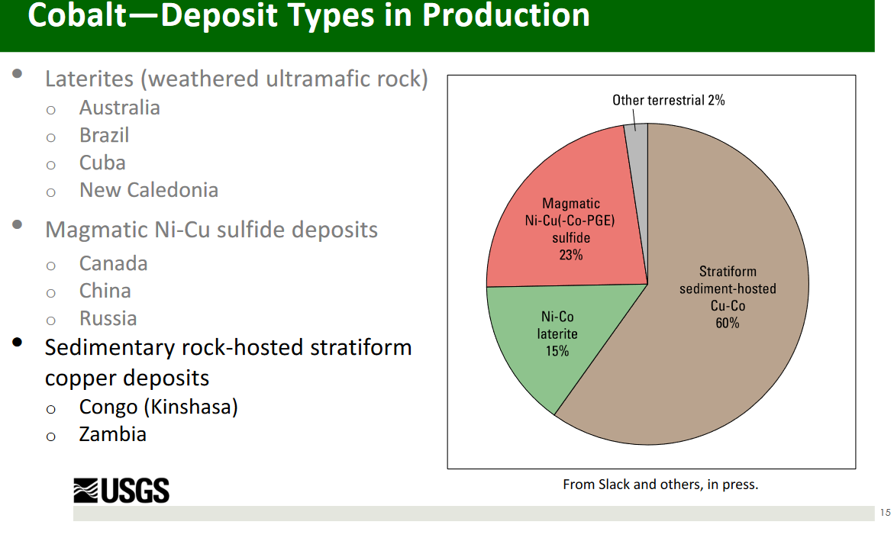

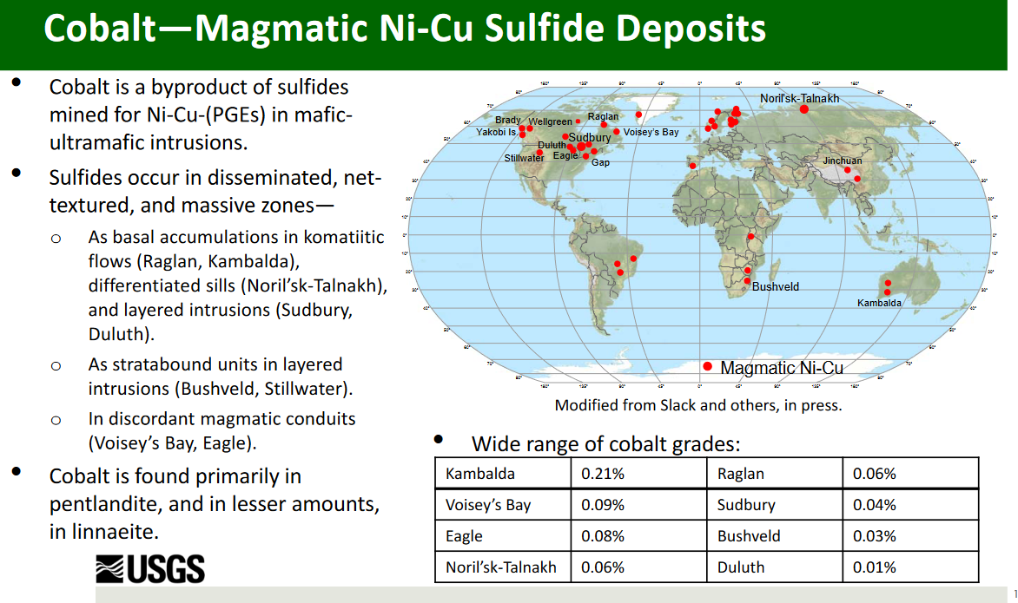
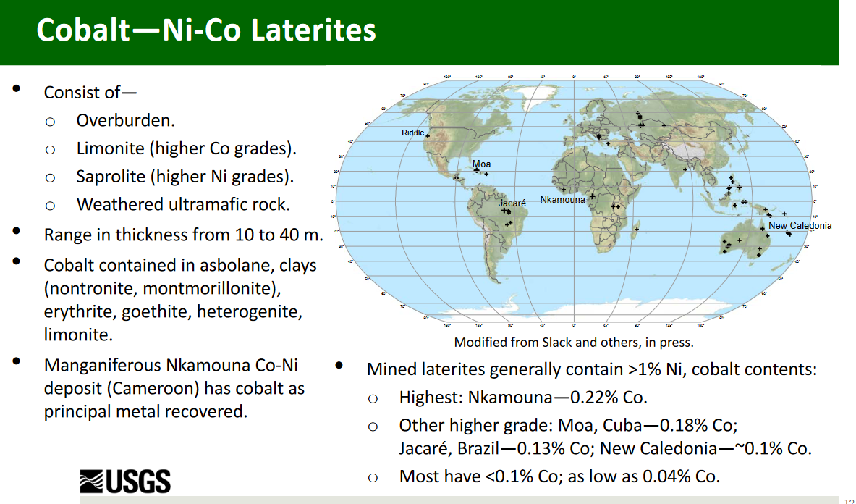

Cobalt, mine | Australia | Laterite
Cobalt, mine | Brazil | Laterite
Cobalt, mine | Canada | Sulfide
Cobalt, mine | China | Sulfide
Cobalt, mine | Congo, Democratic Republic | Copper
Cobalt, mine | Cuba | Laterite
Cobalt, mine | Finland | Sulfide
Cobalt, mine | Indonesia | Laterite
Cobalt, mine | Madagascar | Laterite
Cobalt, mine | Morocco | Sulfide | It is not really sulfide. It is the only one with an alternative path. I take sulfide as proxy
Cobalt, mine | New Caledonia | Laterite
Cobalt, mine | Papua New Guinea | Laterite
Cobalt, mine | Philippines | Laterite
Cobalt, mine | Russia | Sulfide
Cobalt, mine | South Africa | Sulfide
Cobalt, mine | Turkey | Laterite
Cobalt, mine | USA | Sulfide
Cobalt, mine | Zambia | Copper
Cobalt, mine | Zimbabwe | Sulfide

REE Refining
Refining of REE |  | https://doi.org/10.1016/j.jclepro.2021.129932
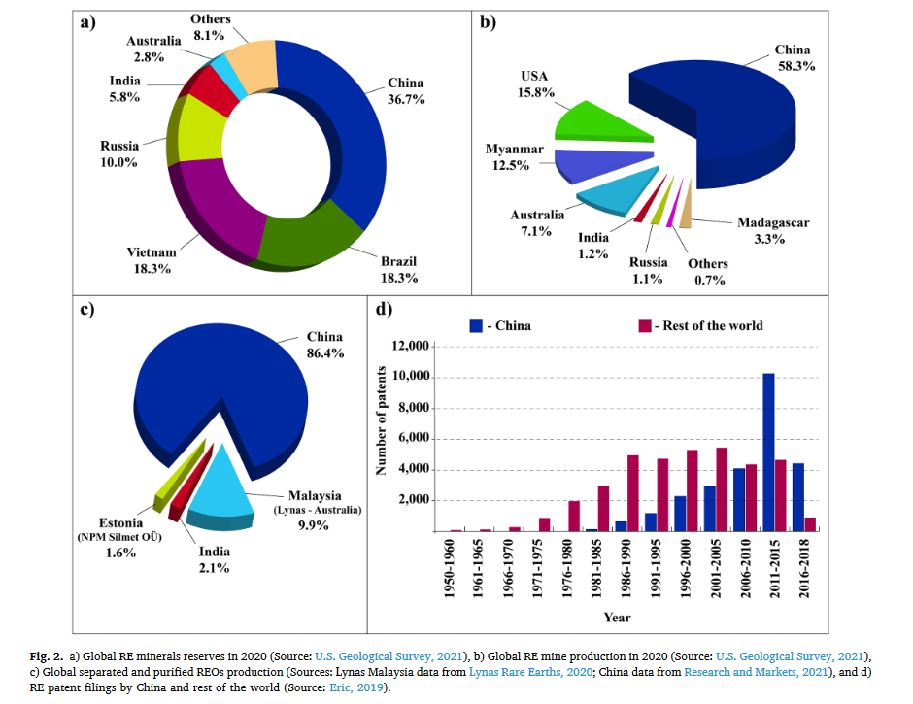
China | 0.864
Malaysia | 0.099
Estonia | 0.016
India | 0.021

