Battery operation
database | vanadium-redox-flow-battery
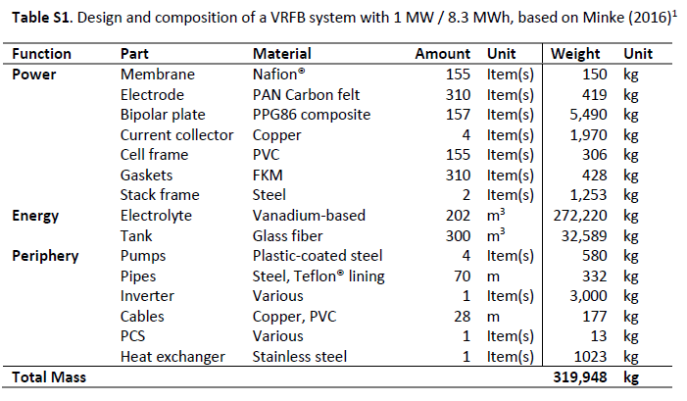
Activity | VRFB Battery module
location | RER
production amount | 319950
comment | Table S1
source | Life Cycle Assessment of a Vanadium Redox Flow Battery, Selina Weber, Jens F. Peters, Manuel Baumann, and Marcel Weil, Environ. Sci. Technol. 2018, 52, 10864−10873, DOI: 10.1021/acs.est.8b02073
reference product | VRFB Battery module
type | process
unit | kilogram
Exchanges
name | amount | location | unit | categories | type | reference product | comment
VRFB Battery module | 319950 | RER | kilogram |  | production | VRFB Battery module
nafion membrane production | 150 | RER | kilogram |  | technosphere | nafion membrane | membrane
polyacrylonitrile-based electrode production, for VRFB system | 419 | RER | kilogram |  | technosphere | polyacrylonitrile-based electrode, for VFRB system | electrode
biopolar plate production, for VRFB system | 5490 | RER | kilogram |  | technosphere | biopolar plate, for VRFB system | bipolar plate
current collector production, for VRFB system | 1970 | RER | kilogram |  | technosphere | current collector, for VRFB system | current collector
polyvinylchloride cell frame production, for VRFB system | 306 | RER | kilogram |  | technosphere | polyvinylchloride cell frame, for VRFB system | cell frame
gasket production, FKM, for VRFB system | 428 | RER | kilogram |  | technosphere | gasket, FKM | gaskets
stack frame assembly, for VRFB system | 1253 | RER | kilogram |  | technosphere | stack frame, for VRFB system | stack frame
vanadium electrolyte production, for VRFB | 272220 | RER | kilogram |  | technosphere | electrolyte, for VRFB | electrolyte
electrolyte tank production, for VRFB system | 32589 | RER | kilogram |  | technosphere | electrolyte tank | tank
pumps assembly, for VRFB system | 580 | RER | kilogram |  | technosphere | pumps, for VRFB system | pumps
pipes assembly, for VRFB system | 332 | RER | kilogram |  | technosphere | pipes, for VRFB system | pipes
market for inverter, 500kW | 1 | GLO | unit |  | technosphere | inverter, 500kW | inverter
copper cable production, for VRFB system | 177 | RER | kilogram |  | technosphere | copper cable, for VRFB system | cables
process system, for VRFB system | 13 | RER | kilogram |  | technosphere | process system, for VRFB system | PCS
heat exchanger production, for VRFB system | 1023 | RER | kilogram |  | technosphere | heat exchanger, for VRFB system | Heat exchanger

Activity | VRFB battery operation for renewable support
location | RER
production amount | 1000
comment | The electrolyte of the VRFB does not degrade and requires, except from regular re-balancing, no replacement. Electrolyte re-balancing is associated principally with electricity input. However, no further information can be found about the actual frequency of re-balancing measures in a VRFB, why this aspect is taken into account in a simplified manner by assuming a rather conservative efficiency of 75% for the VRFB. A lifetime of 10 years is assumed for the stack, where corrosion and degradation of membranes and gaskets will require replacements1. Due to the complex nature of the stack, it is assumed that the whole stack is exchanged completely after 10 years
source | Life Cycle Assessment of a Vanadium Redox Flow Battery, Selina Weber, Jens F. Peters, Manuel Baumann, and Marcel Weil, Environ. Sci. Technol. 2018, 52, 10864−10873, DOI: 10.1021/acs.est.8b02073
reference product | Renewable support, from VRFB battery, 1MW over LT
type | process
unit | kilowatt hour
Exchanges
name | amount | location | unit | categories | type | reference product | comment
VRFB battery operation for renewable support | 1000 | RER | kilowatt hour |  | production | Renewable support, from VRFB battery, 1MW over LT
VRFB Battery module | 6.52 | RER | kilogram |  | technosphere | VRFB Battery module | Battery system
stack frame assembly, for VRFB system | 0.2 | RER | kilogram |  | technosphere | stack frame, for VRFB system | Stack replacement
treatment of VRFB stack | -0.41 | RER | kilogram |  | technosphere | used VRFB stack, to recycling | used VRFB stack
electricity production, wind, 1-3MW turbine, onshore | 330 | DE | kilowatt hour |  | technosphere | electricity, high voltage | electricity production
treatment of VRFB electrolyte | -5.55 | RER | kilogram |  | technosphere | used VRFB electrolyte, to recycling | used electrolyte
treatment of VRFB electrolyte tanks | -0.66 | RER | kilogram |  | technosphere | used VRFB electrolyte tanks, to recycling | used electrolyte tanks
treatment of VRFB periphery | -0.1 | RER | kilogram |  | technosphere | used VRFB periphery, to recycling | used periphery

