Sheet1
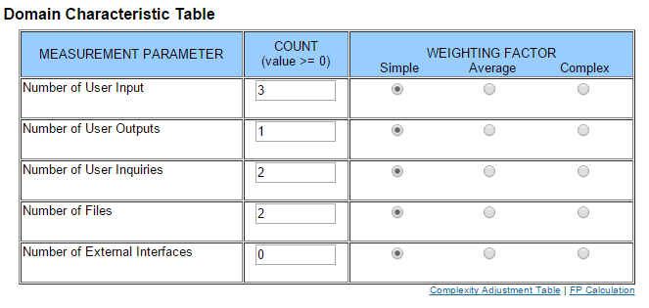
Add/Show Contact
EI | EO | EQ | ILF | EIF | DET | RET | FTR
3 | 2 | 2 | 2 | 1 | 5 | 2 | 1
Contact E-Mail; Buttons for adding and showing contacts | Toast Message, List of Contacts | Create Contact/ Show Contact List | User + Friendship Table | Installation Table maintained by Parse
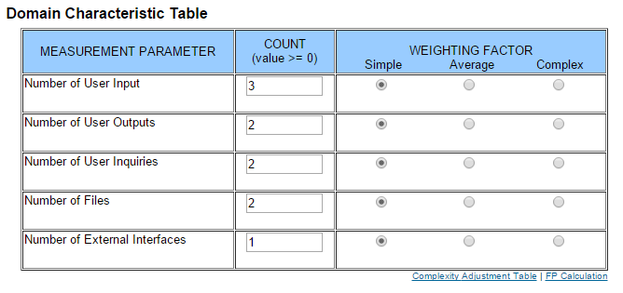

Registration
EI | EO | EQ | ILF | EIF | DET | RET | FTR
9 | 2 | 3 | 1 | 2 | 11 | 1 | 1
Input Fields, Register Button, Facebook Registration Buttons | Toast Message for error, Facebook Picture, Facebook | Register/ Register with FB, Facebook access | User Table | Installation Table, Facebook User


Login
EI | EO | EQ | ILF | EIF | DET | RET | FTR
4 | 1 | 2 | 1 | 2 | 4 | 1 | 1
Input Fields, Login Button, Facebook Login | Toast message for error | Login/ Login with FB | User Table | Installation Table, Facebook User
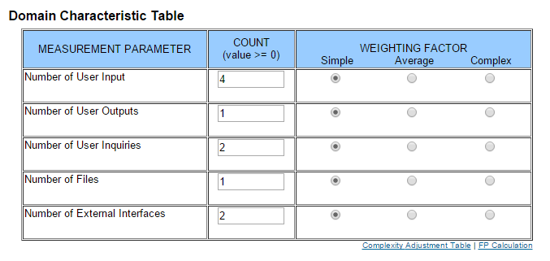

Delete Account
EI | EO | EQ | ILF | EIF | DET | RET | FTR
3 | 2 | 2 | 2 | 0 | 4 | 2 | 1
Delete + 2 Dialogue buttons | Toast Message, Name | Delete + Dialogue | User + Friendship Table
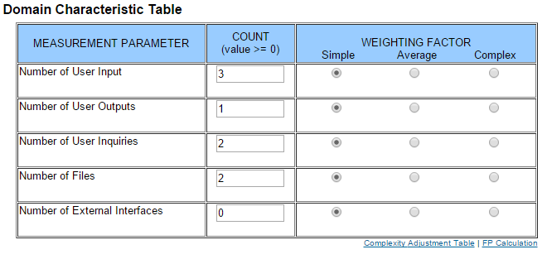

Invite a friend
EI | EO | EQ | ILF | EIF | DET | RET | FTR
4 | 2 | 3 | 0 | 2 | 6 | 1 | 3
E-Mail + Button, Link to App Download, Download, Confirm Permissions | Toast Message, E-Mail | Invite, open application link, Download |  | Parse E-Mail Interface, Google Play Download
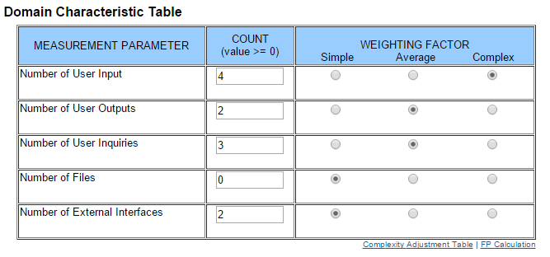

Manage Challenges
EI | EO | EQ | ILF | EIF | DET | RET | FTR
3 | 2 | 2 | 3 | 1 | 5 | 3 | 2
Choose contact, challenge text, send button | Sent Challenge, Challenged Name | Choose Contact, Send | User, Friendship + ChallengeTable | Installation Table |  |  | Challenge Group, contact Group
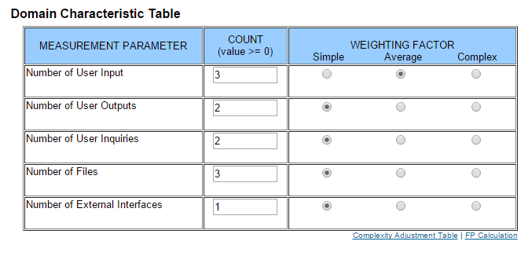

Answer Challenge
EI | EO | EQ | ILF | EIF | DET | RET | FTR
3 | 2 | 2 | 3 | 1 | 5 | 3 | 1
Add, Decline Buttons, Proof Upload | Challenger Name, Sent Proof | Anwer, Send Proof | User, Friendship + ChallengeTable | Installation Table
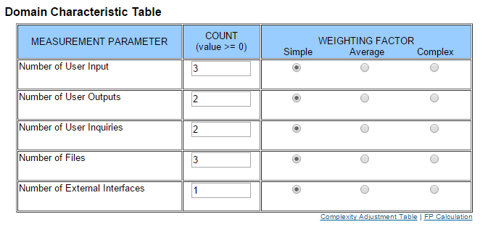

View/ Update Profile
EI | EO | EQ | ILF | EIF | DET | RET | FTR
9 | 0 | 3 | 1 | 0 | 9 | 1 | 0
Input fields with information, Save/ Edit Buttons | Information is shown in editable fields --> Eis | Edit/ Save, Confirm | User Table


Delete Contact
EI | EO | EQ | ILF | EIF | DET | RET | FTR
3 | 1 | 2 | 2 | 0 | 4 | 2 | 0
Delete + 2 Dialogue Buttons | Toast Message | Delete + Confirmation Dialogue | User, Friendship Table

