Info
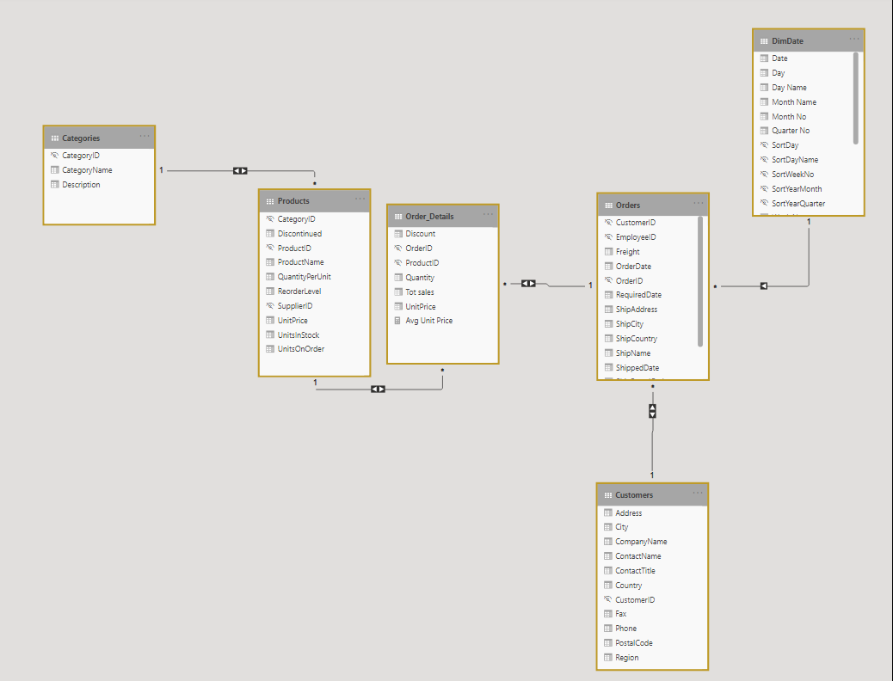
Detta dataset är baserat på NorthWind dataset http://services.odata.org/Northwind/Northwind.svc/

