Category Statistics
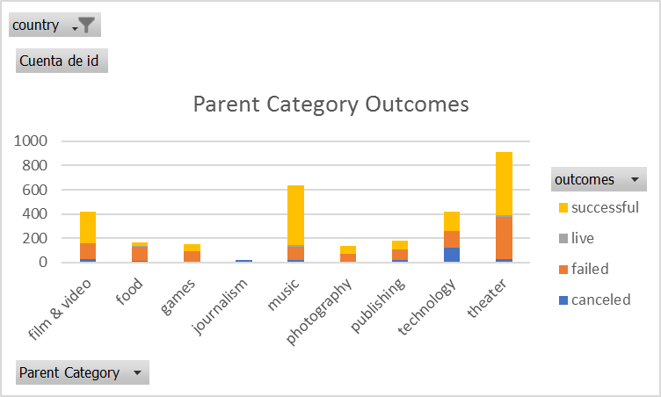
country | US
Parent Category | theater

Parent Category Outcomes
 | Etiquetas de columna
 | canceled | failed | live | successful | Total general
Cuenta de id | 26 | 349 | 12 | 525 | 912

Kickstarter
id | name | blurb | goal | pledged | outcomes | country | currency | deadline | launched_at | staff_pick | backers_count | spotlight | Category and Subcategory | Percentage Funded | Average Donation | Parent Category | Subcategory | Date Created Conversion | Date Ended Conversion
...
3868 | 1000 words (Canceled) | New collection of music by Scott Evan Davis! | $5,000.00 | $10.00 | canceled | GB | GBP | 1410191405 | 1408031405 | FALSE | 1 | FALSE | theater/musical | 0 | 10 | theater | musical | 2014-08-14 15:50:05 | 2014-09-08 15:50:05
3876 | Drinking with Angelika - Marlowe Studio Canterbury May 2016 | Hopefully a successful Campaign will bring this original musical back to the stage for performances on 26th, 27th and 28th May 2016. | $3,900.00 | $2,059.00 | canceled | GB | GBP | 1454425128 | 1451833128 | FALSE | 46 | FALSE | theater/musical | 53 | 44.76 | theater | musical | 2016-01-03 14:58:48 | 2016-02-02 14:58:48
3879 | Theatre 'Portable' Royal (Canceled) | Theatre â€˜Portableâ€™ Royal is a portable, fully working, 40 seater theatre which will tour the UK and beyond! | $15,000.00 | $0.00 | canceled | GB | GBP | 1422218396 | 1419626396 | FALSE | 0 | FALSE | theater/musical | 0 | 0 | theater | musical | 2014-12-26 20:39:56 | 2015-01-25 20:39:56
Intercuartil
3880 | Thoroughly Modern Millie (Canceled) | With Russell Grant as Mrs Meers, this classic musical taps into London's Theatro Technis 1-25 October 2014 for its UK fringe premiere! | $7,500.00 | $980.00 | canceled | GB | GBP | 1406761200 | 1403724820 | FALSE | 17 | FALSE | theater/musical | 13 | 57.65 | theater | musical | 2014-06-25 19:33:40 | 2014-07-30 23:00:00
3883 | CAGED - A New Musical (Canceled) | CAGED - A New Musical is the story of One Passion, One Voice, One Dream. - One man's quest to become the woman he always wanted to be. | $15,000.00 | $0.00 | canceled | GB | GBP | 1409668069 | 1407076069 | FALSE | 0 | FALSE | theater/musical | 0 | 0 | theater | musical | 2014-08-03 14:27:49 | 2014-09-02 14:27:49
...

Subcategory Statistics
country | GB
Parent Category | (Todas)
Subcategory | plays

 | Etiquetas de columna
 | failed | live | successful | Total general
Cuenta de outcomes | 70 | 6 | 238 | 314

Outcomes Based on Launch Date
country | (Todas)
Parent Category | theater
Subcategory | (Todas)
Años | (Todas)

Outcomes Based on Launch Date
 | canceled | failed | live | successful
ene | 7 | 33 | 2 | 56
feb | 3 | 39 | 8 | 71
mar | 3 | 33 | 14 | 56
abr | 2 | 40 |  | 71
may | 3 | 52 |  | 111
jun | 4 | 49 |  | 100
jul | 1 | 50 |  | 87
ago | 4 | 47 |  | 72
sep | 4 | 34 |  | 59
oct |  | 50 |  | 65
nov | 3 | 31 |  | 54
dic | 3 | 35 |  | 37
Cuenta de outcomes | Etiquetas de columna
Etiquetas de fila | canceled | failed | live | successful | Total general
ene | 7 | 33 | 2 | 56 | 98
feb | 3 | 39 | 8 | 71 | 121
mar | 3 | 33 | 14 | 56 | 106
abr | 2 | 40 |  | 71 | 113
may | 3 | 52 |  | 111 | 166
jun | 4 | 49 |  | 100 | 153
jul | 1 | 50 |  | 87 | 138
ago | 4 | 47 |  | 72 | 123
sep | 4 | 34 |  | 59 | 97
oct |  | 50 |  | 65 | 115
nov | 3 | 31 |  | 54 | 88
dic | 3 | 35 |  | 37 | 75
Total general | 37 | 493 | 24 | 839 | 1393

