Hoja1
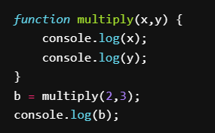
var | value
x | 2
y | 3
console | 2.3

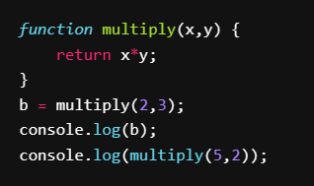
var | value
x | 2 | 5
y | 3 | 2
console | 6.1

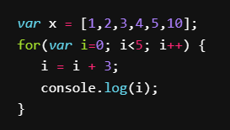
var | value
x
console | 3.7

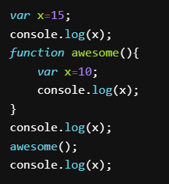
var | value
x | 15 | 10
console | 15,15,10,15

var | value
console | 0,2,4,6,8,10,12,14

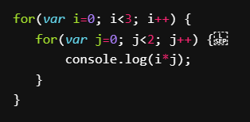
var
console | 0,0,0,1,0,2

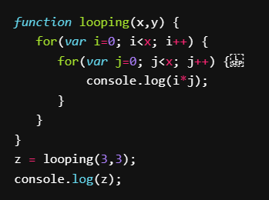
var
console | 0,0,0,0,1,2,0,2,4

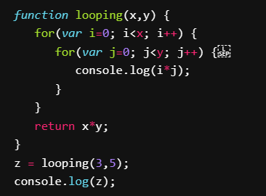
var
console | 0,0,0,0,0,0,1,2,3,4,0,2,4,6,8,16

