Sheet1
PROJECT 3 | 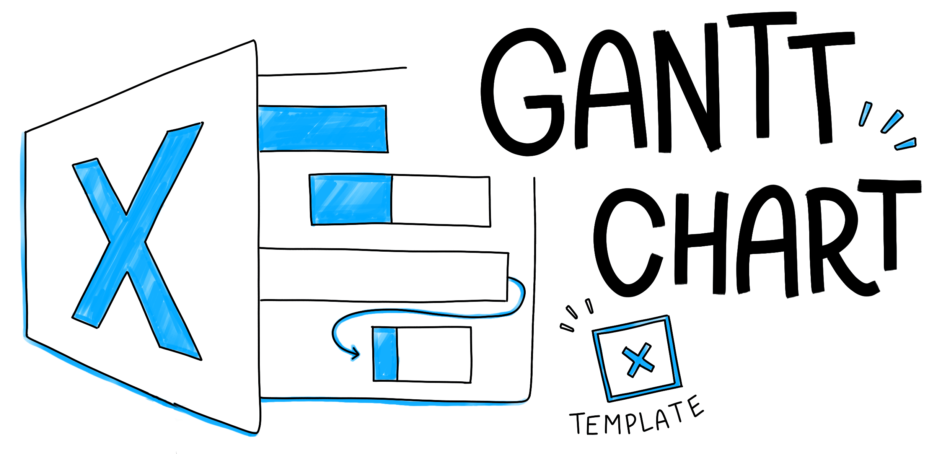
Document Name: Lhub_PT_V1
Project Lead : Mohammed Ragab

Project 3 Gantt Chart
 | Start Dates | Duration
creating project plan doc (PP_DOC_1) | 4/27/2019 | 7
creating project schedule (PS_DOC_2) | 4/27/2019 | 7
configuration management (CM) tool (CM_DOC_3) | 4/27/2019 | 7
Risk sheet (RSK_DOC_4) | 4/27/2019 | 7
Issues sheet (ISSUES_DOC_5) | 4/27/2019 | 7
system requirements specifications (SRS) (SRS_DOC_6) | 4/27/2019 | 7
requirements traceability matrix (RTM) (RTM_DOC_7) | 4/27/2019 | 7
software interactive questionnaire (SIQ) (SIQ_DOC_8) | 4/27/2019 | 7
system requirements specifications (SRS) peer review sheet (SRSPR_DOC_9) | 4/27/2019 | 7
project timeline (PT_DOC_10) | 4/27/2019 | 7
Design the Wireframes(Lhub_Wireframe) | 5/4/2019 | 7
Design Use Case Diagrams(Lhub_usecase) | 5/4/2019 | 7
Design the Entity Relationship Diagram (ERD)(Lhub_ERD) | 5/4/2019 | 7
Design the Class Diagram | 5/4/2019 | 7
Design Data Flow Diagram(Lhub_DFD) | 5/4/2019 | 7
Design Peer Review Sheet | 5/4/2019 | 7
Lhub_HLD | 5/4/2019 | 7
Version Number | Implemented By | Revision Date | Description of Change
1 | Mohammed Ragab | 2019-05-02 | creating this document and the gannt chart
TASK NAME & (ID of the task) | ASSIGNED TO | START DATE | DUE DATE | DURATION | % DONE | SPRINT/MILESTONE
creating project plan doc (PP_DOC_1) | Farah , Nada | 2019-04-27 | 2019-05-04 | 7 | 100 | week 1
creating project schedule (PS_DOC_2) | Ragab | 2019-04-27 | 2019-05-04 | 7 | 100 | week 1
configuration management (CM) tool (CM_DOC_3) | Aya Mohamed | 2019-04-27 | 2019-05-04 | 7 | 100 | week 1
Risk sheet (RSK_DOC_4) | Ragab , Azmy | 2019-04-27 | 2019-05-04 | 7 | 100 | week 1
Issues sheet (ISSUES_DOC_5) | all the team | 2019-04-27 | 2019-05-04 | 7 | 100 | week 1
system requirements specifications (SRS) (SRS_DOC_6) | Wafaa | 2019-04-27 | 2019-05-04 | 7 | 100 | week 1
requirements traceability matrix (RTM) (RTM_DOC_7) | Aya Mohamed | 2019-04-27 | 2019-05-04 | 7 | 100 | week 1
software interactive questionnaire (SIQ) (SIQ_DOC_8) | Azmy | 2019-04-27 | 2019-05-04 | 7 | 100 | week 1
system requirements specifications (SRS) peer review sheet (SRSPR_DOC_9) | all the team | 2019-04-27 | 2019-05-04 | 7 | 100 | week 1
project timeline (PT_DOC_10) | Ragab | 2019-04-27 | 2019-05-04 | 7 | 100 | week 1
Design the Wireframes(Lhub_Wireframe) | Azmy | 2019-05-04 | 2019-05-11 | 7 | 100 | week 2
Design Use Case Diagrams(Lhub_usecase) | Wafaa | 2019-05-04 | 2019-05-11 | 7 | 100 | week 2
Design the Entity Relationship Diagram (ERD)(Lhub_ERD) | Aya Mohamed | 2019-05-04 | 2019-05-11 | 7 | 100 | week 2
Design the Class Diagram | Farah | 2019-05-04 | 2019-05-11 | 7 | 100 | week 2
Design Data Flow Diagram(Lhub_DFD) | Nada | 2019-05-04 | 2019-05-11 | 7 | 100 | week 2
Design Peer Review Sheet | Aya Mohamed | 2019-05-04 | 2019-05-11 | 7 | 100 | week 2
Lhub_HLD | Ragab | 2019-05-04 | 2019-05-11 | 7 | 100 | week 2

