Sheet1
Material balances on system with recycle and purge
Department of Chemical and Biological Engineering
University of Colorado Boulder |  |  |  |  |  |  |  |  |  |  |  | Ammonia synthesis
https://learncheme.com/ |  |  |  |  |  |  |  |  |  |  |  | Flow rates in mol/s
 |  |  |  |  | Input values in green |  |  |  |  |  |  |  | FH2,3= | 264.6
Input |  |  |  |  | Solutions in orange |  |  |  | FH2,1= | 74.10 | FH2,2= | 330.8 | FN2,3= | 88.9
Fractional conversion in reactor |  |  | 0.20 | = X | Cells used in Solver in yellow |  |  |  | FN2,1= | 24.90 | FN2,2= | 111.2 | FCH4,3= | 40.0
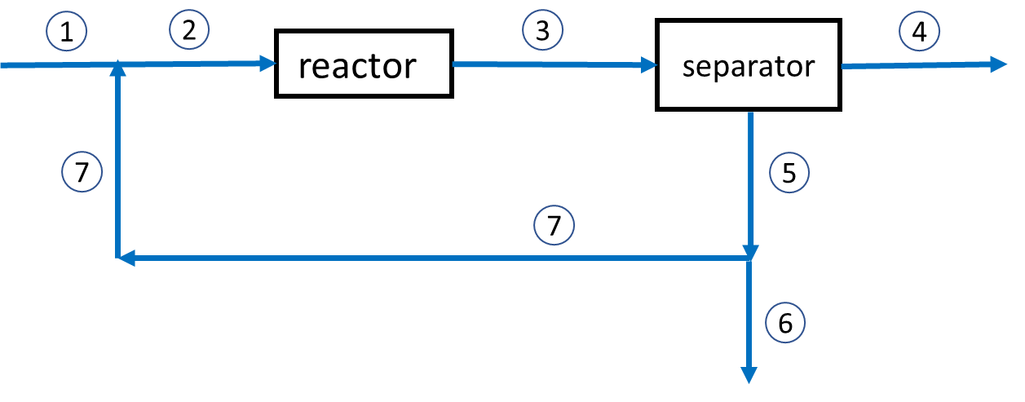
Fraction of exit stream purged |  |  | 0.030 | = purge |  |  |  |  | FCH4,1= | 1.20 | FCH4,2= | 40.0 | FNH3,3= | 44.5 | FNH3,4= | 44.5

 |  | Stream flow rates (mol/s)
Notation | Species | 1 | 2 | 3 | 4 | 5 | 6 | 7
H | H2 | 74.1 | 330.80 | 264.64 | 0.00 | 264.64 | 7.94 | 256.70
N | N2 | 24.9 | 111.16 | 88.93 | 0.00 | 88.93 | 2.67 | 86.26 |  |  |  |  |  |  | FH2,5= | 264.6
M | CH4 | 1.2 | 40.00 | 40.00 | 0.00 | 40.00 | 1.20 | 38.80 |  |  |  |  |  |  | FN2,5= | 88.9
NH | NH3 | 0.00 | 0.00 | 44.46 | 44.46 | 0.00 | 0.00 | 0.00 |  |  |  |  |  |  | FCH4,5= | 40.0
 |  |  |  |  |  |  |  |  |  |  |  |  | FH2,7= | 256.7
 |  |  |  |  |  |  |  |  |  |  |  |  | FN2,7= | 86.3 | FH2,6= | 7.94
 | Material balances |  |  |  |  |  |  |  |  |  |  |  | FCH4,7= | 38.8 | FN2,6= | 2.67
 |  | Mixing point |  |  |  | Splitting point |  |  |  |  |  |  |  |  | FCH4,6= | 1.20
Material balances on system with recycle and purge
N₂ + 3H₂ --> 2NH₃
Because of CH₄ impurity in the N₂ feed, a purge is needed (stream 6) to obtain steady-state operation.
The H₂/N₂ ratio in the feed is 3:1 (stoichiometric) The separator is assumed perfect; it removes all the NH₃ but no H₂, N₂, or CH₄.
The feed is 74.775 mol/s of H₂, 24.925 mol/s of N₂, and 1.2 mol/s of CH₄.
Solution The flow rates that are zero (N₂, H₂, CH₄ flows at point 4; NH₃ flow at points 2, 5, 6, and 7) were set to zero in the table of Stream flow rates.
17 equations and 17 unknowns
The overall material balances (Cells H29-H31) were not used in the solution because these equations are redundant.
Excel Solver was used to obtain the solution by inserting guess values for the unknow flow rates (orange cells) and varying their values to minimize the calculated values in the yellow cells
The material balance equations were arranged so all terms are on one side side of the equation and Solver trys to make that equation equal to zero. For example, the entry in cell D22 is "= FH1+FH7-FH2".
 |  | FH1 + FH7 = FH2 | 0.0E+00 |  |  | FH6 = purge*FH5 | 0.0E+00
 |  | FN1 + FN7 = FN2 | 0.0E+00 |  |  | FN6 = purge*FN5 | 0.0E+00
 |  | FM1 + FM7 = FM2 | 0.0E+00 |  |  | FM6 = purge*FM5 | 0.0E+00
 |  | Reactor |  |  |  | FH7= (1-purge)*FH5 | 0.0E+00
 |  | FH3 = FH2*(1-X) | 0.0E+00 |  |  | FN7 = (1-purge)*FN5 | 0.0E+00
 |  | FN3 = FN2*(1-X) | 0.0E+00 |  |  | FM7 = (1-purge)*FM5 | 0.0E+00
 |  | FM3 = FM2 | 0.0E+00 |  | Mole fraction CH4 |  | 0.10163339383
 |  | FNH3 = 2*FN2*X | 0.0E+00
 |  | Separator |  |  | Overall (not used)
 |  | FH3 = FH5 | 0.0E+00 |  |  | FH1 = FNH4*1.5 + FH6 | -5.4E-01
 |  | FN3 = FN5 | 0.0E+00 |  |  | FN1 = FNH4*0.5 + FN6 | 0.0E+00
 |  | FM3 = FM5 | 0.0E+00 |  |  | FM1 = FM6 | 1.1E-14
 |  | FNH3 = FNH4 | 0.0E+00

