View_EmployeeList (2)
Group Name |  |  |  |  | System Name |  |  |  | Create Member
Internship(MDY) |  |  |  |  | HR Management System

Table of contents

 | 1.Head_View_EmployeeList
 |  | 1.1 Form Design
 |  | 1.2 Form Item Detail
 |  | 1.3 Tab Order
 |  | 1.4 Screen Operation Details
 |  | 1.5 Error Check Detail

 |  | 1.1 Form Design

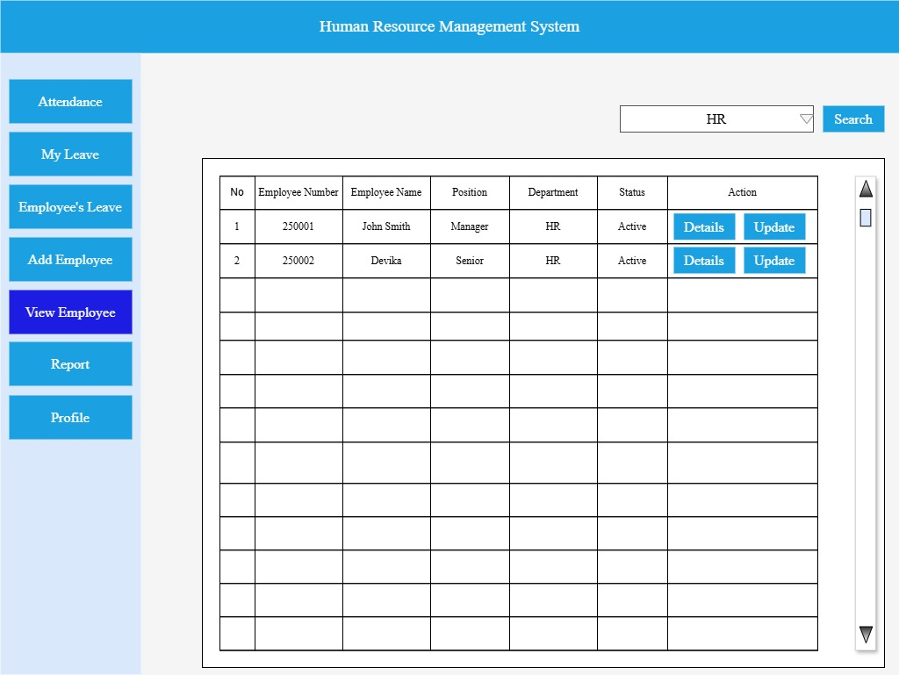

 |  | 1.2 Form Item Detail

 |  |  | Department Name ComboBox |  |  |  | Explanation | Select department to get employee information for each department
 |  |  |  |  |  |  | Item | ComboBox
 |  |  |  |  |  |  | Minimum Length | 2characters
 |  |  |  |  |  |  | Maximum length | 50characters
 |  |  |  |  |  |  | Justify | Center
 |  |  |  |  |  |  | Default | HR
 |  |  |  |  |  |  | Input Condition | Can input
 |  |  |  |  |  |  | Input Required | Always show
 |  |  |  |  |  |  | Visibility | Visible
 |  |  |  |  |  |  | Other | －

 |  |  | Search |  |  |  | Explanation | Button to search employee information for each department.
 |  |  |  |  |  |  | Item | Button
 |  |  |  |  |  |  | Minimum Length | －
 |  |  |  |  |  |  | Maximum length | －
 |  |  |  |  |  |  | Justify | Left
 |  |  |  |  |  |  | Default | －
 |  |  |  |  |  |  | Input Condition | Can't input (show only)
 |  |  |  |  |  |  | Input Required | －
 |  |  |  |  |  |  | Visibility | Visible
 |  |  |  |  |  |  | Other | After the user selects a department, the Search button retrieves data from the database and
 |  |  |  |  |  |  |  | display the result in the data grid view

 |  |  | EmployeeListDataGridView |  |  |  | Explanation | Show List of employee for selected department.
 |  |  |  |  |  |  | Item | DataGridView
 |  |  |  |  |  |  | Number of Columns | 7
 |  |  |  |  |  |  | Number of Rows | Numbers of employee in selected department
 |  |  |  |  |  |  | Column Details | (1) No [Serial number to get the total number of employee, auto increased according to the resulted data],
 |  |  |  |  |  |  |  | (2) Employee Number,
 |  |  |  |  |  |  |  | (3) Employee Name,
 |  |  |  |  |  |  |  | (4) Position,
 |  |  |  |  |  |  |  | (5) Department,
 |  |  |  |  |  |  |  | (1)Status [Show "Active" if the employee is currently working and show "Inactive" if the employee is not working"]
 |  |  |  |  |  |  |  | (7) Action [Details, Update]
 |  |  |  |  |  |  | Justify | Center
 |  |  |  |  |  |  | Default | List of employee in HR Department
 |  |  |  |  |  |  | Input Condition | Can't input
 |  |  |  |  |  |  | Resizable | No
 |  |  |  |  |  |  | Visibility | Visible
 |  |  |  |  |  |  | Other | The data will change for the Department chosen in comboBox when the search button is clicked.

 |  |  |  | Details |  |  | Explanation | To view details about each employee
 |  |  |  |  |  |  | Item | Button
 |  |  |  |  |  |  | Minimum Length | －
 |  |  |  |  |  |  | Minimum Length | －
 |  |  |  |  |  |  | Justify | Center
 |  |  |  |  |  |  | Default | －
 |  |  |  |  |  |  | Input Condition | Can't Input(show only)
 |  |  |  |  |  |  | Input Required | －
 |  |  |  |  |  |  | Visibility | Visible
 |  |  |  |  |  |  | Other | When click Details Button, user can get employee details

 |  |  |  | Update |  |  | Explanation | To update employee detail information
 |  |  |  |  |  |  | Item | Button
 |  |  |  |  |  |  | Minimum Length | －
 |  |  |  |  |  |  | Minimum Length | －
 |  |  |  |  |  |  | Justify | Center
 |  |  |  |  |  |  | Default | －
 |  |  |  |  |  |  | Input Condition | Can't Input(show only)
 |  |  |  |  |  |  | Input Required | －
 |  |  |  |  |  |  | Visibility | Visible
 |  |  |  |  |  |  | Other | When click update button, show employee detail form to edit data.

 |  | 1.3 Screen Operation Details

 |  |  | Event Name |  |  | Process Brief |  |  |  | Process Detail
 |  |  | Search Button |  |  | Search employee information |  |  |  | When the Search button is clicked, retrieve the department name selected by the user and
 |  |  |  |  |  |  |  |  |  | fetch the employee data from the database.Display the results in the DataGridView.
 |  |  | Details Button |  |  | Show employee detail information |  |  |  | When the Details button is clicked, retrieve the Employee Number from the
 |  |  |  |  |  |  |  |  |  | corresponding row and fetch the data from the database.
 |  |  |  |  |  |  |  |  |  | Display the employee's information in the Add Employee form.
 |  |  | Update Button |  |  | To update employee information |  |  |  | When the Update button is clicked, retrieve the Employee Number from the
 |  |  |  |  |  |  |  |  |  | corresponding row and fetch the data from the database.

HR_Add_New_Employee
Group Name |  |  |  |  | System Name |  |  |  |  | Create Member
Internship(MDY) |  |  |  |  | HR Management System

Table of contents

 | 1.HR Add New Employee
 |  | 1.1 Form Design
 |  | 1.2 Form Item Detail
 |  | 1.3 Tab Order
 |  | 1.4 Screen Operation Details
 |  | 1.5 Error Check Detail

 |  | 1.1 Form Design

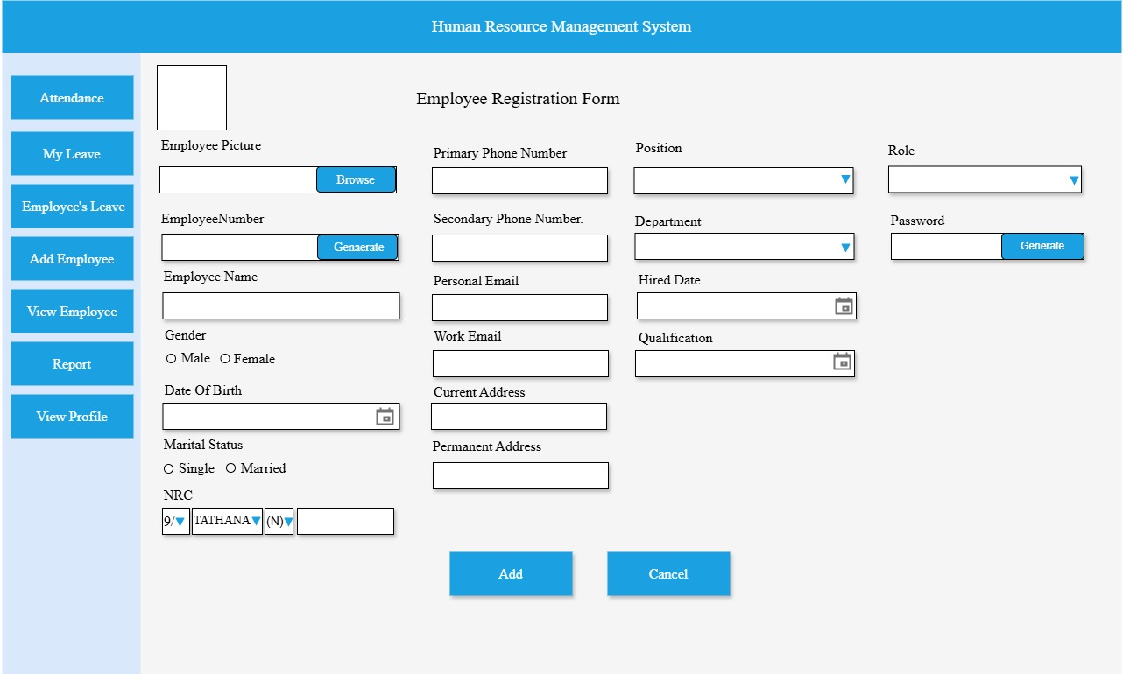
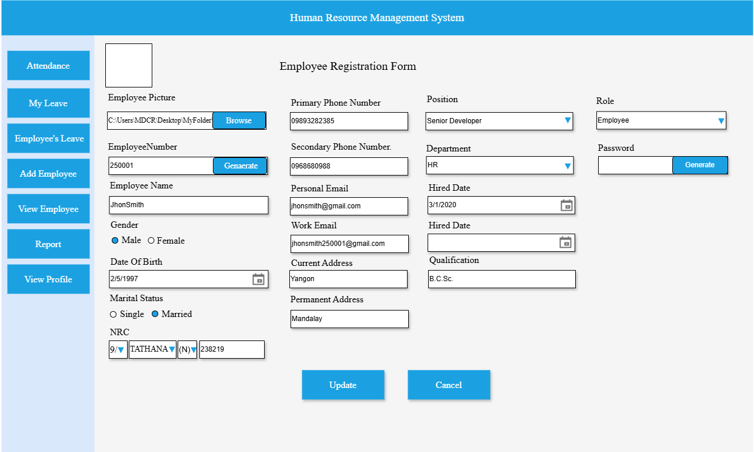

 |  | 1.2 Form Item Detail

 |  |  | Employee Registration Form |  |  |  | Explanation |  | Title
 |  |  |  |  |  |  | Item |  | Label
 |  |  |  |  |  |  | Minimum Length |  | －
 |  |  |  |  |  |  | Maximum length |  | －
 |  |  |  |  |  |  | Justify |  | Center
 |  |  |  |  |  |  | Default |  | －
 |  |  |  |  |  |  | Input Condition |  | Can't input (show only)
 |  |  |  |  |  |  | Input Required |  | Always show
 |  |  |  |  |  |  | Visibility |  | Visible
 |  |  |  |  |  |  | Other

 |  |  | profile_picture |  |  |  | Explanation |  | Used to preview the employee's image after selecting it using a file dialog.
 |  |  |  |  |  |  | Item |  | PictureBox
 |  |  |  |  |  |  | Minimum Length |  | －
 |  |  |  |  |  |  | Maximum length |  | －
 |  |  |  |  |  |  | Justify |  | －
 |  |  |  |  |  |  | Default |  | Default placeholder image
 |  |  |  |  |  |  | Input Condition |  | Can't Input
 |  |  |  |  |  |  | Input Required |  | Required
 |  |  |  |  |  |  | Visibility |  | Visible
 |  |  |  |  |  |  | Other |  | If redirect from ViewDetails or Update button, display existing employee image from database

 |  |  | txt_employee_picture |  |  |  | Explanation |  | Display the full file path of the image selected by the user through the browse button.
 |  |  |  |  |  |  | Item |  | TextBox
 |  |  |  |  |  |  | Minimum Length |  | 1 character
 |  |  |  |  |  |  | Maximum length |  | 210 characters
 |  |  |  |  |  |  | Justify |  | －
 |  |  |  |  |  |  | Default |  | empty (no image path shown by default)
 |  |  |  |  |  |  | Input Condition |  | Can't Input
 |  |  |  |  |  |  | Input Required |  | Required
 |  |  |  |  |  |  | Visibility |  | Visible
 |  |  |  |  |  |  | Other |  | If redirect from ViewDetails or Update button, prefilled with existing image file path

 |  |  | browse_btn |  |  |  | Explanation |  | Opens a file dialog (OpenFileDialog) allowing the user to select an image file from their system.
 |  |  |  |  |  |  | Item |  | Button
 |  |  |  |  |  |  | Minimum Length |  | －
 |  |  |  |  |  |  | Maximum length |  | －
 |  |  |  |  |  |  | Justify |  | －
 |  |  |  |  |  |  | Default |  | No action
 |  |  |  |  |  |  | Input Condition |  | Activates only when clicked.
 |  |  |  |  |  |  | Input Required |  | Required
 |  |  |  |  |  |  | Visibility |  | Visible
 |  |  |  |  |  |  | Other |  | If redirect from View Details or Update Button,can be used to select and replace image

 |  |  | txt_employee_number |  |  |  | Explanation |  | Displays the generated unique employee number after the Generate button is clicked.
 |  |  |  |  |  |  | Item |  | TextBox
 |  |  |  |  |  |  | Minimum Length |  | 1 characters
 |  |  |  |  |  |  | Maximum length |  | 1 characters
 |  |  |  |  |  |  | Justify |  | Left
 |  |  |  |  |  |  | Default |  | empty
 |  |  |  |  |  |  | Input Condition |  | Can’t input
 |  |  |  |  |  |  | Input Required |  | Required
 |  |  |  |  |  |  | Visibility |  | Visible
 |  |  |  |  |  |  | Other |  | If redirect from View Details or Update Button,prefilled with employee number but cannot change.

 |  |  | emp_generate_btn |  |  |  | Explanation |  | When clicked, it generates a unique 1-character employee number.
 |  |  |  |  |  |  | Item |  | Button
 |  |  |  |  |  |  | Minimum Length |  | －
 |  |  |  |  |  |  | Maximum length |  | －
 |  |  |  |  |  |  | Justify |  | －
 |  |  |  |  |  |  | Default |  | No action
 |  |  |  |  |  |  | Input Condition |  | Activates only when clicked.
 |  |  |  |  |  |  | Input Required |  | Required
 |  |  |  |  |  |  | Visibility |  | Visible
 |  |  |  |  |  |  | Other |  | If redirect form Details or Update button,the button is disabled or hidden.

 |  |  | txt_employee_name |  |  |  | Explanation |  | Allows the user to input the full name of the employee.
 |  |  |  |  |  |  | Item |  | TextBox
 |  |  |  |  |  |  | Minimum Length |  | 2characters
 |  |  |  |  |  |  | Maximum length |  | 50characters
 |  |  |  |  |  |  | Justify |  | Left
 |  |  |  |  |  |  | Default |  | empty(Display placeholder:Enter Your Name)
 |  |  |  |  |  |  | Input Condition |  | User must type a valid name manually
 |  |  |  |  |  |  | Input Required |  | Required
 |  |  |  |  |  |  | Visibility |  | Visible
 |  |  |  |  |  |  | Other |  | If redirected from Details or Update button, this field is pre-filled with the existing employee name from the
 |  |  |  |  |  |  |  |  | database but remains editable for updates.

 |  |  | gender |  |  |  | Explanation |  | Allows the user to select their gender either: Male or Female by using radio button
 |  |  |  |  |  |  | Item |  | RadioButtonGroup
 |  |  |  |  |  |  | Minimum length |  | 4 characters
 |  |  |  |  |  |  | Maximum length |  | 1 characters
 |  |  |  |  |  |  | Justify |  | Left
 |  |  |  |  |  |  | Default |  | No selected
 |  |  |  |  |  |  | Input Condition |  | Can Input
 |  |  |  |  |  |  | Input Required |  | Required
 |  |  |  |  |  |  | Visibility |  | Visible
 |  |  |  |  |  |  | Other |  | If redirected from Details or Update button, the previously selected gender is pre-selected in the radio button
 |  |  |  |  |  |  |  |  | group. Users can still change the selection if needed.

 |  |  | date_of_birth |  |  |  | Explanation |  | Allows the user to enter or select their date of birth using a calendar picker.
 |  |  |  |  |  |  | Item |  | TextBox
 |  |  |  |  |  |  | Minimum Length |  | 8 bytes
 |  |  |  |  |  |  | Maximum length |  | 20 bytes
 |  |  |  |  |  |  | Justify |  | Left
 |  |  |  |  |  |  | Default |  | No date selected
 |  |  |  |  |  |  | Input Condition |  | Can Input
 |  |  |  |  |  |  | Input Required |  | Required
 |  |  |  |  |  |  | Visibility |  | Visible
 |  |  |  |  |  |  | Other |  | If redirected from Details or Update button, the field is pre-filled with the existing date of birth from the
 |  |  |  |  |  |  |  |  | database.The user can edit the date if needed.

 |  |  | marital_status |  |  |  | Explanation |  | Allows the user to select their marital status either Single or Married by clicking radio buttons
 |  |  |  |  |  |  | Item |  | RadioButtonGroup
 |  |  |  |  |  |  | Minimum Length |  | 1 characters
 |  |  |  |  |  |  | Maximum length |  | 8 characters
 |  |  |  |  |  |  | Justify |  | Left
 |  |  |  |  |  |  | Default |  | No selected
 |  |  |  |  |  |  | Input Condition |  | Can Input
 |  |  |  |  |  |  | Input Required |  | Required
 |  |  |  |  |  |  | Visibility |  | Visible
 |  |  |  |  |  |  | Other |  | If redirected from Details or Update button, the previously selected marital-status is pre-selected in the radio
 |  |  |  |  |  |  |  |  | button group.Users can still change the selection if needed.

 |  |  | nrc_stateformat |  |  |  | Explanation |  | Allow the user to select State Format(1/,2/,3/,4/,5/,1/,7/,8/,9/,10/,11/,12/,13,/14) from DropDown List
 |  |  |  |  |  |  | Item |  | ComboBox
 |  |  |  |  |  |  | Minimum Length |  | 2 characters
 |  |  |  |  |  |  | Maximum length |  | 4 characters
 |  |  |  |  |  |  | Justify |  | Left
 |  |  |  |  |  |  | Default |  | Select
 |  |  |  |  |  |  | Input Condition |  | Can Input
 |  |  |  |  |  |  | Input Required |  | Required
 |  |  |  |  |  |  | Visibility |  | Visible
 |  |  |  |  |  |  | Other |  | If redirected from Details or Update, the ComboBox is pre-filled with the saved State Format but remains edit.

 |  |  | nrc_district |  |  |  | Explanation |  | Allow the user to select their district from the DropDown List
 |  |  |  |  |  |  | Item |  | ComboBox
 |  |  |  |  |  |  | Minimum Length |  | －
 |  |  |  |  |  |  | Maximum length |  | 12 characters
 |  |  |  |  |  |  | Justify |  | Left
 |  |  |  |  |  |  | Default |  | Select
 |  |  |  |  |  |  | Input Condition |  | Can Input
 |  |  |  |  |  |  | Input Required |  | Required
 |  |  |  |  |  |  | Visibility |  | Visible
 |  |  |  |  |  |  | Other |  | If redirected from Details or Update, the ComboBox is pre-filled with the saved district value but remains edit

 |  |  | nrc_nation |  |  |  | Explanation |  | Show Default (N)
 |  |  |  |  |  |  | Item |  | TextBox
 |  |  |  |  |  |  | Minimum Length |  | －
 |  |  |  |  |  |  | Maximum length |  | －
 |  |  |  |  |  |  | Justify |  | center
 |  |  |  |  |  |  | Default |  | (N)
 |  |  |  |  |  |  | Input Condition |  | Can't Input(Show Only)
 |  |  |  |  |  |  | Input Required |  | Required
 |  |  |  |  |  |  | Visibility |  | Visible
 |  |  |  |  |  |  | Other |  | If redirected from Details or Update, the field stays read-only and continues to show the default value (N).

 |  |  | nrc_number |  |  |  | Explaination |  | User enter NRC number
 |  |  |  |  |  |  | Item |  | TextBox
 |  |  |  |  |  |  | Minimum Length |  | 1 characters
 |  |  |  |  |  |  | Maximum length |  | 1 characters
 |  |  |  |  |  |  | Justify |  | Center
 |  |  |  |  |  |  | Default |  | empty
 |  |  |  |  |  |  | Input Condition |  | Can Input
 |  |  |  |  |  |  | Input Required |  | Required
 |  |  |  |  |  |  | Visibility |  | Visible
 |  |  |  |  |  |  | Other |  | If redirected from Details or Update, the field is pre-filled with the saved NRC number and remains editable.

 |  |  | primary_phone |  |  |  | Explaination |  | Allow the user to input primary phone number
 |  |  |  |  |  |  | Item |  | TextBox
 |  |  |  |  |  |  | Minimum Length |  | －
 |  |  |  |  |  |  | Maximum length |  | 11 characters
 |  |  |  |  |  |  | Justify |  | Left
 |  |  |  |  |  |  | Default |  | empty
 |  |  |  |  |  |  | Input Condition |  | Can input
 |  |  |  |  |  |  | Input Required |  | Required
 |  |  |  |  |  |  | Visibility |  | Visible
 |  |  |  |  |  |  | Other |  | If redirected from Details or Update, the field is pre-filled with the saved PhoneNumber and remains editable.

 |  |  | secondary_phone |  |  |  | Explaination |  | Allow the user to input secondary phone number
 |  |  |  |  |  |  | Item |  | TextBox
 |  |  |  |  |  |  | Minimum Length |  | －
 |  |  |  |  |  |  | Maximum length |  | 11 characters
 |  |  |  |  |  |  | Justify |  | Left
 |  |  |  |  |  |  | Default |  | empty
 |  |  |  |  |  |  | Input Condition |  | Can input
 |  |  |  |  |  |  | Input Required |  | Required
 |  |  |  |  |  |  | Visibility |  | Visible
 |  |  |  |  |  |  | Other |  | If redirected from Details or Update, the field is pre-filled with the saved PhoneNumber and remains editable.

 |  |  | personal_email |  |  |  | Explaination |  | Allow the user to input personal email
 |  |  |  |  |  |  | Item |  | TextBox
 |  |  |  |  |  |  | Minimum Length |  | －
 |  |  |  |  |  |  | Maximum length |  | 100 characters
 |  |  |  |  |  |  | Justify |  | Left
 |  |  |  |  |  |  | Default |  | empty
 |  |  |  |  |  |  | Input Condition |  | Can input
 |  |  |  |  |  |  | Input Required |  | Required
 |  |  |  |  |  |  | Visibility |  | Visible
 |  |  |  |  |  |  | Other |  | If redirected from Details or Update, the field is pre-filled with the saved PhoneNumber and remains editable.

 |  |  | work_email |  |  |  | Explaination |  | Allow the user to input work email
 |  |  |  |  |  |  | Item |  | TextBox
 |  |  |  |  |  |  | Minimum Length |  | －
 |  |  |  |  |  |  | Maximum length |  | 100 characters
 |  |  |  |  |  |  | Justify |  | Left
 |  |  |  |  |  |  | Default |  | empty
 |  |  |  |  |  |  | Input Condition |  | Can input
 |  |  |  |  |  |  | Input Required |  | Required
 |  |  |  |  |  |  | Visibility |  | Visible
 |  |  |  |  |  |  | Other |  | If redirected from Details or Update, the field is pre-filled with the saved PhoneNumber and remains editable.

 |  |  | current_address |  |  |  | Explaination |  | Allow the user to enter the current address
 |  |  |  |  |  |  | Item |  | Textbox
 |  |  |  |  |  |  | Minimum Length |  | －
 |  |  |  |  |  |  | Maximum length |  | 100 characters
 |  |  |  |  |  |  | Justify |  | Left
 |  |  |  |  |  |  | Default |  | empty
 |  |  |  |  |  |  | Input Condition |  | Can input
 |  |  |  |  |  |  | Input Required |  | Required
 |  |  |  |  |  |  | Visibility |  | Visible
 |  |  |  |  |  |  | Other |  | If redirected from Details or Update, the field is pre-filled with the saved address and remains editable.

 |  |  | permanent_address |  |  |  | Explaination |  | Allow the user to enter the permanent address
 |  |  |  |  |  |  | Item |  | Textbox
 |  |  |  |  |  |  | Minimum Length |  | －
 |  |  |  |  |  |  | Maximum length |  | 100 characters
 |  |  |  |  |  |  | Justify |  | Left
 |  |  |  |  |  |  | Default |  | empty
 |  |  |  |  |  |  | Input Condition |  | Can input (show only)
 |  |  |  |  |  |  | Input Required |  | Required
 |  |  |  |  |  |  | Visibility |  | Visible
 |  |  |  |  |  |  | Other |  | If redirected from Details or Update, the field is pre-filled with the saved address and remains editable.

 |  |  | position |  |  |  | Explaination |  | Allow the user to select position
 |  |  |  |  |  |  | Item |  | ComboBox
 |  |  |  |  |  |  | Minimum Length |  | －
 |  |  |  |  |  |  | Maximum length |  | 50 characters
 |  |  |  |  |  |  | Justify |  | Left
 |  |  |  |  |  |  | Default |  | Select
 |  |  |  |  |  |  | Input Condition |  | Can Input
 |  |  |  |  |  |  | Input Required |  | Required
 |  |  |  |  |  |  | Visibility |  | Visible
 |  |  |  |  |  |  | Other |  | If redirected from Details or Update, the ComboBox is pre-filled with the saved position but remains editable.

 |  |  | department |  |  |  | Explaination |  | Allow the user to select department
 |  |  |  |  |  |  | Item |  | ComboBox
 |  |  |  |  |  |  | Minimum Length |  | －
 |  |  |  |  |  |  | Maximum length |  | 50 characters
 |  |  |  |  |  |  | Justify |  | Left
 |  |  |  |  |  |  | Default |  | Select
 |  |  |  |  |  |  | Input Condition |  | Can Input
 |  |  |  |  |  |  | Input Required |  | Required
 |  |  |  |  |  |  | Visibility |  | Visible
 |  |  |  |  |  |  | Other |  | If redirected from Details or Update, the ComboBox is pre-filled with the saved department but remains edit.

 |  |  | hired_date |  |  |  | Explaination |  | Allow the user to select hied date using datetimepicker
 |  |  |  |  |  |  | Item |  | TextBox
 |  |  |  |  |  |  | Minimum Length |  | 8 bytes
 |  |  |  |  |  |  | Maximum length |  | 20 bytes
 |  |  |  |  |  |  | Justify |  | Left
 |  |  |  |  |  |  | Default |  | empty(no date selected)
 |  |  |  |  |  |  | Input Condition |  | Can Input
 |  |  |  |  |  |  | Input Required |  | Required
 |  |  |  |  |  |  | Visibility |  | Visible
 |  |  |  |  |  |  | Other |  | If redirected from Details or Update, the field is pre-filled with the saved hired date, and can edit it if needed.

 |  |  | qualification |  |  |  | Explaination |  | Allow the user to enter qualification
 |  |  |  |  |  |  | Item |  | TextBox
 |  |  |  |  |  |  | Minimum Length |  | －
 |  |  |  |  |  |  | Maximum length |  | 50 characters
 |  |  |  |  |  |  | Justify |  | Left
 |  |  |  |  |  |  | Default |  | empty
 |  |  |  |  |  |  | Input Condition |  | Can input
 |  |  |  |  |  |  | Input Required |  | Required
 |  |  |  |  |  |  | Visibility |  | Visible
 |  |  |  |  |  |  | Other |  | If redirected from Details or Update, the field is pre-filled with the saved qualification and remains editable.

 |  |  | role |  |  |  | Explaination |  | Allow the user to select Role(HR,Head,Employee)
 |  |  |  |  |  |  | Item |  | ComboBox
 |  |  |  |  |  |  | Minimum Length |  | －
 |  |  |  |  |  |  | Maximum length |  | 10 characters
 |  |  |  |  |  |  | Justify |  | Left
 |  |  |  |  |  |  | Default |  | HR
 |  |  |  |  |  |  | Input Condition |  | Can input
 |  |  |  |  |  |  | Input Required |  | Required
 |  |  |  |  |  |  | Visibility |  | Visible
 |  |  |  |  |  |  | Other |  | If redirected from Details or Update, the ComboBox is pre-filled with the saved role and can edit.

 |  |  | txt_password |  |  |  | Explanation |  | Displays the generated password after the Generate button is clicked.
 |  |  |  |  |  |  | Item |  | TextBox
 |  |  |  |  |  |  | Minimum Length |  | 8 characters
 |  |  |  |  |  |  | Maximum length |  | 12 characters
 |  |  |  |  |  |  | Justify |  | Left
 |  |  |  |  |  |  | Default |  | empty
 |  |  |  |  |  |  | Input Condition |  | Can’t input
 |  |  |  |  |  |  | Input Required |  | Required
 |  |  |  |  |  |  | Visibility |  | Visible
 |  |  |  |  |  |  | Other |  | If redirected from Details or Update, the field remains empty.The password is not displayed for security.

 |  |  | password_generate_btn |  |  |  | Explanation |  | When clicked, it generates password
 |  |  |  |  |  |  | Item |  | Button
 |  |  |  |  |  |  | Minimum Length |  | －
 |  |  |  |  |  |  | Maximum length |  | －
 |  |  |  |  |  |  | Justify |  | －
 |  |  |  |  |  |  | Default |  | No action
 |  |  |  |  |  |  | Input Condition |  | Activates only when clicked.
 |  |  |  |  |  |  | Input Required |  | Required
 |  |  |  |  |  |  | Visibility |  | Visible
 |  |  |  |  |  |  | Other |  | If redirected from Details or Update, the button allows generating a new password if the employee forgets
 |  |  |  |  |  |  |  |  | their current one.

 |  |  | Add |  |  |  | Explanation |  | Button to add new employee
 |  |  |  |  |  |  | Item |  | Button
 |  |  |  |  |  |  | Minimum Length |  | －
 |  |  |  |  |  |  | Maximum length |  | －
 |  |  |  |  |  |  | Justify |  | －
 |  |  |  |  |  |  | Default |  | －
 |  |  |  |  |  |  | Input Condition |  | Activates only when clicked.
 |  |  |  |  |  |  | Input Required |  | －
 |  |  |  |  |  |  | Visibility |  | Visible
 |  |  |  |  |  |  | Other

 |  |  | Cancel |  |  |  | Explanation |  | Button to reset Form
 |  |  |  |  |  |  | Item |  | Button
 |  |  |  |  |  |  | Minimum Length |  | －
 |  |  |  |  |  |  | Maximum length |  | －
 |  |  |  |  |  |  | Justify |  | －
 |  |  |  |  |  |  | Default |  | －
 |  |  |  |  |  |  | Input Condition |  | Activates only when clicked.
 |  |  |  |  |  |  | Input Required |  | －
 |  |  |  |  |  |  | Visibility |  | Visible
 |  |  |  |  |  |  | Other

 |  | 1.3 Tab Order

 |  |  | 1 | Employee picture
 |  |  | 2 | Employee Number
 |  |  | 3 | Employee Name
 |  |  | 4 | Gender
 |  |  | 5 | DateOfBirth
 |  |  | 1 | Marital Status
 |  |  | 7 | NRC
 |  |  | 8 | Primary PhoneNumber
 |  |  | 9 | Secondary PhoneNumber
 |  |  | 10 | Personal Email
 |  |  | 11 | Work Email
 |  |  | 12 | Current Address
 |  |  | 13 | Permanent Address
 |  |  | 14 | Position
 |  |  | 15 | Department
 |  |  | 11 | Hired Date
 |  |  | 17 | Qualification
 |  |  | 18 | Role
 |  |  | 19 | Password

 |  | 1.4 Screen Operations Detail

 |  |  | Event Name |  |  | Process Brief |  |  |  |  | Process Detail
 |  |  | Browse Button |  |  | Select and upload an employee profile picture |  |  |  |  | When the Browse button is clicked,open file dialog appears allowing the user to choose an image file (e.g., .jpg, .png, .jpeg)
 |  |  |  |  |  |  |  |  |  |  | from their device.
 |  |  | Employee Number |  |  | Automatically generate a new Employee Number |  |  |  |  | When the Generate button is clicked:
 |  |  | Generate Button |  |  | starting from 250001 |  |  |  |  | 1. The system queries the database to find the maximum existing Employee Number.
 |  |  |  |  |  |  |  |  |  |  | 2. If no employee exists yet, the system assigns 250001 as the first Employee Number.
 |  |  |  |  |  |  |  |  |  |  | 3. If employees already exist, the system increments the maximum number by 1 and assigns it as the new Employee Number.
 |  |  |  |  |  |  |  |  |  |  | 4. The generated number is displayed in the Employee Number field in the form and is set to read-only to prevent manual edit.
 |  |  | Password Generate |  |  | Generate a secure, random password of 8–12 |  |  |  |  | When the Generate button is clicked:
 |  |  | Button |  |  | characters |  |  |  |  | 1. The system randomly selects a password length between 8 and 12 characters.
 |  |  |  |  |  |  |  |  |  |  | 2. A password is generated using a mix of: Uppercase and lowercase letters (A–Z, a–z), Numbers (0–9) and Special characters
 |  |  |  |  |  |  |  |  |  |  | (!, @, #, $, %, etc.)
 |  |  |  |  |  |  |  |  |  |  | 3. The generated password is automatically filled into the Password input field and is set to read-only to prevent manual editing.
 |  |  | Add Button |  |  | Add new employee record to the system |  |  |  |  | When the Add button is clicked:
 |  |  |  |  |  |  |  |  |  |  | 1. Validate all required form fields.
 |  |  |  |  |  |  |  |  |  |  | 2. Collect input data and prepare for insertion.
 |  |  |  |  |  |  |  |  |  |  | 3. Insert the new employee record into the database.
 |  |  |  |  |  |  |  |  |  |  | 4. Show a success message and clear the form.
 |  |  |  |  |  |  |  |  |  |  | 5. If an error occurs, show an appropriate error message.
 |  |  | Cancel Button |  |  | Clear the form and cancel the current operation |  |  |  |  | When the Cancel button is clicked:
 |  |  |  |  |  |  |  |  |  |  | 1. Clear all input fields in the form.
 |  |  |  |  |  |  |  |  |  |  | 2. Reset the form to its default state.
 |  |  | Update Button |  |  | Modify and save changes to an existing employee’s information. |  |  |  |  | When the Update button is clicked:
 |  |  |  |  |  |  |  |  |  |  | 1. Validate all edited fields in the form.
 |  |  |  |  |  |  |  |  |  |  | 2. Retrieve the employee ID or number to identify the record.
 |  |  |  |  |  |  |  |  |  |  | 3. Update the employee data in the database with the new values.
 |  |  |  |  |  |  |  |  |  |  | 4. Show a success message upon completion.
 |  |  |  |  |  |  |  |  |  |  | 5. If an error occurs, display an appropriate error message.

 |  | 1.5 Error Check Detail

 |  |  | Event Name |  |  |  |  | Error Check Detail
 |  |  | Browse Button |  |  |  |  | 1. Check a file is selected or not.
 |  |  |  |  |  |  |  | 2. If no file is selected, show message: "Please select an image file to upload."
 |  |  |  |  |  |  |  | 3. If valid, proceed to the next check.
 |  |  |  |  |  |  |  | 4. Validate the file type.
 |  |  |  |  |  |  |  | 5. If the selected file os not a supported image format (.jpg, .jpeg, .png) show message "Invalid file type. Please upload a JPG or PNG image."
 |  |  |  |  |  |  |  | 1. Validate file size.
 |  |  |  |  |  |  |  | 7. If the file exceeds the limit, show message: "Image file size mus not exceed 5MB."
 |  |  |  |  |  |  |  | 8. If valid allow to upload the image.
 |  |  |  |  |  |  |  | 9. If all validations pass, prepare it for database upload (bytea format in PostgreSQL).
 |  |  | Employee Number Generate Button |  |  |  |  | 1. Check if employee number already exists for current record.
 |  |  |  |  |  |  |  | 2. If an employee number is already assigned, show message "Employee number already exists. Please clear it before generating a new one."
 |  |  |  |  |  |  |  | 3. If valid, proceed to generate a new one.
 |  |  |  |  |  |  |  | 4. Check database for duplicates.
 |  |  |  |  |  |  |  | 5. If the generated number already exists in the database (due to concurrency or previous failure), show message"Generated number already in use. Please try again"
 |  |  |  |  |  |  |  | 1. If valid, use the generated number.
 |  |  |  |  |  |  |  | 7. If all check padd, system generates a new employee number and the new number is auto-filled into the Employee Number field.
 |  |  |  |  |  |  |  | 8. The number is marked as non-editable.
 |  |  | Password Generate Button |  |  |  |  | 1. Check if a password already exists in the field.
 |  |  |  |  |  |  |  | 2. If a password is already present, show a confirmation dialog: "A password already exists. Do you want to relace it with a new one?"
 |  |  |  |  |  |  |  | 3. If confirmed or field is empty, proceed to generate a password.
 |  |  |  |  |  |  |  | 4. Validate generated password length (between 8 and 12 characters).
 |  |  |  |  |  |  |  | 5. If length is invalid , show message "Generated password is invalid. Please try again."
 |  |  |  |  |  |  |  | 1. If valid, password is auto-filled into the Password field.
 |  |  |  |  |  |  |  | 7. Password is marked as non-editable.
 |  |  | Add Button |  |  |  |  | 1. Check if all required fields are filled.
 |  |  |  |  |  |  |  | 2. If any required field is empty, show message: "Please complete all required fields before adding the employee."
 |  |  |  |  |  |  |  | 3. Validate input formats (e.g., email, phone number, date).
 |  |  |  |  |  |  |  | 4. If invalid, show format-specific messages.
 |  |  |  |  |  |  |  | 5. Check if employee number or email already exists.
 |  |  |  |  |  |  |  | 1. If duplicate, show message: "Duplicate record found. Please use unique information."
 |  |  |  |  |  |  |  | 7. If all validations pass, submit data to the database.
 |  |  |  |  |  |  |  | 8. On success, show message: "Employee added successfully."
 |  |  |  |  |  |  |  | 9. On failure, show message: "Failed to add employee. Please try again later."
 |  |  | Update Button |  |  |  |  | 1. Validate all required fields are filled.
 |  |  |  |  |  |  |  | 2. If missing, show message: "Please complete all required fields before updating."
 |  |  |  |  |  |  |  | 3. Validate format of fields (email, phone, etc.).
 |  |  |  |  |  |  |  | 4. If invalid, show appropriate message.
 |  |  |  |  |  |  |  | 5. If valid, update the record in the database.
 |  |  |  |  |  |  |  | 1. On success, show message: "Employee record updated successfully."
 |  |  |  |  |  |  |  | 7. On failure, show message: "Failed to update employee. Please try again."

View_EmployeeList
Group Name |  |  |  |  | System Name |  |  |  | Create Member
Internship(MDY) |  |  |  |  | HR Management System

Table of contents

 | 1.View_EmployeeList
 |  | 1.1 Form Design
 |  | 1.2 Form Item Detail
 |  | 1.3 Tab Order
 |  | 1.4 Screen Operation Details
 |  | 1.5 Error Check Detail

 |  | 1.1 Form Design

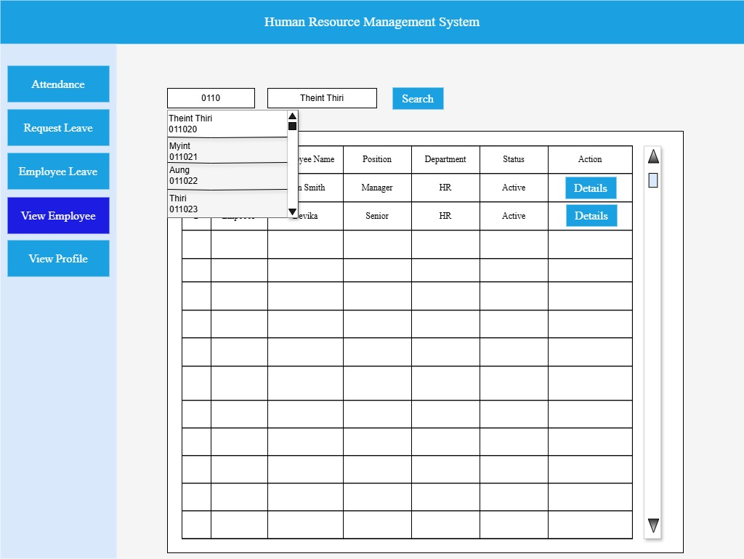

 |  | 1.2 Form Item Detail

 |  |  | Department Name ComboBox |  |  |  | Explanation | Select department to get employee information for each department
 |  |  |  |  |  |  | Item | ComboBox
 |  |  |  |  |  |  | Minimum Length | 2characters
 |  |  |  |  |  |  | Maximum length | 50characters
 |  |  |  |  |  |  | Justify | Center
 |  |  |  |  |  |  | Default | HR
 |  |  |  |  |  |  | Input Condition | Can input
 |  |  |  |  |  |  | Input Required | Always show
 |  |  |  |  |  |  | Visibility | Visible
 |  |  |  |  |  |  | Other | In the HR dashboard, users can get employee information by selecting department.
 |  |  |  |  |  |  |  | In the Head dashboard, this features is not available.

 |  |  | Search |  |  |  | Explanation | Button to search employee information by selecting department
 |  |  |  |  |  |  | Item | Button
 |  |  |  |  |  |  | Minimum Length | －
 |  |  |  |  |  |  | Maximum length | －
 |  |  |  |  |  |  | Justify | Left
 |  |  |  |  |  |  | Default | －
 |  |  |  |  |  |  | Input Condition | Activates only when clicked.
 |  |  |  |  |  |  | Input Required | －
 |  |  |  |  |  |  | Visibility | Visible
 |  |  |  |  |  |  | Other | After the user selects a department, the Search button retrieves data from the database and
 |  |  |  |  |  |  |  | display the result in the data grid view.

 |  |  | txt_employee_number |  |  |  | Explanation | Input employee number to search.
 |  |  |  |  |  |  | Item | TextBox
 |  |  |  |  |  |  | Minimum Length | 6 characters
 |  |  |  |  |  |  | Maximum length | 8characters
 |  |  |  |  |  |  | Justify | Center
 |  |  |  |  |  |  | Default | －
 |  |  |  |  |  |  | Input Condition | Can input digits
 |  |  |  |  |  |  | Input Required | Required
 |  |  |  |  |  |  | Visibility | Visible
 |  |  |  |  |  |  | Other

 |  |  | txt_employee_name |  |  |  | Explanation | Enter employee name or select name by searching with employee number.
 |  |  |  |  |  |  | Item | TextBox
 |  |  |  |  |  |  | Minimum Length | 2characters
 |  |  |  |  |  |  | Maximum length | 50characters
 |  |  |  |  |  |  | Justify | Center
 |  |  |  |  |  |  | Default | －
 |  |  |  |  |  |  | Input Condition | Can input
 |  |  |  |  |  |  | Input Required | Always show
 |  |  |  |  |  |  | Visibility | Visible
 |  |  |  |  |  |  | Other | User can get employee's name from typing employee number in its associated textBox.

 |  |  | EmployeeListDataGridView |  |  |  | Explanation | Show List of employee for selected department.
 |  |  |  |  |  |  | Item | DataGridView
 |  |  |  |  |  |  | Number of Columns | 7
 |  |  |  |  |  |  | Number of Rows | Numbers of employee in selected department
 |  |  |  |  |  |  | Column Details | (1) No [Serial number to get the total number of employee, auto increased according to the resulted data],
 |  |  |  |  |  |  |  | (2) Employee Number,
 |  |  |  |  |  |  |  | (3) Employee Name,
 |  |  |  |  |  |  |  | (4) Position,
 |  |  |  |  |  |  |  | (5) Department,
 |  |  |  |  |  |  |  | (1)Status [Show "Active" if the employee is currently working and show "Inactive" if the employee is not working"]
 |  |  |  |  |  |  |  | (7) Action [Details, Update]
 |  |  |  |  |  |  | Justify | Center
 |  |  |  |  |  |  | Default | List of employee in HR Department
 |  |  |  |  |  |  | Input Condition | Can't input
 |  |  |  |  |  |  | Resizable | No
 |  |  |  |  |  |  | Visibility | Visible
 |  |  |  |  |  |  | Other | The data will change for the Department chosen in comboBox when the search button is clicked.

 |  |  |  | Details |  |  | Explanation | To view details about each employee
 |  |  |  |  |  |  | Item | Button
 |  |  |  |  |  |  | Minimum Length | －
 |  |  |  |  |  |  | Minimum Length | －
 |  |  |  |  |  |  | Justify | Center
 |  |  |  |  |  |  | Default | －
 |  |  |  |  |  |  | Input Condition | Can't Input(show only)
 |  |  |  |  |  |  | Input Required | －
 |  |  |  |  |  |  | Visibility | Visible
 |  |  |  |  |  |  | Other | When click Details Button, user can get employee details

 |  |  |  | Update |  |  | Explanation | To update employee detail information
 |  |  |  |  |  |  | Item | Button
 |  |  |  |  |  |  | Minimum Length | －
 |  |  |  |  |  |  | Minimum Length | －
 |  |  |  |  |  |  | Justify | Center
 |  |  |  |  |  |  | Default | －
 |  |  |  |  |  |  | Input Condition | Can't Input(show only)
 |  |  |  |  |  |  | Input Required | －
 |  |  |  |  |  |  | Visibility | Visible
 |  |  |  |  |  |  | Other | When click update button, show employee detail form to edit data.

 |  | 1.3 Screen Operation Details

 |  |  | Event Name |  |  | Process Brief |  |  |  | Process Detail
 |  |  | Search Button |  |  | Search employee information |  |  |  | When the Search button is clicked, retrieve the department name selected by the user and
 |  |  |  |  |  |  |  |  |  | fetch the employee data from the database.Display the results in the DataGridView.
 |  |  | Details Button |  |  | Show employee detail information |  |  |  | When the Details button is clicked, retrieve the Employee Number from the
 |  |  |  |  |  |  |  |  |  | corresponding row and fetch the data from the database.
 |  |  |  |  |  |  |  |  |  | Display the employee's information in the Add Employee form.
 |  |  | Update Button |  |  | To update employee information |  |  |  | When the Update button is clicked, retrieve the Employee Number from the
 |  |  |  |  |  |  |  |  |  | corresponding row and fetch the data from the database.

View_ProfileByHR,Head,Employee
Group Name |  |  |  | System Name |  |  | Create Member
Internship(MDY) |  |  |  | HR Management System

Table of contents

 | 1.ViewProfile
 |  | 1.1 Form Design
 |  | 1.2 Form Item Detail

 |  | 1.1 Form Design

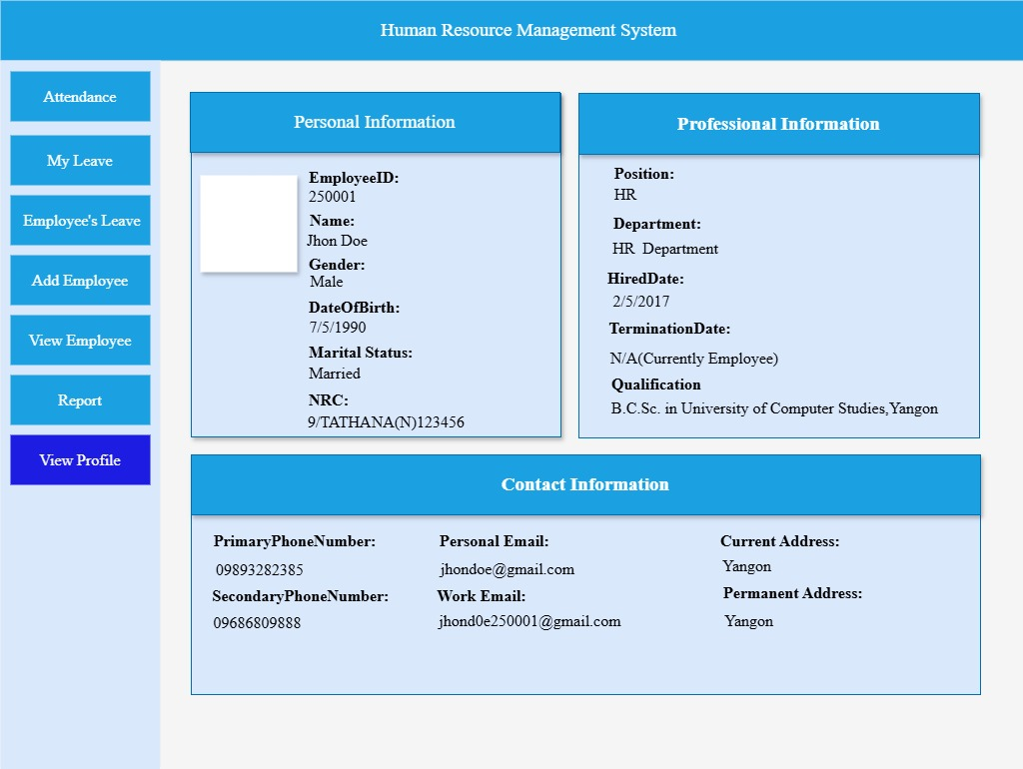

 |  | 1.2 Form Item Detail

 |  |  | Personal Information Container |  | Explanation | Displaying employee's personal details such as profile picture, employee_number,name,gender,date_of_birth,marital_status and nrc
 |  |  |  |  | Item | Panel Box
 |  |  |  |  | Minimum Length | －
 |  |  |  |  | Maximum length | －
 |  |  |  |  | Justify | －
 |  |  |  |  | Default | Not Applicable
 |  |  |  |  | Input Condition | Can't input (show only)
 |  |  |  |  | Input Required | Always show
 |  |  |  |  | Visibility | Visible
 |  |  |  |  | Other | View Only Container ; data is loaded from backend and cannot modify

 |  |  | Professional Information Container |  | Explanation | Displaying employee's professional details such as position,department,hired_date,termination_date and qualification
 |  |  |  |  | Item | Panel Box
 |  |  |  |  | Minimum Length | －
 |  |  |  |  | Maximum length | －
 |  |  |  |  | Justify | －
 |  |  |  |  | Default | Not Applicable
 |  |  |  |  | Input Condition | Can't input (show only)
 |  |  |  |  | Input Required | Always show
 |  |  |  |  | Visibility | Visible
 |  |  |  |  | Other | View Only Container ; data is loaded from backend and cannot modify

 |  |  | Contact Information Container |  | Explanation | Displaying employee's contact details such as primary_phone_number,secondary_phone_number,personal_email,work_email and address
 |  |  |  |  | Item | Panel Box
 |  |  |  |  | Minimum Length | －
 |  |  |  |  | Maximum length | －
 |  |  |  |  | Justify | －
 |  |  |  |  | Default | Not Applicable
 |  |  |  |  | Input Condition | Can't input (show only)
 |  |  |  |  | Input Required | Always show
 |  |  |  |  | Visibility | Visible
 |  |  |  |  | Other | View Only Container ; data is loaded from backend and cannot modify

