Employee Dashboard
Group Name |  |  |  | System Name |  |  | Create Member
Internship(MDY) |  |  |  | HR Management System

Table of contents

 | 6.Employee View Profile
 |  | 6.1 Form Design
 |  | 6.2 Form Item Detail
 |  | 6.3 Tab Order
 |  | 6.4 Screen Operation Details
 |  | 6.5 Error Check Detail

 |  | 6.1 Form Design
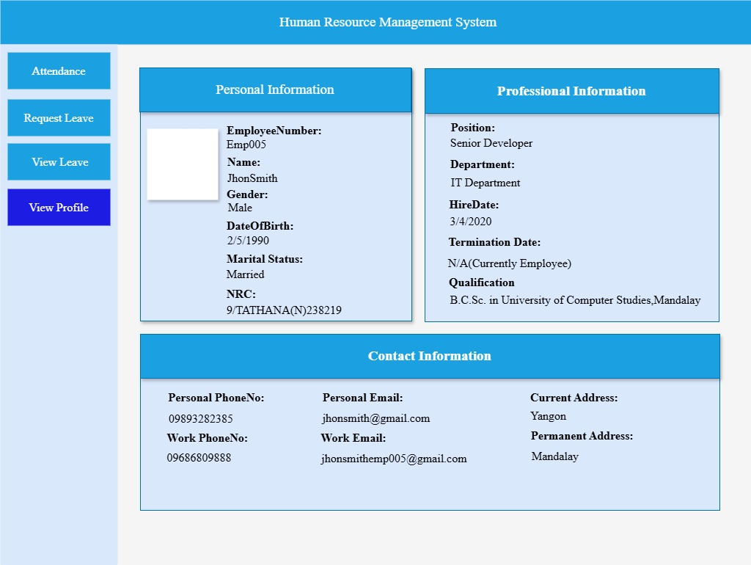

 |  | 6.2 Form Item Detail

 |  |  | Personal Information |  | Explanation | Personal Information Title
 |  |  |  |  | Item | Label
 |  |  |  |  | Minimum Length | －
 |  |  |  |  | Maximum length | －
 |  |  |  |  | Justify | Center
 |  |  |  |  | Default | －
 |  |  |  |  | Input Condition | Can't input (show only)
 |  |  |  |  | Input Required | Always show
 |  |  |  |  | Visibility | Visible
 |  |  |  |  | Other

 |  |  | Image |  | Explanation | Profile Picture
 |  |  |  |  | Item | pictureBox
 |  |  |  |  | Minimum Length | 500 bytes
 |  |  |  |  | Maximum length | 2,097,152 bytes
 |  |  |  |  | Justify | -
 |  |  |  |  | Default | Profile Picture
 |  |  |  |  | Input Condition | Can't input (show only)
 |  |  |  |  | Input Required | Always show
 |  |  |  |  | Visibility | Visible
 |  |  |  |  | Other

 |  |  | EmployeeNumber |  | Explanation | Label For EmployeeNumber
 |  |  |  |  | Item | Label
 |  |  |  |  | Minimum Length | －
 |  |  |  |  | Maximum length | －
 |  |  |  |  | Justify | Left
 |  |  |  |  | Default | －
 |  |  |  |  | Input Condition | Can't input (show only)
 |  |  |  |  | Input Required | Always show
 |  |  |  |  | Visibility | Visible
 |  |  |  |  | Other | Show Label For Current EmployeeID

 |  |  | employee_number |  | Explanation | Value For EmployeeNumber
 |  |  |  |  | Item | Label
 |  |  |  |  | Minimum Length | 8 byte
 |  |  |  |  | Maximum length | 12byte
 |  |  |  |  | Justify | Left
 |  |  |  |  | Default | Show Employee's Number
 |  |  |  |  | Input Condition | Can't input (show only)
 |  |  |  |  | Input Required | Always show
 |  |  |  |  | Visibility | Visible
 |  |  |  |  | Other

 |  |  | Name |  | Explanation | Label For Employee Name
 |  |  |  |  | Item | Label
 |  |  |  |  | Minimum Length | －
 |  |  |  |  | Maximum length | －
 |  |  |  |  | Justify | Left
 |  |  |  |  | Default | －
 |  |  |  |  | Input Condition | Can't input (show only)
 |  |  |  |  | Input Required | Always show
 |  |  |  |  | Visibility | Visible
 |  |  |  |  | Other

 |  |  | employee_name |  | Explanation | Value For EmployeeName
 |  |  |  |  | Item | Label
 |  |  |  |  | Minimum Length | 4byte
 |  |  |  |  | Maximum length | 30byte
 |  |  |  |  | Justify | Left
 |  |  |  |  | Default | Show Cureent Employee Name
 |  |  |  |  | Input Condition | Can't input (show only)
 |  |  |  |  | Input Required | Always show
 |  |  |  |  | Visibility | Visible
 |  |  |  |  | Other | Show personal Information

 |  |  | Gender |  | Explanation | Label for Gender
 |  |  |  |  | Item | Label
 |  |  |  |  | Minimum Length | －
 |  |  |  |  | Maximum length | －
 |  |  |  |  | Justify | Left
 |  |  |  |  | Default | －
 |  |  |  |  | Input Condition | Can't input (show only)
 |  |  |  |  | Input Required | Always show
 |  |  |  |  | Visibility | Visible
 |  |  |  |  | Other

 |  |  | employee_gender |  | Explanation | Value For Gender
 |  |  |  |  | Item | Label
 |  |  |  |  | Minimum Length | 8 bytes
 |  |  |  |  | Maximum length | 12 bytes
 |  |  |  |  | Justify | Left
 |  |  |  |  | Default | Show Selected Gender
 |  |  |  |  | Input Condition | Can't input (show only)
 |  |  |  |  | Input Required | Always show
 |  |  |  |  | Visibility | Visible
 |  |  |  |  | Other | Value of Gender may be Male or Female

 |  |  | DateOfBrith |  | Explanation | Label for DateOfBirth
 |  |  |  |  | Item | Label
 |  |  |  |  | Minimum Length | －
 |  |  |  |  | Maximum length | －
 |  |  |  |  | Justify | Left
 |  |  |  |  | Default | －
 |  |  |  |  | Input Condition | Can't input (show only)
 |  |  |  |  | Input Required | Always show
 |  |  |  |  | Visibility | Visible
 |  |  |  |  | Other

 |  |  | date_of_birth |  | Explanation | Value For DateOfBirth
 |  |  |  |  | Item | Label
 |  |  |  |  | Minimum Length | 10bytes
 |  |  |  |  | Maximum length | 10bytes
 |  |  |  |  | Justify | Left
 |  |  |  |  | Default | Show Selected DateOfBirth
 |  |  |  |  | Input Condition | Can't input (show only)
 |  |  |  |  | Input Required | Always show
 |  |  |  |  | Visibility | Visible
 |  |  |  |  | Other

 |  |  | Marital Status |  | Explanation | Label for Marital Status
 |  |  |  |  | Item | Label
 |  |  |  |  | Minimum Length | －
 |  |  |  |  | Maximum length | －
 |  |  |  |  | Justify | Left
 |  |  |  |  | Default | －
 |  |  |  |  | Input Condition | Can't input (show only)
 |  |  |  |  | Input Required | Always show
 |  |  |  |  | Visibility | Visible
 |  |  |  |  | Other

 |  |  | marital_status |  | Explanation | Value For Marital Status
 |  |  |  |  | Item | Label
 |  |  |  |  | Minimum Length | 6 bytes
 |  |  |  |  | Maximum length | 9 bytes
 |  |  |  |  | Justify | Left
 |  |  |  |  | Default | Show Selected Marital Status
 |  |  |  |  | Input Condition | Can't input (show only)
 |  |  |  |  | Input Required | Always show
 |  |  |  |  | Visibility | Visible
 |  |  |  |  | Other | Marital Status may be Single or Married

 |  |  | NRC |  | Explanation | Label for NRC number
 |  |  |  |  | Item | Label
 |  |  |  |  | Minimum Length | －
 |  |  |  |  | Maximum length | －
 |  |  |  |  | Justify | Left
 |  |  |  |  | Default | －
 |  |  |  |  | Input Condition | Can't input (show only)
 |  |  |  |  | Input Required | Always show
 |  |  |  |  | Visibility | Visible
 |  |  |  |  | Other

 |  |  | nrc_number |  | Explanation | Value For NRC Number
 |  |  |  |  | Item | Label
 |  |  |  |  | Minimum Length | 18bytes
 |  |  |  |  | Maximum length | 18bytes
 |  |  |  |  | Justify | Left
 |  |  |  |  | Default | Selected NRC number
 |  |  |  |  | Input Condition | Can't input (show only)
 |  |  |  |  | Input Required | Always show
 |  |  |  |  | Visibility | Visible
 |  |  |  |  | Other

 |  |  | Professional Information |  | Explaination | professional Information Title
 |  |  |  |  | Item | Label
 |  |  |  |  | Minimum Length | －
 |  |  |  |  | Maximum length | －
 |  |  |  |  | Justify | －
 |  |  |  |  | Default | Center
 |  |  |  |  | Input Condition | Can't input (show only)
 |  |  |  |  | Input Required | Always show
 |  |  |  |  | Visibility | Visible
 |  |  |  |  | Other

 |  |  | Position |  | Explaination | Label For Position
 |  |  |  |  | Item | Label
 |  |  |  |  | Minimum Length | －
 |  |  |  |  | Maximum length | －
 |  |  |  |  | Justify | －
 |  |  |  |  | Default | －
 |  |  |  |  | Input Condition | Can't input (show only)
 |  |  |  |  | Input Required | Always show
 |  |  |  |  | Visibility | Visible
 |  |  |  |  | Other

 |  |  | employee_position |  | Explaination | Value For Position
 |  |  |  |  | Item | Label
 |  |  |  |  | Minimum Length | 6bytes
 |  |  |  |  | Maximum length | 17bytes
 |  |  |  |  | Justify | Left
 |  |  |  |  | Default | employee's position
 |  |  |  |  | Input Condition | Can't input (show only)
 |  |  |  |  | Input Required | Always show
 |  |  |  |  | Visibility | Visible
 |  |  |  |  | Other

 |  |  | Department |  | Explaination | Label For Department
 |  |  |  |  | Item | Label
 |  |  |  |  | Minimum Length | －
 |  |  |  |  | Maximum length | －
 |  |  |  |  | Justify | －
 |  |  |  |  | Default | －
 |  |  |  |  | Input Condition | Can't input (show only)
 |  |  |  |  | Input Required | Always show
 |  |  |  |  | Visibility | Visible
 |  |  |  |  | Other

 |  |  | employee_department |  | Explaination | Value For Department
 |  |  |  |  | Item | Label
 |  |  |  |  | Minimum Length | －
 |  |  |  |  | Maximum length | －
 |  |  |  |  | Justify | Left
 |  |  |  |  | Default | employee's department
 |  |  |  |  | Input Condition | Can't input (show only)
 |  |  |  |  | Input Required | Always show
 |  |  |  |  | Visibility | Visible
 |  |  |  |  | Other

 |  |  | Hired Date |  | Explaination | Label For Hired Date
 |  |  |  |  | Item | Label
 |  |  |  |  | Minimum Length | －
 |  |  |  |  | Maximum length | －
 |  |  |  |  | Justify | Left
 |  |  |  |  | Default | －
 |  |  |  |  | Input Condition | Can't input (show only)
 |  |  |  |  | Input Required | Always show
 |  |  |  |  | Visibility | Visible
 |  |  |  |  | Other

 |  |  | hired_date |  | Explaination | Value For Hired Date
 |  |  |  |  | Item | Label
 |  |  |  |  | Minimum Length | －
 |  |  |  |  | Maximum length | 10 bytes
 |  |  |  |  | Justify | Left
 |  |  |  |  | Default | Show hired date
 |  |  |  |  | Input Condition | Can't input (show only)
 |  |  |  |  | Input Required | Always show
 |  |  |  |  | Visibility | Visible
 |  |  |  |  | Other

 |  |  | Termination Date |  | Explaination | Label For Termination Date
 |  |  |  |  | Item | Label
 |  |  |  |  | Minimum Length | －
 |  |  |  |  | Maximum length | －
 |  |  |  |  | Justify | Left
 |  |  |  |  | Default | －
 |  |  |  |  | Input Condition | Can't input (show only)
 |  |  |  |  | Input Required | Always show
 |  |  |  |  | Visibility | Visible
 |  |  |  |  | Other

 |  |  | termination_date |  | Explaination | Value For Termination Date
 |  |  |  |  | Item | Label
 |  |  |  |  | Minimum Length | －
 |  |  |  |  | Maximum length | 10 bytes
 |  |  |  |  | Justify | Left
 |  |  |  |  | Default | Show Termination Date or N/A
 |  |  |  |  | Input Condition | Can't input (show only)
 |  |  |  |  | Input Required | Always show
 |  |  |  |  | Visibility | Visible
 |  |  |  |  | Other | N/A(The employee has not been terminated.The person is still working at the company.)

 |  |  | Qualification |  | Explaination | Label For Qualification
 |  |  |  |  | Item | Label
 |  |  |  |  | Minimum Length | －
 |  |  |  |  | Maximum length | －
 |  |  |  |  | Justify | Left
 |  |  |  |  | Default | －
 |  |  |  |  | Input Condition | Can't input (show only)
 |  |  |  |  | Input Required | Always show
 |  |  |  |  | Visibility | Visible
 |  |  |  |  | Other | The employee has not been terminated.(The person is still working at the company.)

 |  |  | employee_qualification |  | Explaination | Value For Qualification
 |  |  |  |  | Item | Label
 |  |  |  |  | Minimum Length | 3 bytes
 |  |  |  |  | Maximum length | 44 bytes
 |  |  |  |  | Justify | Left
 |  |  |  |  | Default | Show Employee's Qualification
 |  |  |  |  | Input Condition | Can't input (show only)
 |  |  |  |  | Input Required | Always show
 |  |  |  |  | Visibility | Visible
 |  |  |  |  | Other

 |  |  | Contact Information |  | Explaination | Title
 |  |  |  |  | Item | Label
 |  |  |  |  | Minimum Length | －
 |  |  |  |  | Maximum length | －
 |  |  |  |  | Justify | Left
 |  |  |  |  | Default | －
 |  |  |  |  | Input Condition | Can't input (show only)
 |  |  |  |  | Input Required | Always show
 |  |  |  |  | Visibility | Visible
 |  |  |  |  | Other

 |  |  | Personal PhoneNo |  | Explaination | Label For Personal PhoneNumber
 |  |  |  |  | Item | Label
 |  |  |  |  | Minimum Length | －
 |  |  |  |  | Maximum length
 |  |  |  |  | Justify | Left
 |  |  |  |  | Default | －
 |  |  |  |  | Input Condition | Can't input (show only)
 |  |  |  |  | Input Required | Always show
 |  |  |  |  | Visibility | Visible
 |  |  |  |  | Other

 |  |  | personal_phoneNo |  | Explaination | Value For Personal PhoneNumber
 |  |  |  |  | Item | Label
 |  |  |  |  | Minimum Length | 11bytes
 |  |  |  |  | Maximum length | 17bytes
 |  |  |  |  | Justify | Left
 |  |  |  |  | Default | Show Personal PhoneNumber
 |  |  |  |  | Input Condition | Can't input (show only)
 |  |  |  |  | Input Required | Always show
 |  |  |  |  | Visibility | Visible
 |  |  |  |  | Other

 |  |  | WorkPhoneNo |  | Explaination | Label For Work Phone Number
 |  |  |  |  | Item | Label
 |  |  |  |  | Minimum Length | －
 |  |  |  |  | Maximum length | －
 |  |  |  |  | Justify | Left
 |  |  |  |  | Default | －
 |  |  |  |  | Input Condition | Can't input (show only)
 |  |  |  |  | Input Required | Always show
 |  |  |  |  | Visibility | Visible
 |  |  |  |  | Other

 |  |  | work_phoneNo |  | Explaination | Value For Work Phone Number
 |  |  |  |  | Item | Label
 |  |  |  |  | Minimum Length | 11bytes
 |  |  |  |  | Maximum length | 17bytes
 |  |  |  |  | Justify | Left
 |  |  |  |  | Default | Show Work PhoneNumber
 |  |  |  |  | Input Condition | Can't input (show only)
 |  |  |  |  | Input Required | Always show
 |  |  |  |  | Visibility | Visible
 |  |  |  |  | Other

 |  |  | Personal Email |  | Explaination | Label For Personal Email
 |  |  |  |  | Item | Label
 |  |  |  |  | Minimum Length | －
 |  |  |  |  | Maximum length | －
 |  |  |  |  | Justify | Left
 |  |  |  |  | Default | －
 |  |  |  |  | Input Condition | Can't input (show only)
 |  |  |  |  | Input Required | Always show
 |  |  |  |  | Visibility | Visible
 |  |  |  |  | Other | The employee has not been terminated.(The person is still working at the company.)

 |  |  | Personal_email |  | Explaination | Value For Personal Email
 |  |  |  |  | Item | Label
 |  |  |  |  | Minimum Length | 6 bytes
 |  |  |  |  | Maximum length | 50bytes
 |  |  |  |  | Justify | Left
 |  |  |  |  | Default | Show Personal Email
 |  |  |  |  | Input Condition | Can't input (show only)
 |  |  |  |  | Input Required | Always show
 |  |  |  |  | Visibility | Visible
 |  |  |  |  | Other

 |  |  | Work Email |  | Explaination | Label For Work Email
 |  |  |  |  | Item | Label
 |  |  |  |  | Minimum Length | －
 |  |  |  |  | Maximum length | －
 |  |  |  |  | Justify | Left
 |  |  |  |  | Default | －
 |  |  |  |  | Input Condition | Can't input (show only)
 |  |  |  |  | Input Required | Always show
 |  |  |  |  | Visibility | Visible
 |  |  |  |  | Other

 |  |  | work_email |  | Explaination | Value For Work Email
 |  |  |  |  | Item | Label
 |  |  |  |  | Minimum Length | 6bytes
 |  |  |  |  | Maximum length | 50bytes
 |  |  |  |  | Justify | Left
 |  |  |  |  | Default | Show Work Email
 |  |  |  |  | Input Condition | Can't input (show only)
 |  |  |  |  | Input Required | Always show
 |  |  |  |  | Visibility | Visible
 |  |  |  |  | Other

 |  |  | Current Address |  | Explaination | Label For Current Address
 |  |  |  |  | Item | Label
 |  |  |  |  | Minimum Length | －
 |  |  |  |  | Maximum length | －
 |  |  |  |  | Justify | Left
 |  |  |  |  | Default | －
 |  |  |  |  | Input Condition | Can't input (show only)
 |  |  |  |  | Input Required | Always show
 |  |  |  |  | Visibility | Visible
 |  |  |  |  | Other

 |  |  | current_address |  | Explaination | Value For Current Address
 |  |  |  |  | Item | Label
 |  |  |  |  | Minimum Length | 10bytes
 |  |  |  |  | Maximum length | 100bytes
 |  |  |  |  | Justify | Left
 |  |  |  |  | Default | Show Current Address
 |  |  |  |  | Input Condition | Can't input (show only)
 |  |  |  |  | Input Required | Always show
 |  |  |  |  | Visibility | Visible
 |  |  |  |  | Other

 |  |  | Permanent Address |  | Explaination | Label For Permanent Address
 |  |  |  |  | Item | Label
 |  |  |  |  | Minimum Length | －
 |  |  |  |  | Maximum length | －
 |  |  |  |  | Justify | Left
 |  |  |  |  | Default | －
 |  |  |  |  | Input Condition | Can't input (show only)
 |  |  |  |  | Input Required | Always show
 |  |  |  |  | Visibility | Visible
 |  |  |  |  | Other

 |  |  | permanent_address |  | Explaination | Value For Permanent Address
 |  |  |  |  | Item | Label
 |  |  |  |  | Minimum Length | 10bytes
 |  |  |  |  | Maximum length | 100 bytes
 |  |  |  |  | Justify | Left
 |  |  |  |  | Default | Show Permanent Address
 |  |  |  |  | Input Condition | Can't input (show only)
 |  |  |  |  | Input Required | Always show
 |  |  |  |  | Visibility | Visible
 |  |  |  |  | Other

