Readme
MUST READ!! Project name and PRODUCT_NAME length limitations: Please change your project name length and PRODUCT_NAME length to be under 18 characters before your mass productions. - AOSP limited the total ro.build.fingerprint to be under 92 characters, so the project name and PRODUCT_NAME should be under 18 characters, or it will cause CTS fails. - Most of APPs limited PRODUCT_NAME to be under 18 characters, so your project name and PRODUCT_NAME should be under 18 characters, or it may cause unexpected system crashes. - Example: PRODUCT_NAME is in device/$(Your_Company)/full_$(project_name).mk. Please change PRODUCT_NAME and $(project_name) to be under 18 characters. ※MD branch LR12A 版本的特性 相較於先前的 LR9,LR11,LR12 版本, LR12A 開始 MOLY/SIXTH 會合在一包code給出 About Git setting please refer to "Git info" sheet Build Environment Information please refer to "Build Environment Info." sheet AP_MD Mapping Info please refer to "AP_MD project mapping table" sheet ALPS Label Information please refer to"Label Info." sheet | 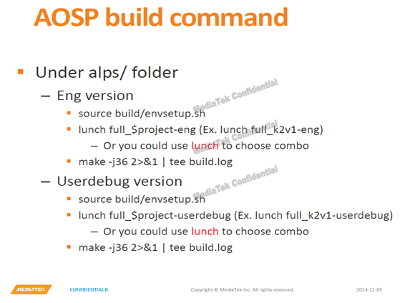 Steps for building project Run AOSP build command to build target project. Switchable Related Configs If “License default on setting” contains features that are not authorized by you, please switch them OFF according to configurations in Switchable_license sheet. please refer to "Switchable_Features" sheet please refer to "Switchable_license" sheet please refer to "Switchable(config-ref)" sheet please refer to "Feature_matrix" sheet Duplicate a new project from MTK project in local codebase 1. After sync codebase was done. 2. Run project clone tool in root path of codebase. 3. Command line please refer “vendor/mediatek/proprietary/scripts/project_clone/readme.txt”.

