Output
 |  |  | Drivers set to |  | 1

Valuation Summary

Valuation Football Field
 | Equity Value |  | Low | Med | High
 | DCF - EV/EBITDA |  | 201,813,112 | 224,302,049 | 247,738,045
 | DCF - EV/EBIT |  | 288,114,004 | 322,064,830 | 337,287,521
 | DCF - EV/Sales |  | 127,476,927 | 141,409,398 | 155,931,220
 | DCF - Perpetuity |  | 274,286,342 | 306,994,598 | 348,034,226
 | Trading Comps |  | 60,907,755 | 90,668,714 | 121,151,698

 | Percentiles |  | Low | Med | High
2 | DCF - EV/EBITDA |  | 453 | 50 | 53 | 2
3 | DCF - EV/EBIT |  | 647 | 76 | 34 | 3
4 | DCF - EV/Sales |  | 286 | 31 | 33 | 4
1 | DCF - Perpetuity |  | 616 | 73 | 92 | 1
5 | Trading Comps |  | 137 | 67 | 68.42 | 5

 | Sorted EV |  | Low | Med | High
5 | Trading Comps |  | 137 | 67 | 68 | 5 | 272
4 | DCF - EV/Sales |  | 286 | 31 | 33 | 4 | 350
3 | DCF - EV/EBIT |  | 647 | 76 | 34 | 3 | 757
2 | DCF - EV/EBITDA |  | 453 | 50 | 53 | 2 | 556
1 | DCF - Perpetuity |  | 616 | 73 | 92 | 1 | 781

Dashboard: Multiples Method (EV/EBITDA)

 |  | Main Outputs |  |  |  |  |  |  |  | Selected Inputs
 |  |  |  | Enterprise | Equity | Equity |  |  |  | Valuation Date |  | 2024-04-01
 |  |  |  | Value | Value | Per Share |  |  |  | Terminal Multiple |  | 9.48x
 |  |  |  | 233,418,359 |  |  |  |  |  | WACC |  | 9.04%
 |  | Base Case | 1 | 233,418,359 | 223,561,898 | 501.78 |  |  |  | Net Debt |  | (9,856,461)
 |  | Bull Case | 2 | 270,990,623 | 261,134,162 | 586.11 |  |  |  | Shares Outstanding |  | 445,535
 |  | Bear Case | 3 | 219,250,231 | 209,393,770 | 469.98 |  |  |  | Actual Stock Price |  | $607.33

 |  | Enterprise Value |  |  |  |  |  |  |  | Equity Value per Share

 |  | Terminal Multiple |  |  |  |  |  |  |  | Terminal Multiple
 | 230,868,394 | 7.5x | 8.5x | 9.5x | 10.5x | 11.5x |  |  |  | 7.5x | 8.5x | 9.5x | 10.5x | 11.5x
WACC | 8.0% | 204,313,045 | 223,738,681 | 243,164,317 | 262,589,953 | 282,015,589 |  | WACC | 8.0% | 436.46 | 480.06 | 523.66 | 567.26 | 610.86
 | 8.5% | 200,615,204 | 219,608,305 | 238,601,406 | 257,594,506 | 276,587,607 |  |  | 8.5% | 428.16 | 470.79 | 513.42 | 556.05 | 598.68
 | 9.0% | 197,014,259 | 215,586,384 | 234,158,510 | 252,730,635 | 271,302,760 |  |  | 9.0% | 420.07 | 461.76 | 503.44 | 545.13 | 586.81
 | 9.5% | 193,507,223 | 211,669,573 | 229,831,923 | 247,994,272 | 266,156,622 |  |  | 9.5% | 412.20 | 452.97 | 493.73 | 534.50 | 575.26
 | 10.0% | 190,091,215 | 207,854,642 | 225,618,069 | 243,381,496 | 261,144,923 |  |  | 10.0% | 404.54 | 444.41 | 484.28 | 524.15 | 564.02

 |  | Equity Value |  |  |  |  |  |  |  | Premium (Discount) to Stock Price

 |  | Terminal Multiple |  |  |  |  |  |  |  | Terminal Multiple
 | 593 | 7.5x | 8.5x | 9.5x | 10.5x | 11.5x |  |  |  | 7.5x | 8.5x | 9.5x | 10.5x | 11.5x
WACC | 8.0% | 194,456,584 | 213,882,220 | 233,307,856 | 252,733,492 | 272,159,128 |  | WACC | 8.0% | (28.14%) | (20.96%) | (13.78%) | (6.60%) | 0.58%
 | 8.5% | 190,758,743 | 209,751,844 | 228,744,945 | 247,738,045 | 266,731,146 |  |  | 8.5% | (29.50%) | (22.48%) | (15.46%) | (8.44%) | (1.42%)
 | 9.0% | 187,157,798 | 205,729,923 | 224,302,049 | 242,874,174 | 261,446,299 |  |  | 9.0% | (30.83%) | (23.97%) | (17.11%) | (10.24%) | (3.38%)
 | 9.5% | 183,650,762 | 201,813,112 | 219,975,462 | 238,137,811 | 256,300,161 |  |  | 9.5% | (32.13%) | (25.42%) | (18.70%) | (11.99%) | (5.28%)
 | 10.0% | 180,234,754 | 197,998,181 | 215,761,608 | 233,525,035 | 251,288,462 |  |  | 10.0% | (33.39%) | (26.83%) | (20.26%) | (13.70%) | (7.13%)

Dashboard: Perpetuity Method

 |  | Main Outputs |  |  |  |  |  |  |  | Selected Inputs
 |  |  |  | Enterprise | Equity | Equity |  |  |  | Terminal Multiple |  | 9.48x
 |  |  |  | Value | Value | Per Share |  |  |  | WACC |  | 9.04%
 |  |  |  | 314,659,786 |  |  |  |  |  | Net Debt |  | (9,856,461)
 |  | Base Case | 1 | 314,659,786 | 304,803,325 | 684.13 |  |  |  | Shares Outstanding |  | 445,535
 |  | Bull Case | 2 | 370,712,825 | 360,856,364 | 809.94 |  |  |  | Actual Stock Price |  | $607.33
 |  | Bear Case | 3 | 297,610,025 | 287,753,564 | 645.86

 |  | Enterprise Value |  |  |  |  |  |  |  | Equity Value per Share

 |  | Terminal Growth Rate |  |  |  |  |  |  |  | Terminal Growth Rate
 | 314,659,786 | 2.40% | 2.60% | 2.80% | 3.00% | 3.20% |  |  |  | 2.40% | 2.60% | 2.80% | 3.00% | 3.20%
WACC | 8.0% | 358,371,227 | 370,045,760 | 382,618,334 | 396,196,714 | 410,906,626 |  | WACC | 8.0% | 782.24 | 808.44 | 836.66 | 867.14 | 900.16
 | 8.5% | 326,882,481 | 336,517,799 | 346,829,280 | 357,890,687 | 369,786,917 |  |  | 8.5% | 711.56 | 733.19 | 756.33 | 781.16 | 807.86
 | 9.0% | 300,201,422 | 308,266,090 | 316,851,059 | 326,008,360 | 335,797,198 |  |  | 9.0% | 651.68 | 669.78 | 689.05 | 709.60 | 731.57
 | 9.5% | 277,311,539 | 284,142,803 | 291,381,903 | 299,066,486 | 307,238,979 |  |  | 9.5% | 600.30 | 615.63 | 631.88 | 649.13 | 667.47
 | 10.0% | 257,463,848 | 263,310,354 | 269,481,667 | 276,005,625 | 282,913,347 |  |  | 10.0% | 555.75 | 568.88 | 582.73 | 597.37 | 612.87

 |  | Equity Value |  |  |  |  |  |  |  | Premium (Discount) to Stock Price

 |  | Terminal Growth Rate |  |  |  |  |  |  |  | Terminal Growth Rate
 | - | 2.40% | 2.60% | 2.80% | 3.00% | 3.20% |  |  |  | 2.40% | 2.60% | 2.80% | 3.00% | 3.20%
WACC | 8.0% | 348,514,766 | 360,189,299 | 372,761,873 | 386,340,253 | 401,050,165 |  | WACC | 8.0% | 28.80% | 33.11% | 37.76% | 42.78% | 48.22%
 | 8.5% | 317,026,020 | 326,661,338 | 336,972,819 | 348,034,226 | 359,930,456 |  |  | 8.5% | 17.16% | 20.72% | 24.53% | 28.62% | 33.02%
 | 9.0% | 290,344,961 | 298,409,629 | 306,994,598 | 316,151,899 | 325,940,737 |  |  | 9.0% | 7.30% | 10.28% | 13.46% | 16.84% | 20.46%
 | 9.5% | 267,455,078 | 274,286,342 | 281,525,442 | 289,210,025 | 297,382,518 |  |  | 9.5% | (1.16%) | 1.37% | 4.04% | 6.88% | 9.90%
 | 10.0% | 247,607,387 | 253,453,893 | 259,625,206 | 266,149,164 | 273,056,886 |  |  | 10.0% | (8.49%) | (6.33%) | (4.05%) | (1.64%) | 0.91%

Appendix ->
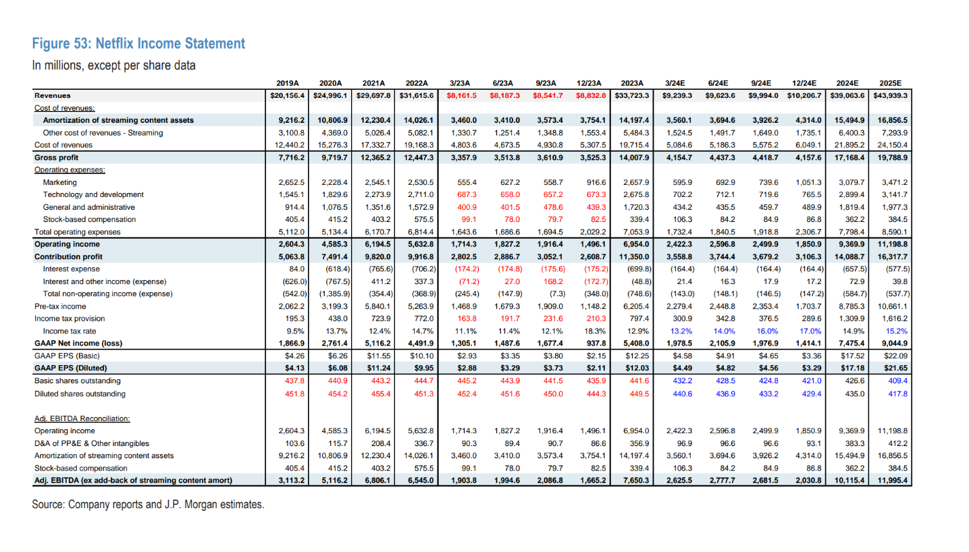

Graphs
Debt to Equity Ratio
Financial Year | Debt to Equity Ratio | Financial Year | Interest Coverage Ratio
2013 | 0.37 | 2019 | 4.2
2014 | 0.48 | 2020 | 6
2015 | 1.07 | 2021 | 8.1
2016 | 1.26 | 2022 | 8
2017 | 2.53 | 2023 | 6.68
2018 | 2.84
2019 | 2.73
2020 | 1.43
2021 | 0.93
2022 | 0.69
2023 | 0.71

Interest Coverage Ratio

